CRI-LT1
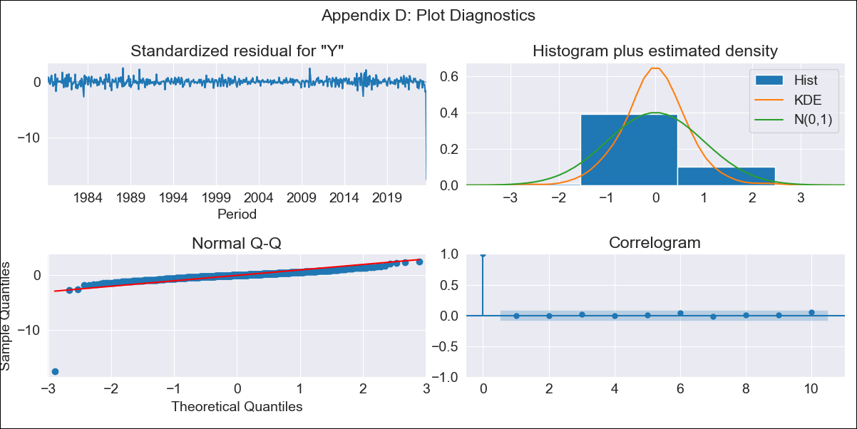

CRI-LT1 - Inflation - Next 12 months forecast as of: 2023-08-01

Model | ARIMA - [(3, 0, 1), (2, 0, 0, 12)]
Training Data | 1977-01-01 to 2022-09-01
Test Data | 2022-09-01 to 2023-08-01

Date | Inflation Change YoY % | Lower Bound - 95% Confidence Interval | Upper Bound - 95% Confidence Interval
2023-09-01 | 13682.38 | 28040.07 | 5800.59
2023-10-01 | 9644.42 | 20135.02 | 3978.78
2023-11-01 | 6454.98 | 13728.37 | 2589.53
2023-12-01 | 4113.3 | 8897.23 | 1606.61
2024-01-01 | 2433.13 | 5357.17 | 922.08
2024-02-01 | 1340.52 | 2998.67 | 492.08
2024-03-01 | 641.94 | 1471.05 | 222.31
2024-04-01 | 254.6 | 610.31 | 76.25
2024-05-01 | 58.88 | 174.3 | 2.73
2024-06-01 | -17.49 | 4.27 | -25.94
2024-07-01 | -40.44 | -44.59 | -35.13
2024-08-01 | -42.95 | -50.04 | -35.86

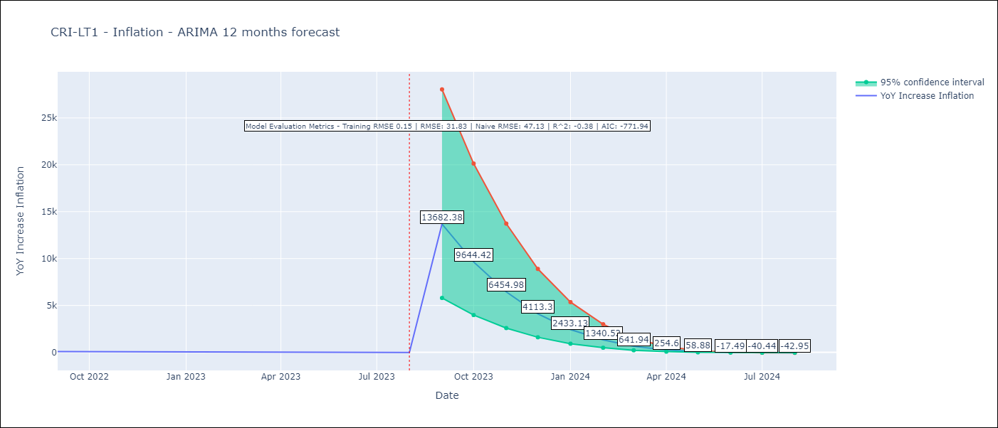

Test Metrics
RMSE | 31.83
Naive RMSE | 47.13
R^2 | -0.38

Test Predictions
Date | Predicted | Actual
2022-09-01 | 70.43 | 81.72
2022-10-01 | 71.45 | 75.77
2022-11-01 | 71.89 | 72.5
2022-12-01 | 73.07 | 70.8
2023-01-01 | 75.21 | 69.78
2023-02-01 | 74.59 | 60.09
2023-03-01 | 74.02 | 54.38
2023-04-01 | 69.72 | 44.05
2023-05-01 | 67.38 | 35.07
2023-06-01 | 64.68 | 22.35
2023-07-01 | 64.9 | 11.84
2023-08-01 | 64.71 | -6.5

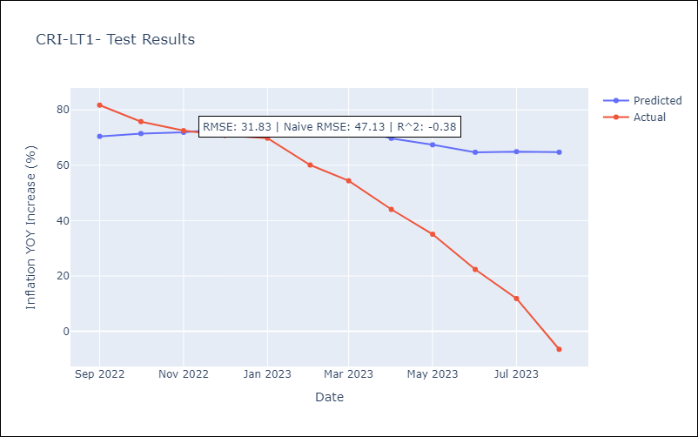

Appendix A: Model Summary
Model | ARIMA(3, 0, 1)x(2, 0, [], 12)
Sample | 01-01-1977- 08-01-2023
No. of Observations | 560
Terms | P-value (Statistical significance)
const | 0.310
ar.L1 | 0.000
ar.L2 | 0.055
ar.L3 | 0.802
ma.L1 | 0.155
ar.S.L12 | 0.000
ar.S.L24 | 0.000
sigma2 | 0.000
Assumptions | P-value | Interpretation
Ljung-Box (L1) | 1.00 | Residuals are independent.
Heteroskedasticity | 0.00 | Residuals have different variances.
Jarque-Bera | 0.00 | Residuals are not normally distributed.
Skew | -10.20 | Negative skew - Model overestimates the mean.
Kurtosis | 180.94 | Residuals contain more extreme outliers than in a normal distribution.

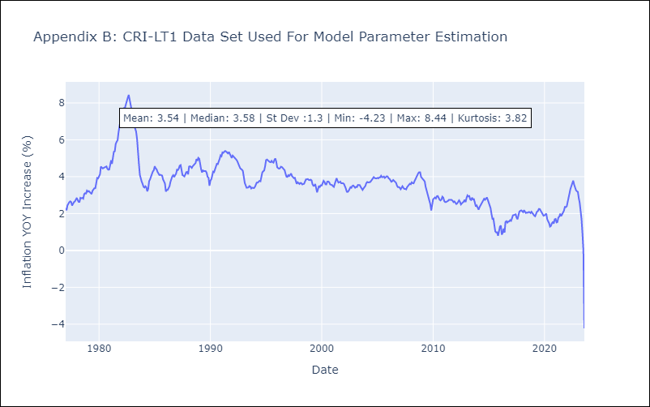

Appendix C: Residuals Analysis
Mean | -0.01
Variance | 0.05
White Noise? | Yes
Heteroskedastic? - ARCH | No
Normal? | No

