URYraw
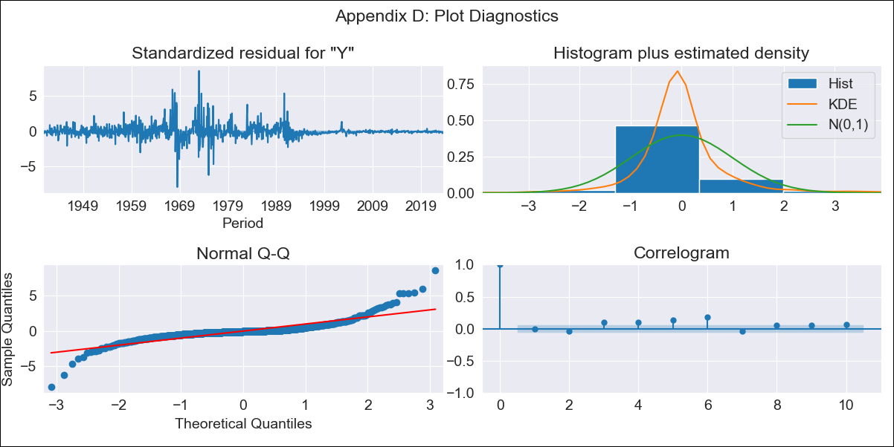
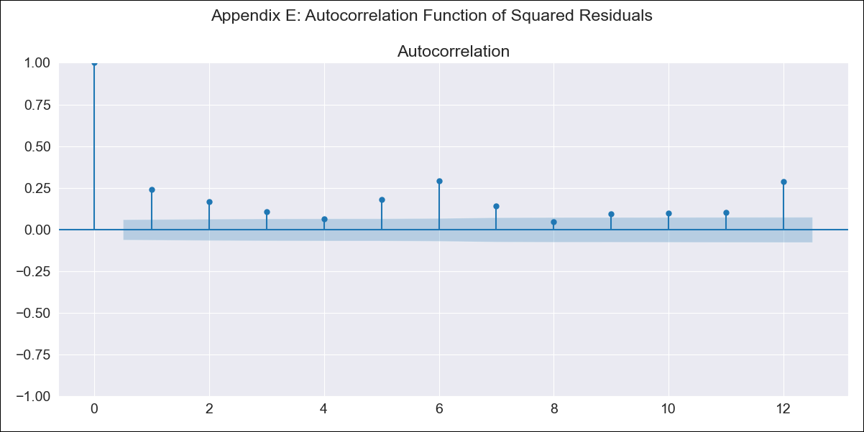
URYraw - Inflation - Next 12 months forecast as of: 2023-08-01

Model | ARIMA - [(3, 0, 0), (2, 0, 0, 12)]
Training Data | 1938-07-01 to 2022-09-01
Test Data | 2022-09-01 to 2023-08-01

Date | Inflation Change YoY % | Lower Bound - 95% Confidence Interval | Upper Bound - 95% Confidence Interval
2023-09-01 | 3.92 | -3.6 | 11.43
2023-10-01 | 4.35 | -7.47 | 16.17
2023-11-01 | 4.84 | -10.63 | 20.3
2023-12-01 | 5.11 | -13.43 | 23.66
2024-01-01 | 5.41 | -15.81 | 26.63
2024-02-01 | 5.71 | -17.88 | 29.3
2024-03-01 | 5.91 | -19.82 | 31.64
2024-04-01 | 6.01 | -21.67 | 33.69
2024-05-01 | 6.49 | -23 | 35.98
2024-06-01 | 7.29 | -23.88 | 38.46
2024-07-01 | 8.03 | -24.72 | 40.79
2024-08-01 | 8.6 | -25.64 | 42.85

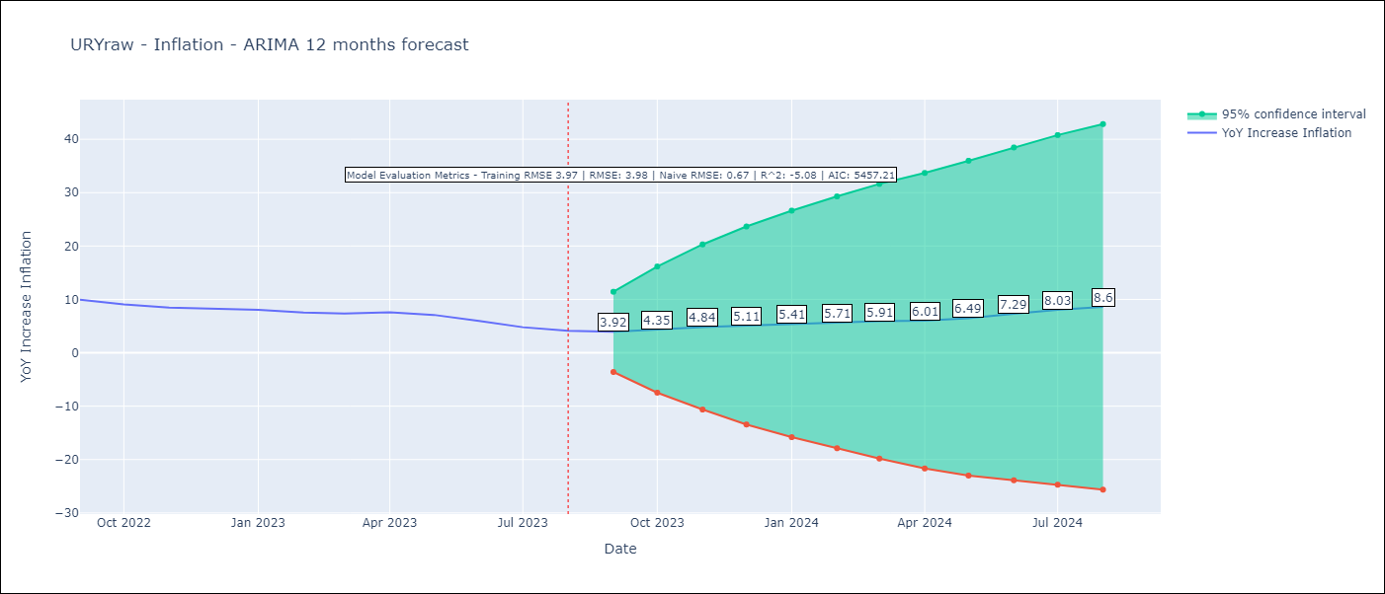

Test Metrics
RMSE | 3.98
Naive RMSE | 0.67
R^2 | -5.08

Test Predictions
Date | Predicted | Actual
2022-09-01 | 9.77 | 9.95
2022-10-01 | 9.77 | 9.05
2022-11-01 | 10.03 | 8.46
2022-12-01 | 10.24 | 8.29
2023-01-01 | 10.5 | 8.05
2023-02-01 | 10.31 | 7.55
2023-03-01 | 10.46 | 7.33
2023-04-01 | 11.09 | 7.61
2023-05-01 | 11.32 | 7.1
2023-06-01 | 11.39 | 5.98
2023-07-01 | 11.47 | 4.79
2023-08-01 | 11.61 | 4.11

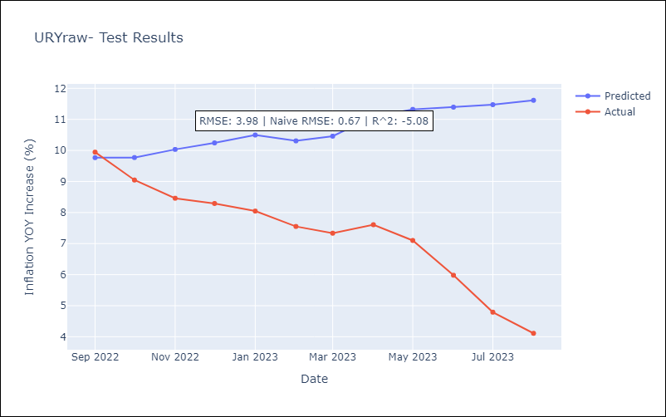

Appendix A: Model Summary
Model | ARIMA(3, 0, 0)x(2, 0, 0, 12)
Sample | 07-01-1938- 08-01-2023
No. of Observations | 1022
Terms | P-value (Statistical significance)
const | 0.290
ar.L1 | 0.000
ar.L2 | 0.000
ar.L3 | 0.000
ar.S.L12 | 0.000
ar.S.L24 | 0.000
sigma2 | 0.000
Assumptions | P-value | Interpretation
Ljung-Box (L1) | 0.74 | Residuals are independent.
Heteroskedasticity | 0.00 | Residuals have different variances.
Jarque-Bera | 0.00 | Residuals are not normally distributed.
Skew | 1.02 | Positive skew - model underestimates the mean.
Kurtosis | 19.84 | Residuals contain more extreme outliers than in a normal distribution.

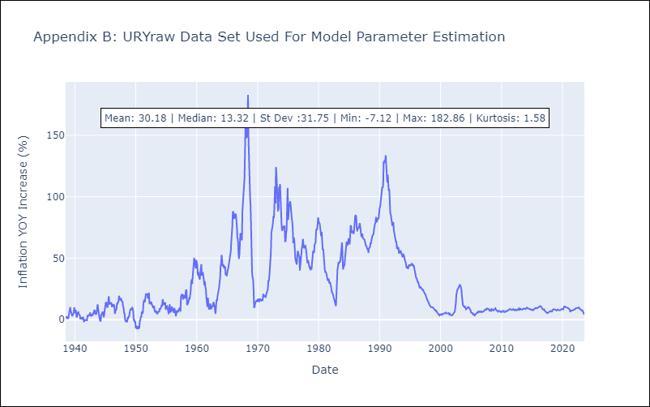

Appendix C: Residuals Analysis
Mean | -0.03
Variance | 15.56
White Noise? | No - Correlation at Lags [ 3 4 5 6 7 8 9 10 11 12]
Heteroskedastic? - ARCH | Yes
Normal? | No

