URYlt
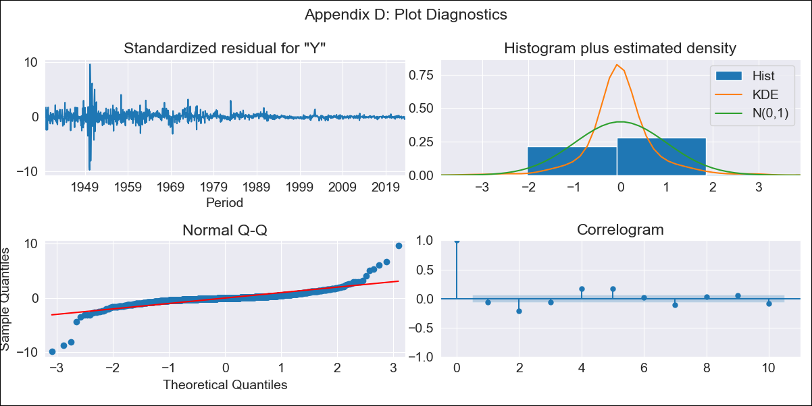
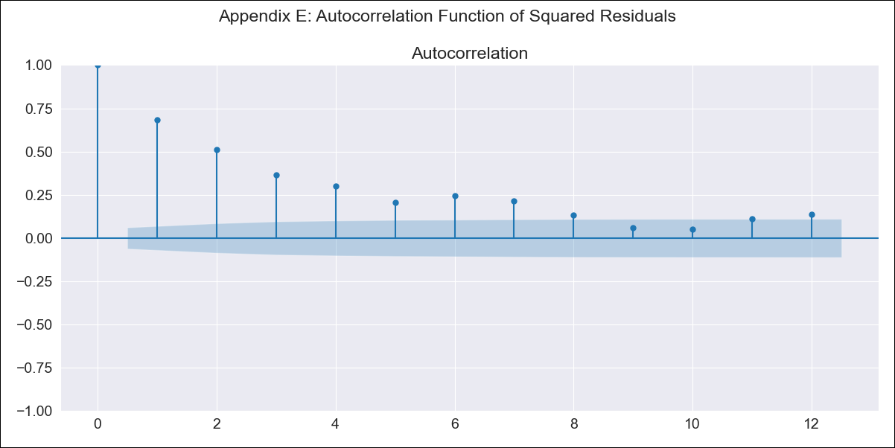
URYlt - Inflation - Next 12 months forecast as of: 2023-08-01

Model | ARIMA - [(1, 0, 1), (0, 0, 1, 12)]
Training Data | 1938-07-01 to 2022-09-01
Test Data | 2022-09-01 to 2023-08-01

Date | Inflation Change YoY % | Lower Bound - 95% Confidence Interval | Upper Bound - 95% Confidence Interval
2023-09-01 | 4.05 | 0.74 | 8.36
2023-10-01 | 4.44 | -0.78 | 12.52
2023-11-01 | 4.8 | -1.62 | 15.98
2023-12-01 | 5.06 | -2.25 | 18.99
2024-01-01 | 5.34 | -2.71 | 21.91
2024-02-01 | 5.64 | -3.07 | 24.75
2024-03-01 | 5.9 | -3.38 | 27.44
2024-04-01 | 6.07 | -3.66 | 29.9
2024-05-01 | 6.44 | -3.83 | 32.75
2024-06-01 | 7.01 | -3.92 | 36.05
2024-07-01 | 7.62 | -3.98 | 39.48
2024-08-01 | 8.11 | -4.06 | 42.6

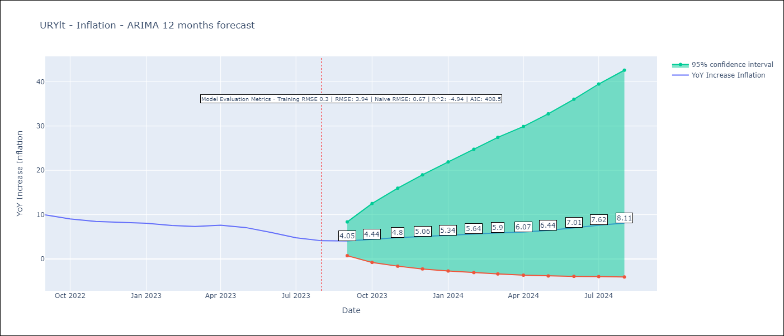

Test Metrics
RMSE | 3.94
Naive RMSE | 0.67
R^2 | -4.94

Test Predictions
Date | Predicted | Actual
2022-09-01 | 9.74 | 9.95
2022-10-01 | 9.8 | 9.05
2022-11-01 | 10.05 | 8.46
2022-12-01 | 10.24 | 8.29
2023-01-01 | 10.46 | 8.05
2023-02-01 | 10.44 | 7.55
2023-03-01 | 10.53 | 7.33
2023-04-01 | 10.87 | 7.61
2023-05-01 | 11.09 | 7.1
2023-06-01 | 11.28 | 5.98
2023-07-01 | 11.41 | 4.79
2023-08-01 | 11.61 | 4.11

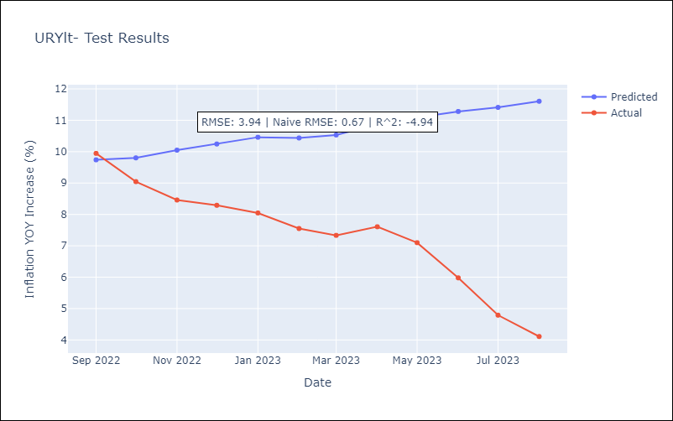

Appendix A: Model Summary
Model | ARIMA(1, 0, 1)x(0, 0, 1, 12)
Sample | 07-01-1938- 08-01-2023
No. of Observations | 1022
Terms | P-value (Statistical significance)
const | 0.000
ar.L1 | 0.000
ma.L1 | 0.000
ma.S.L12 | 0.000
sigma2 | 0.000
Assumptions | P-value | Interpretation
Ljung-Box (L1) | 0.04 | Residuals are not independent.
Heteroskedasticity | 0.00 | Residuals have different variances.
Jarque-Bera | 0.00 | Residuals are not normally distributed.
Skew | -0.44 | Negative skew - Model overestimates the mean.
Kurtosis | 35.00 | Residuals contain more extreme outliers than in a normal distribution.

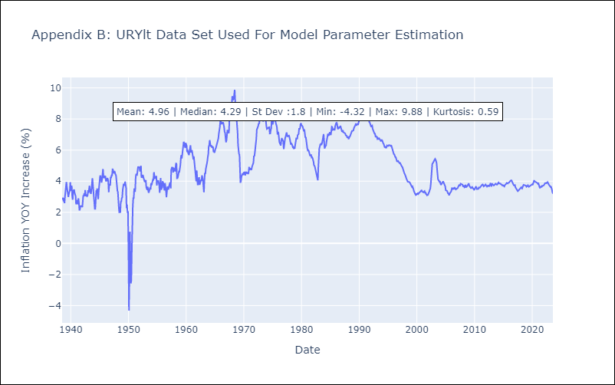

Appendix C: Residuals Analysis
Mean | -0.0
Variance | 0.09
White Noise? | No - Correlation at Lags [ 2 3 4 5 6 7 8 9 10 11 12]
Heteroskedastic? - ARCH | Yes
Normal? | No

