URYraw00
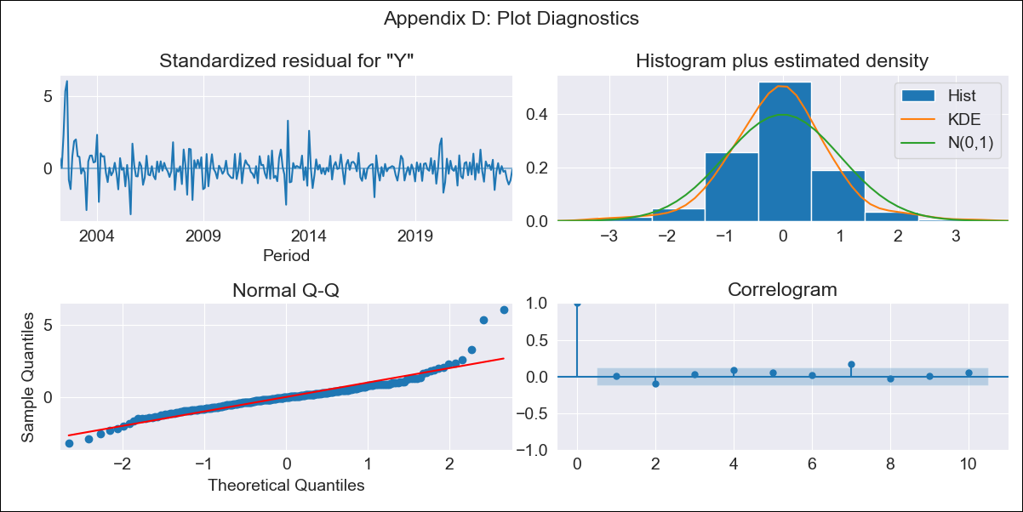

URYraw00 - Inflation - Next 12 months forecast as of: 2023-08-01

Model | ARIMA - [(3, 0, 0), (2, 0, 0, 12)]
Training Data | 2000-01-01 to 2022-09-01
Test Data | 2022-09-01 to 2023-08-01

Date | Inflation Change YoY % | Lower Bound - 95% Confidence Interval | Upper Bound - 95% Confidence Interval
2023-09-01 | 3.72 | 2.54 | 4.89
2023-10-01 | 4.06 | 1.8 | 6.32
2023-11-01 | 4.52 | 1.28 | 7.76
2023-12-01 | 4.8 | 0.72 | 8.88
2024-01-01 | 5.12 | 0.35 | 9.9
2024-02-01 | 5.45 | 0.1 | 10.81
2024-03-01 | 5.68 | -0.15 | 11.52
2024-04-01 | 5.8 | -0.43 | 12.02
2024-05-01 | 6.3 | -0.25 | 12.85
2024-06-01 | 7.14 | 0.32 | 13.96
2024-07-01 | 7.9 | 0.86 | 14.95
2024-08-01 | 8.47 | 1.23 | 15.7

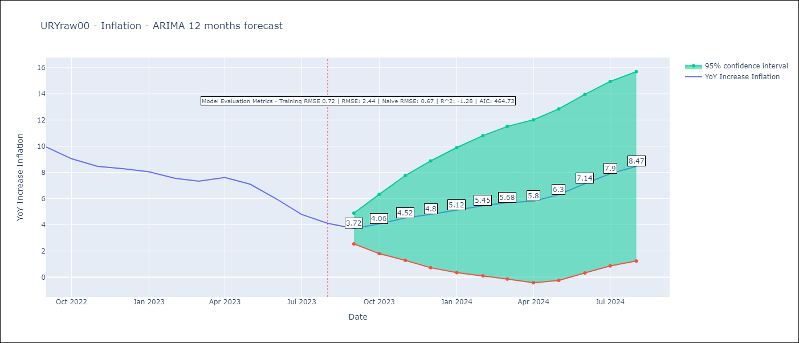

Test Metrics
RMSE | 2.44
Naive RMSE | 0.67
R^2 | -1.28

Test Predictions
Date | Predicted | Actual
2022-09-01 | 9.6 | 9.95
2022-10-01 | 9.4 | 9.05
2022-11-01 | 9.45 | 8.46
2022-12-01 | 9.43 | 8.29
2023-01-01 | 9.46 | 8.05
2023-02-01 | 9.03 | 7.55
2023-03-01 | 8.95 | 7.33
2023-04-01 | 9.38 | 7.61
2023-05-01 | 9.4 | 7.1
2023-06-01 | 9.25 | 5.98
2023-07-01 | 9.11 | 4.79
2023-08-01 | 9.03 | 4.11

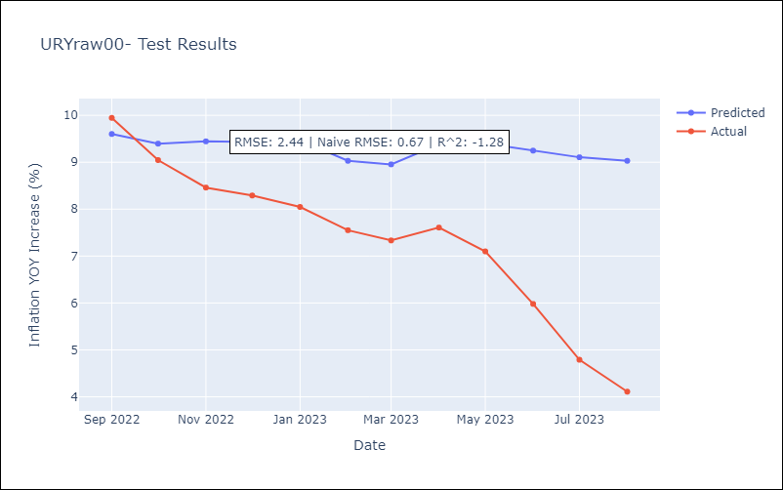

Appendix A: Model Summary
Model | ARIMA(3, 0, 0)x(2, 0, 0, 12)
Sample | 01-01-2000- 08-01-2023
No. of Observations | 284
Terms | P-value (Statistical significance)
const | 0.000
ar.L1 | 0.000
ar.L2 | 0.000
ar.L3 | 0.286
ar.S.L12 | 0.000
ar.S.L24 | 0.000
sigma2 | 0.000
Assumptions | P-value | Interpretation
Ljung-Box (L1) | 0.87 | Residuals are independent.
Heteroskedasticity | 0.00 | Residuals have different variances.
Jarque-Bera | 0.00 | Residuals are not normally distributed.
Skew | 1.37 | Positive skew - model underestimates the mean.
Kurtosis | 11.07 | Residuals contain more extreme outliers than in a normal distribution.

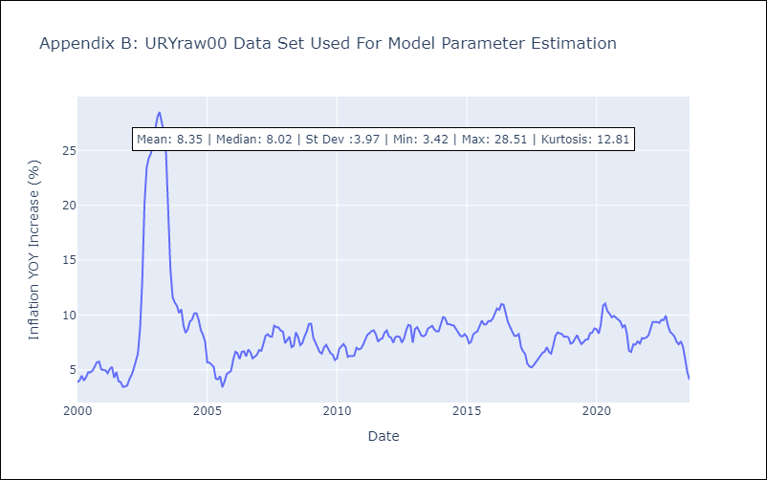

Appendix C: Residuals Analysis
Mean | -0.02
Variance | 0.5
White Noise? | No - Correlation at Lags [1 2 3]
Heteroskedastic? - ARCH | Yes
Normal? | No

