URYlt00
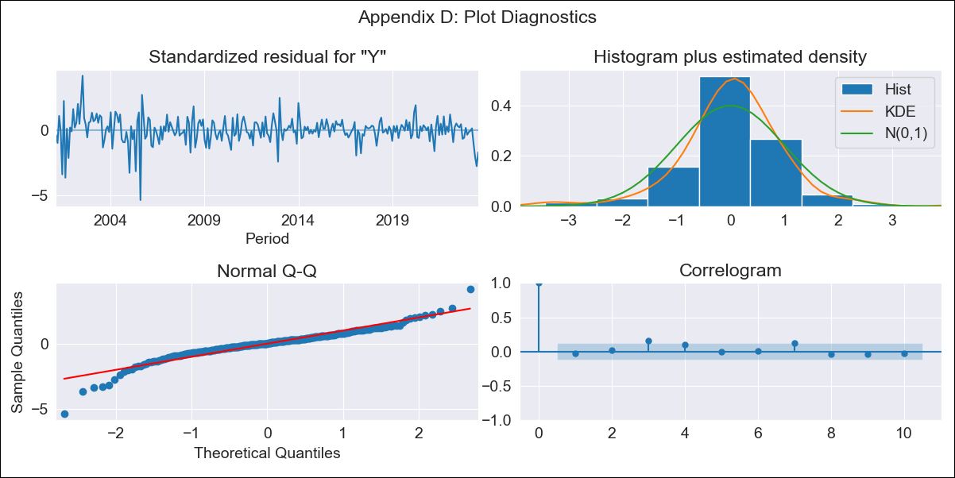

URYlt00 - Inflation - Next 12 months forecast as of: 2023-08-01

Model | ARIMA - [(2, 0, 0), (0, 0, 1, 12)]
Training Data | 2000-01-01 to 2022-09-01
Test Data | 2022-09-01 to 2023-08-01

Date | Inflation Change YoY % | Lower Bound - 95% Confidence Interval | Upper Bound - 95% Confidence Interval
2023-09-01 | 3.98 | 3.54 | 4.47
2023-10-01 | 4.12 | 3.42 | 4.99
2023-11-01 | 4.34 | 3.42 | 5.57
2023-12-01 | 4.48 | 3.4 | 6.03
2024-01-01 | 4.68 | 3.43 | 6.54
2024-02-01 | 4.85 | 3.46 | 7.01
2024-03-01 | 5 | 3.49 | 7.45
2024-04-01 | 5.11 | 3.51 | 7.81
2024-05-01 | 5.4 | 3.63 | 8.49
2024-06-01 | 5.94 | 3.92 | 9.71
2024-07-01 | 6.77 | 4.35 | 11.7
2024-08-01 | 7.53 | 4.72 | 13.75

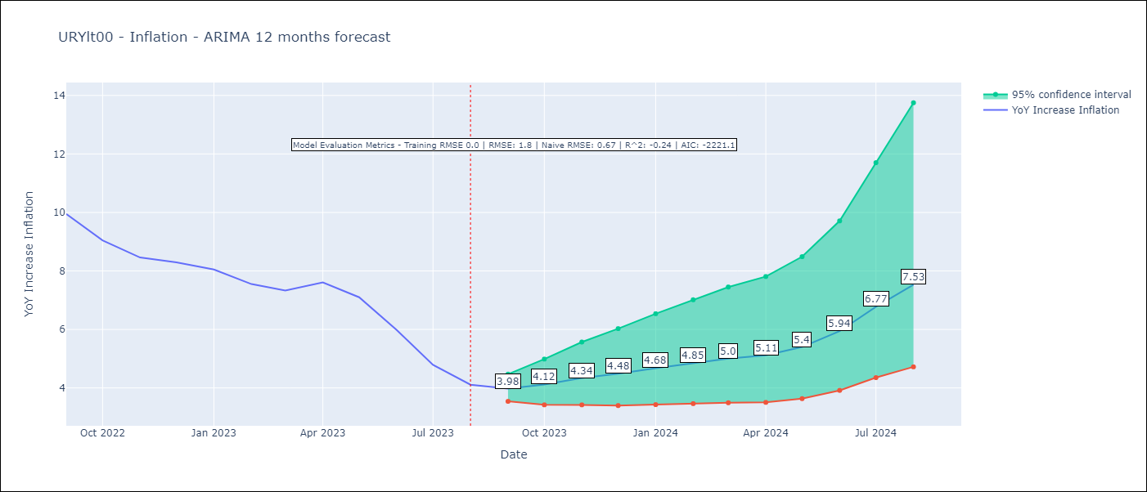

Test Metrics
RMSE | 1.8
Naive RMSE | 0.67
R^2 | -0.24

Test Predictions
Date | Predicted | Actual
2022-09-01 | 9.59 | 9.95
2022-10-01 | 9.15 | 9.05
2022-11-01 | 9.1 | 8.46
2022-12-01 | 8.94 | 8.29
2023-01-01 | 8.92 | 8.05
2023-02-01 | 8.49 | 7.55
2023-03-01 | 8.28 | 7.33
2023-04-01 | 8.51 | 7.61
2023-05-01 | 8.49 | 7.1
2023-06-01 | 8.32 | 5.98
2023-07-01 | 8.17 | 4.79
2023-08-01 | 8.08 | 4.11

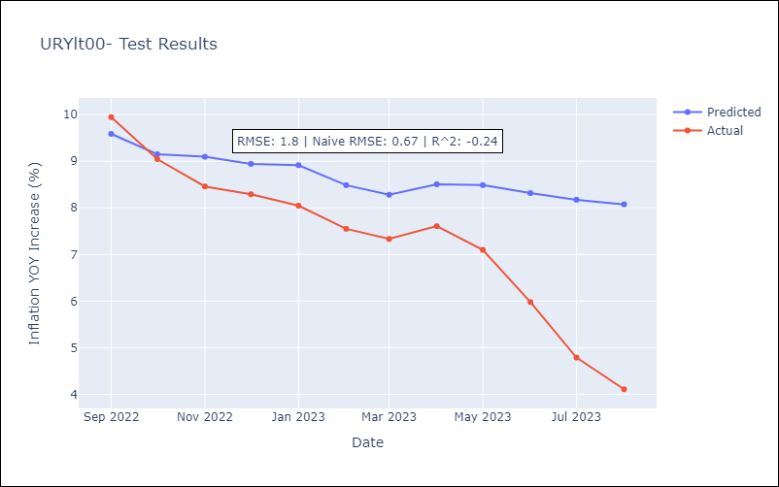

Appendix A: Model Summary
Model | ARIMA(2, 0, 0)x(0, 0, [1], 12)
Sample | 01-01-2000- 08-01-2023
No. of Observations | 284
Terms | P-value (Statistical significance)
const | 0.000
ar.L1 | 0.000
ar.L2 | 0.000
ma.S.L12 | 0.000
sigma2 | 0.000
Assumptions | P-value | Interpretation
Ljung-Box (L1) | 0.66 | Residuals are independent.
Heteroskedasticity | 0.00 | Residuals have different variances.
Jarque-Bera | 0.00 | Residuals are not normally distributed.
Skew | -0.78 | Negative skew - Model overestimates the mean.
Kurtosis | 7.82 | Residuals contain more extreme outliers than in a normal distribution.

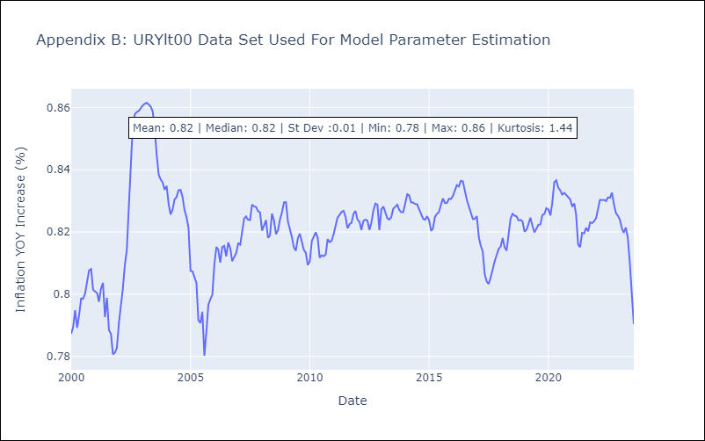

Appendix C: Residuals Analysis
Mean | -0.0
Variance | 0.0
White Noise? | No - Correlation at Lags [3 4 5 6 7 8 9]
Heteroskedastic? - ARCH | Yes
Normal? | No

