URYraw05
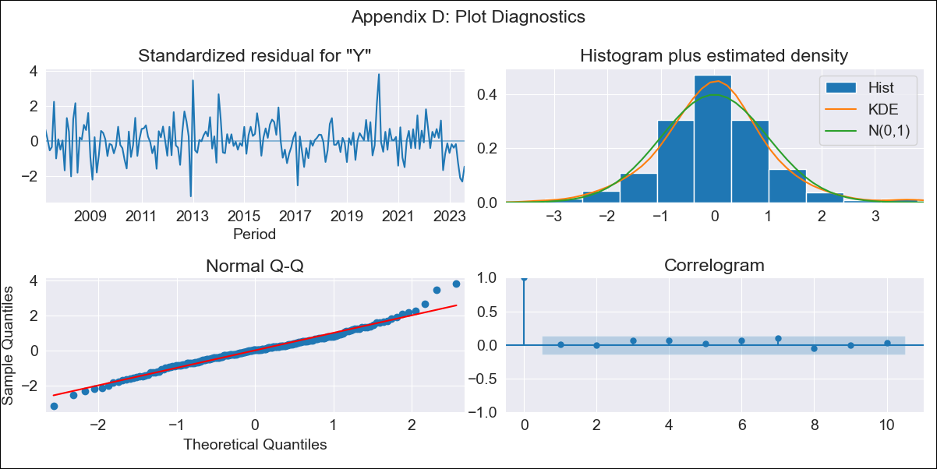

URYraw05 - Inflation - Next 12 months forecast as of: 2023-08-01

Model | ARIMA - [(3, 0, 0), (2, 0, 0, 12)]
Training Data | 2005-01-01 to 2022-09-01
Test Data | 2022-09-01 to 2023-08-01

Date | Inflation Change YoY % | Lower Bound - 95% Confidence Interval | Upper Bound - 95% Confidence Interval
2023-09-01 | 4.15 | 3.32 | 4.99
2023-10-01 | 4.72 | 3.42 | 6.02
2023-11-01 | 5.18 | 3.61 | 6.75
2023-12-01 | 5.39 | 3.64 | 7.13
2024-01-01 | 5.59 | 3.7 | 7.48
2024-02-01 | 5.78 | 3.77 | 7.78
2024-03-01 | 5.88 | 3.78 | 7.98
2024-04-01 | 5.9 | 3.71 | 8.08
2024-05-01 | 6.23 | 3.97 | 8.48
2024-06-01 | 6.82 | 4.51 | 9.14
2024-07-01 | 7.36 | 4.99 | 9.72
2024-08-01 | 7.74 | 5.33 | 10.15

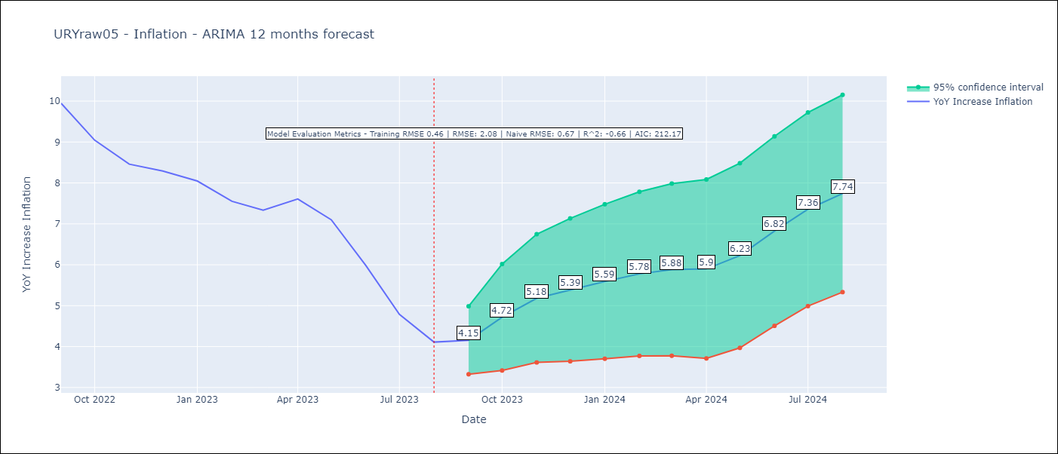

Test Metrics
RMSE | 2.08
Naive RMSE | 0.67
R^2 | -0.66

Test Predictions
Date | Predicted | Actual
2022-09-01 | 9.46 | 9.95
2022-10-01 | 9.2 | 9.05
2022-11-01 | 9.18 | 8.46
2022-12-01 | 9.11 | 8.29
2023-01-01 | 9.1 | 8.05
2023-02-01 | 8.71 | 7.55
2023-03-01 | 8.62 | 7.33
2023-04-01 | 8.94 | 7.61
2023-05-01 | 8.92 | 7.1
2023-06-01 | 8.74 | 5.98
2023-07-01 | 8.6 | 4.79
2023-08-01 | 8.49 | 4.11

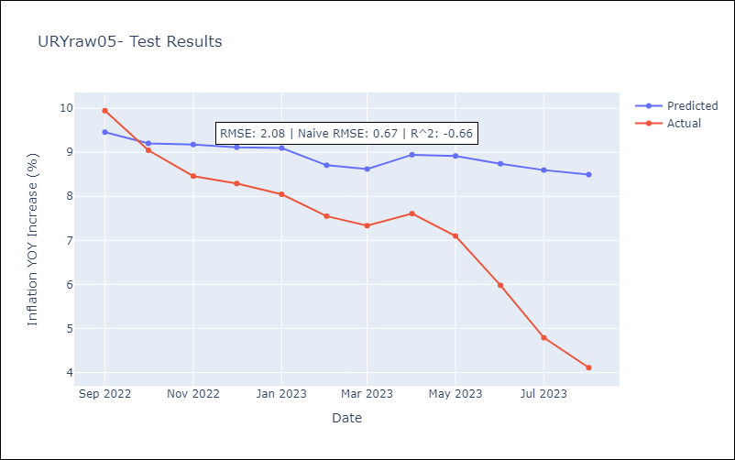

Appendix A: Model Summary
Model | ARIMA(3, 0, 0)x(2, 0, 0, 12)
Sample | 01-01-2005- 08-01-2023
No. of Observations | 224
Terms | P-value (Statistical significance)
const | 0.000
ar.L1 | 0.000
ar.L2 | 0.000
ar.L3 | 0.084
ar.S.L12 | 0.000
ar.S.L24 | 0.003
sigma2 | 0.000
Assumptions | P-value | Interpretation
Ljung-Box (L1) | 0.92 | Residuals are independent.
Heteroskedasticity | 0.99 | Residuals have the same variance.
Jarque-Bera | 0.00 | Residuals are not normally distributed.
Skew | 0.26 | Positive skew - model underestimates the mean.
Kurtosis | 4.54 | Residuals contain more extreme outliers than in a normal distribution.

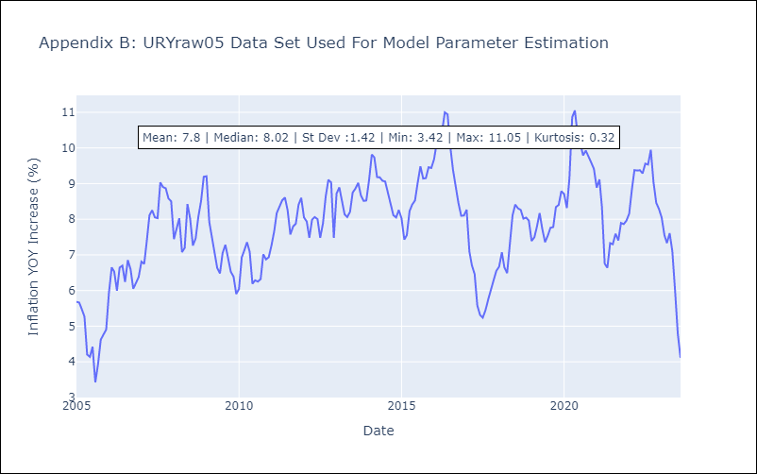

Appendix C: Residuals Analysis
Mean | -0.03
Variance | 0.21
White Noise? | Yes
Heteroskedastic? - ARCH | No
Normal? | No

