URYlt05
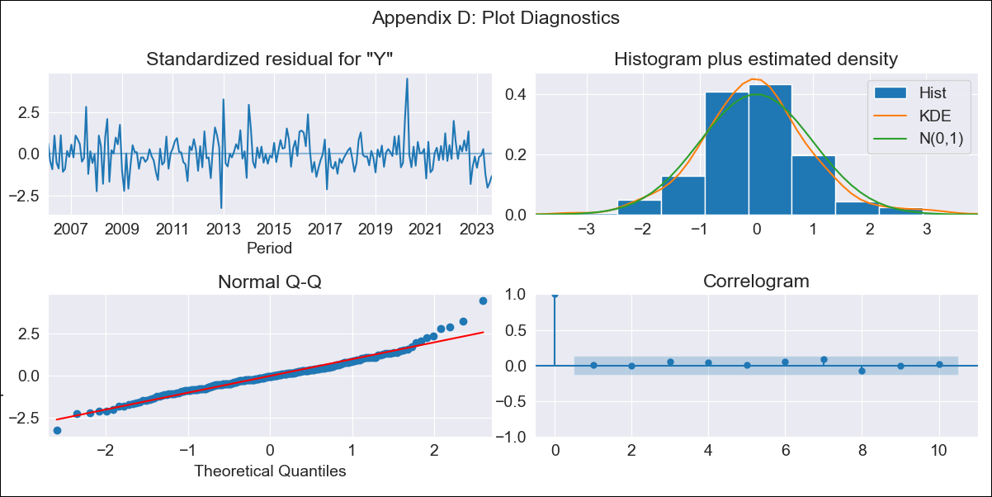

URYlt05 - Inflation - Next 12 months forecast as of: 2023-08-01

Model | ARIMA - [(3, 0, 0), (0, 0, 1, 12)]
Training Data | 2005-01-01 to 2022-09-01
Test Data | 2022-09-01 to 2023-08-01

Date | Inflation Change YoY % | Lower Bound - 95% Confidence Interval | Upper Bound - 95% Confidence Interval
2023-09-01 | 4.11 | 2.7 | 5.29
2023-10-01 | 5.04 | 3.06 | 6.63
2023-11-01 | 5.67 | 3.49 | 7.41
2023-12-01 | 5.9 | 3.55 | 7.76
2024-01-01 | 6.22 | 3.78 | 8.15
2024-02-01 | 6.44 | 3.91 | 8.42
2024-03-01 | 6.58 | 3.97 | 8.62
2024-04-01 | 6.62 | 3.93 | 8.72
2024-05-01 | 6.98 | 4.32 | 9.07
2024-06-01 | 7.55 | 5.01 | 9.59
2024-07-01 | 8 | 5.55 | 10
2024-08-01 | 8.28 | 5.86 | 10.27

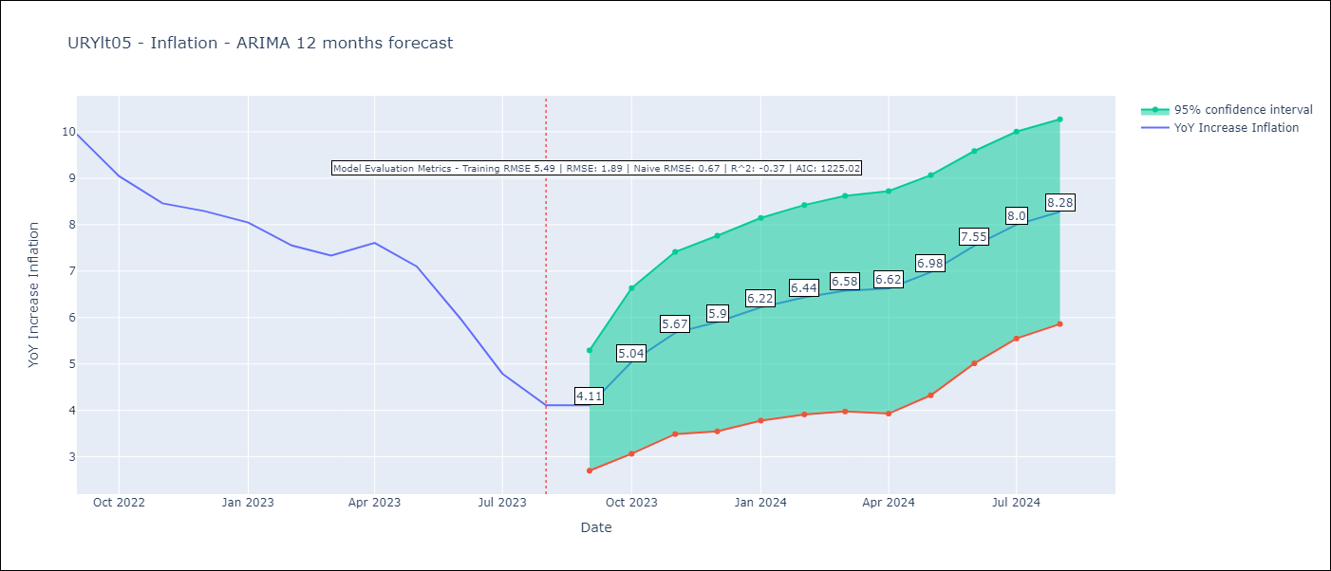

Test Metrics
RMSE | 1.89
Naive RMSE | 0.67
R^2 | -0.37

Test Predictions
Date | Predicted | Actual
2022-09-01 | 9.46 | 9.95
2022-10-01 | 9.18 | 9.05
2022-11-01 | 9.15 | 8.46
2022-12-01 | 9.06 | 8.29
2023-01-01 | 9.05 | 8.05
2023-02-01 | 8.68 | 7.55
2023-03-01 | 8.46 | 7.33
2023-04-01 | 8.52 | 7.61
2023-05-01 | 8.48 | 7.1
2023-06-01 | 8.43 | 5.98
2023-07-01 | 8.28 | 4.79
2023-08-01 | 8.23 | 4.11

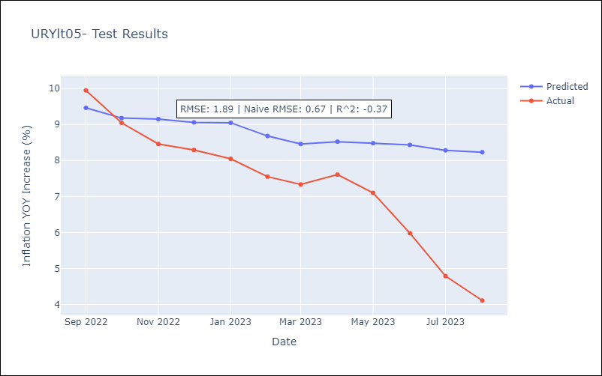

Appendix A: Model Summary
Model | ARIMA(3, 0, 0)x(0, 0, [1], 12)
Sample | 01-01-2005- 08-01-2023
No. of Observations | 224
Terms | P-value (Statistical significance)
const | 0.000
ar.L1 | 0.000
ar.L2 | 0.000
ar.L3 | 0.024
ma.S.L12 | 0.000
sigma2 | 0.000
Assumptions | P-value | Interpretation
Ljung-Box (L1) | 0.94 | Residuals are independent.
Heteroskedasticity | 0.96 | Residuals have the same variance.
Jarque-Bera | 0.00 | Residuals are not normally distributed.
Skew | 0.55 | Positive skew - model underestimates the mean.
Kurtosis | 5.29 | Residuals contain more extreme outliers than in a normal distribution.

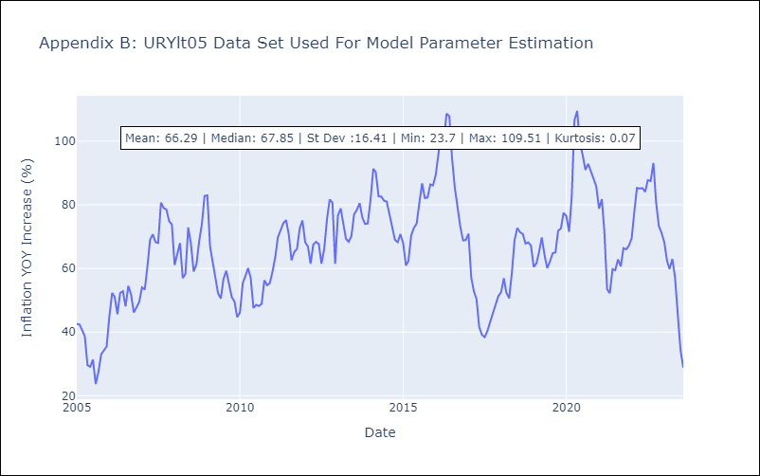

Appendix C: Residuals Analysis
Mean | -0.24
Variance | 30.03
White Noise? | Yes
Heteroskedastic? - ARCH | No
Normal? | No

