URY_exog
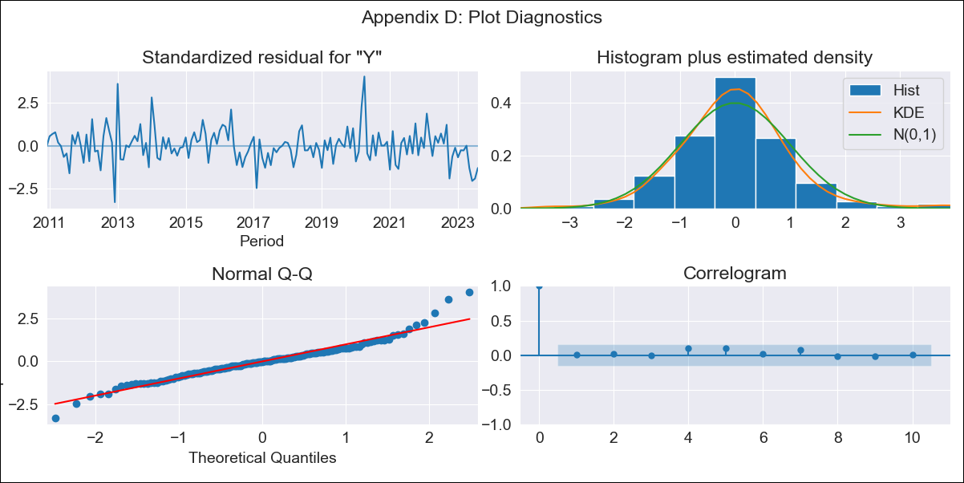

URY_exog - Inflation - Next 12 months forecast as of: 2023-08-01

Model | ARIMA - [(3, 0, 0), (2, 0, 0, 12)]
Training Data | 2008-09-01 to 2022-09-01
Test Data | 2022-09-01 to 2023-08-01

Date | Inflation Change YoY % | Lower Bound - 95% Confidence Interval | Upper Bound - 95% Confidence Interval
2023-09-01 | 4.15 | 3.09 | 5.14
2023-10-01 | 4.93 | 3.29 | 6.41
2023-11-01 | 5.52 | 3.58 | 7.26
2023-12-01 | 5.81 | 3.68 | 7.7
2024-01-01 | 6.08 | 3.82 | 8.08
2024-02-01 | 6.35 | 3.99 | 8.43
2024-03-01 | 6.51 | 4.07 | 8.67
2024-04-01 | 6.55 | 4.03 | 8.77
2024-05-01 | 6.9 | 4.36 | 9.14
2024-06-01 | 7.48 | 4.97 | 9.71
2024-07-01 | 7.96 | 5.48 | 10.19
2024-08-01 | 8.29 | 5.81 | 10.51

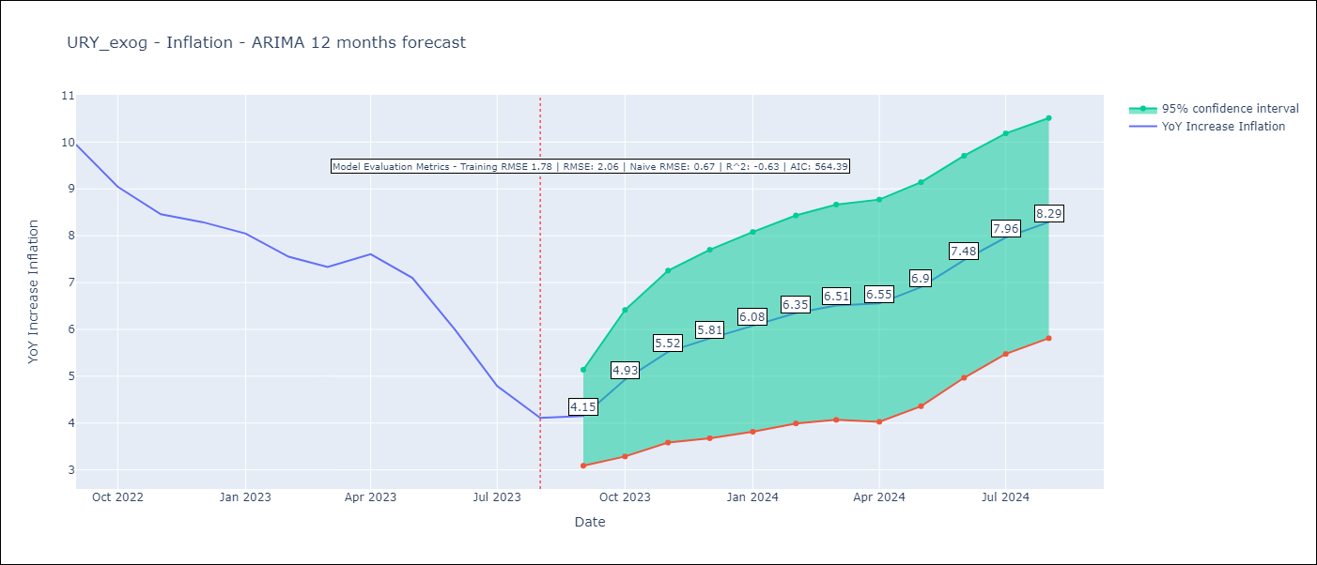

Test Metrics
RMSE | 2.06
Naive RMSE | 0.67
R^2 | -0.63

Test Predictions
Date | Predicted | Actual
2022-09-01 | 9.47 | 9.95
2022-10-01 | 9.23 | 9.05
2022-11-01 | 9.2 | 8.46
2022-12-01 | 9.14 | 8.29
2023-01-01 | 9.1 | 8.05
2023-02-01 | 8.76 | 7.55
2023-03-01 | 8.63 | 7.33
2023-04-01 | 8.82 | 7.61
2023-05-01 | 8.8 | 7.1
2023-06-01 | 8.7 | 5.98
2023-07-01 | 8.57 | 4.79
2023-08-01 | 8.5 | 4.11

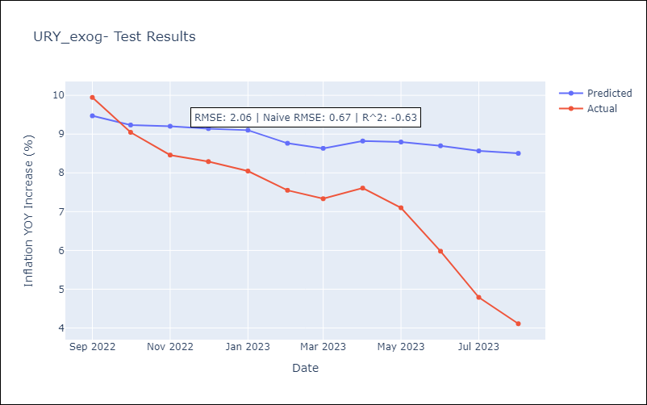

Appendix A: Model Summary
Model | ARIMA(3, 0, 0)x(2, 0, 0, 12)
Sample | 09-01-2008- 08-01-2023
No. of Observations | 180
Terms | P-value (Statistical significance)
const | 0.000
ar.L1 | 0.000
ar.L2 | 0.000
ar.L3 | 0.153
ar.S.L12 | 0.000
ar.S.L24 | 0.155
sigma2 | 0.000
Assumptions | P-value | Interpretation
Ljung-Box (L1) | 0.98 | Residuals are independent.
Heteroskedasticity | 0.96 | Residuals have the same variance.
Jarque-Bera | 0.00 | Residuals are not normally distributed.
Skew | 0.53 | Positive skew - model underestimates the mean.
Kurtosis | 5.64 | Residuals contain more extreme outliers than in a normal distribution.

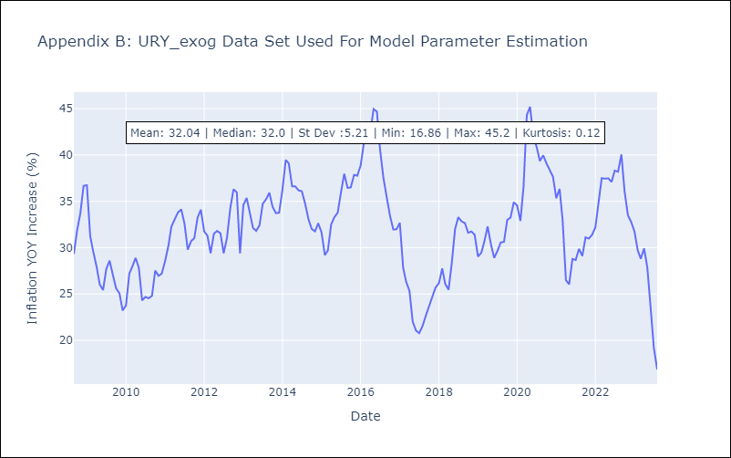

Appendix C: Residuals Analysis
Mean | -0.09
Variance | 3.21
White Noise? | Yes
Heteroskedastic? - ARCH | No
Normal? | No

