URY_exog_raw
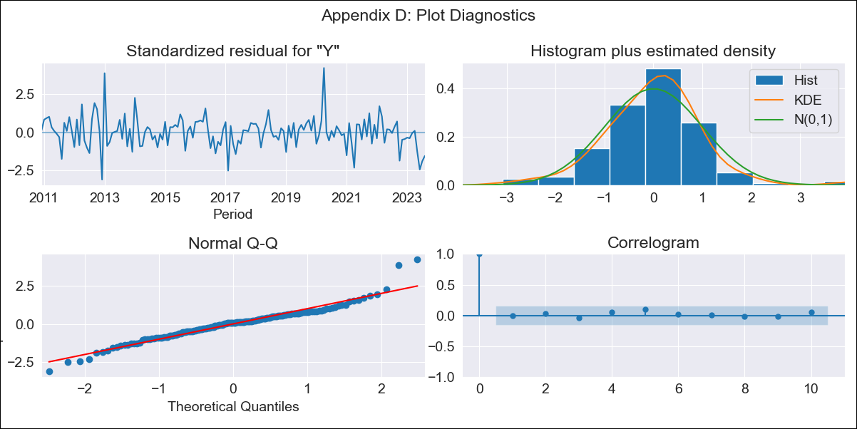

URY_exog_raw - Inflation - Next 12 months forecast as of: 2023-08-01

Model | SARIMAX - [(3, 0, 0), (2, 0, 0, 12)] | Exogenous Variables | Exchange rates (nominal), Monetary Policiy rate, M1 money supply ($mm local currency)
Training Data | 2008-09-01 to 2022-09-01
Test Data | 2022-09-01 to 2023-08-01

Date | Inflation Change YoY % | Lower Bound - 95% Confidence Interval | Upper Bound - 95% Confidence Interval
2023-09-01 | 3.98 | 3.18 | 4.77
2023-10-01 | 4.29 | 3.02 | 5.57
2023-11-01 | 4.53 | 2.97 | 6.08
2023-12-01 | 4.54 | 2.78 | 6.3
2024-01-01 | 4.52 | 2.57 | 6.47
2024-02-01 | 4.5 | 2.38 | 6.62
2024-03-01 | 4.52 | 2.24 | 6.8
2024-04-01 | 4.42 | 1.99 | 6.85
2024-05-01 | 4.63 | 2.06 | 7.2
2024-06-01 | 5.02 | 2.32 | 7.72
2024-07-01 | 5.38 | 2.56 | 8.21
2024-08-01 | 5.62 | 2.67 | 8.56

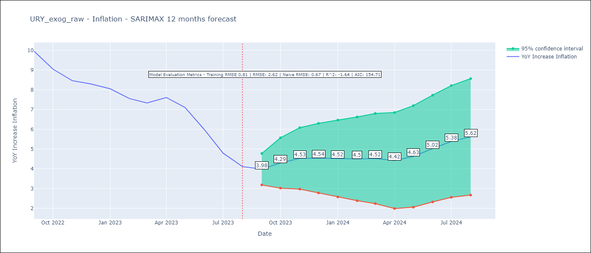

Test Metrics
RMSE | 2.62
Naive RMSE | 0.67
R^2 | -1.64

Test Predictions
Date | Predicted | Actual
2022-09-01 | 9.65 | 9.95
2022-10-01 | 9.47 | 9.05
2022-11-01 | 9.48 | 8.46
2022-12-01 | 9.46 | 8.29
2023-01-01 | 9.49 | 8.05
2023-02-01 | 9.25 | 7.55
2023-03-01 | 9.19 | 7.33
2023-04-01 | 9.47 | 7.61
2023-05-01 | 9.53 | 7.1
2023-06-01 | 9.54 | 5.98
2023-07-01 | 9.38 | 4.79
2023-08-01 | 9.44 | 4.11

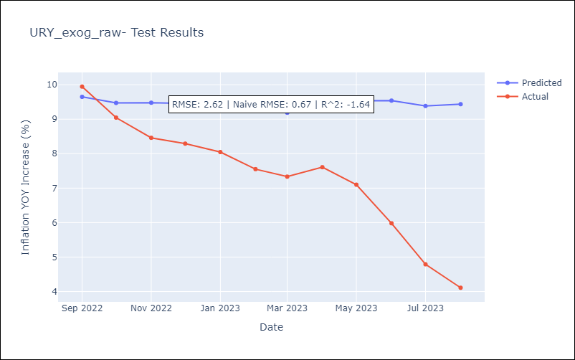

Appendix A: Model Summary
Model | SARIMAX(3, 0, 0)x(2, 0, 0, 12)
Sample | 09-01-2008- 08-01-2023
No. of Observations | 180
Terms | P-value (Statistical significance)
Exchange rates (nominal) | 0.004
Monetary Policiy rate | 0.375
M1 money supply ($mm local currency) | 0.214
ar.L1 | 0.000
ar.L2 | 0.000
ar.L3 | 0.032
ar.S.L12 | 0.000
ar.S.L24 | 0.052
sigma2 | 0.000
Assumptions | P-value | Interpretation
Ljung-Box (L1) | 0.93 | Residuals are independent.
Heteroskedasticity | 0.71 | Residuals have the same variance.
Jarque-Bera | 0.00 | Residuals are not normally distributed.
Skew | 0.42 | Positive skew - model underestimates the mean.
Kurtosis | 5.94 | Residuals contain more extreme outliers than in a normal distribution.

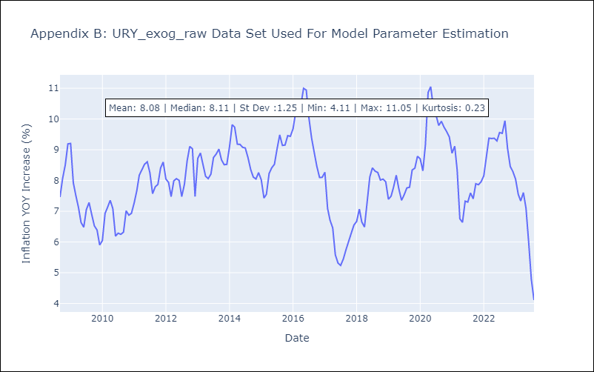

Appendix C: Residuals Analysis
Mean | 0.06
Variance | 0.61
White Noise? | No - Correlation at Lags [ 1 2 3 12]
Heteroskedastic? - ARCH | No
Normal? | No

