URY_exog_lt3
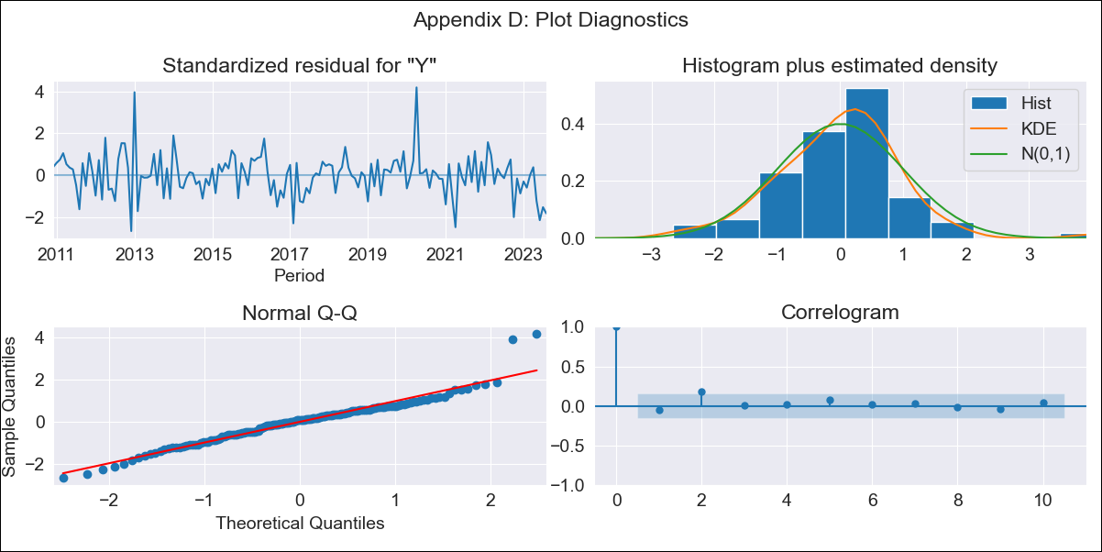

URY_exog_lt3 - Inflation - Next 12 months forecast as of: 2023-08-01

Model | SARIMAX - [(3, 0, 0), (2, 0, 0, 12)] | Exogenous Variables | Exchange rates (nominal), Monetary Policiy rate, M1 money supply ($mm local currency)
Training Data | 2008-09-01 to 2022-09-01
Test Data | 2022-09-01 to 2023-08-01

Date | Inflation Change YoY % | Lower Bound - 95% Confidence Interval | Upper Bound - 95% Confidence Interval
2023-09-01 | 4.11 | 3.03 | 5.1
2023-10-01 | 4.6 | 2.88 | 6.14
2023-11-01 | 4.8 | 2.82 | 6.56
2023-12-01 | 4.7 | 2.53 | 6.6
2024-01-01 | 4.65 | 2.27 | 6.7
2024-02-01 | 4.65 | 2.04 | 6.87
2024-03-01 | 4.73 | 1.92 | 7.09
2024-04-01 | 4.63 | 1.62 | 7.13
2024-05-01 | 4.81 | 1.67 | 7.41
2024-06-01 | 5.13 | 1.91 | 7.79
2024-07-01 | 5.42 | 2.12 | 8.16
2024-08-01 | 5.58 | 2.18 | 8.4

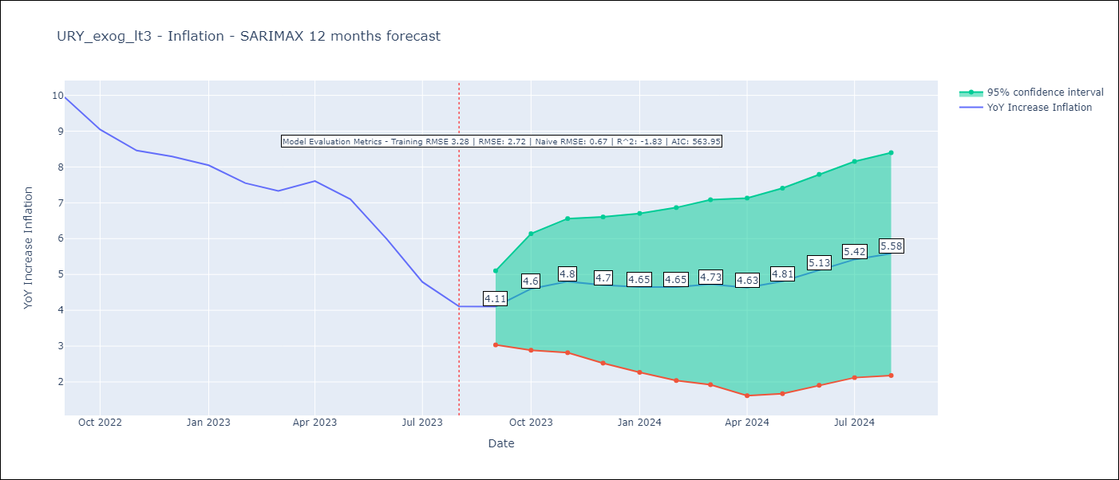

Test Metrics
RMSE | 2.72
Naive RMSE | 0.67
R^2 | -1.83

Test Predictions
Date | Predicted | Actual
2022-09-01 | 9.65 | 9.95
2022-10-01 | 9.49 | 9.05
2022-11-01 | 9.5 | 8.46
2022-12-01 | 9.5 | 8.29
2023-01-01 | 9.55 | 8.05
2023-02-01 | 9.33 | 7.55
2023-03-01 | 9.29 | 7.33
2023-04-01 | 9.6 | 7.61
2023-05-01 | 9.67 | 7.1
2023-06-01 | 9.68 | 5.98
2023-07-01 | 9.53 | 4.79
2023-08-01 | 9.58 | 4.11

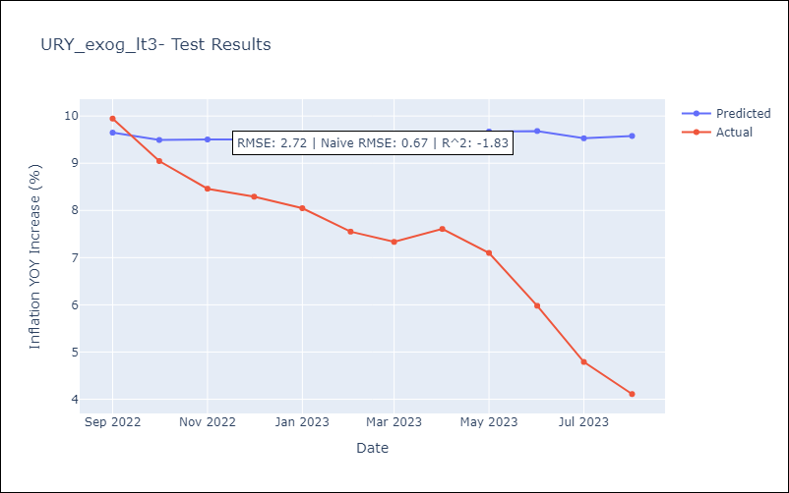

Appendix A: Model Summary
Model | SARIMAX(3, 0, 0)x(2, 0, 0, 12)
Sample | 09-01-2008- 08-01-2023
No. of Observations | 180
Terms | P-value (Statistical significance)
Exchange rates (nominal) | 0.002
Monetary Policiy rate | 0.228
M1 money supply ($mm local currency) | 0.092
ar.L1 | 0.000
ar.L2 | 0.000
ar.L3 | 0.000
ar.S.L12 | 0.002
ar.S.L24 | 0.247
sigma2 | 0.000
Assumptions | P-value | Interpretation
Ljung-Box (L1) | 0.48 | Residuals are independent.
Heteroskedasticity | 0.85 | Residuals have the same variance.
Jarque-Bera | 0.00 | Residuals are not normally distributed.
Skew | 0.48 | Positive skew - model underestimates the mean.
Kurtosis | 5.81 | Residuals contain more extreme outliers than in a normal distribution.

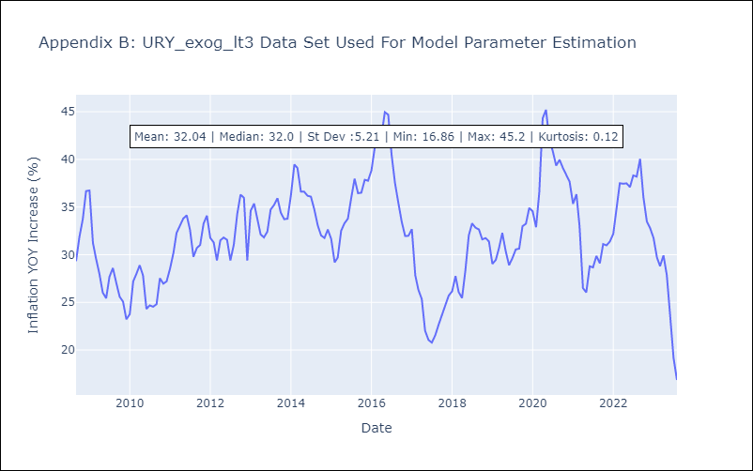

Appendix C: Residuals Analysis
Mean | 0.25
Variance | 10.48
White Noise? | No - Correlation at Lags [ 1 2 3 4 5 6 7 8 9 10 11 12]
Heteroskedastic? - ARCH | No
Normal? | No

