BOL_0927__LT_True
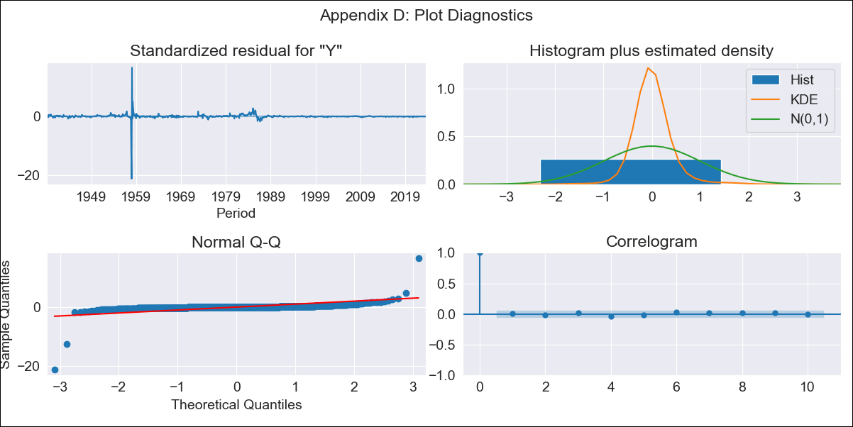
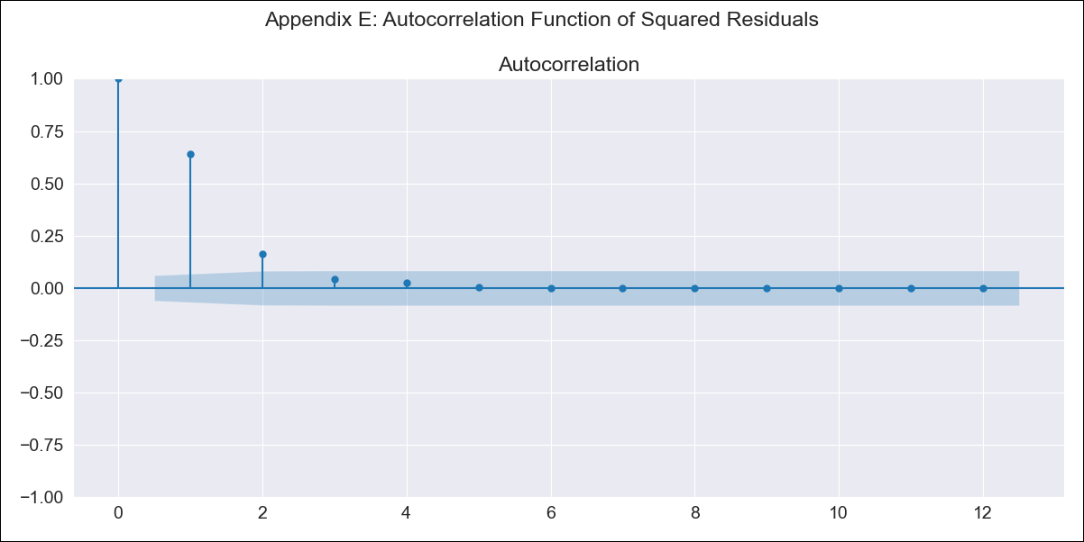
BOL_0927__LT_True - Inflation - Next 12 months forecast as of: 2023-08-01

Model | ARIMA - [(3, 0, 1), (0, 0, 1, 12)]
Training Data | 1938-01-01 to 2022-09-01
Test Data | 2022-09-01 to 2023-08-01

Date | Inflation Change YoY % | Lower Bound - 95% Confidence Interval | Upper Bound - 95% Confidence Interval
2023-09-01 | 3.64 | -7.82 | 36.07
2023-10-01 | 4.02 | -8.99 | 50.36
2023-11-01 | 4.33 | -9.33 | 57.32
2023-12-01 | 4.68 | -9.61 | 64.62
2024-01-01 | 5.03 | -9.88 | 73.02
2024-02-01 | 5.4 | -10.11 | 81.53
2024-03-01 | 5.74 | -10.29 | 89.57
2024-04-01 | 6.06 | -10.44 | 97.37
2024-05-01 | 6.37 | -10.56 | 105.02
2024-06-01 | 6.7 | -10.67 | 112.58
2024-07-01 | 7.01 | -10.76 | 119.92
2024-08-01 | 7.29 | -10.84 | 126.96

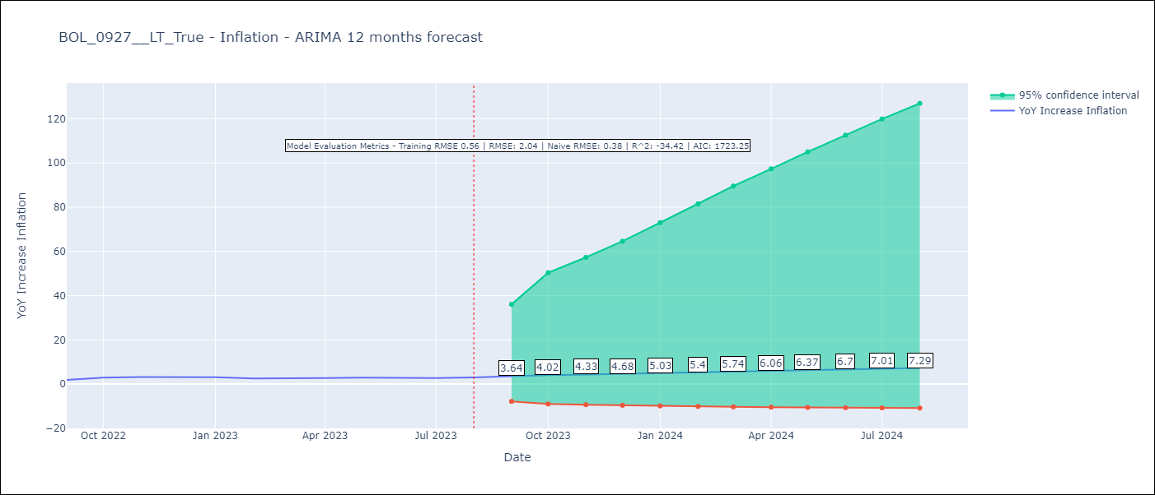

Test Metrics
RMSE | 2.04
Naive RMSE | 0.38
R^2 | -34.42

Test Predictions
Date | Predicted | Actual
2022-09-01 | 2.22 | 1.89
2022-10-01 | 2.84 | 2.89
2022-11-01 | 3.19 | 3.17
2022-12-01 | 3.53 | 3.12
2023-01-01 | 3.91 | 3.14
2023-02-01 | 4.29 | 2.57
2023-03-01 | 4.66 | 2.53
2023-04-01 | 5.01 | 2.7
2023-05-01 | 5.34 | 2.9
2023-06-01 | 5.67 | 2.73
2023-07-01 | 6 | 2.7
2023-08-01 | 6.35 | 3.06

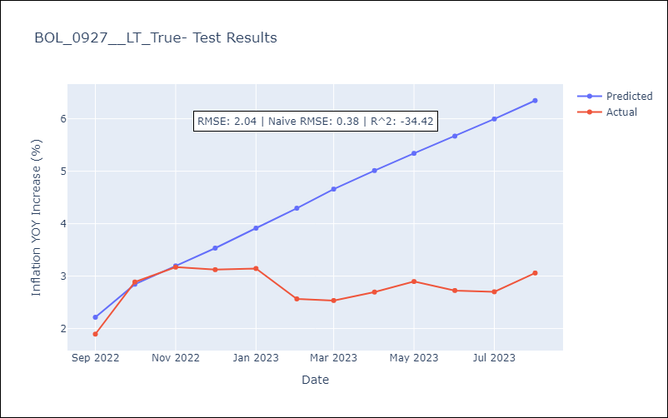

Appendix A: Model Summary
Model | ARIMA(3, 0, 1)x(0, 0, 1, 12)
Sample | 01-01-1938- 08-01-2023
No. of Observations | 1028
Terms | P-value (Statistical significance)
const | 0.000
ar.L1 | 0.000
ar.L2 | 0.000
ar.L3 | 0.000
ma.L1 | 0.000
ma.S.L12 | 0.439
sigma2 | 0.000
Assumptions | P-value | Interpretation
Ljung-Box (L1) | 0.92 | Residuals are independent.
Heteroskedasticity | 0.00 | Residuals have different variances.
Jarque-Bera | 0.00 | Residuals are not normally distributed.
Skew | -6.53 | Negative skew - Model overestimates the mean.
Kurtosis | 290.80 | Residuals contain more extreme outliers than in a normal distribution.

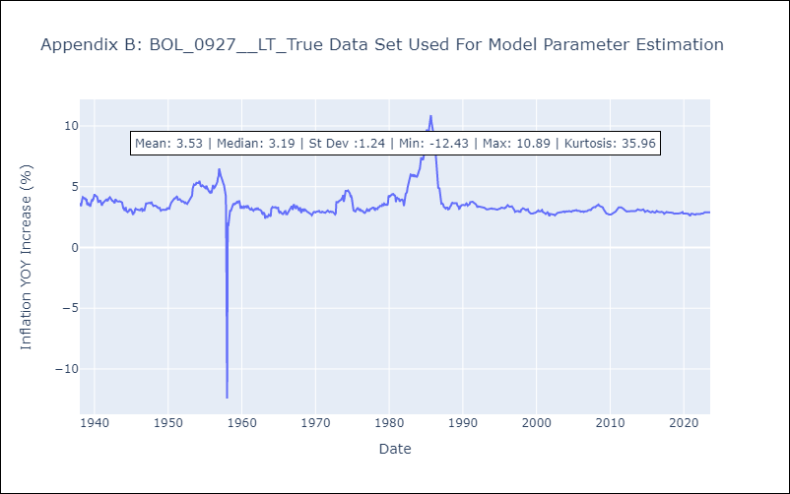

Appendix C: Residuals Analysis
Mean | 0.0
Variance | 0.32
White Noise? | Yes
Heteroskedastic? - ARCH | Yes
Normal? | No

