BOL_0927__LT_Truesarimax
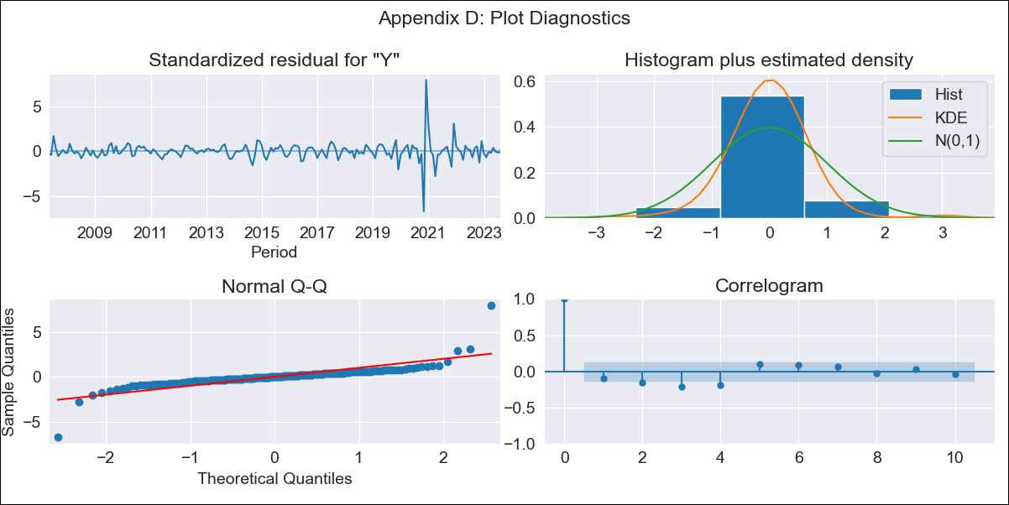

BOL_0927__LT_Truesarimax - Inflation - Next 12 months forecast as of: 2023-08-01

Model | SARIMAX - [(3, 2, 0), (3, 0, 1, 12)] | Exogenous Variables | Exchange rates (nominal), Monetary Policiy rate, M1 money supply ($mm local currency)
Training Data | 2003-12-01 to 2022-09-01
Test Data | 2022-09-01 to 2023-08-01

Date | Inflation Change YoY % | Lower Bound - 95% Confidence Interval | Upper Bound - 95% Confidence Interval
2023-09-01 | 2.98 | 1.33 | 5.19
2023-10-01 | 2.78 | 0.62 | 6.12
2023-11-01 | 4.21 | 0.77 | 10.11
2023-12-01 | 2.27 | -0.58 | 8.96
2024-01-01 | 2.16 | -0.92 | 11.59
2024-02-01 | 2.46 | -1.04 | 15.69
2024-03-01 | 2.56 | -1.09 | 20.33
2024-04-01 | 2.67 |  | 26.01
2024-05-01 | 2.39 |  | 31.44
2024-06-01 | 2.54 |  | 39.68
2024-07-01 | 2.43 |  | 48.28
2024-08-01 | 2.41 |  | 58.89

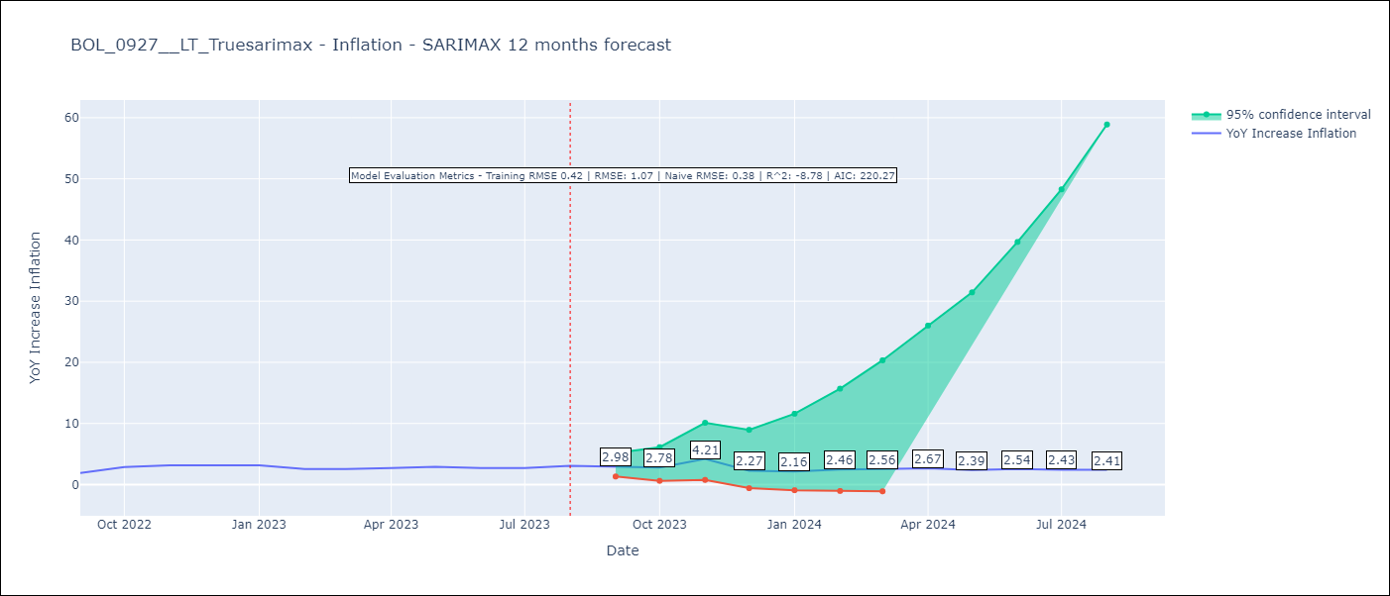

Test Metrics
RMSE | 1.07
Naive RMSE | 0.38
R^2 | -8.78

Test Predictions
Date | Predicted | Actual
2022-09-01 | 1.8 | 1.89
2022-10-01 | 2.2 | 2.89
2022-11-01 | 5.66 | 3.17
2022-12-01 | 1.91 | 3.12
2023-01-01 | 1.9 | 3.14
2023-02-01 | 1.81 | 2.57
2023-03-01 | 1.9 | 2.53
2023-04-01 | 2.03 | 2.7
2023-05-01 | 1.94 | 2.9
2023-06-01 | 2 | 2.73
2023-07-01 | 1.94 | 2.7
2023-08-01 | 2.22 | 3.06

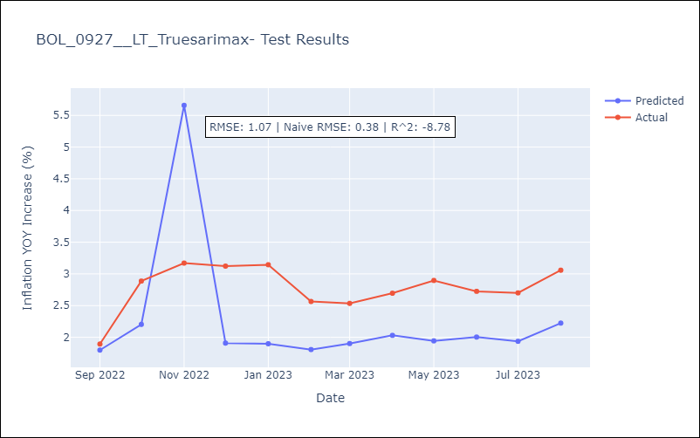

Appendix A: Model Summary
Model | SARIMAX(3, 2, 0)x(3, 0, [1], 12)
Sample | 12-01-2003- 08-01-2023
No. of Observations | 237
Terms | P-value (Statistical significance)
Exchange rates (nominal) | 0.837
Monetary Policiy rate | 0.452
M1 money supply ($mm local currency) | 0.533
ar.L1 | 0.000
ar.L2 | 0.000
ar.L3 | 0.000
ar.S.L12 | 0.031
ar.S.L24 | 0.005
ar.S.L36 | 0.069
ma.S.L12 | 0.257
sigma2 | 0.000
Assumptions | P-value | Interpretation
Ljung-Box (L1) | 0.19 | Residuals are independent.
Heteroskedasticity | 0.00 | Residuals have different variances.
Jarque-Bera | 0.00 | Residuals are not normally distributed.
Skew | 1.10 | Positive skew - model underestimates the mean.
Kurtosis | 32.24 | Residuals contain more extreme outliers than in a normal distribution.

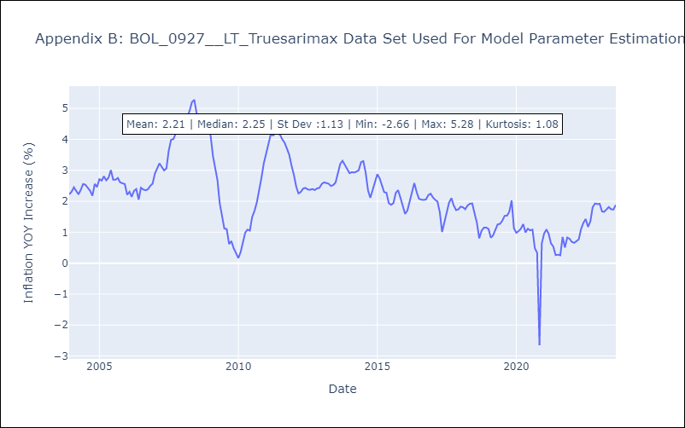

Appendix C: Residuals Analysis
Mean | -0.0
Variance | 0.18
White Noise? | No - Correlation at Lags [ 2 3 4 5 6 7 8 9 10 11 12]
Heteroskedastic? - ARCH | Yes
Normal? | No

