BOL_0927__LT_True
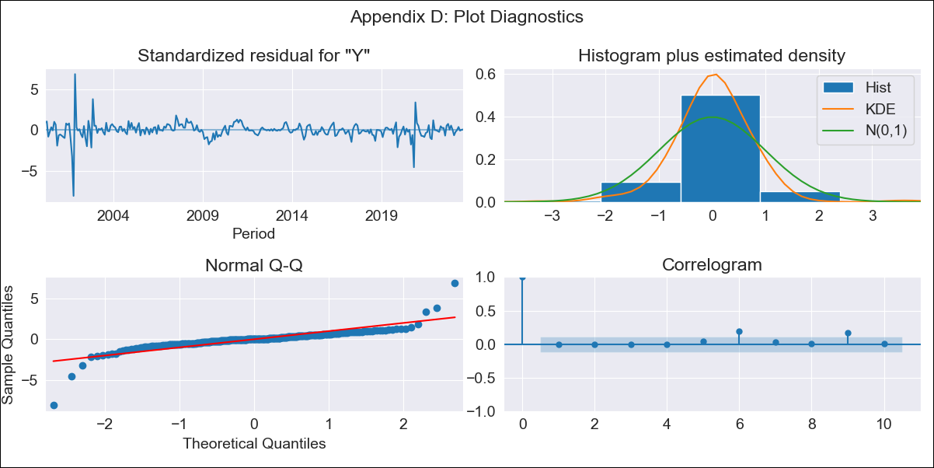

BOL_0927__LT_True - Inflation - Next 12 months forecast as of: 2023-08-01

Model | ARIMA - [(3, 0, 1), (0, 0, 1, 12)]
Training Data | 1999-01-01 to 2022-09-01
Test Data | 2022-09-01 to 2023-08-01

Date | Inflation Change YoY % | Lower Bound - 95% Confidence Interval | Upper Bound - 95% Confidence Interval
2023-09-01 | 2.82 | 1.25 | 4.87
2023-10-01 | 2.58 | 0.74 | 5.22
2023-11-01 | 2.63 | 0.56 | 5.77
2023-12-01 | 2.48 | 0.3 | 5.96
2024-01-01 | 2.52 | 0.18 | 6.39
2024-02-01 | 2.78 | 0.2 | 7.14
2024-03-01 | 2.83 | 0.13 | 7.55
2024-04-01 | 2.82 | 0.03 | 7.83
2024-05-01 | 2.69 | -0.11 | 7.89
2024-06-01 | 2.76 | -0.15 | 8.26
2024-07-01 | 2.77 | -0.21 | 8.51
2024-08-01 | 2.76 | -0.27 | 8.72

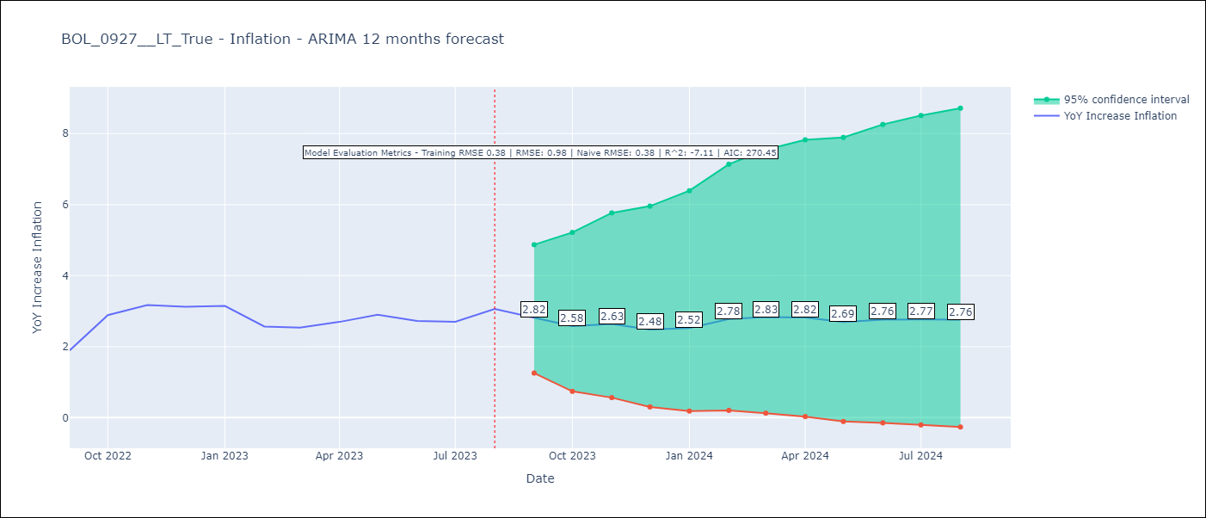

Test Metrics
RMSE | 0.98
Naive RMSE | 0.38
R^2 | -7.11

Test Predictions
Date | Predicted | Actual
2022-09-01 | 1.46 | 1.89
2022-10-01 | 1.83 | 2.89
2022-11-01 | 2.16 | 3.17
2022-12-01 | 1.72 | 3.12
2023-01-01 | 1.79 | 3.14
2023-02-01 | 1.84 | 2.57
2023-03-01 | 1.9 | 2.53
2023-04-01 | 1.98 | 2.7
2023-05-01 | 1.84 | 2.9
2023-06-01 | 1.81 | 2.73
2023-07-01 | 1.78 | 2.7
2023-08-01 | 2.03 | 3.06

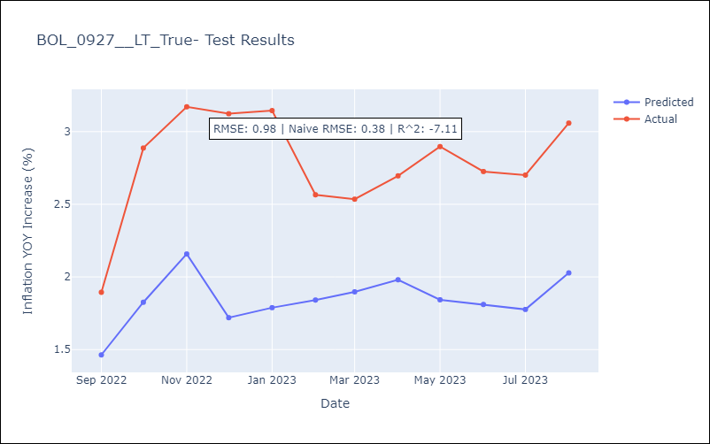

Appendix A: Model Summary
Model | ARIMA(3, 0, 1)x(0, 0, 1, 12)
Sample | 01-01-1999- 08-01-2023
No. of Observations | 296
Terms | P-value (Statistical significance)
const | 0.002
ar.L1 | 0.345
ar.L2 | 0.919
ar.L3 | 0.809
ma.L1 | 0.845
ma.S.L12 | 0.000
sigma2 | 0.000
Assumptions | P-value | Interpretation
Ljung-Box (L1) | 0.99 | Residuals are independent.
Heteroskedasticity | 0.00 | Residuals have different variances.
Jarque-Bera | 0.00 | Residuals are not normally distributed.
Skew | -0.93 | Negative skew - Model overestimates the mean.
Kurtosis | 26.82 | Residuals contain more extreme outliers than in a normal distribution.

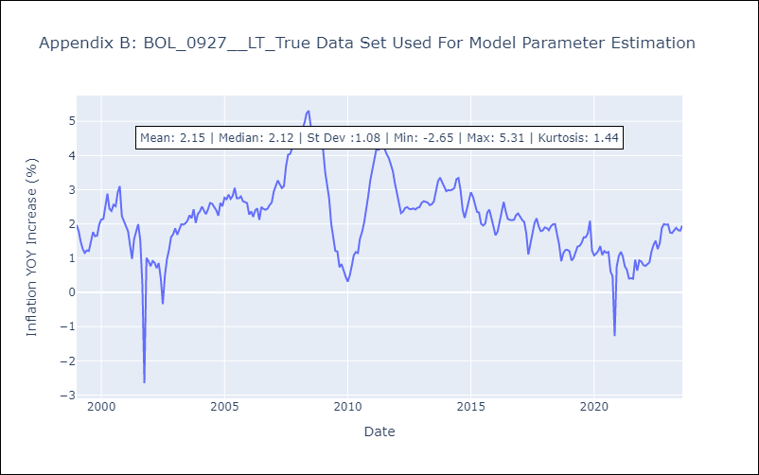

Appendix C: Residuals Analysis
Mean | -0.0
Variance | 0.14
White Noise? | No - Correlation at Lags [ 9 10 11]
Heteroskedastic? - ARCH | Yes
Normal? | No

