BOL_0927__LT_False99
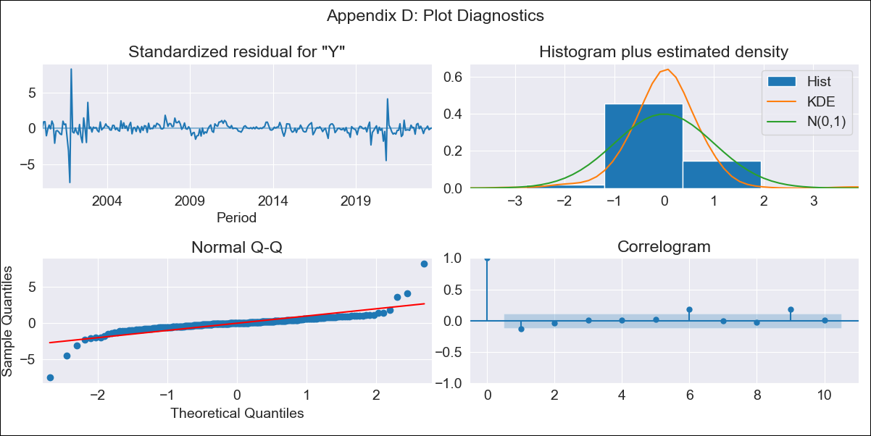

BOL_0927__LT_False99 - Inflation - Next 12 months forecast as of: 2023-08-01

Model | ARIMA - [(1, 0, 0), (0, 0, 1, 12)]
Training Data | 1999-01-01 to 2022-09-01
Test Data | 2022-09-01 to 2023-08-01

Date | Inflation Change YoY % | Lower Bound - 95% Confidence Interval | Upper Bound - 95% Confidence Interval
2023-09-01 | 2.9 | 1.3 | 5.01
2023-10-01 | 2.72 | 0.69 | 5.71
2023-11-01 | 2.77 | 0.42 | 6.5
2023-12-01 | 2.71 | 0.17 | 7
2024-01-01 | 2.77 | 0.04 | 7.61
2024-02-01 | 3.03 | 0.04 | 8.49
2024-03-01 | 3.1 | -0.04 | 9.02
2024-04-01 | 3.11 | -0.13 | 9.4
2024-05-01 | 3.03 | -0.24 | 9.57
2024-06-01 | 3.11 | -0.27 | 10
2024-07-01 | 3.14 | -0.31 | 10.31
2024-08-01 | 3.14 | -0.36 | 10.54

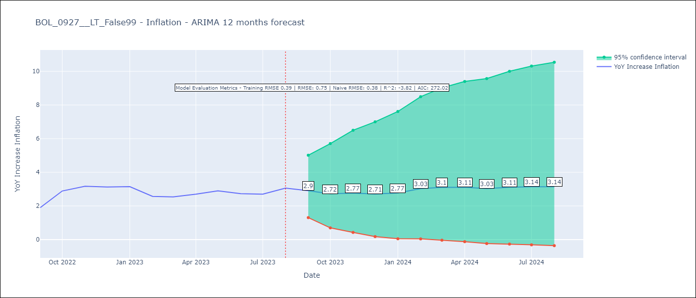

Test Metrics
RMSE | 0.75
Naive RMSE | 0.38
R^2 | -3.82

Test Predictions
Date | Predicted | Actual
2022-09-01 | 1.46 | 1.89
2022-10-01 | 1.82 | 2.89
2022-11-01 | 2.12 | 3.17
2022-12-01 | 1.86 | 3.12
2023-01-01 | 2 | 3.14
2023-02-01 | 2.11 | 2.57
2023-03-01 | 2.21 | 2.53
2023-04-01 | 2.34 | 2.7
2023-05-01 | 2.26 | 2.9
2023-06-01 | 2.27 | 2.73
2023-07-01 | 2.28 | 2.7
2023-08-01 | 2.56 | 3.06

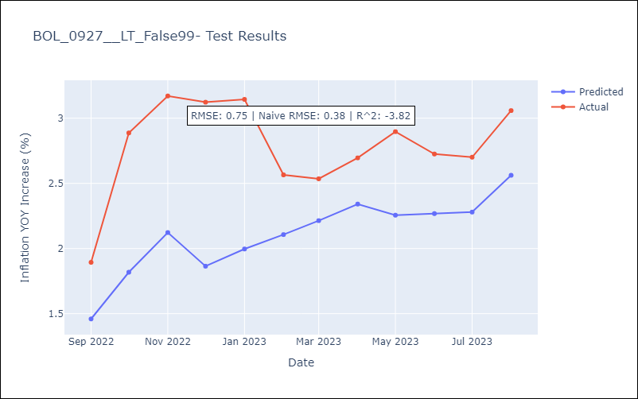

Appendix A: Model Summary
Model | ARIMA(1, 0, 0)x(0, 0, [1], 12)
Sample | 01-01-1999- 08-01-2023
No. of Observations | 296
Terms | P-value (Statistical significance)
const | 0.000
ar.L1 | 0.000
ma.S.L12 | 0.000
sigma2 | 0.000
Assumptions | P-value | Interpretation
Ljung-Box (L1) | 0.03 | Residuals are not independent.
Heteroskedasticity | 0.00 | Residuals have different variances.
Jarque-Bera | 0.00 | Residuals are not normally distributed.
Skew | 0.37 | Positive skew - model underestimates the mean.
Kurtosis | 31.30 | Residuals contain more extreme outliers than in a normal distribution.

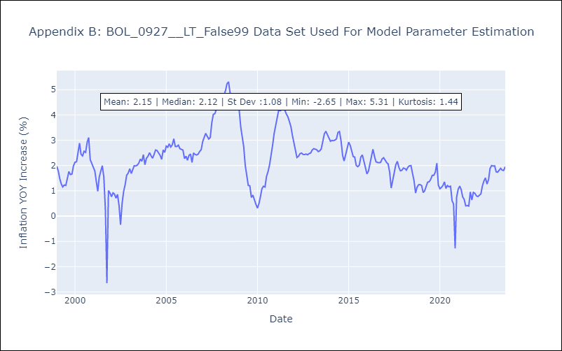

Appendix C: Residuals Analysis
Mean | -0.0
Variance | 0.15
White Noise? | No - Correlation at Lags [ 1 6 7 8 9 10 11 12]
Heteroskedastic? - ARCH | Yes
Normal? | No

