BOL_0927__LT_False_ne0wsarimax
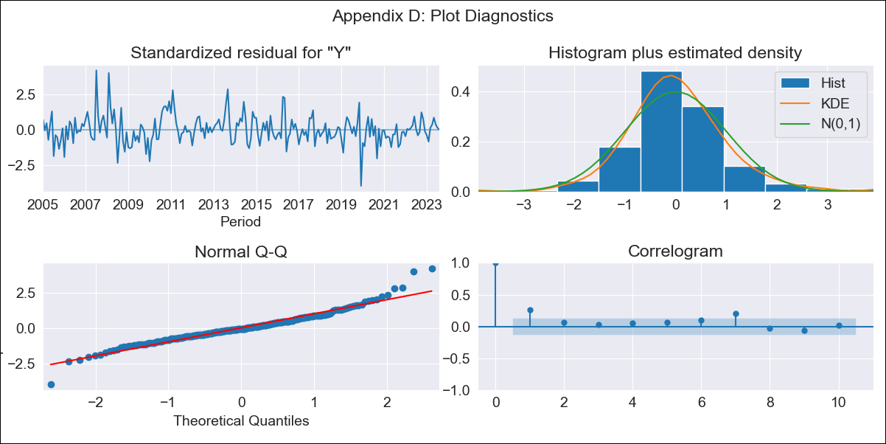

BOL_0927__LT_False_ne0wsarimax - Inflation - Next 12 months forecast as of: 2023-08-01

Model | SARIMAX - [(1, 0, 0), (0, 0, 1, 12)] | Exogenous Variables | Exchange rates (nominal), Monetary Policiy rate, M1 money supply ($mm local currency)
Training Data | 2003-12-01 to 2022-09-01
Test Data | 2022-09-01 to 2023-08-01

Date | Inflation Change YoY % | Lower Bound - 95% Confidence Interval | Upper Bound - 95% Confidence Interval
2023-09-01 | 3.3 | 2.39 | 4.21
2023-10-01 | 2.73 | 1.44 | 4.01
2023-11-01 | 2.35 | 0.78 | 3.92
2023-12-01 | 2.46 | 0.66 | 4.27
2024-01-01 | 2.56 | 0.55 | 4.57
2024-02-01 | 3.09 | 0.89 | 5.29
2024-03-01 | 3.07 | 0.7 | 5.44
2024-04-01 | 2.97 | 0.44 | 5.49
2024-05-01 | 2.58 | -0.09 | 5.25
2024-06-01 | 2.42 | -0.39 | 5.23
2024-07-01 | 2.31 | -0.63 | 5.25
2024-08-01 | 2.35 | -0.71 | 5.42

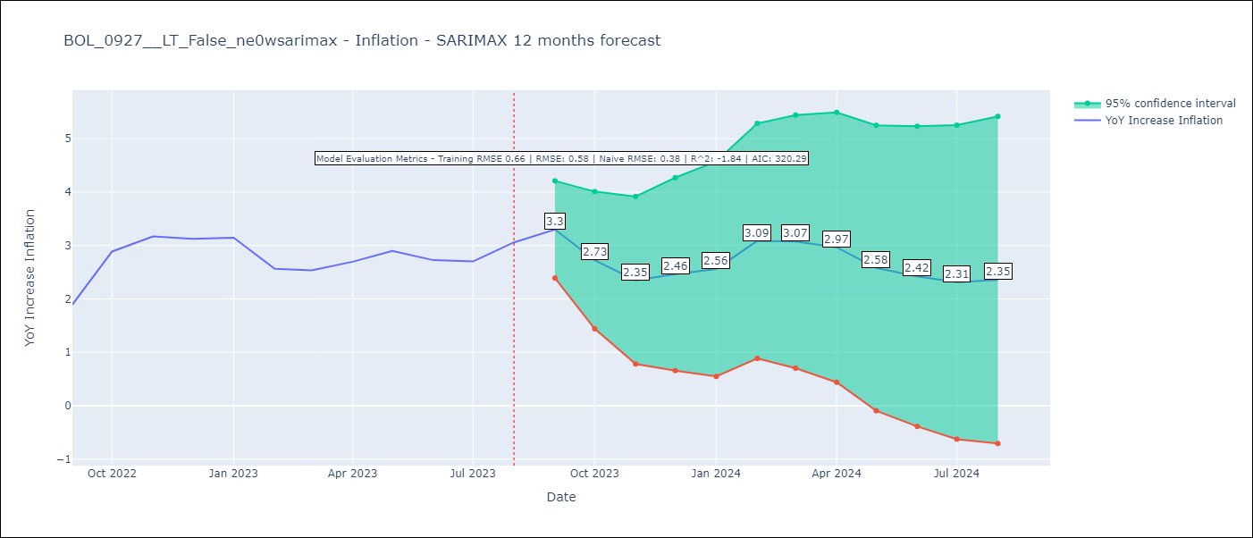

Test Metrics
RMSE | 0.58
Naive RMSE | 0.38
R^2 | -1.84

Test Predictions
Date | Predicted | Actual
2022-09-01 | 1.98 | 1.89
2022-10-01 | 2.37 | 2.89
2022-11-01 | 2.34 | 3.17
2022-12-01 | 2.35 | 3.12
2023-01-01 | 2.56 | 3.14
2023-02-01 | 2.85 | 2.57
2023-03-01 | 3.05 | 2.53
2023-04-01 | 2.82 | 2.7
2023-05-01 | 2.61 | 2.9
2023-06-01 | 2.08 | 2.73
2023-07-01 | 2.04 | 2.7
2023-08-01 | 2.15 | 3.06

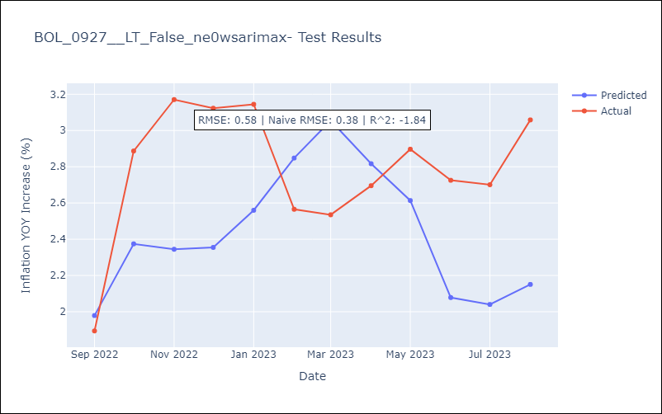

Appendix A: Model Summary
Model | SARIMAX(1, 0, 0)x(0, 0, [1], 12)
Sample | 12-01-2003- 08-01-2023
No. of Observations | 237
Terms | P-value (Statistical significance)
Exchange rates (nominal) | 0.000
Monetary Policiy rate | 0.019
M1 money supply ($mm local currency) | 0.048
ar.L1 | 0.000
ma.S.L12 | 0.992
sigma2 | 0.992
Assumptions | P-value | Interpretation
Ljung-Box (L1) | 0.00 | Residuals are not independent.
Heteroskedasticity | 0.00 | Residuals have different variances.
Jarque-Bera | 0.00 | Residuals are not normally distributed.
Skew | 0.52 | Positive skew - model underestimates the mean.
Kurtosis | 5.95 | Residuals contain more extreme outliers than in a normal distribution.

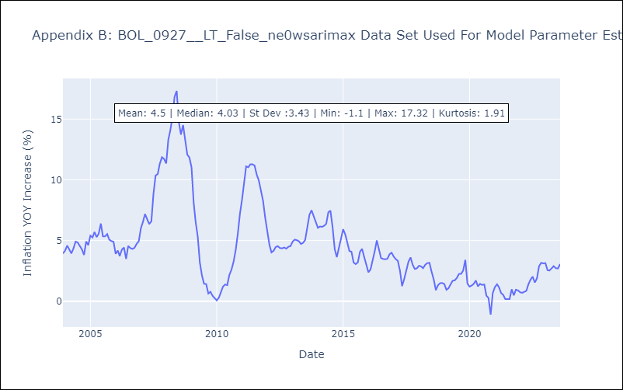

Appendix C: Residuals Analysis
Mean | 0.04
Variance | 0.42
White Noise? | No - Correlation at Lags [1]
Heteroskedastic? - ARCH | No
Normal? | No

