speshsarimax
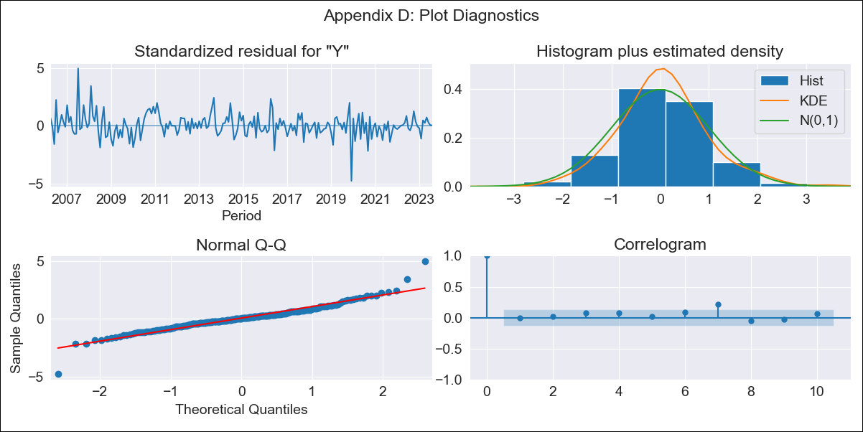

speshsarimax - Inflation - Next 12 months forecast as of: 2023-08-01

Model | SARIMAX - [(2, 0, 3), (0, 0, 2, 12)] | Exogenous Variables | Exchange rates (nominal), Monetary Policiy rate, M1 money supply ($mm local currency)
Training Data | 2003-12-01 to 2022-09-01
Test Data | 2022-09-01 to 2023-08-01

Date | Inflation Change YoY % | Lower Bound - 95% Confidence Interval | Upper Bound - 95% Confidence Interval
2023-09-01 | 3.25 | 2.37 | 4.12
2023-10-01 | 2.62 | 1.18 | 4.05
2023-11-01 | 2.22 | 0.38 | 4.07
2023-12-01 | 2.27 | 0.14 | 4.41
2024-01-01 | 2.33 | -0.07 | 4.73
2024-02-01 | 2.97 | 0.33 | 5.6
2024-03-01 | 2.94 | 0.1 | 5.79
2024-04-01 | 2.82 | -0.22 | 5.86
2024-05-01 | 2.42 | -0.8 | 5.64
2024-06-01 | 2.27 | -1.12 | 5.65
2024-07-01 | 2.16 | -1.39 | 5.7
2024-08-01 | 2.19 | -1.51 | 5.89

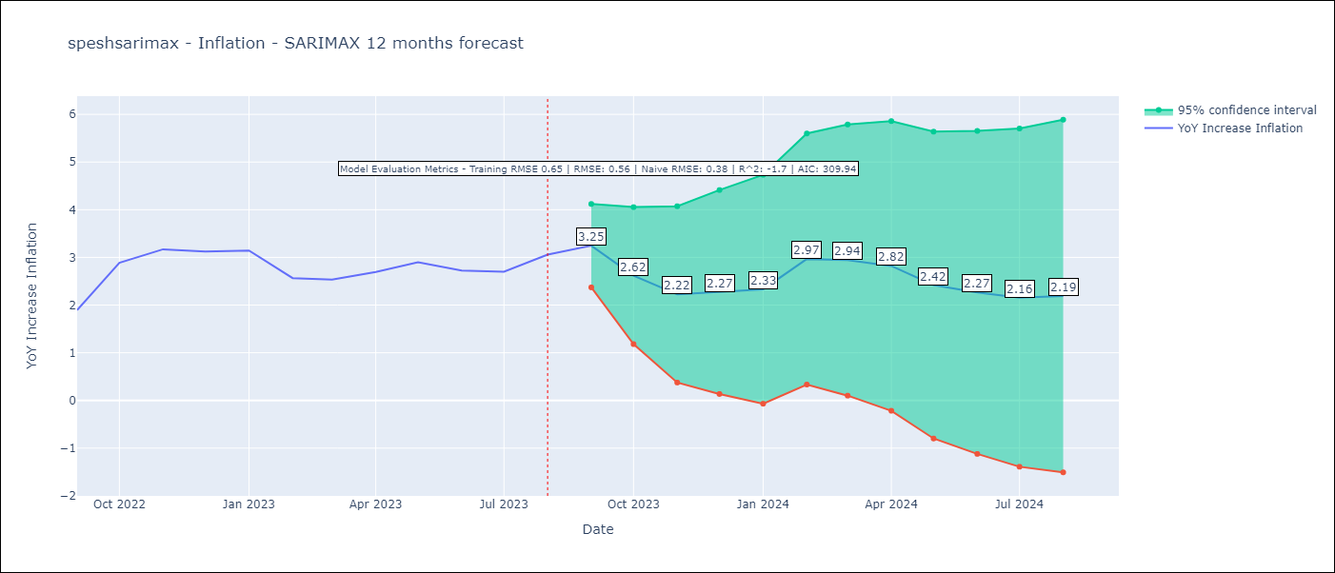

Test Metrics
RMSE | 0.56
Naive RMSE | 0.38
R^2 | -1.7

Test Predictions
Date | Predicted | Actual
2022-09-01 | 1.95 | 1.89
2022-10-01 | 2.33 | 2.89
2022-11-01 | 2.34 | 3.17
2022-12-01 | 2.37 | 3.12
2023-01-01 | 2.51 | 3.14
2023-02-01 | 2.79 | 2.57
2023-03-01 | 2.87 | 2.53
2023-04-01 | 2.73 | 2.7
2023-05-01 | 2.53 | 2.9
2023-06-01 | 2.09 | 2.73
2023-07-01 | 2.05 | 2.7
2023-08-01 | 2.21 | 3.06

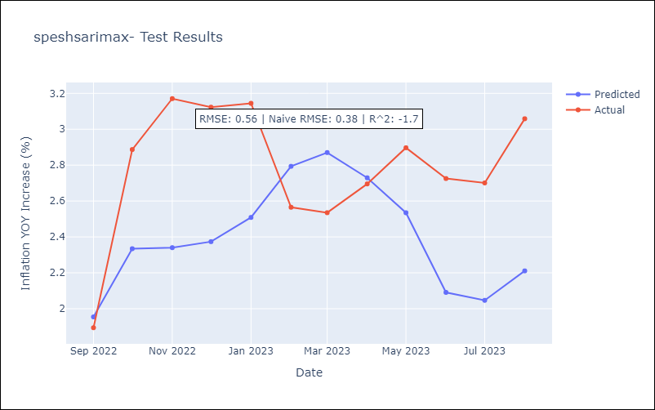

Appendix A: Model Summary
Model | SARIMAX(2, 0, 3)x(0, 0, [1, 2], 12)
Sample | 12-01-2003- 08-01-2023
No. of Observations | 237
Terms | P-value (Statistical significance)
Exchange rates (nominal) | 0.000
Monetary Policiy rate | 0.040
M1 money supply ($mm local currency) | 0.020
ar.L1 | 0.154
ar.L2 | 0.633
ma.L1 | 0.276
ma.L2 | 0.531
ma.L3 | 0.302
ma.S.L12 | 0.000
ma.S.L24 | 0.559
sigma2 | 0.001
Assumptions | P-value | Interpretation
Ljung-Box (L1) | 1.00 | Residuals are independent.
Heteroskedasticity | 0.02 | Residuals have different variances.
Jarque-Bera | 0.00 | Residuals are not normally distributed.
Skew | 0.28 | Positive skew - model underestimates the mean.
Kurtosis | 7.73 | Residuals contain more extreme outliers than in a normal distribution.

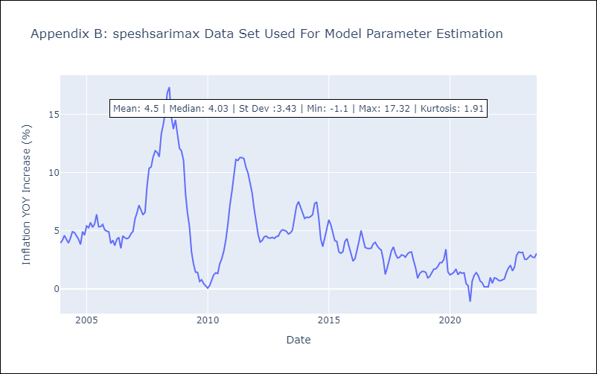

Appendix C: Residuals Analysis
Mean | 0.05
Variance | 0.4
White Noise? | Yes
Heteroskedastic? - ARCH | No
Normal? | No

