speshsarimax
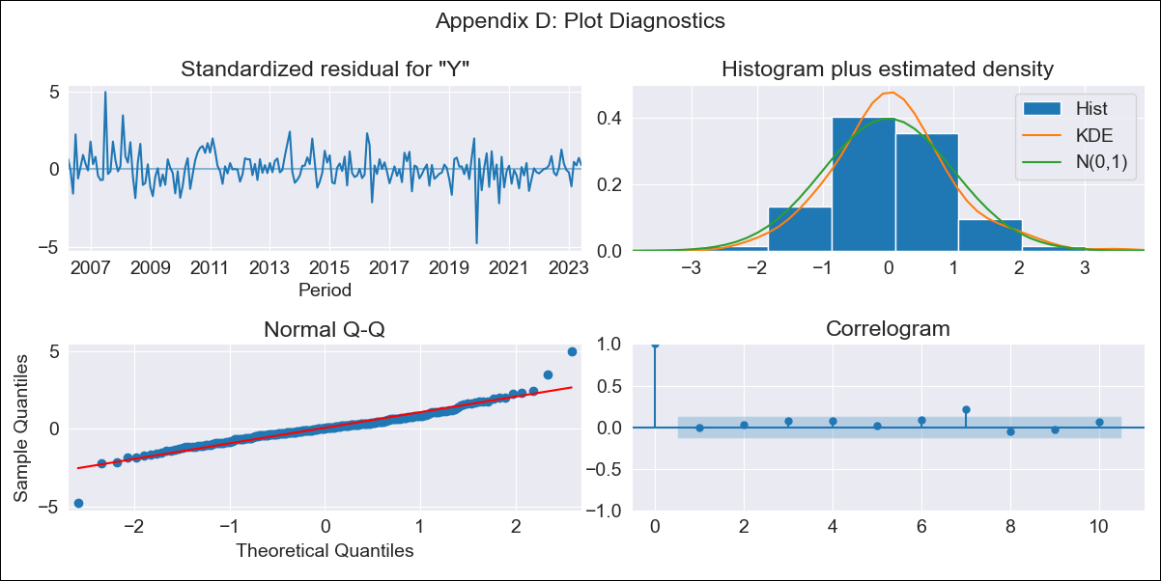

speshsarimax - Inflation - Next 12 months forecast as of: 2023-06-01

Model | SARIMAX - [(2, 0, 3), (0, 0, 2, 12)] | Exogenous Variables | Exchange rates (nominal), Monetary Policiy rate, M1 money supply ($mm local currency)
Training Data | 2003-12-01 to 2022-07-01
Test Data | 2022-07-01 to 2023-06-01

Date | Inflation Change YoY % | Lower Bound - 95% Confidence Interval | Upper Bound - 95% Confidence Interval
2023-07-01 | 3.19 | 2.31 | 4.07
2023-08-01 | 3.34 | 1.9 | 4.79
2023-09-01 | 3.17 | 1.31 | 5.03
2023-10-01 | 2.55 | 0.4 | 4.7
2023-11-01 | 2.16 | -0.25 | 4.58
2023-12-01 | 2.21 | -0.43 | 4.86
2024-01-01 | 2.27 | -0.59 | 5.13
2024-02-01 | 2.9 | -0.16 | 5.96
2024-03-01 | 2.88 | -0.36 | 6.12
2024-04-01 | 2.76 | -0.65 | 6.17
2024-05-01 | 2.36 | -1.21 | 5.93
2024-06-01 | 2.21 | -1.51 | 5.93

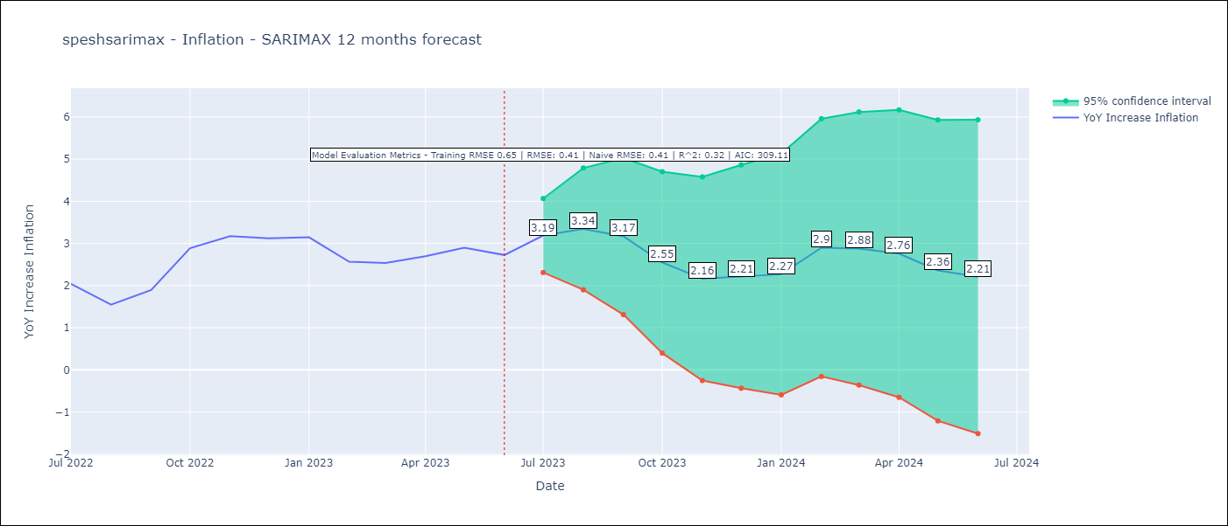

Test Metrics
RMSE | 0.41
Naive RMSE | 0.41
R^2 | 0.32

Test Predictions
Date | Predicted | Actual
2022-07-01 | 2.26 | 2.04
2022-08-01 | 2.06 | 1.55
2022-09-01 | 2.29 | 1.89
2022-10-01 | 2.7 | 2.89
2022-11-01 | 2.71 | 3.17
2022-12-01 | 2.74 | 3.12
2023-01-01 | 2.87 | 3.14
2023-02-01 | 3.16 | 2.57
2023-03-01 | 3.24 | 2.53
2023-04-01 | 3.12 | 2.7
2023-05-01 | 2.94 | 2.9
2023-06-01 | 2.49 | 2.73

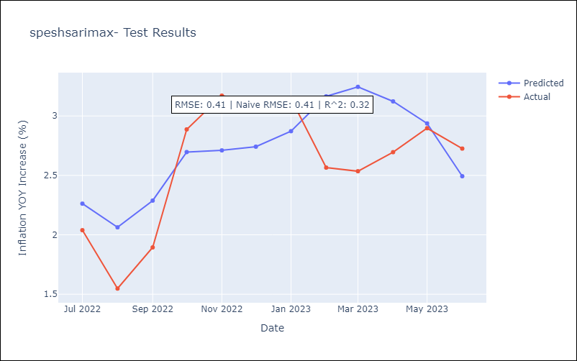

Appendix A: Model Summary
Model | SARIMAX(2, 0, 3)x(0, 0, [1, 2], 12)
Sample | 12-01-2003- 06-01-2023
No. of Observations | 235
Terms | P-value (Statistical significance)
Exchange rates (nominal) | 0.000
Monetary Policiy rate | 0.041
M1 money supply ($mm local currency) | 0.025
ar.L1 | 0.173
ar.L2 | 0.672
ma.L1 | 0.315
ma.L2 | 0.577
ma.L3 | 0.321
ma.S.L12 | 0.000
ma.S.L24 | 0.509
sigma2 | 0.000
Assumptions | P-value | Interpretation
Ljung-Box (L1) | 0.97 | Residuals are independent.
Heteroskedasticity | 0.03 | Residuals have different variances.
Jarque-Bera | 0.00 | Residuals are not normally distributed.
Skew | 0.28 | Positive skew - model underestimates the mean.
Kurtosis | 7.70 | Residuals contain more extreme outliers than in a normal distribution.

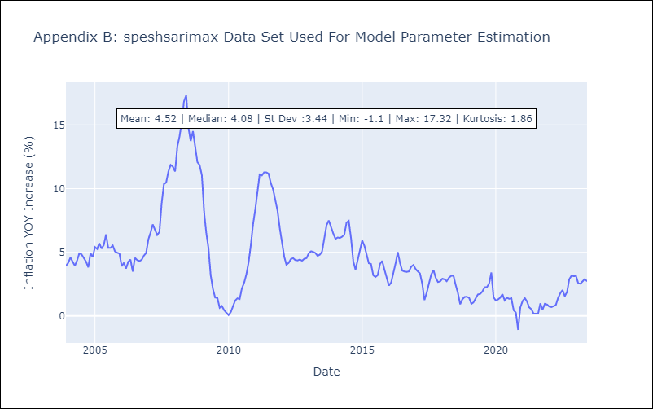

Appendix C: Residuals Analysis
Mean | 0.05
Variance | 0.4
White Noise? | Yes
Heteroskedastic? - ARCH | No
Normal? | No

