speshsarimax
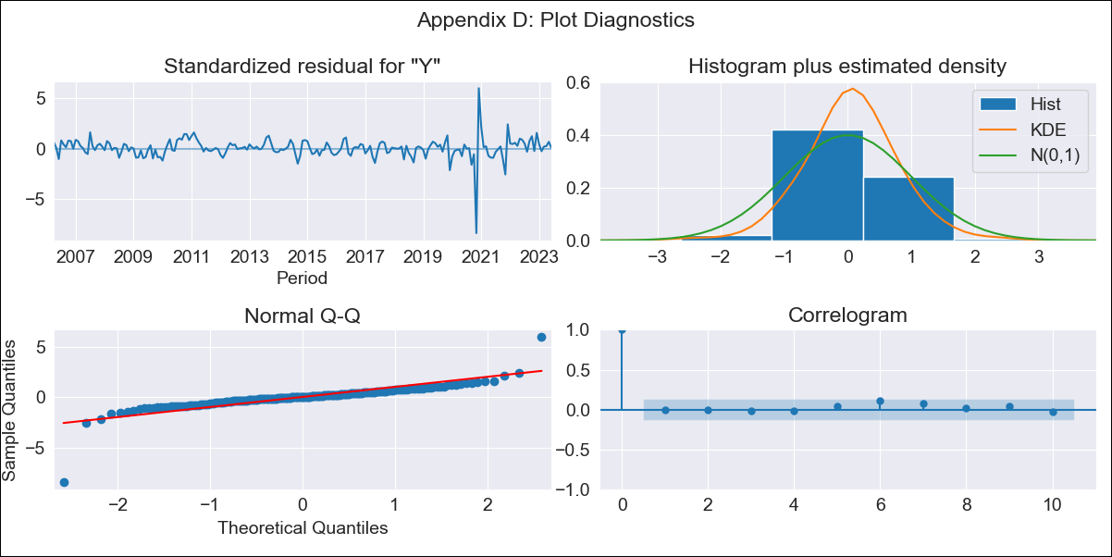

speshsarimax - Inflation - Next 12 months forecast as of: 2023-06-01

Model | SARIMAX - [(2, 0, 3), (0, 0, 2, 12)] | Exogenous Variables | Exchange rates (nominal), Monetary Policiy rate, M1 money supply ($mm local currency)
Training Data | 2003-12-01 to 2022-07-01
Test Data | 2022-07-01 to 2023-06-01

Date | Inflation Change YoY % | Lower Bound - 95% Confidence Interval | Upper Bound - 95% Confidence Interval
2023-07-01 | 3.02 | 1.57 | 4.86
2023-08-01 | 3.11 | 1.35 | 5.49
2023-09-01 | 2.59 | 0.78 | 5.22
2023-10-01 | 2.32 | 0.48 | 5.13
2023-11-01 | 2.49 | 0.47 | 5.66
2023-12-01 | 2.12 | 0.15 | 5.35
2024-01-01 | 2.04 | 0.03 | 5.48
2024-02-01 | 2.31 | 0.09 | 6.14
2024-03-01 | 2.34 | 0.04 | 6.42
2024-04-01 | 2.35 | -0.02 | 6.66
2024-05-01 | 2.18 | -0.17 | 6.58
2024-06-01 | 2.21 | -0.21 | 6.84

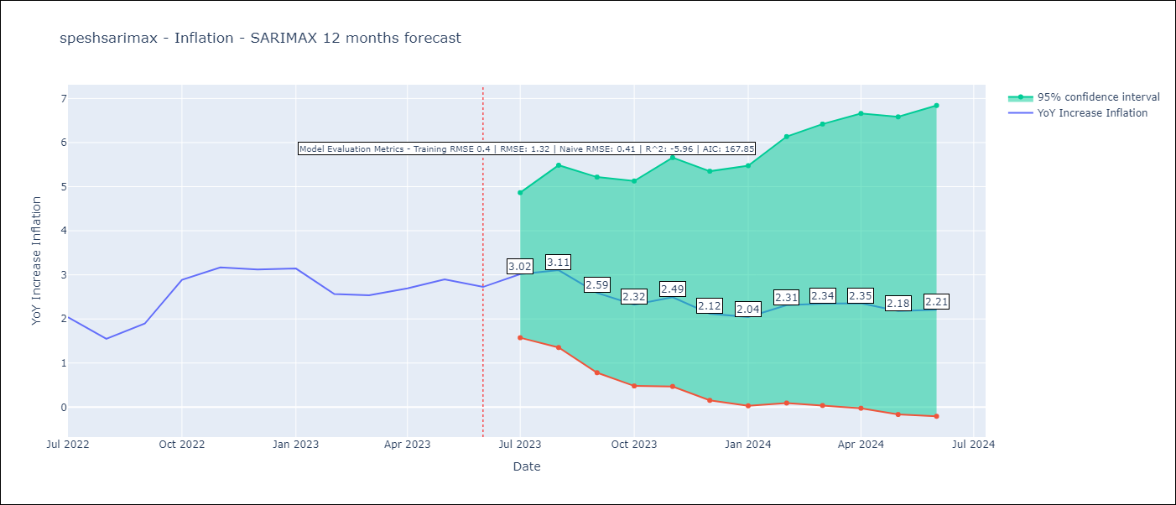

Test Metrics
RMSE | 1.32
Naive RMSE | 0.41
R^2 | -5.96

Test Predictions
Date | Predicted | Actual
2022-07-01 | 1.78 | 2.04
2022-08-01 | 1.65 | 1.55
2022-09-01 | 1.29 | 1.89
2022-10-01 | 1.55 | 2.89
2022-11-01 | 2.39 | 3.17
2022-12-01 | 1.24 | 3.12
2023-01-01 | 1.22 | 3.14
2023-02-01 | 1.33 | 2.57
2023-03-01 | 1.37 | 2.53
2023-04-01 | 1.35 | 2.7
2023-05-01 | 1.13 | 2.9
2023-06-01 | 0.97 | 2.73

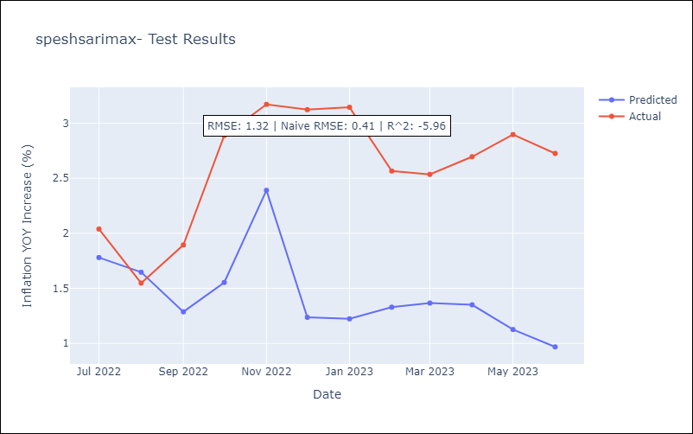

Appendix A: Model Summary
Model | SARIMAX(2, 0, 3)x(0, 0, [1, 2], 12)
Sample | 12-01-2003- 06-01-2023
No. of Observations | 235
Terms | P-value (Statistical significance)
Exchange rates (nominal) | 0.080
Monetary Policiy rate | 0.183
M1 money supply ($mm local currency) | 0.188
ar.L1 | 0.531
ar.L2 | 0.951
ma.L1 | 0.902
ma.L2 | 0.960
ma.L3 | 0.609
ma.S.L12 | 0.000
ma.S.L24 | 0.778
sigma2 | 0.000
Assumptions | P-value | Interpretation
Ljung-Box (L1) | 0.96 | Residuals are independent.
Heteroskedasticity | 0.00 | Residuals have different variances.
Jarque-Bera | 0.00 | Residuals are not normally distributed.
Skew | -1.91 | Negative skew - Model overestimates the mean.
Kurtosis | 31.72 | Residuals contain more extreme outliers than in a normal distribution.

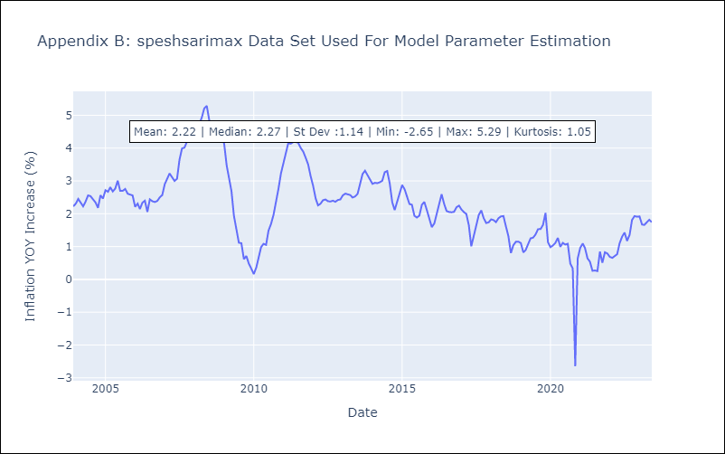

Appendix C: Residuals Analysis
Mean | 0.02
Variance | 0.15
White Noise? | Yes
Heteroskedastic? - ARCH | Yes
Normal? | No

