brand_newsarimax
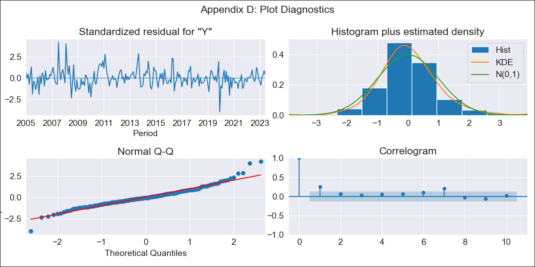

brand_newsarimax - Inflation - Next 12 months forecast as of: 2023-06-01

Model | SARIMAX - [(1, 0, 0), (0, 0, 1, 12)] | Exogenous Variables | Exchange rates (nominal), Monetary Policiy rate, M1 money supply ($mm local currency)
Training Data | 2003-12-01 to 2022-07-01
Test Data | 2022-07-01 to 2023-06-01

Date | Inflation Change YoY % | Lower Bound - 95% Confidence Interval | Upper Bound - 95% Confidence Interval
2023-07-01 | 3.26 | 2.34 | 4.17
2023-08-01 | 3.38 | 2.09 | 4.67
2023-09-01 | 3.2 | 1.63 | 4.78
2023-10-01 | 2.63 | 0.82 | 4.45
2023-11-01 | 2.26 | 0.23 | 4.28
2023-12-01 | 2.37 | 0.16 | 4.58
2024-01-01 | 2.47 | 0.09 | 4.85
2024-02-01 | 2.99 | 0.46 | 5.53
2024-03-01 | 2.98 | 0.3 | 5.67
2024-04-01 | 2.88 | 0.05 | 5.7
2024-05-01 | 2.49 | -0.46 | 5.44
2024-06-01 | 2.33 | -0.74 | 5.41

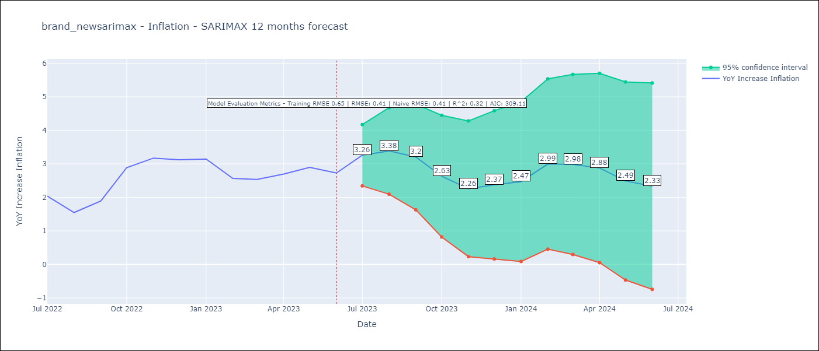

Test Metrics
RMSE | 0.41
Naive RMSE | 0.41
R^2 | 0.32

Test Predictions
Date | Predicted | Actual
2022-07-01 | 2.16 | 2.04
2022-08-01 | 1.99 | 1.55
2022-09-01 | 2.2 | 1.89
2022-10-01 | 2.61 | 2.89
2022-11-01 | 2.59 | 3.17
2022-12-01 | 2.62 | 3.12
2023-01-01 | 2.76 | 3.14
2023-02-01 | 3.05 | 2.57
2023-03-01 | 3.2 | 2.53
2023-04-01 | 2.97 | 2.7
2023-05-01 | 2.76 | 2.9
2023-06-01 | 2.29 | 2.73

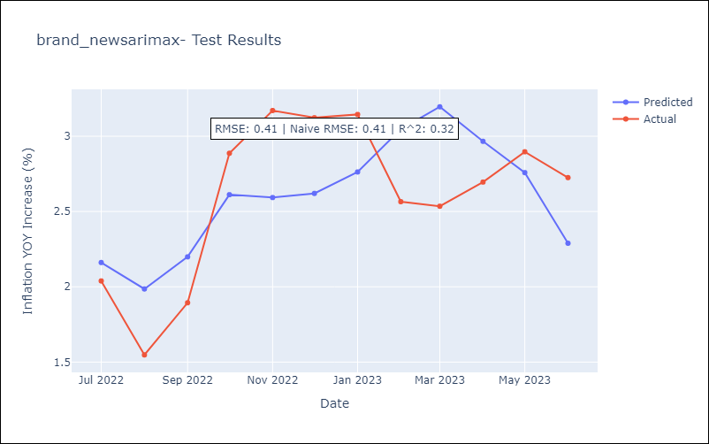

Appendix A: Model Summary
Model | SARIMAX(1, 0, 0)x(0, 0, [1], 12)
Sample | 12-01-2003- 06-01-2023
No. of Observations | 235
Terms | P-value (Statistical significance)
Exchange rates (nominal) | 0.000
Monetary Policiy rate | 0.021
M1 money supply ($mm local currency) | 0.050
ar.L1 | 0.000
ma.S.L12 | 0.987
sigma2 | 0.987
Assumptions | P-value | Interpretation
Ljung-Box (L1) | 0.00 | Residuals are not independent.
Heteroskedasticity | 0.00 | Residuals have different variances.
Jarque-Bera | 0.00 | Residuals are not normally distributed.
Skew | 0.52 | Positive skew - model underestimates the mean.
Kurtosis | 5.89 | Residuals contain more extreme outliers than in a normal distribution.

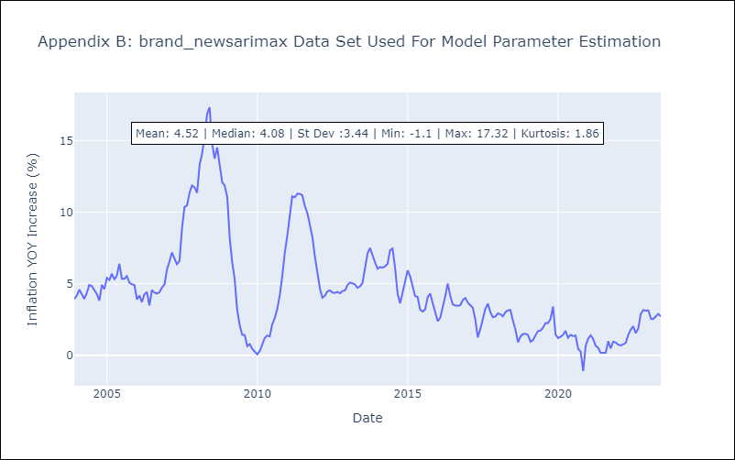

Appendix C: Residuals Analysis
Mean | 0.04
Variance | 0.42
White Noise? | No - Correlation at Lags [1]
Heteroskedastic? - ARCH | No
Normal? | No

