speshsarimax
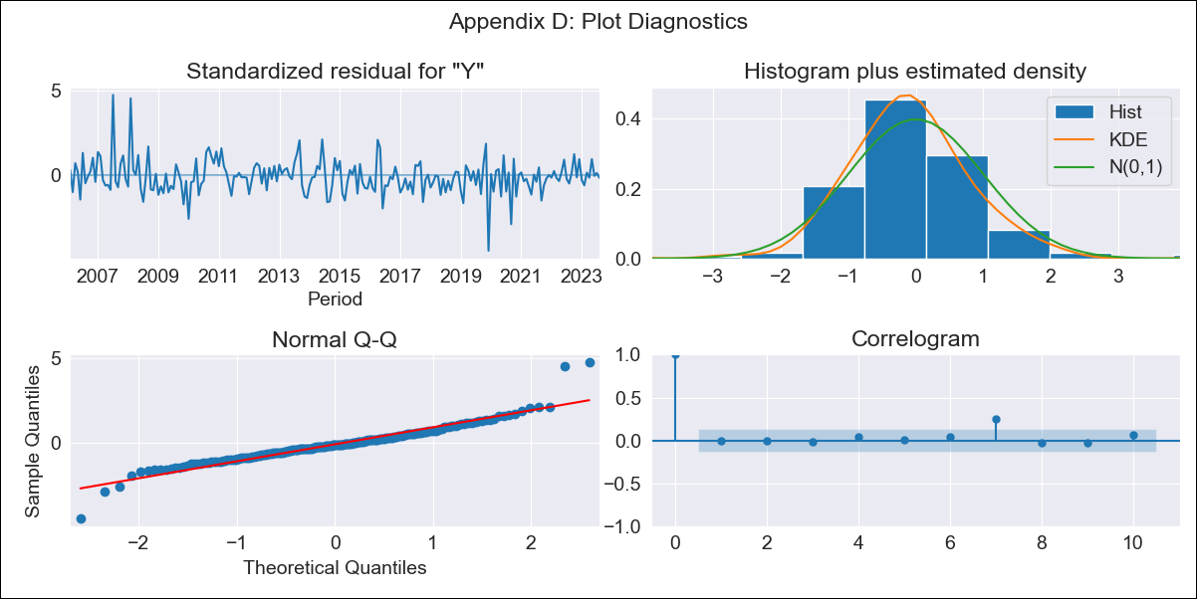

speshsarimax - Inflation - Next 12 months forecast as of: 2023-08-01

Model | SARIMAX - [(1, 1, 2), (2, 0, 1, 12)] | Exogenous Variables | Exchange rates (nominal), Monetary Policiy rate, M1 money supply ($mm local currency)
Training Data | 2003-12-01 to 2022-09-01
Test Data | 2022-09-01 to 2023-08-01

Date | Inflation Change YoY % | Lower Bound - 95% Confidence Interval | Upper Bound - 95% Confidence Interval
2023-09-01 | 3.05 | 2.15 | 3.95
2023-10-01 | 2.5 | 1.08 | 3.92
2023-11-01 | 2.18 | 0.35 | 4.01
2023-12-01 | 1.99 | -0.17 | 4.16
2024-01-01 | 1.99 | -0.46 | 4.44
2024-02-01 | 2.36 | -0.34 | 5.07
2024-03-01 | 2.35 | -0.59 | 5.29
2024-04-01 | 2.36 | -0.8 | 5.51
2024-05-01 | 1.85 | -1.51 | 5.21
2024-06-01 | 1.76 | -1.79 | 5.32
2024-07-01 | 1.62 | -2.11 | 5.36
2024-08-01 | 1.77 | -2.14 | 5.68

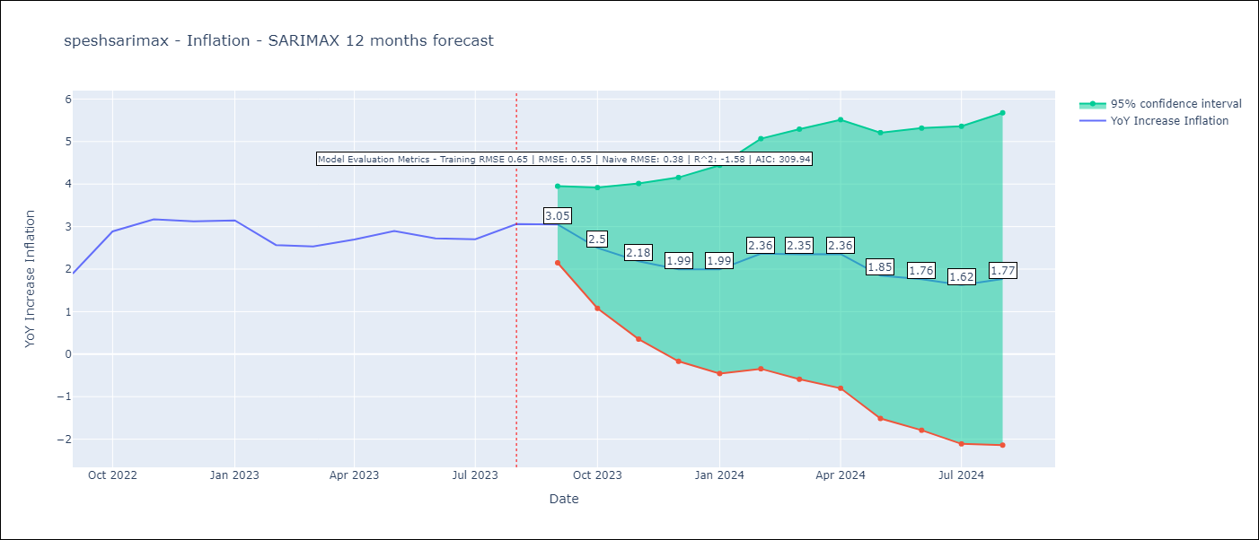

Test Metrics
RMSE | 0.55
Naive RMSE | 0.38
R^2 | -1.58

Test Predictions
Date | Predicted | Actual
2022-09-01 | 1.96 | 1.89
2022-10-01 | 2.34 | 2.89
2022-11-01 | 2.35 | 3.17
2022-12-01 | 2.38 | 3.12
2023-01-01 | 2.51 | 3.14
2023-02-01 | 2.8 | 2.57
2023-03-01 | 2.88 | 2.53
2023-04-01 | 2.75 | 2.7
2023-05-01 | 2.57 | 2.9
2023-06-01 | 2.12 | 2.73
2023-07-01 | 2.07 | 2.7
2023-08-01 | 2.24 | 3.06

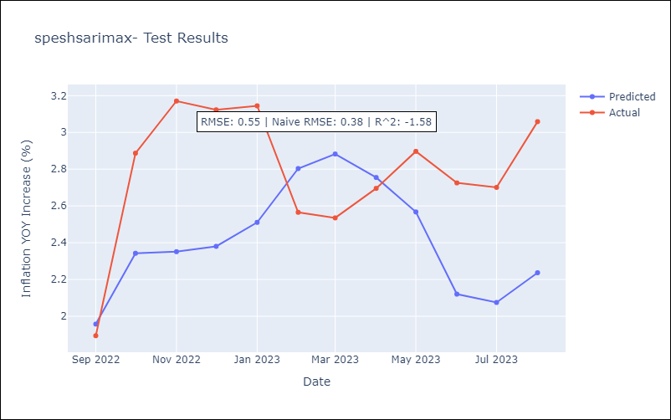

Appendix A: Model Summary
Model | SARIMAX(1, 1, 2)x(2, 0, [1], 12)
Sample | 12-01-2003- 08-01-2023
No. of Observations | 237
Terms | P-value (Statistical significance)
Exchange rates (nominal) | 0.000
Monetary Policiy rate | 0.118
M1 money supply ($mm local currency) | 0.008
ar.L1 | 0.880
ma.L1 | 0.474
ma.L2 | 0.507
ar.S.L12 | 0.001
ar.S.L24 | 0.000
ma.S.L12 | 0.000
sigma2 | 0.000
Assumptions | P-value | Interpretation
Ljung-Box (L1) | 0.92 | Residuals are independent.
Heteroskedasticity | 0.04 | Residuals have different variances.
Jarque-Bera | 0.00 | Residuals are not normally distributed.
Skew | 0.60 | Positive skew - model underestimates the mean.
Kurtosis | 8.08 | Residuals contain more extreme outliers than in a normal distribution.

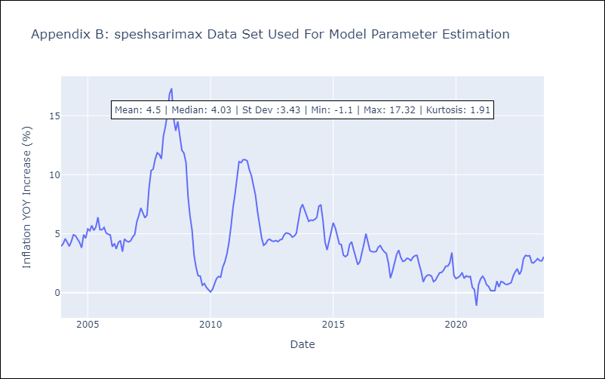

Appendix C: Residuals Analysis
Mean | -0.01
Variance | 0.4
White Noise? | Yes
Heteroskedastic? - ARCH | Yes
Normal? | No

