speshsarimax
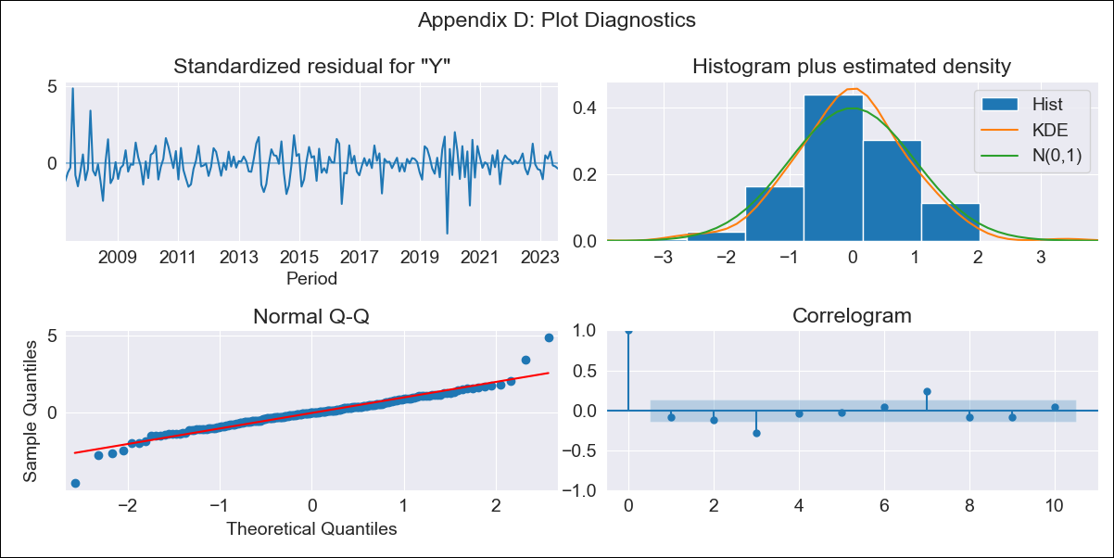

speshsarimax - Inflation - Next 12 months forecast as of: 2023-08-01

Model | SARIMAX - [(2, 2, 0), (3, 0, 2, 12)] | Exogenous Variables | Exchange rates (nominal), Monetary Policiy rate, M1 money supply ($mm local currency)
Training Data | 2003-12-01 to 2022-09-01
Test Data | 2022-09-01 to 2023-08-01

Date | Inflation Change YoY % | Lower Bound - 95% Confidence Interval | Upper Bound - 95% Confidence Interval
2023-09-01 | 3.17 | 2.18 | 4.17
2023-10-01 | 2.66 | 0.81 | 4.51
2023-11-01 | 2.51 | -0.23 | 5.25
2023-12-01 | 2.26 | -1.54 | 6.07
2024-01-01 | 2.22 | -2.77 | 7.22
2024-02-01 | 2.74 | -3.53 | 9.01
2024-03-01 | 2.78 | -4.86 | 10.42
2024-04-01 | 2.76 | -6.34 | 11.87
2024-05-01 | 2.37 | -8.28 | 13.02
2024-06-01 | 2.3 | -9.97 | 14.57
2024-07-01 | 2.19 | -11.78 | 16.16
2024-08-01 | 2.25 | -13.49 | 17.99

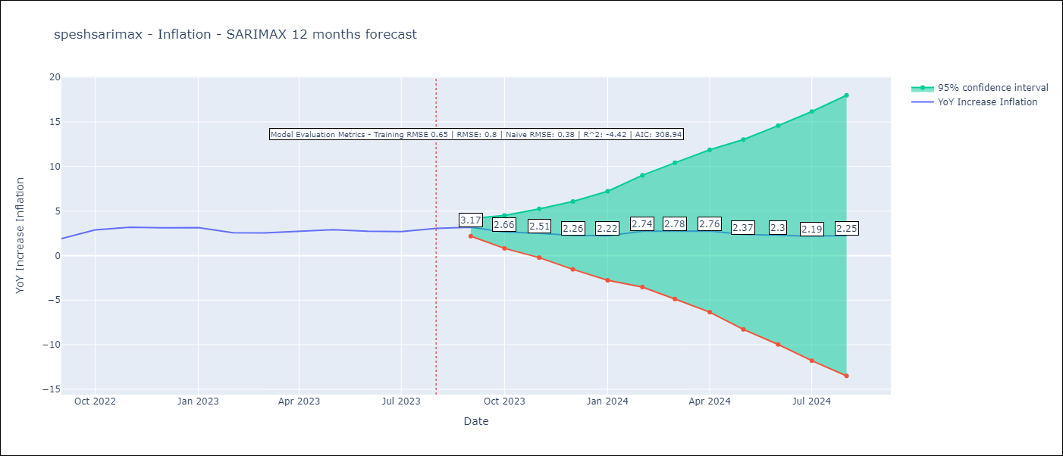

Test Metrics
RMSE | 0.8
Naive RMSE | 0.38
R^2 | -4.42

Test Predictions
Date | Predicted | Actual
2022-09-01 | 2 | 1.89
2022-10-01 | 2.38 | 2.89
2022-11-01 | 2.33 | 3.17
2022-12-01 | 2.31 | 3.12
2023-01-01 | 2.28 | 3.14
2023-02-01 | 2.37 | 2.57
2023-03-01 | 2.34 | 2.53
2023-04-01 | 2.25 | 2.7
2023-05-01 | 2.08 | 2.9
2023-06-01 | 1.64 | 2.73
2023-07-01 | 1.52 | 2.7
2023-08-01 | 1.74 | 3.06

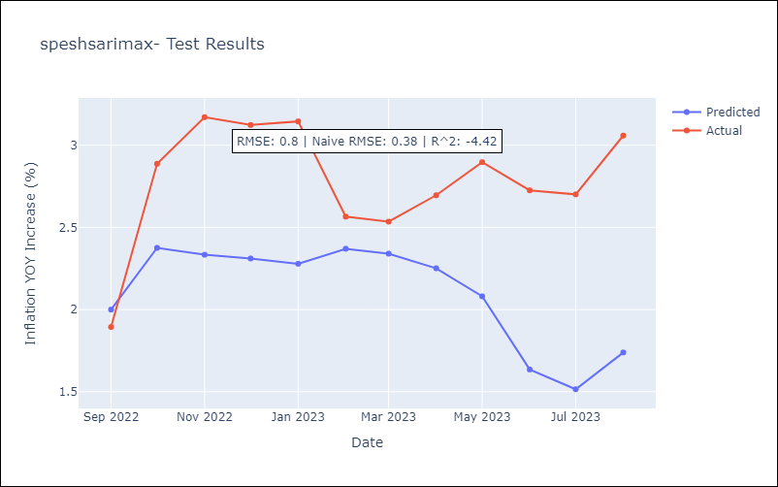

Appendix A: Model Summary
Model | SARIMAX(2, 2, 0)x(3, 0, [1, 2], 12)
Sample | 12-01-2003- 08-01-2023
No. of Observations | 237
Terms | P-value (Statistical significance)
Exchange rates (nominal) | 0.083
Monetary Policiy rate | 0.224
M1 money supply ($mm local currency) | 0.313
ar.L1 | 0.000
ar.L2 | 0.000
ar.S.L12 | 0.000
ar.S.L24 | 0.014
ar.S.L36 | 0.046
ma.S.L12 | 0.191
ma.S.L24 | 0.027
sigma2 | 0.000
Assumptions | P-value | Interpretation
Ljung-Box (L1) | 0.24 | Residuals are independent.
Heteroskedasticity | 0.25 | Residuals have the same variance.
Jarque-Bera | 0.00 | Residuals are not normally distributed.
Skew | 0.12 | Positive skew - model underestimates the mean.
Kurtosis | 7.32 | Residuals contain more extreme outliers than in a normal distribution.

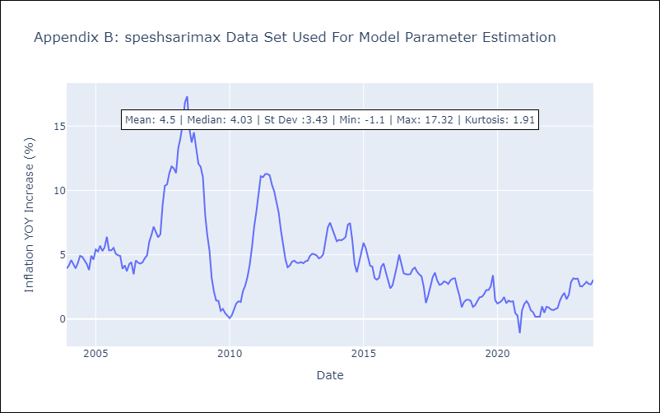

Appendix C: Residuals Analysis
Mean | -0.01
Variance | 0.43
White Noise? | No - Correlation at Lags [ 1 2 3 4 5 6 7 8 9 10 11 12]
Heteroskedastic? - ARCH | No
Normal? | No

