CRIraw
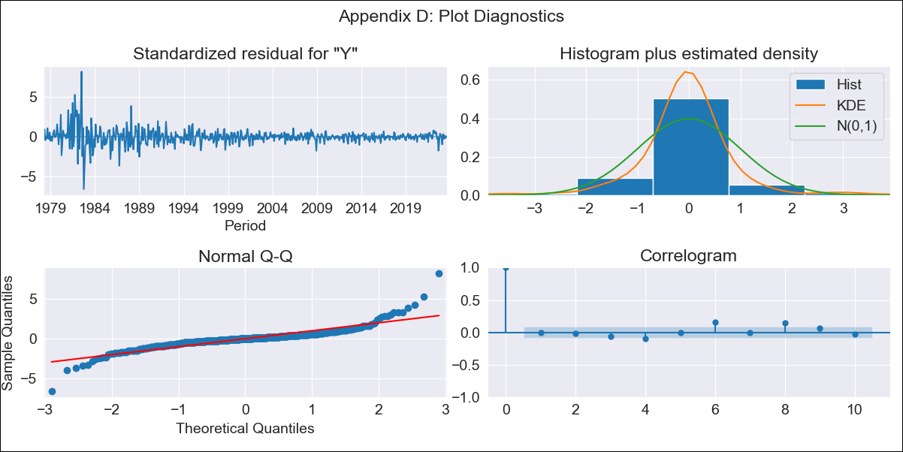
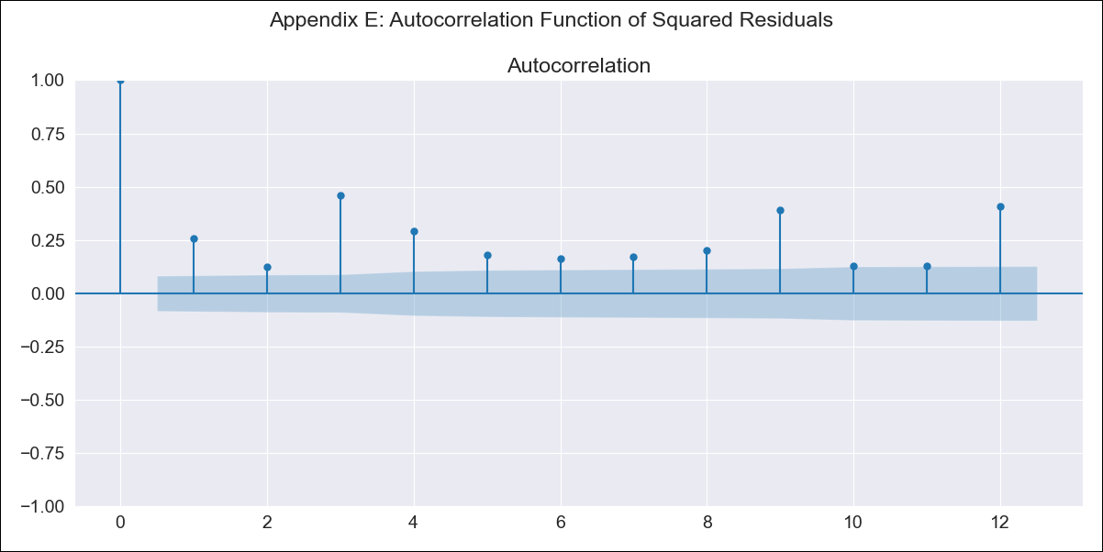
CRIraw - Inflation - Next 12 months forecast as of: 2023-08-01

Model | ARIMA - [(3, 1, 1), (0, 0, 1, 12)]
Training Data | 1977-01-01 to 2022-09-01
Test Data | 2022-09-01 to 2023-08-01

Date | Inflation Change YoY % | Lower Bound - 95% Confidence Interval | Upper Bound - 95% Confidence Interval
2023-09-01 | -2.53 | -4.74 | -0.32
2023-10-01 | -1.89 | -5.85 | 2.06
2023-11-01 | -1.87 | -7.67 | 3.92
2023-12-01 | -1.79 | -9.56 | 5.98
2024-01-01 | -1.68 | -11.41 | 8.04
2024-02-01 | -0.7 | -12.38 | 10.98
2024-03-01 | -0.48 | -14.08 | 13.12
2024-04-01 | 0.11 | -15.37 | 15.58
2024-05-01 | 0.39 | -16.91 | 17.7
2024-06-01 | 0.83 | -18.26 | 19.91
2024-07-01 | 1.22 | -19.58 | 22.03
2024-08-01 | 1.47 | -21 | 23.94

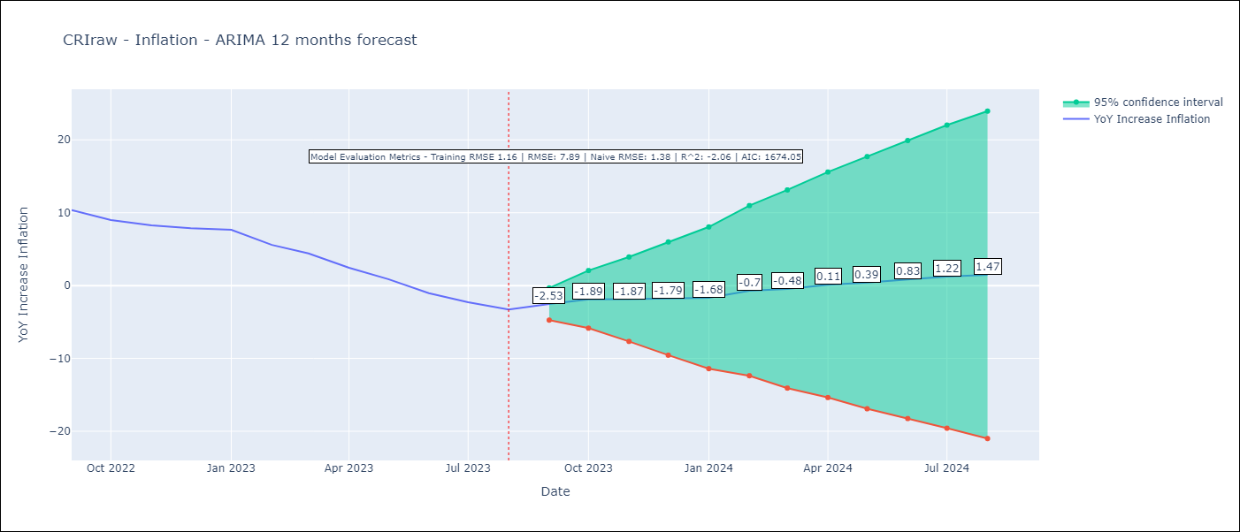

Test Metrics
RMSE | 7.89
Naive RMSE | 1.38
R^2 | -2.06

Test Predictions
Date | Predicted | Actual
2022-09-01 | 12.36 | 10.37
2022-10-01 | 12.62 | 8.99
2022-11-01 | 12.65 | 8.26
2022-12-01 | 12.99 | 7.88
2023-01-01 | 13.41 | 7.65
2023-02-01 | 12.95 | 5.58
2023-03-01 | 12.42 | 4.42
2023-04-01 | 11.46 | 2.44
2023-05-01 | 10.5 | 0.88
2023-06-01 | 9.31 | -1.04
2023-07-01 | 8.72 | -2.29
2023-08-01 | 8.18 | -3.28

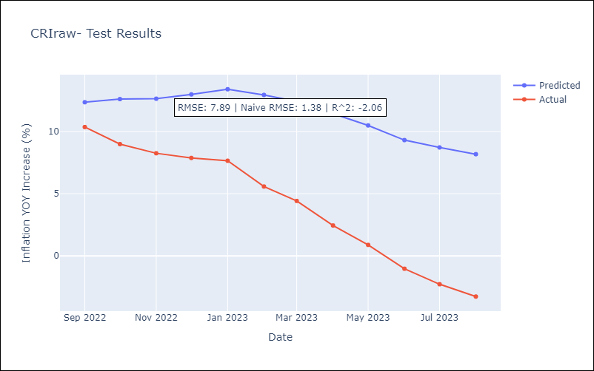

Appendix A: Model Summary
Model | ARIMA(3, 1, 1)x(0, 0, 1, 12)
Sample | 01-01-1977- 08-01-2023
No. of Observations | 560
Terms | P-value (Statistical significance)
ar.L1 | 0.517
ar.L2 | 0.000
ar.L3 | 0.000
ma.L1 | 0.010
ma.S.L12 | 0.000
sigma2 | 0.000
Assumptions | P-value | Interpretation
Ljung-Box (L1) | 1.00 | Residuals are independent.
Heteroskedasticity | 0.00 | Residuals have different variances.
Jarque-Bera | 0.00 | Residuals are not normally distributed.
Skew | 0.88 | Positive skew - model underestimates the mean.
Kurtosis | 17.63 | Residuals contain more extreme outliers than in a normal distribution.

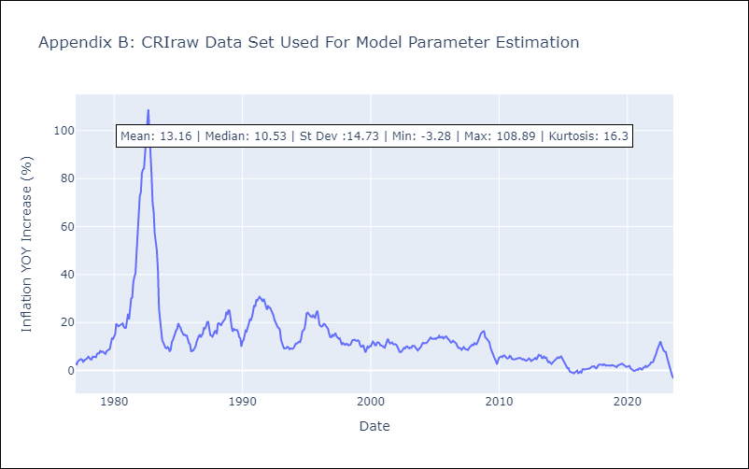

Appendix C: Residuals Analysis
Mean | -0.03
Variance | 1.33
White Noise? | No - Correlation at Lags [ 6 7 8 9 10 11 12]
Heteroskedastic? - ARCH | Yes
Normal? | No

