CRIrawsarimax
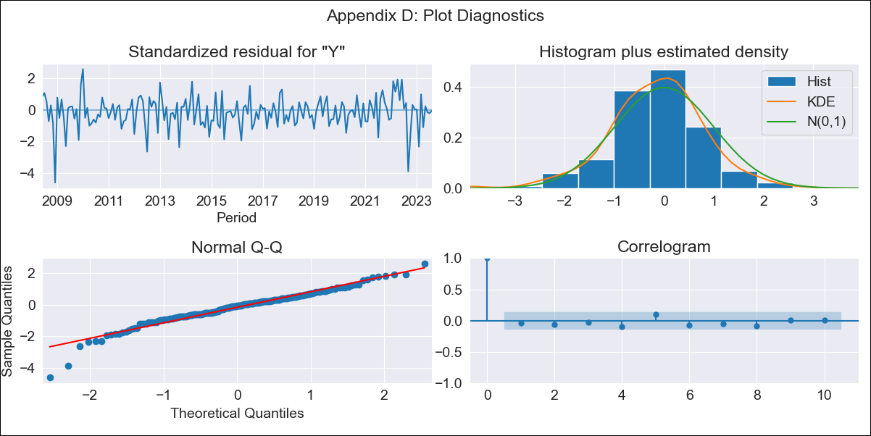

CRIrawsarimax - Inflation - Next 12 months forecast as of: 2023-08-01

Model | SARIMAX - [(3, 1, 1), (0, 0, 1, 12)] | Exogenous Variables | Exchange rates (nominal), Monetary Policiy rate, M1 money supply ($mm local currency)
Training Data | 2007-03-01 to 2022-09-01
Test Data | 2022-09-01 to 2023-08-01

Date | Inflation Change YoY % | Lower Bound - 95% Confidence Interval | Upper Bound - 95% Confidence Interval
2023-09-01 | -2.35 | -3.2 | -1.5
2023-10-01 | -1.5 | -2.97 | -0.04
2023-11-01 | -1.3 | -3.37 | 0.77
2023-12-01 | -0.96 | -3.68 | 1.76
2024-01-01 | -0.64 | -4 | 2.71
2024-02-01 | 0.53 | -3.45 | 4.5
2024-03-01 | 0.83 | -3.75 | 5.41
2024-04-01 | 1.51 | -3.65 | 6.66
2024-05-01 | 1.93 | -3.78 | 7.64
2024-06-01 | 2.29 | -3.95 | 8.54
2024-07-01 | 2.7 | -4.06 | 9.46
2024-08-01 | 3 | -4.25 | 10.26

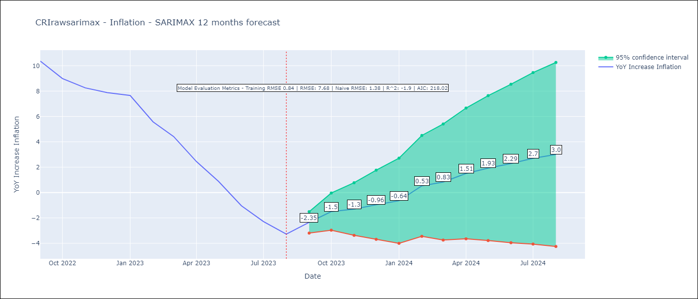

Test Metrics
RMSE | 7.68
Naive RMSE | 1.38
R^2 | -1.9

Test Predictions
Date | Predicted | Actual
2022-09-01 | 12.14 | 10.37
2022-10-01 | 12.3 | 8.99
2022-11-01 | 12.4 | 8.26
2022-12-01 | 12.74 | 7.88
2023-01-01 | 13.25 | 7.65
2023-02-01 | 12.75 | 5.58
2023-03-01 | 12.17 | 4.42
2023-04-01 | 11.24 | 2.44
2023-05-01 | 10.2 | 0.88
2023-06-01 | 9.01 | -1.04
2023-07-01 | 8.56 | -2.29
2023-08-01 | 8 | -3.28

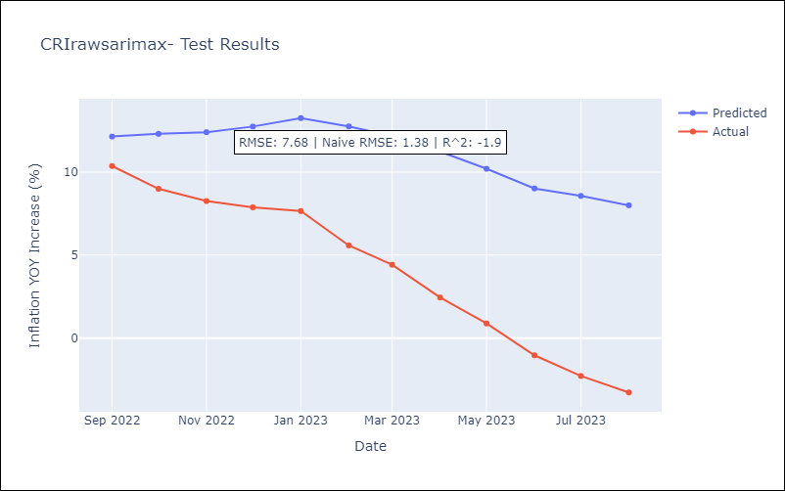

Appendix A: Model Summary
Model | SARIMAX(3, 1, 1)x(0, 0, 1, 12)
Sample | 03-01-2007- 08-01-2023
No. of Observations | 198
Terms | P-value (Statistical significance)
Exchange rates (nominal) | 0.003
Monetary Policiy rate | 0.594
M1 money supply ($mm local currency) | 0.293
ar.L1 | 0.702
ar.L2 | 0.461
ar.L3 | 0.212
ma.L1 | 0.770
ma.S.L12 | 0.979
sigma2 | 0.979
Assumptions | P-value | Interpretation
Ljung-Box (L1) | 0.58 | Residuals are independent.
Heteroskedasticity | 0.37 | Residuals have the same variance.
Jarque-Bera | 0.00 | Residuals are not normally distributed.
Skew | -0.73 | Negative skew - Model overestimates the mean.
Kurtosis | 5.65 | Residuals contain more extreme outliers than in a normal distribution.

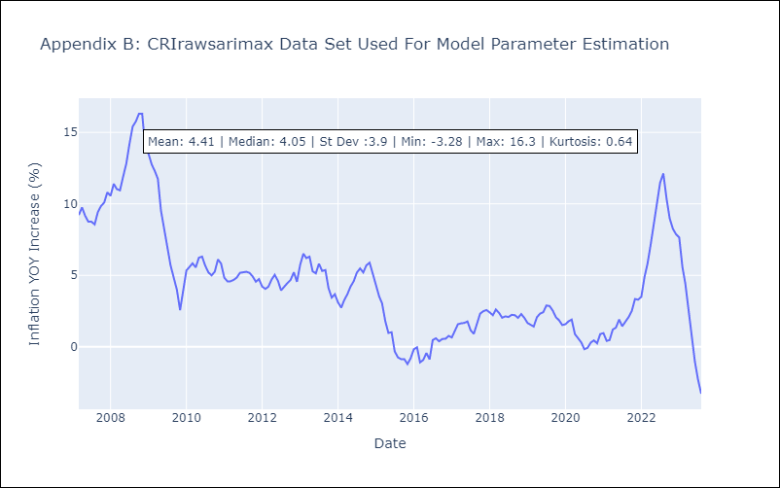

Appendix C: Residuals Analysis
Mean | -0.03
Variance | 0.69
White Noise? | Yes
Heteroskedastic? - ARCH | No
Normal? | No

