CRIraw90
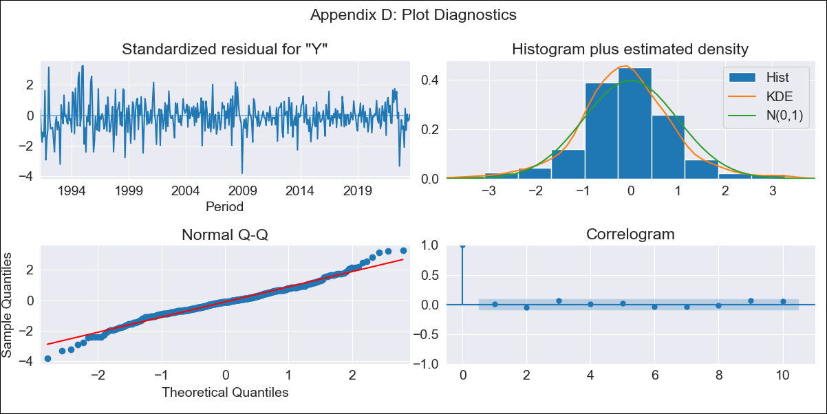
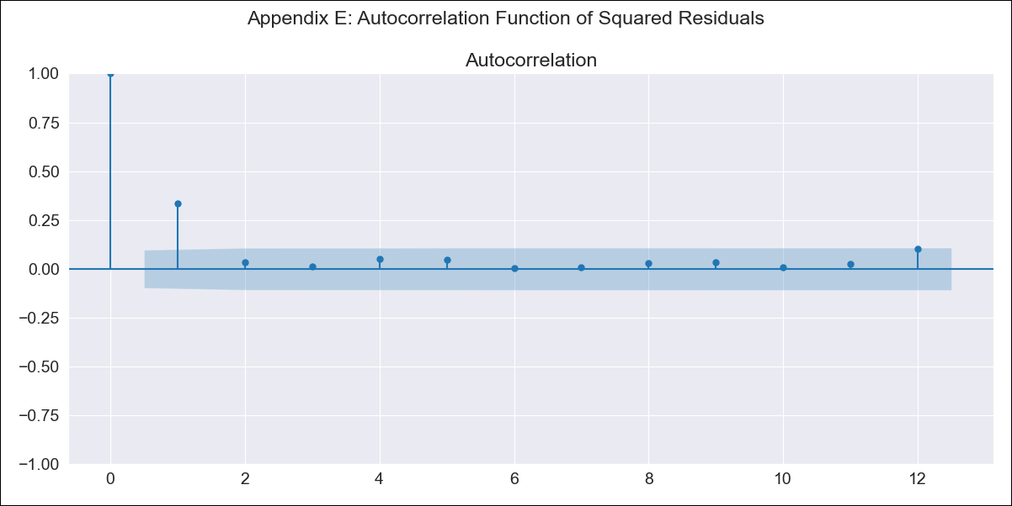
CRIraw90 - Inflation - Next 12 months forecast as of: 2023-08-01

Model | ARIMA - [(3, 1, 1), (0, 0, 1, 12)]
Training Data | 1990-01-01 to 2022-09-01
Test Data | 2022-09-01 to 2023-08-01

Date | Inflation Change YoY % | Lower Bound - 95% Confidence Interval | Upper Bound - 95% Confidence Interval
2023-09-01 | -2.49 | -3.56 | -1.42
2023-10-01 | -1.77 | -3.68 | 0.13
2023-11-01 | -1.74 | -4.36 | 0.88
2023-12-01 | -1.59 | -4.87 | 1.69
2024-01-01 | -1.38 | -5.3 | 2.54
2024-02-01 | -0.4 | -4.95 | 4.15
2024-03-01 | -0.3 | -5.49 | 4.88
2024-04-01 | 0.13 | -5.7 | 5.95
2024-05-01 | 0.27 | -6.19 | 6.74
2024-06-01 | 0.52 | -6.59 | 7.63
2024-07-01 | 0.8 | -6.97 | 8.56
2024-08-01 | 0.92 | -7.5 | 9.34

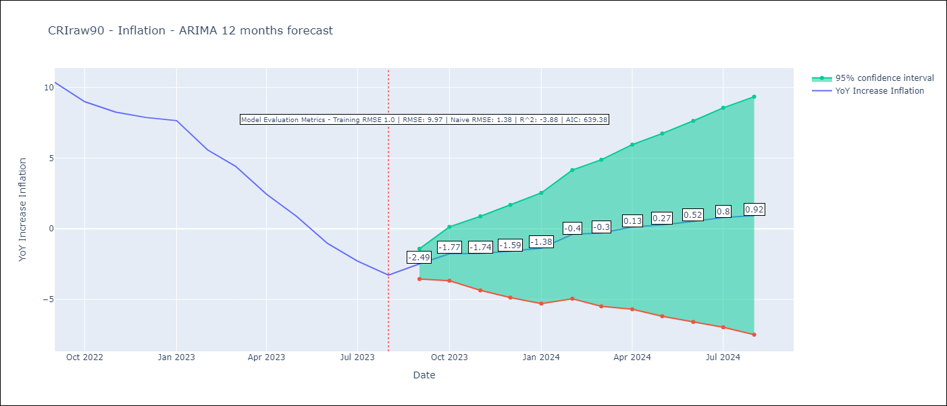

Test Metrics
RMSE | 9.97
Naive RMSE | 1.38
R^2 | -3.88

Test Predictions
Date | Predicted | Actual
2022-09-01 | 12.3 | 10.37
2022-10-01 | 12.73 | 8.99
2022-11-01 | 13.02 | 8.26
2022-12-01 | 13.75 | 7.88
2023-01-01 | 14.64 | 7.65
2023-02-01 | 14.54 | 5.58
2023-03-01 | 14.35 | 4.42
2023-04-01 | 13.7 | 2.44
2023-05-01 | 13.11 | 0.88
2023-06-01 | 12.25 | -1.04
2023-07-01 | 12.06 | -2.29
2023-08-01 | 11.93 | -3.28

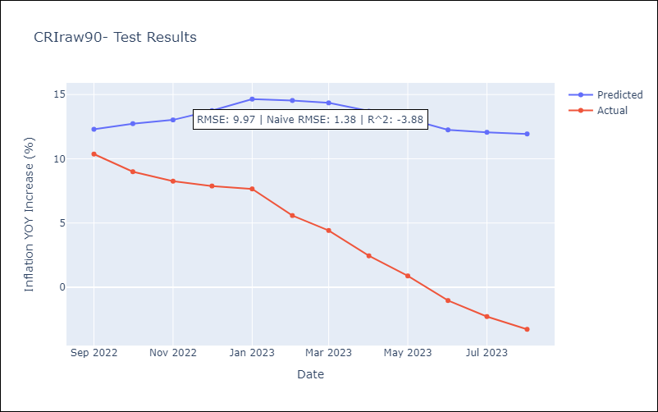

Appendix A: Model Summary
Model | ARIMA(3, 1, 1)x(0, 0, 1, 12)
Sample | 01-01-1990- 08-01-2023
No. of Observations | 404
Terms | P-value (Statistical significance)
ar.L1 | 0.000
ar.L2 | 0.000
ar.L3 | 0.135
ma.L1 | 0.000
ma.S.L12 | 0.000
sigma2 | 0.000
Assumptions | P-value | Interpretation
Ljung-Box (L1) | 0.84 | Residuals are independent.
Heteroskedasticity | 0.00 | Residuals have different variances.
Jarque-Bera | 0.00 | Residuals are not normally distributed.
Skew | 0.01 | Positive skew - model underestimates the mean.
Kurtosis | 4.49 | Residuals contain more extreme outliers than in a normal distribution.

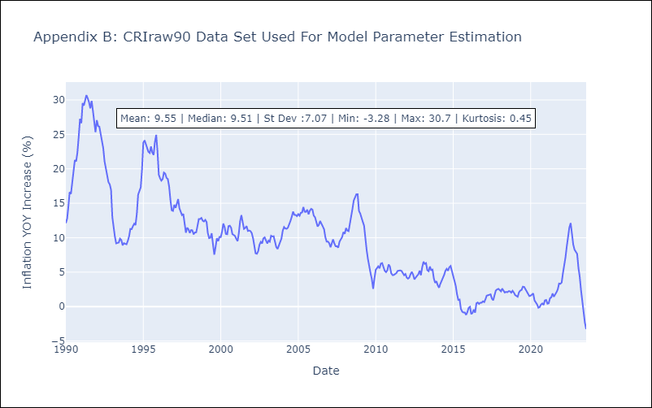

Appendix C: Residuals Analysis
Mean | -0.05
Variance | 1.01
White Noise? | No - Correlation at Lags [ 1 2 3 4 5 6 7 8 9 10 11 12]
Heteroskedastic? - ARCH | Yes
Normal? | No

