MEX1
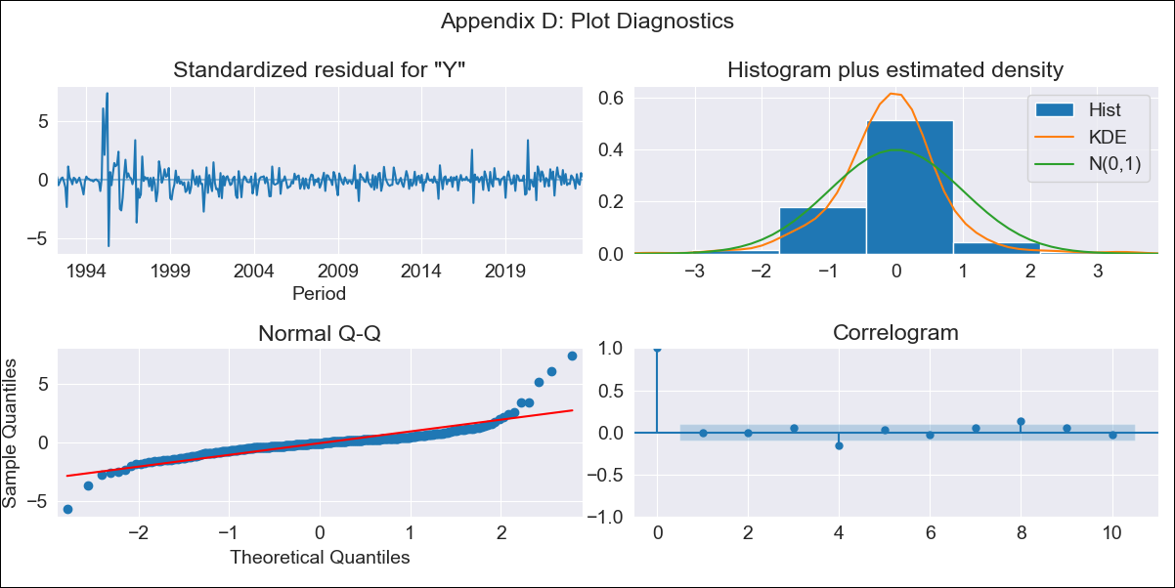

MEX1 - Inflation - Next 12 months forecast as of: 2023-08-01

Model | ARIMA - [(3, 1, 1), (0, 0, 2, 12)]
Training Data | 1990-01-01 to 2022-09-01
Test Data | 2022-09-01 to 2023-08-01

Date | Inflation Change YoY % | Lower Bound - 95% Confidence Interval | Upper Bound - 95% Confidence Interval
2023-09-01 | 4.67 | 3.72 | 5.63
2023-10-01 | 4.83 | 2.74 | 6.93
2023-11-01 | 5.08 | 1.72 | 8.44
2023-12-01 | 5.25 | 0.61 | 9.88
2024-01-01 | 5.29 | -0.58 | 11.16
2024-02-01 | 5.28 | -1.76 | 12.31
2024-03-01 | 5.49 | -2.64 | 13.63
2024-04-01 | 5.52 | -3.64 | 14.68
2024-05-01 | 5.64 | -4.47 | 15.76
2024-06-01 | 5.84 | -5.17 | 16.86
2024-07-01 | 5.84 | -6.02 | 17.7
2024-08-01 | 5.69 | -6.96 | 18.34

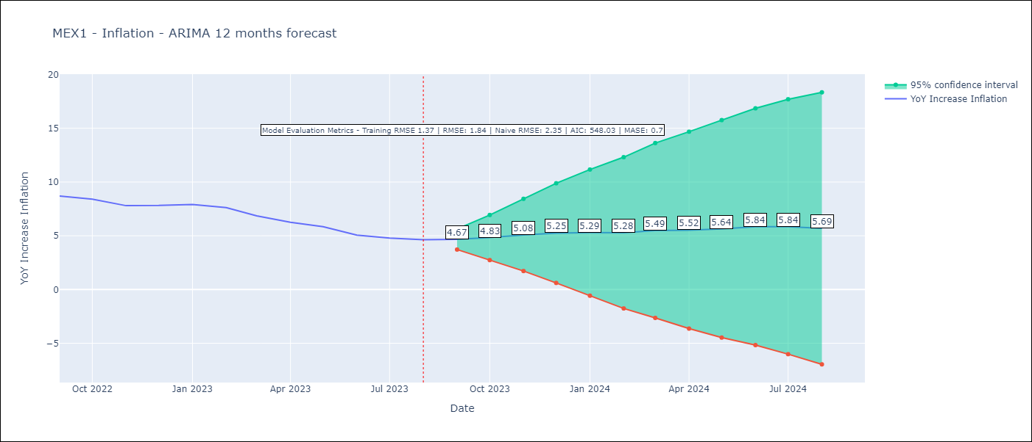

Test Metrics
RMSE | 1.84
Naive RMSE | 2.35
MASE | 0.7

Test Predictions
Date | Predicted | Actual
2022-09-01 | 8.93 | 8.7
2022-10-01 | 9 | 8.41
2022-11-01 | 8.89 | 7.8
2022-12-01 | 9.16 | 7.82
2023-01-01 | 9.31 | 7.91
2023-02-01 | 9.08 | 7.62
2023-03-01 | 8.71 | 6.85
2023-04-01 | 8.26 | 6.25
2023-05-01 | 8.07 | 5.84
2023-06-01 | 7.68 | 5.06
2023-07-01 | 7.46 | 4.79
2023-08-01 | 7.18 | 4.64

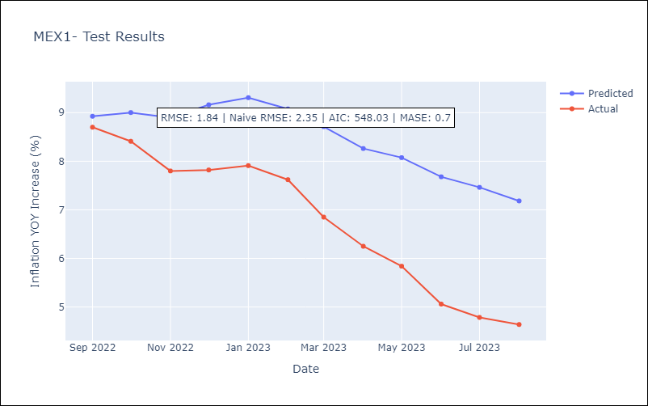

Appendix A: Model Summary
Model | ARIMA(3, 1, 1)x(0, 0, [1, 2], 12)
Sample | 01-01-1990- 08-01-2023
No. of Observations | 404
Terms | P-value (Statistical significance)
ar.L1 | 0.219
ar.L2 | 0.815
ar.L3 | 0.806
ma.L1 | 0.929
ma.S.L12 | 0.000
ma.S.L24 | 0.001
sigma2 | 0.000
Assumptions | P-value | Interpretation
Ljung-Box (L1) | 0.90 | Residuals are independent.
Heteroskedasticity | 0.00 | Residuals have different variances.
Jarque-Bera | 0.00 | Residuals are not normally distributed.
Skew | 1.56 | Positive skew - model underestimates the mean.
Kurtosis | 18.84 | Residuals contain more extreme outliers than in a normal distribution.

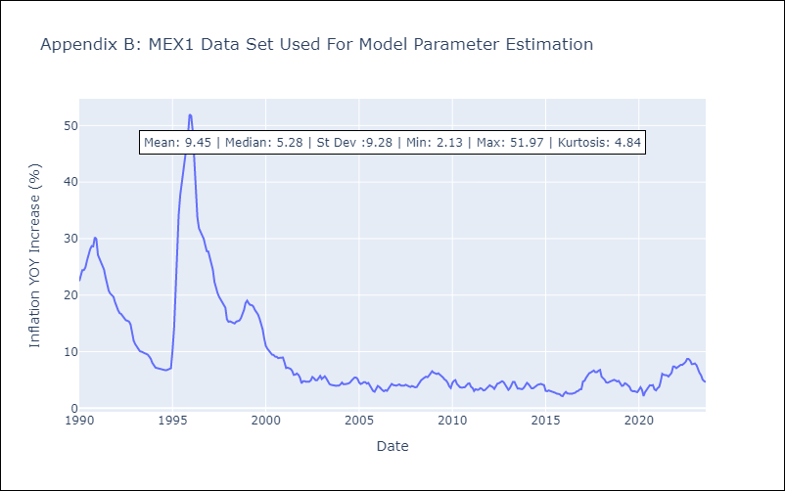

Appendix C: Residuals Analysis
Mean | -0.0
Variance | 1.82
White Noise? | No - Correlation at Lags [ 1 2 3 4 5 6 7 8 9 10 11 12]
Heteroskedastic? - ARCH | Yes
Normal? | No

