BRA
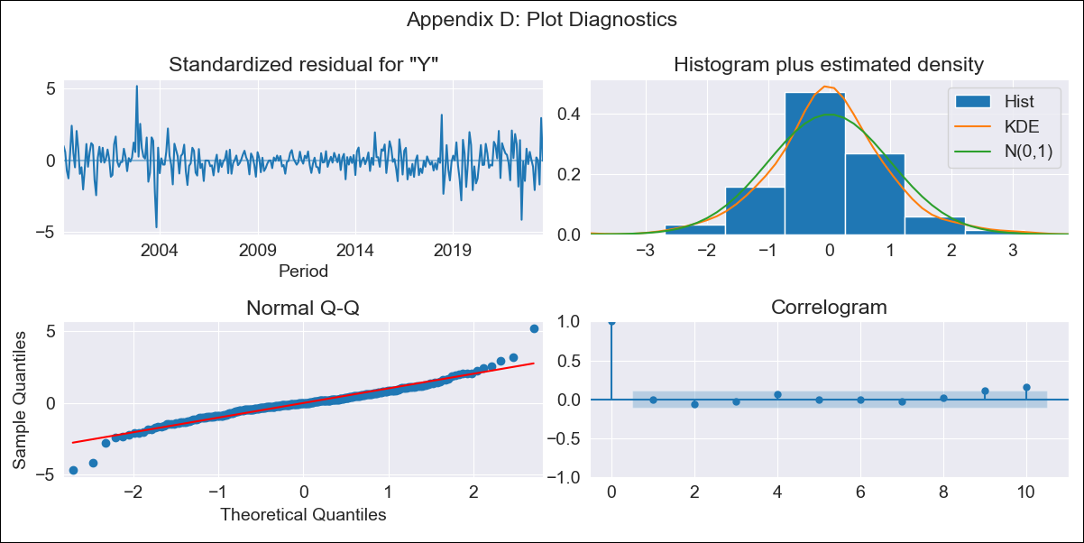

BRA - Inflation - Next 12 months forecast as of: 2023-08-01

Model | ARIMA - [(2, 0, 0), (0, 0, 1, 12)]
Training Data | 1998-01-01 to 2022-09-01
Test Data | 2022-09-01 to 2023-08-01

Date | Inflation Change YoY % | Lower Bound - 95% Confidence Interval | Upper Bound - 95% Confidence Interval
2023-09-01 | 5.08 | 4.24 | 5.91
2023-10-01 | 5.44 | 3.85 | 7.03
2023-11-01 | 5.72 | 3.42 | 8.02
2023-12-01 | 5.93 | 3.01 | 8.85
2024-01-01 | 6.1 | 2.65 | 9.55
2024-02-01 | 6.22 | 2.33 | 10.11
2024-03-01 | 6.31 | 2.05 | 10.56
2024-04-01 | 6.37 | 1.83 | 10.92
2024-05-01 | 6.43 | 1.64 | 11.21
2024-06-01 | 6.46 | 1.49 | 11.43
2024-07-01 | 6.5 | 1.39 | 11.62
2024-08-01 | 6.53 | 1.3 | 11.77

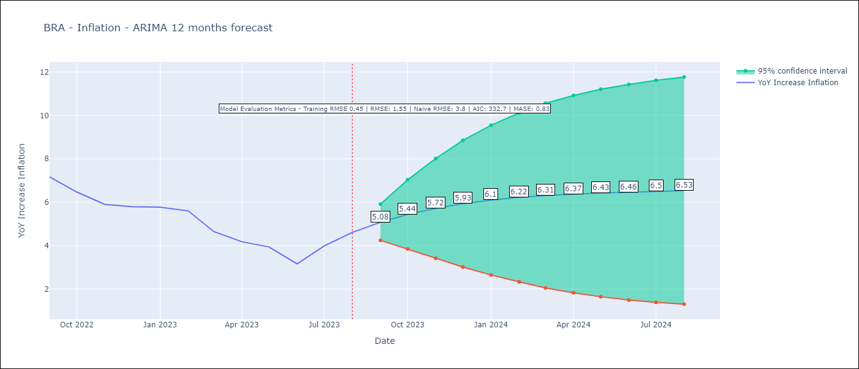

Test Metrics
RMSE | 1.55
Naive RMSE | 3.8
MASE | 0.83

Test Predictions
Date | Predicted | Actual
2022-09-01 | 7.78 | 7.17
2022-10-01 | 7.12 | 6.47
2022-11-01 | 6.66 | 5.9
2022-12-01 | 6.36 | 5.79
2023-01-01 | 6.19 | 5.77
2023-02-01 | 6.1 | 5.6
2023-03-01 | 6.07 | 4.65
2023-04-01 | 6.08 | 4.18
2023-05-01 | 6.1 | 3.94
2023-06-01 | 6.15 | 3.16
2023-07-01 | 6.18 | 3.99
2023-08-01 | 6.23 | 4.61

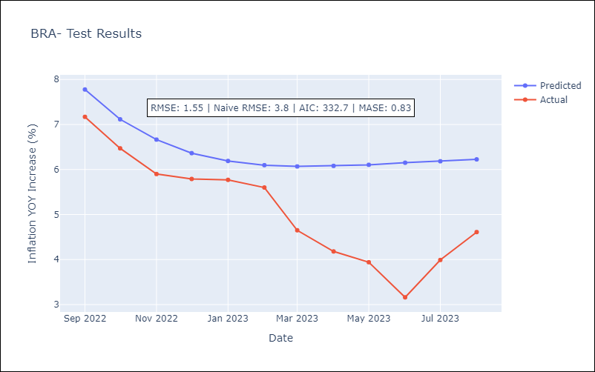

Appendix A: Model Summary
Model | ARIMA(2, 0, 0)x(0, 0, [1], 12)
Sample | 01-01-1998- 08-01-2023
No. of Observations | 308
Terms | P-value (Statistical significance)
const | 0.000
ar.L1 | 0.000
ar.L2 | 0.000
ma.S.L12 | 0.000
sigma2 | 0.000
Assumptions | P-value | Interpretation
Ljung-Box (L1) | 0.92 | Residuals are independent.
Heteroskedasticity | 0.88 | Residuals have the same variance.
Jarque-Bera | 0.00 | Residuals are not normally distributed.
Skew | 0.03 | Positive skew - model underestimates the mean.
Kurtosis | 7.13 | Residuals contain more extreme outliers than in a normal distribution.

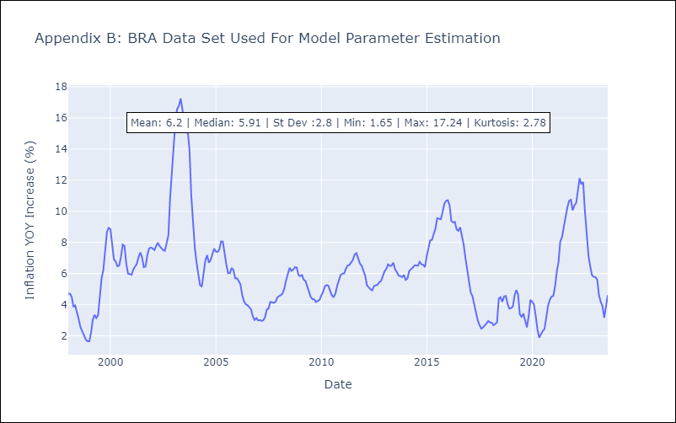

Appendix C: Residuals Analysis
Mean | -0.01
Variance | 0.2
White Noise? | No - Correlation at Lags [12]
Heteroskedastic? - ARCH | No
Normal? | No

CHL
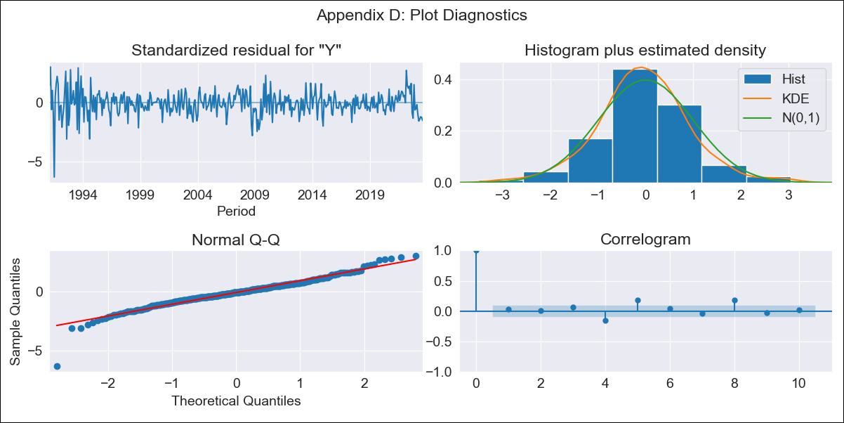

CHL - Inflation - Next 12 months forecast as of: 2023-08-01

Model | ARIMA - [(3, 0, 0), (0, 0, 1, 12)]
Training Data | 1990-01-01 to 2022-09-01
Test Data | 2022-09-01 to 2023-08-01

Date | Inflation Change YoY % | Lower Bound - 95% Confidence Interval | Upper Bound - 95% Confidence Interval
2023-09-01 | 4.93 | 3.81 | 6.05
2023-10-01 | 4.72 | 2.99 | 6.46
2023-11-01 | 4.69 | 2.43 | 6.95
2023-12-01 | 4.68 | 1.98 | 7.37
2024-01-01 | 4.69 | 1.62 | 7.75
2024-02-01 | 4.71 | 1.33 | 8.08
2024-03-01 | 4.72 | 1.08 | 8.36
2024-04-01 | 4.72 | 0.84 | 8.6
2024-05-01 | 4.72 | 0.64 | 8.81
2024-06-01 | 4.73 | 0.46 | 8.99
2024-07-01 | 4.73 | 0.3 | 9.16
2024-08-01 | 4.73 | 0.15 | 9.31

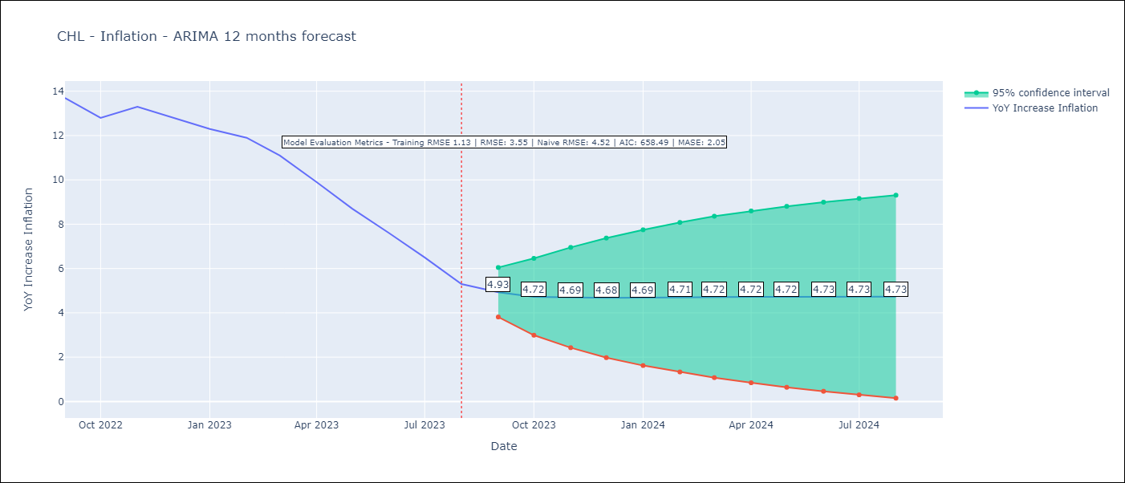

Test Metrics
RMSE | 3.55
Naive RMSE | 4.52
MASE | 2.05

Test Predictions
Date | Predicted | Actual
2022-09-01 | 14.26 | 13.7
2022-10-01 | 14.24 | 12.8
2022-11-01 | 14.09 | 13.3
2022-12-01 | 13.9 | 12.8
2023-01-01 | 13.68 | 12.3
2023-02-01 | 13.46 | 11.9
2023-03-01 | 13.26 | 11.1
2023-04-01 | 13.06 | 9.9
2023-05-01 | 12.87 | 8.7
2023-06-01 | 12.68 | 7.6
2023-07-01 | 12.49 | 6.5
2023-08-01 | 12.31 | 5.3

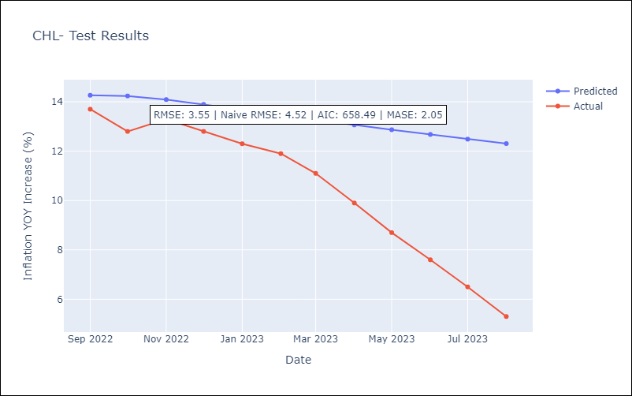

Appendix A: Model Summary
Model | ARIMA(3, 0, 0)x(0, 0, [1], 12)
Sample | 01-01-1990- 08-01-2023
No. of Observations | 404
Terms | P-value (Statistical significance)
const | 0.000
ar.L1 | 0.000
ar.L2 | 0.065
ar.L3 | 0.006
ma.S.L12 | 0.434
sigma2 | 0.698
Assumptions | P-value | Interpretation
Ljung-Box (L1) | 0.62 | Residuals are independent.
Heteroskedasticity | 0.00 | Residuals have different variances.
Jarque-Bera | 0.00 | Residuals are not normally distributed.
Skew | -0.52 | Negative skew - Model overestimates the mean.
Kurtosis | 7.09 | Residuals contain more extreme outliers than in a normal distribution.

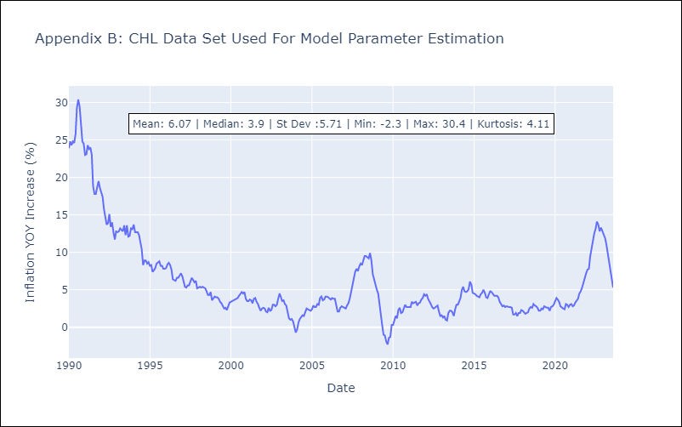

Appendix C: Residuals Analysis
Mean | 0.01
Variance | 1.23
White Noise? | No - Correlation at Lags [ 6 7 8 9 10 11 12]
Heteroskedastic? - ARCH | Yes
Normal? | No

DOM
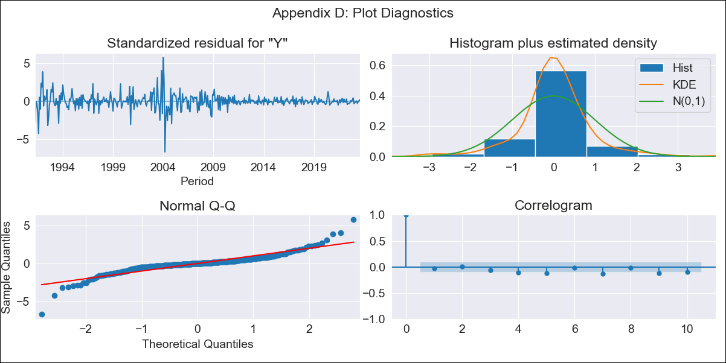
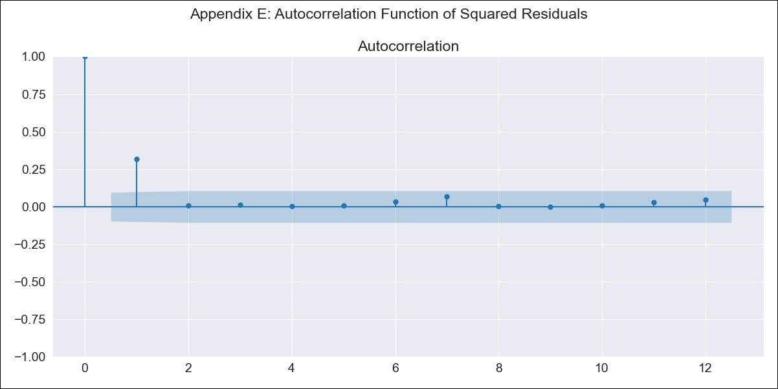
DOM - Inflation - Next 12 months forecast as of: 2023-08-01

Model | ARIMA - [(3, 2, 0), (0, 0, 1, 12)]
Training Data | 1990-01-01 to 2022-09-01
Test Data | 2022-09-01 to 2023-08-01

Date | Inflation Change YoY % | Lower Bound - 95% Confidence Interval | Upper Bound - 95% Confidence Interval
2023-09-01 | 4.31 | 1.6 | 7.02
2023-10-01 | 4.37 | -1.27 | 10
2023-11-01 | 4.32 | -4.28 | 12.92
2023-12-01 | 3.81 | -8.18 | 15.8
2024-01-01 | 3.73 | -12.1 | 19.56
2024-02-01 | 3.89 | -16.1 | 23.87
2024-03-01 | 3.9 | -20.53 | 28.33
2024-04-01 | 3.83 | -25.35 | 33
2024-05-01 | 4.09 | -30.11 | 38.29
2024-06-01 | 4.36 | -35.11 | 43.83
2024-07-01 | 4.43 | -40.56 | 49.42
2024-08-01 | 4.32 | -46.43 | 55.07

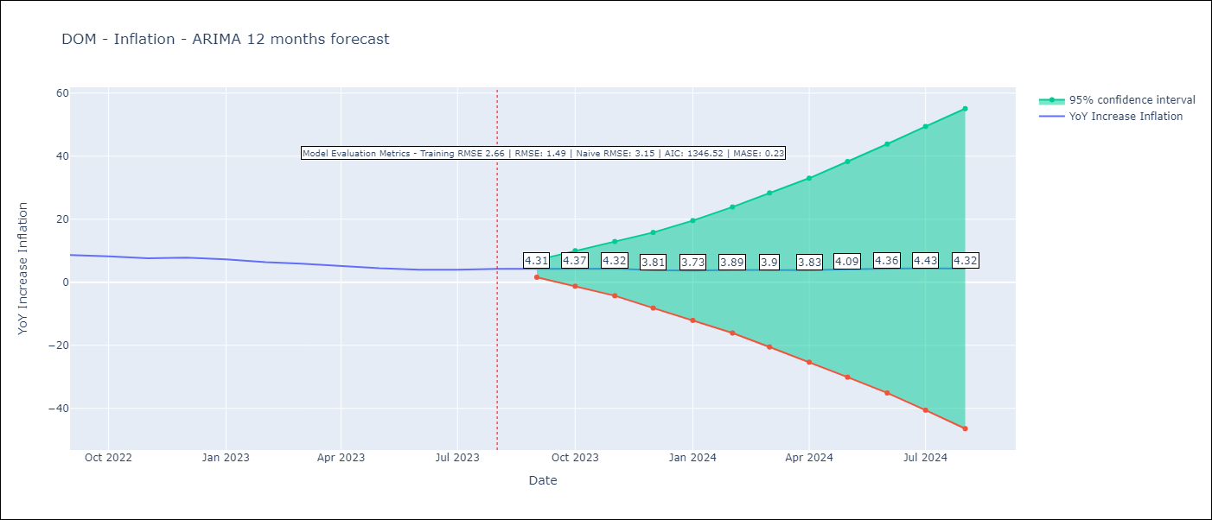

Test Metrics
RMSE | 1.49
Naive RMSE | 3.15
MASE | 0.23

Test Predictions
Date | Predicted | Actual
2022-09-01 | 8.49 | 8.63
2022-10-01 | 8.06 | 8.24
2022-11-01 | 7.15 | 7.58
2022-12-01 | 6.54 | 7.83
2023-01-01 | 5.68 | 7.24
2023-02-01 | 4.85 | 6.38
2023-03-01 | 4.2 | 5.9
2023-04-01 | 3.18 | 5.15
2023-05-01 | 2.62 | 4.43
2023-06-01 | 2.35 | 4
2023-07-01 | 2.22 | 3.95
2023-08-01 | 2.22 | 4.27

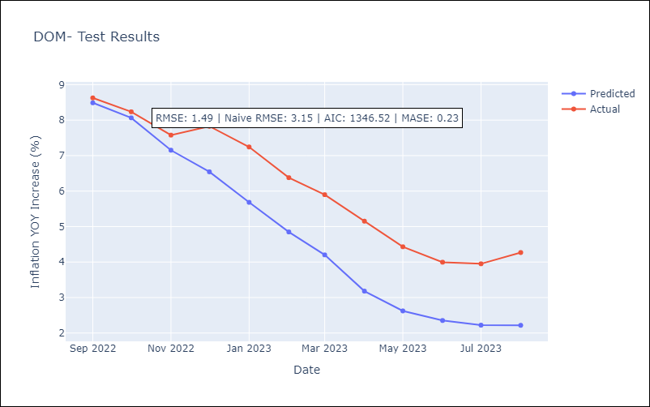

Appendix A: Model Summary
Model | ARIMA(3, 2, 0)x(0, 0, [1], 12)
Sample | 01-01-1990- 08-01-2023
No. of Observations | 404
Terms | P-value (Statistical significance)
ar.L1 | 0.000
ar.L2 | 0.000
ar.L3 | 0.518
ma.S.L12 | 0.000
sigma2 | 0.000
Assumptions | P-value | Interpretation
Ljung-Box (L1) | 0.56 | Residuals are independent.
Heteroskedasticity | 0.00 | Residuals have different variances.
Jarque-Bera | 0.00 | Residuals are not normally distributed.
Skew | -0.33 | Negative skew - Model overestimates the mean.
Kurtosis | 12.81 | Residuals contain more extreme outliers than in a normal distribution.

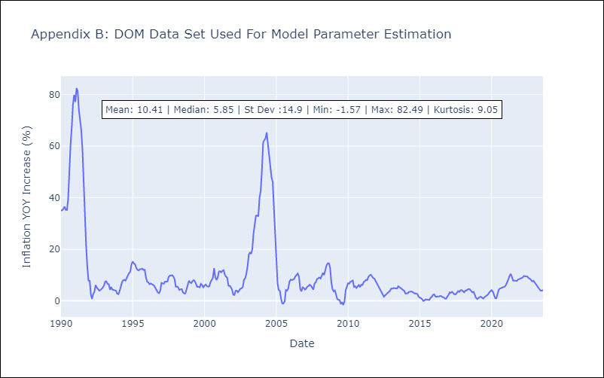

Appendix C: Residuals Analysis
Mean | 0.03
Variance | 6.87
White Noise? | No - Correlation at Lags [ 1 2 3 4 5 6 7 8 9 10 11 12]
Heteroskedastic? - ARCH | Yes
Normal? | No

ECU
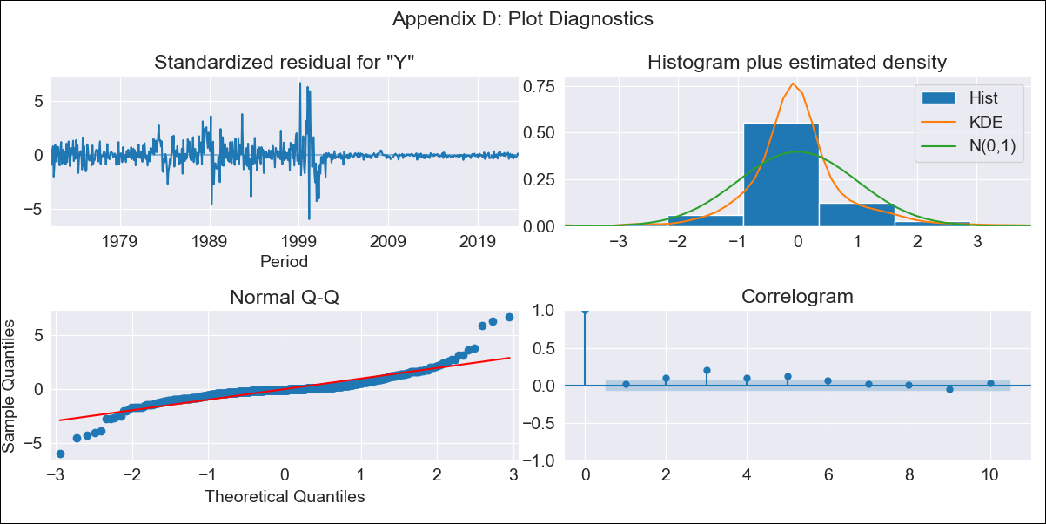
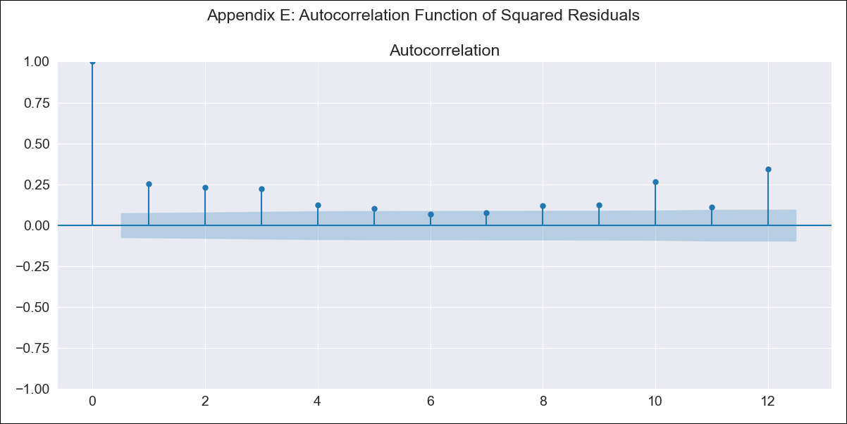
ECU - Inflation - Next 12 months forecast as of: 2023-08-01

Model | ARIMA - [(1, 0, 2), (0, 0, 1, 12)]
Training Data | 1970-01-01 to 2022-09-01
Test Data | 2022-09-01 to 2023-08-01

Date | Inflation Change YoY % | Lower Bound - 95% Confidence Interval | Upper Bound - 95% Confidence Interval
2023-09-01 | 2.89 | -1.71 | 7.49
2023-10-01 | 3.12 | -4.87 | 11.1
2023-11-01 | 3.32 | -7.34 | 13.98
2023-12-01 | 3.53 | -9.21 | 16.26
2024-01-01 | 3.72 | -10.75 | 18.19
2024-02-01 | 3.91 | -12.07 | 19.9
2024-03-01 | 4.11 | -13.22 | 21.44
2024-04-01 | 4.3 | -14.25 | 22.85
2024-05-01 | 4.48 | -15.18 | 24.15
2024-06-01 | 4.67 | -16.03 | 25.37
2024-07-01 | 4.86 | -16.79 | 26.52
2024-08-01 | 5.06 | -17.49 | 27.61

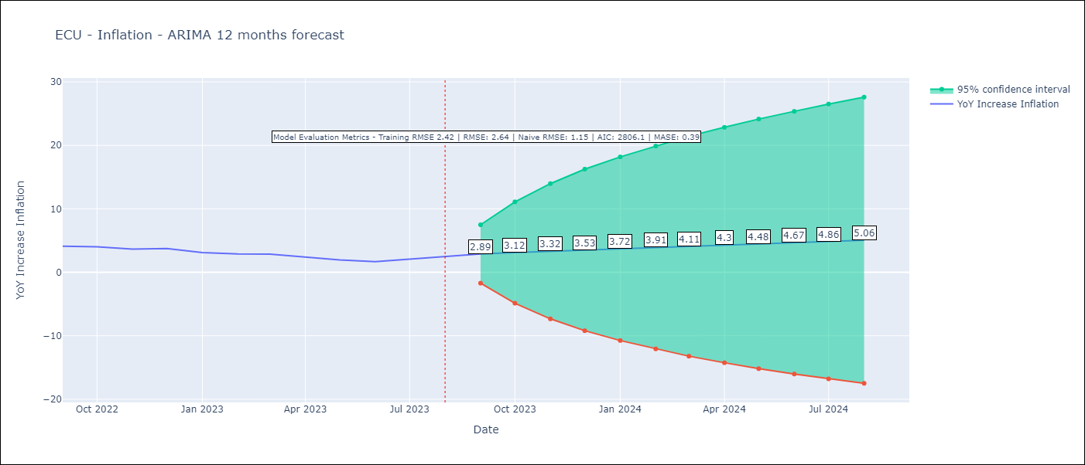

Test Metrics
RMSE | 2.64
Naive RMSE | 1.15
MASE | 0.39

Test Predictions
Date | Predicted | Actual
2022-09-01 | 3.85 | 4.12
2022-10-01 | 4.08 | 4.02
2022-11-01 | 4.32 | 3.64
2022-12-01 | 4.55 | 3.74
2023-01-01 | 4.78 | 3.12
2023-02-01 | 5 | 2.9
2023-03-01 | 5.21 | 2.85
2023-04-01 | 5.43 | 2.44
2023-05-01 | 5.65 | 1.97
2023-06-01 | 5.86 | 1.69
2023-07-01 | 6.06 | 2.07
2023-08-01 | 6.26 | 2.56

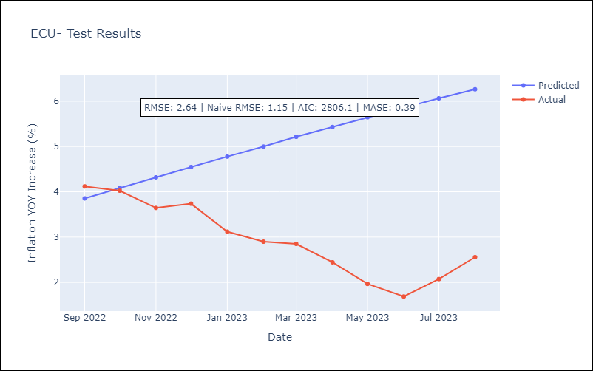

Appendix A: Model Summary
Model | ARIMA(1, 0, 2)x(0, 0, [1], 12)
Sample | 01-01-1970- 08-01-2023
No. of Observations | 644
Terms | P-value (Statistical significance)
const | 0.326
ar.L1 | 0.000
ma.L1 | 0.000
ma.L2 | 0.000
ma.S.L12 | 0.499
sigma2 | 0.737
Assumptions | P-value | Interpretation
Ljung-Box (L1) | 0.58 | Residuals are independent.
Heteroskedasticity | 0.00 | Residuals have different variances.
Jarque-Bera | 0.00 | Residuals are not normally distributed.
Skew | 0.79 | Positive skew - model underestimates the mean.
Kurtosis | 15.29 | Residuals contain more extreme outliers than in a normal distribution.

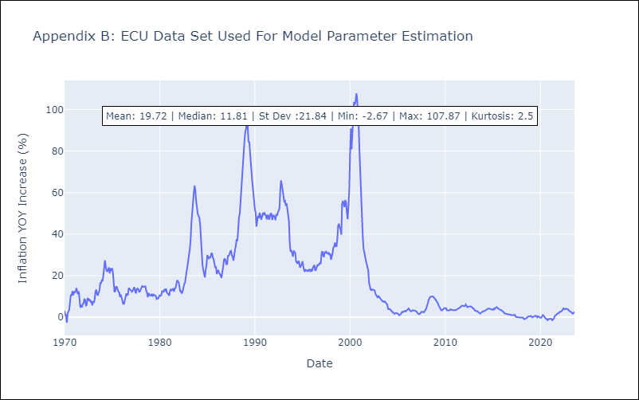

Appendix C: Residuals Analysis
Mean | -0.02
Variance | 5.78
White Noise? | No - Correlation at Lags [ 2 3 4 5 6 7 8 9 10 11 12]
Heteroskedastic? - ARCH | Yes
Normal? | No

GTM
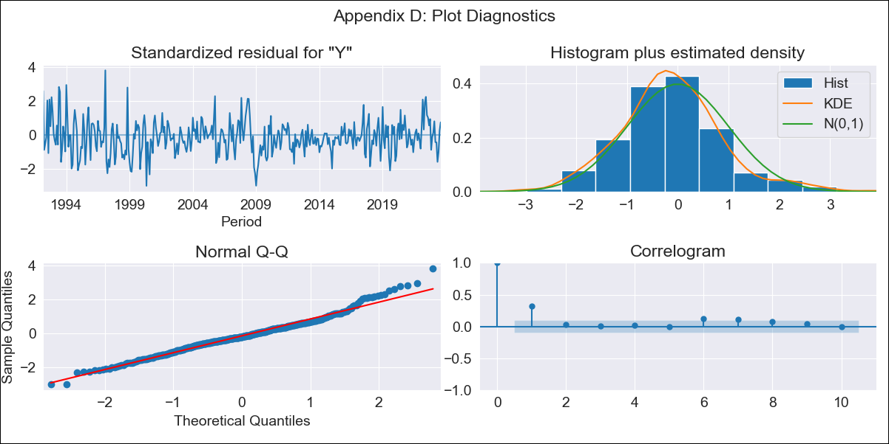

GTM - Inflation - Next 12 months forecast as of: 2023-08-01

Model | ARIMA - [(0, 1, 0), (0, 0, 1, 12)]
Training Data | 1991-01-01 to 2022-09-01
Test Data | 2022-09-01 to 2023-08-01

Date | Inflation Change YoY % | Lower Bound - 95% Confidence Interval | Upper Bound - 95% Confidence Interval
2023-09-01 | 4.2 | 3.11 | 5.3
2023-10-01 | 3.76 | 2.21 | 5.31
2023-11-01 | 4.16 | 2.26 | 6.06
2023-12-01 | 4.22 | 2.02 | 6.41
2024-01-01 | 4.15 | 1.69 | 6.6
2024-02-01 | 3.77 | 1.08 | 6.46
2024-03-01 | 3.96 | 1.06 | 6.86
2024-04-01 | 4.16 | 1.05 | 7.26
2024-05-01 | 4.89 | 1.6 | 8.18
2024-06-01 | 5.35 | 1.88 | 8.83
2024-07-01 | 5.23 | 1.59 | 8.87
2024-08-01 | 4.88 | 1.08 | 8.68

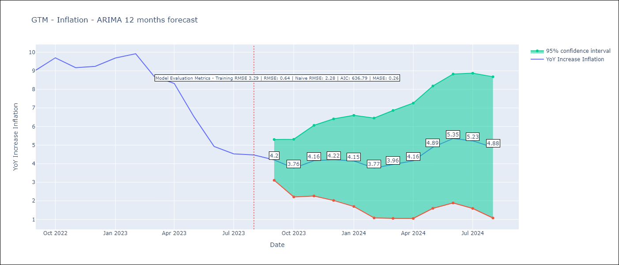

Test Metrics
RMSE | 0.64
Naive RMSE | 2.28
MASE | 0.26

Test Predictions
Date | Predicted | Actual
2022-09-01 | 8.71 | 9.03
2022-10-01 | 8.85 | 9.7
2022-11-01 | 8.8 | 9.17
2022-12-01 | 8.93 | 9.24
2023-01-01 | 9.29 | 9.69
2023-02-01 | 9.06 | 9.92
2023-03-01 | 8.08 | 8.71
2023-04-01 | 7.93 | 8.32
2023-05-01 | 7.03 | 6.54
2023-06-01 | 5.99 | 4.93
2023-07-01 | 5.44 | 4.53
2023-08-01 | 4.95 | 4.47

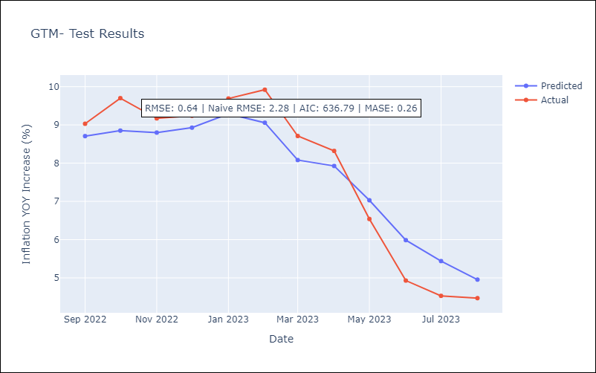

Appendix A: Model Summary
Model | ARIMA(0, 1, 0)x(0, 0, [1], 12)
Sample | 01-01-1991- 08-01-2023
No. of Observations | 392
Terms | P-value (Statistical significance)
ma.S.L12 | 0.000
sigma2 | 0.000
Assumptions | P-value | Interpretation
Ljung-Box (L1) | 0.00 | Residuals are not independent.
Heteroskedasticity | 0.00 | Residuals have different variances.
Jarque-Bera | 0.00 | Residuals are not normally distributed.
Skew | 0.40 | Positive skew - model underestimates the mean.
Kurtosis | 4.05 | Residuals contain more extreme outliers than in a normal distribution.

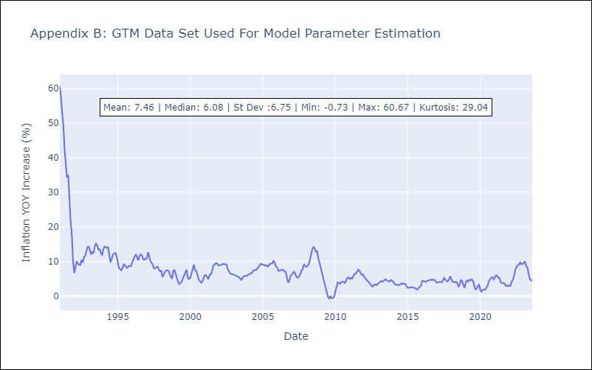

Appendix C: Residuals Analysis
Mean | -0.05
Variance | 10.54
White Noise? | Yes
Heteroskedastic? - ARCH | Yes
Normal? | No

NIC
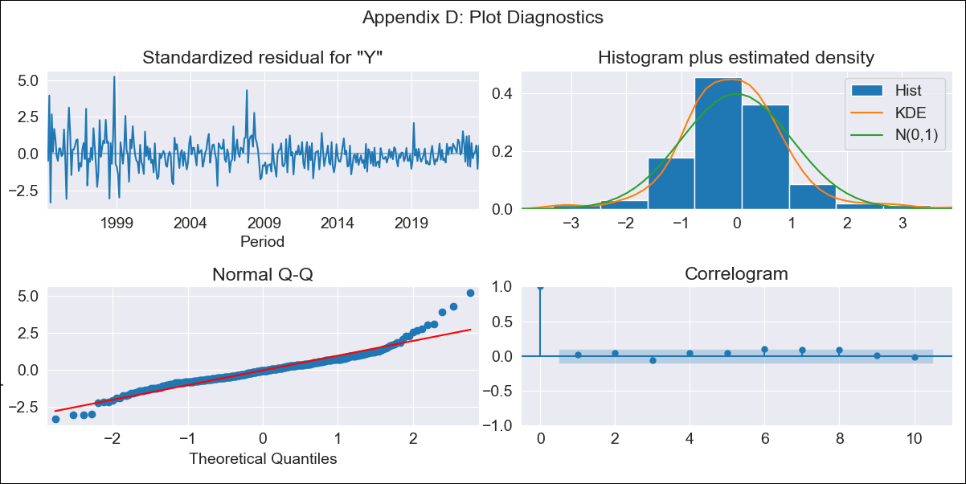

NIC - Inflation - Next 12 months forecast as of: 2023-08-01

Model | ARIMA - [(0, 1, 1), (0, 0, 1, 12)]
Training Data | 1993-01-01 to 2022-09-01
Test Data | 2022-09-01 to 2023-08-01

Date | Inflation Change YoY % | Lower Bound - 95% Confidence Interval | Upper Bound - 95% Confidence Interval
2023-09-01 | 7.81 | 6.31 | 9.3
2023-10-01 | 7.15 | 4.63 | 9.67
2023-11-01 | 7.43 | 4.2 | 10.67
2023-12-01 | 6.81 | 3 | 10.63
2024-01-01 | 7.13 | 2.81 | 11.45
2024-02-01 | 6.85 | 2.08 | 11.62
2024-03-01 | 6.89 | 1.71 | 12.08
2024-04-01 | 6.97 | 1.41 | 12.54
2024-05-01 | 6.89 | 0.97 | 12.82
2024-06-01 | 6.49 | 0.23 | 12.75
2024-07-01 | 7.06 | 0.48 | 13.64
2024-08-01 | 6.95 | 0.07 | 13.83

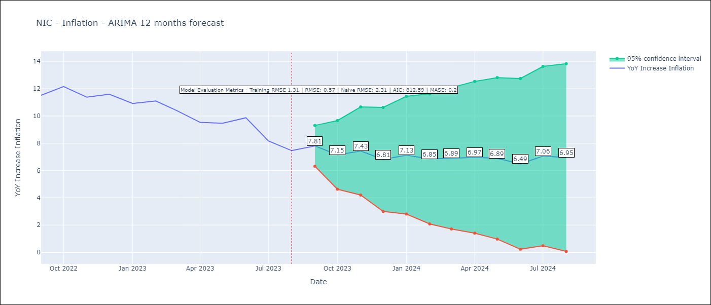

Test Metrics
RMSE | 0.57
Naive RMSE | 2.31
MASE | 0.2

Test Predictions
Date | Predicted | Actual
2022-09-01 | 11.95 | 11.52
2022-10-01 | 11.84 | 12.16
2022-11-01 | 11.39 | 11.38
2022-12-01 | 10.9 | 11.59
2023-01-01 | 10.58 | 10.92
2023-02-01 | 10.45 | 11.1
2023-03-01 | 9.79 | 10.39
2023-04-01 | 9.02 | 9.53
2023-05-01 | 8.87 | 9.47
2023-06-01 | 8.81 | 9.87
2023-07-01 | 7.76 | 8.17
2023-08-01 | 6.92 | 7.46

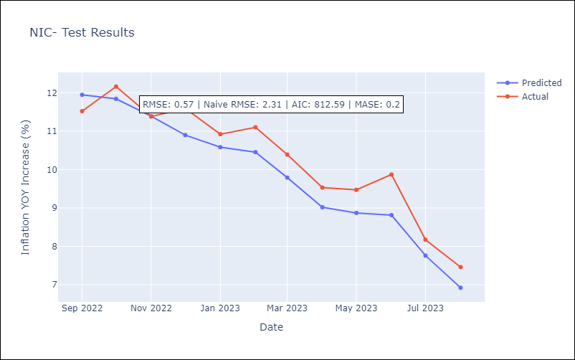

Appendix A: Model Summary
Model | ARIMA(0, 1, 1)x(0, 0, 1, 12)
Sample | 01-01-1993- 08-01-2023
No. of Observations | 368
Terms | P-value (Statistical significance)
ma.L1 | 0.000
ma.S.L12 | 0.000
sigma2 | 0.000
Assumptions | P-value | Interpretation
Ljung-Box (L1) | 0.71 | Residuals are independent.
Heteroskedasticity | 0.00 | Residuals have different variances.
Jarque-Bera | 0.00 | Residuals are not normally distributed.
Skew | 0.79 | Positive skew - model underestimates the mean.
Kurtosis | 7.12 | Residuals contain more extreme outliers than in a normal distribution.

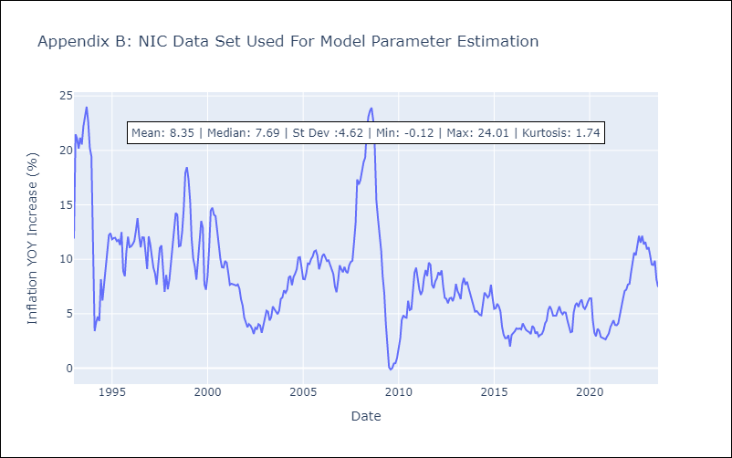

Appendix C: Residuals Analysis
Mean | -0.01
Variance | 1.68
White Noise? | No - Correlation at Lags [ 1 2 3 4 5 6 7 8 9 10 11 12]
Heteroskedastic? - ARCH | Yes
Normal? | No

PAN
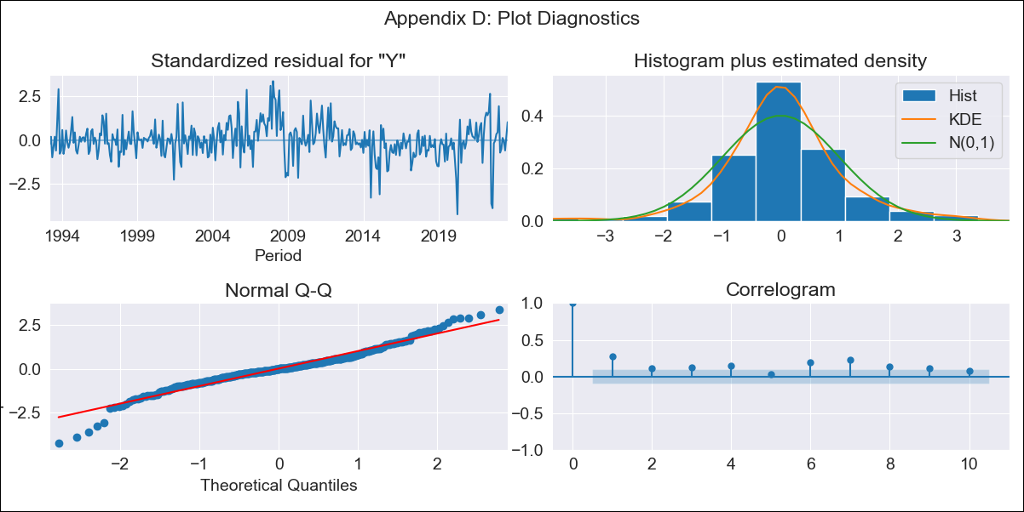

PAN - Inflation - Next 12 months forecast as of: 2023-08-01

Model | ARIMA - [(0, 1, 0), (0, 0, 1, 12)]
Training Data | 1992-01-01 to 2022-09-01
Test Data | 2022-09-01 to 2023-08-01

Date | Inflation Change YoY % | Lower Bound - 95% Confidence Interval | Upper Bound - 95% Confidence Interval
2023-09-01 | 2.25 | 1.51 | 3
2023-10-01 | 2.26 | 1.21 | 3.31
2023-11-01 | 2.15 | 0.87 | 3.44
2023-12-01 | 2.01 | 0.53 | 3.49
2024-01-01 | 1.4 | -0.26 | 3.06
2024-02-01 | 1.62 | -0.2 | 3.44
2024-03-01 | 1.78 | -0.19 | 3.74
2024-04-01 | 1.74 | -0.36 | 3.84
2024-05-01 | 1.75 | -0.48 | 3.97
2024-06-01 | 1.93 | -0.42 | 4.28
2024-07-01 | 1.87 | -0.6 | 4.33
2024-08-01 | 1.54 | -1.03 | 4.11

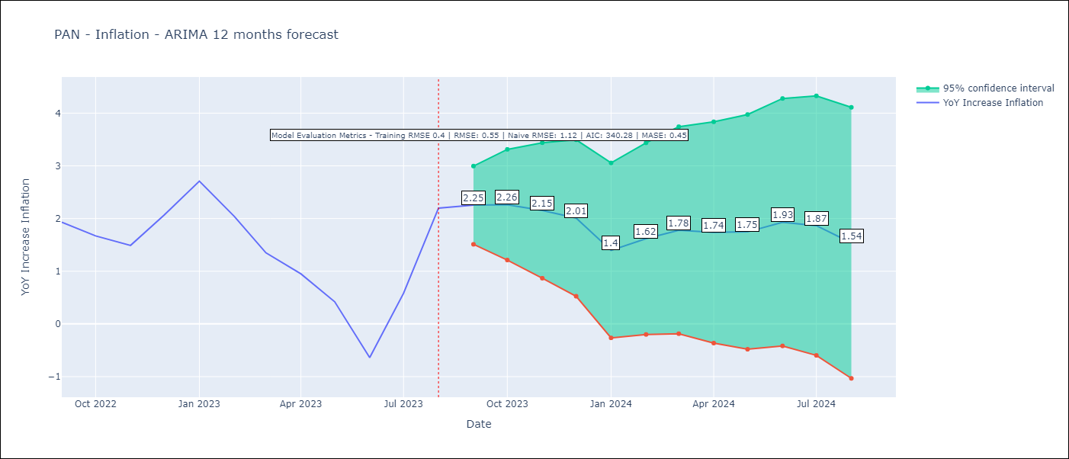

Test Metrics
RMSE | 0.55
Naive RMSE | 1.12
MASE | 0.45

Test Predictions
Date | Predicted | Actual
2022-09-01 | 1.99 | 1.93
2022-10-01 | 1.74 | 1.67
2022-11-01 | 1.43 | 1.49
2022-12-01 | 1.81 | 2.07
2023-01-01 | 1.71 | 2.71
2023-02-01 | 1.32 | 2.04
2023-03-01 | 0.82 | 1.35
2023-04-01 | 0.35 | 0.95
2023-05-01 | -0.15 | 0.42
2023-06-01 | -0.97 | -0.64
2023-07-01 | 0.13 | 0.58
2023-08-01 | 1.31 | 2.2

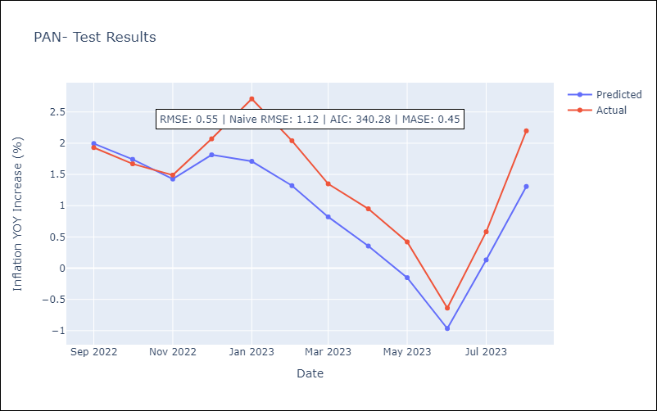

Appendix A: Model Summary
Model | ARIMA(0, 1, 0)x(0, 0, [1], 12)
Sample | 01-01-1992- 08-01-2023
No. of Observations | 380
Terms | P-value (Statistical significance)
ma.S.L12 | 0.000
sigma2 | 0.000
Assumptions | P-value | Interpretation
Ljung-Box (L1) | 0.00 | Residuals are not independent.
Heteroskedasticity | 0.00 | Residuals have different variances.
Jarque-Bera | 0.00 | Residuals are not normally distributed.
Skew | -0.17 | Negative skew - Model overestimates the mean.
Kurtosis | 5.50 | Residuals contain more extreme outliers than in a normal distribution.

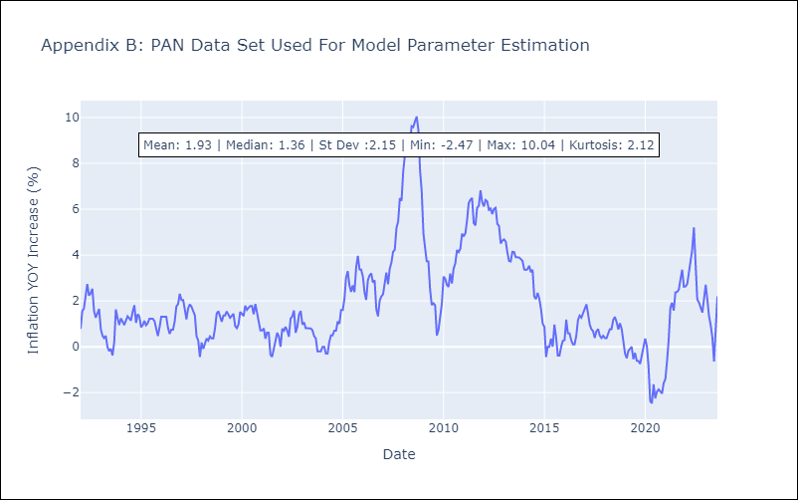

Appendix C: Residuals Analysis
Mean | 0.01
Variance | 0.15
White Noise? | No - Correlation at Lags [ 1 2 3 4 5 6 7 8 9 10 11 12]
Heteroskedastic? - ARCH | Yes
Normal? | No

PRY
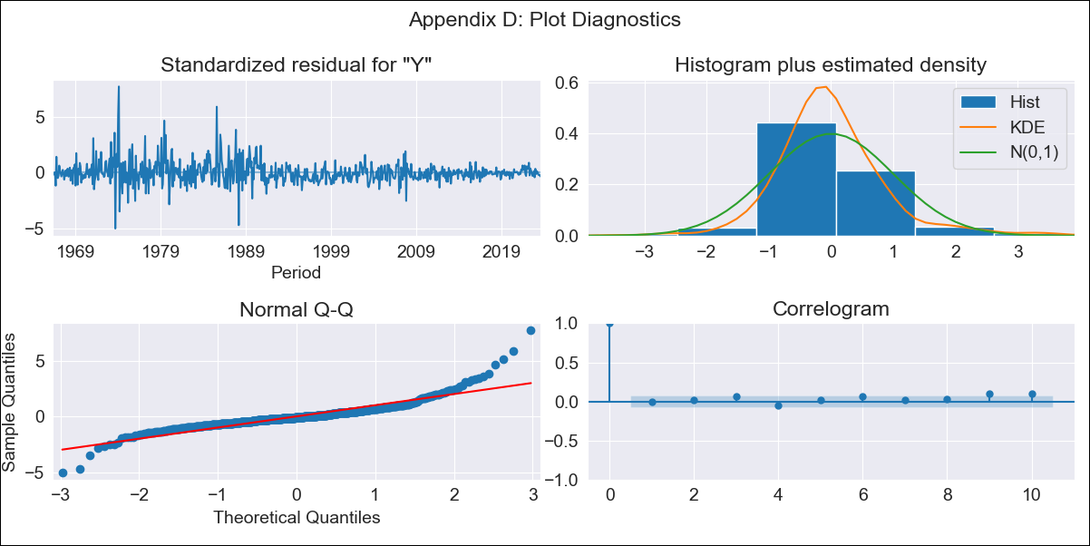
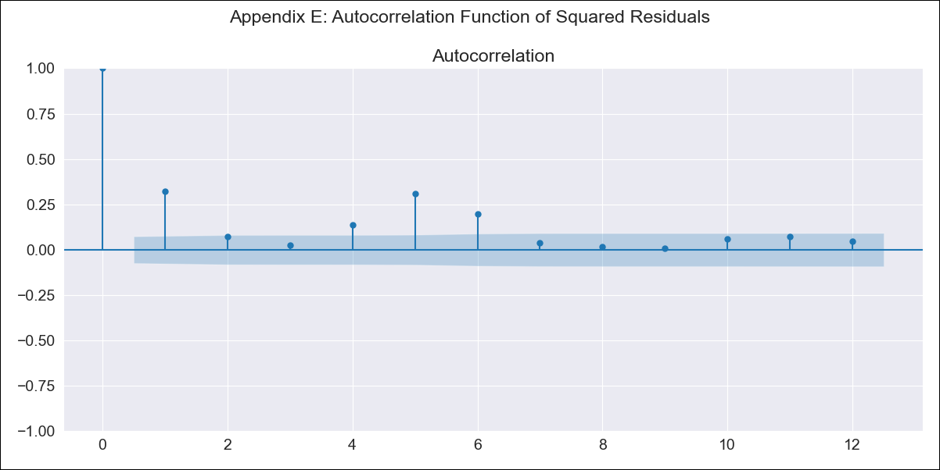
PRY - Inflation - Next 12 months forecast as of: 2023-08-01

Model | ARIMA - [(0, 1, 2), (0, 0, 1, 12)]
Training Data | 1965-01-01 to 2022-09-01
Test Data | 2022-09-01 to 2023-08-01

Date | Inflation Change YoY % | Lower Bound - 95% Confidence Interval | Upper Bound - 95% Confidence Interval
2023-09-01 | 3.23 | -0.04 | 6.5
2023-10-01 | 3.47 | -1.69 | 8.63
2023-11-01 | 3.31 | -3.16 | 9.79
2023-12-01 | 3.86 | -3.7 | 11.42
2024-01-01 | 3.53 | -4.98 | 12.05
2024-02-01 | 3.6 | -5.76 | 12.97
2024-03-01 | 3.5 | -6.66 | 13.65
2024-04-01 | 3.38 | -7.5 | 14.26
2024-05-01 | 3.61 | -7.95 | 15.16
2024-06-01 | 3.97 | -8.23 | 16.18
2024-07-01 | 4.31 | -8.5 | 17.12
2024-08-01 | 4.83 | -8.57 | 18.22

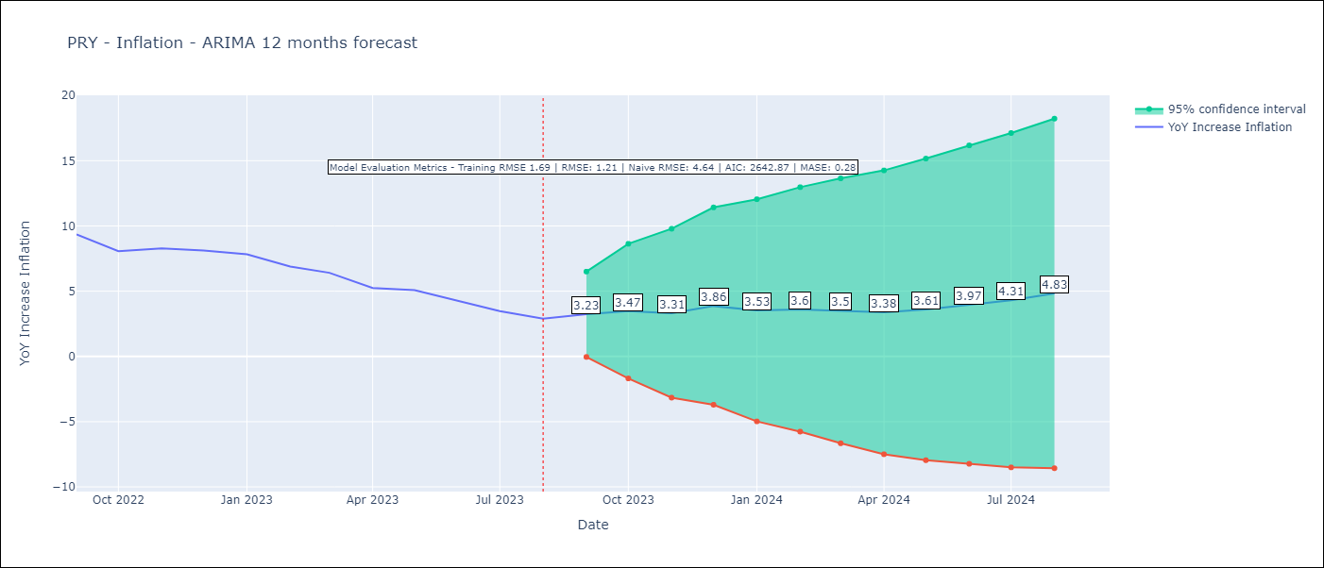

Test Metrics
RMSE | 1.21
Naive RMSE | 4.64
MASE | 0.28

Test Predictions
Date | Predicted | Actual
2022-09-01 | 9.86 | 9.35
2022-10-01 | 8.86 | 8.07
2022-11-01 | 8.88 | 8.29
2022-12-01 | 9.37 | 8.12
2023-01-01 | 8.69 | 7.83
2023-02-01 | 7.83 | 6.88
2023-03-01 | 7.23 | 6.41
2023-04-01 | 5.93 | 5.25
2023-05-01 | 6.03 | 5.08
2023-06-01 | 5.63 | 4.24
2023-07-01 | 5.28 | 3.48
2023-08-01 | 5.33 | 2.9

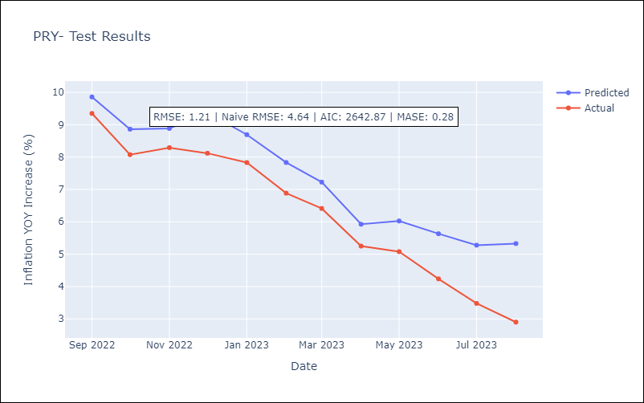

Appendix A: Model Summary
Model | ARIMA(0, 1, 2)x(0, 0, [1], 12)
Sample | 01-01-1965- 08-01-2023
No. of Observations | 704
Terms | P-value (Statistical significance)
ma.L1 | 0.000
ma.L2 | 0.385
ma.S.L12 | 0.000
sigma2 | 0.000
Assumptions | P-value | Interpretation
Ljung-Box (L1) | 0.96 | Residuals are independent.
Heteroskedasticity | 0.00 | Residuals have different variances.
Jarque-Bera | 0.00 | Residuals are not normally distributed.
Skew | 1.39 | Positive skew - model underestimates the mean.
Kurtosis | 13.36 | Residuals contain more extreme outliers than in a normal distribution.

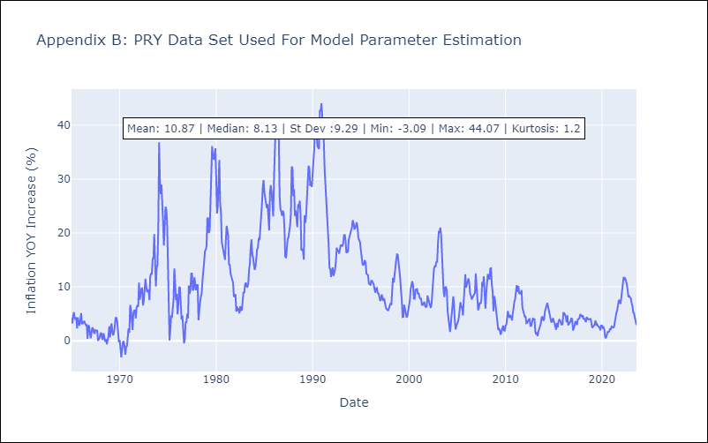

Appendix C: Residuals Analysis
Mean | 0.02
Variance | 2.81
White Noise? | No - Correlation at Lags [10 11 12]
Heteroskedastic? - ARCH | Yes
Normal? | No

SLV
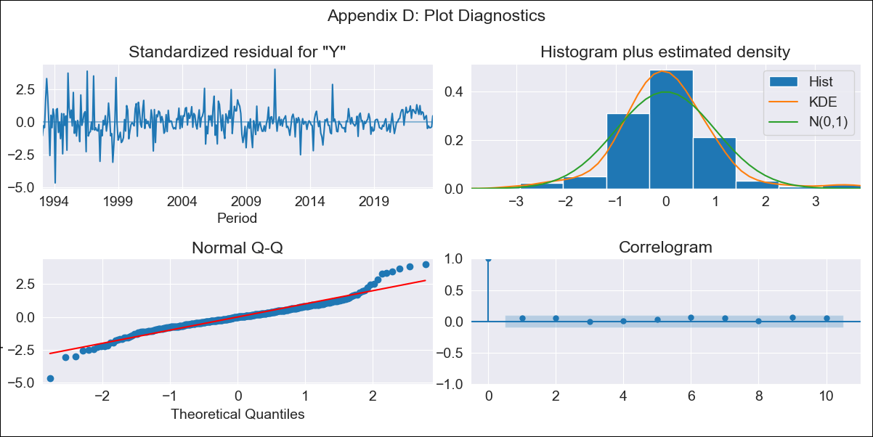

SLV - Inflation - Next 12 months forecast as of: 2023-08-01

Model | ARIMA - [(1, 0, 0), (2, 0, 0, 12)]
Training Data | 1991-01-01 to 2022-09-01
Test Data | 2022-09-01 to 2023-08-01

Date | Inflation Change YoY % | Lower Bound - 95% Confidence Interval | Upper Bound - 95% Confidence Interval
2023-09-01 | 2.86 | 1.49 | 4.23
2023-10-01 | 2.59 | 0.67 | 4.5
2023-11-01 | 2.34 | 0.02 | 4.65
2023-12-01 | 2.26 | -0.39 | 4.9
2024-01-01 | 2.22 | -0.7 | 5.15
2024-02-01 | 2.2 | -0.97 | 5.36
2024-03-01 | 2.61 | -0.78 | 5.99
2024-04-01 | 2.97 | -0.61 | 6.55
2024-05-01 | 3.25 | -0.51 | 7
2024-06-01 | 3.48 | -0.43 | 7.4
2024-07-01 | 3.8 | -0.26 | 7.87
2024-08-01 | 3.8 | -0.4 | 8

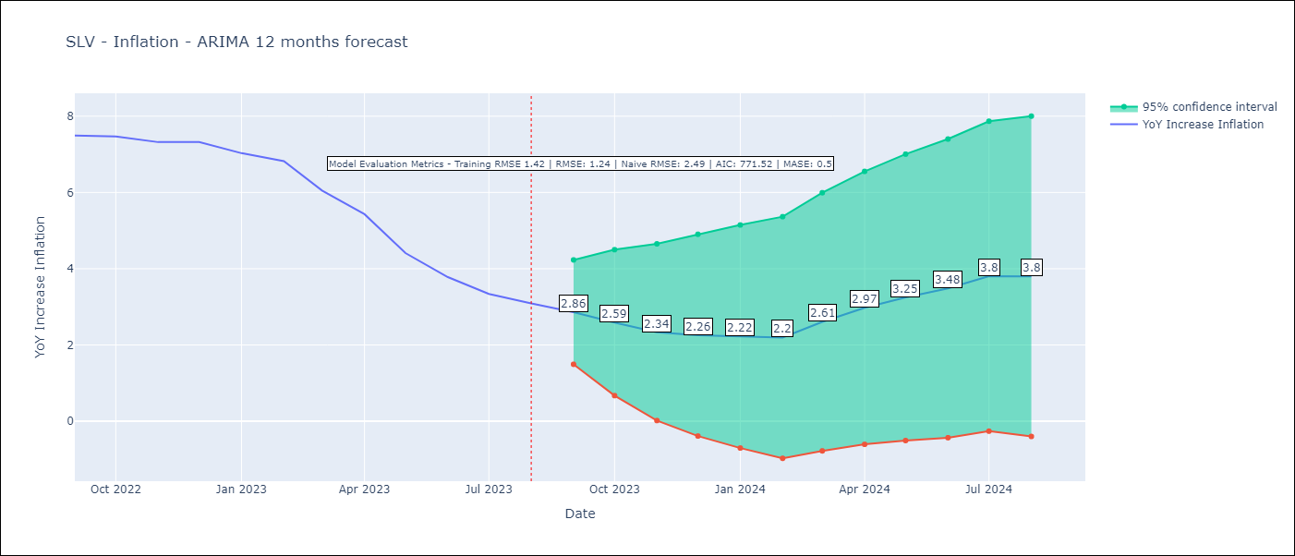

Test Metrics
RMSE | 1.24
Naive RMSE | 2.49
MASE | 0.5

Test Predictions
Date | Predicted | Actual
2022-09-01 | 7.1 | 7.49
2022-10-01 | 6.56 | 7.47
2022-11-01 | 5.94 | 7.32
2022-12-01 | 5.84 | 7.32
2023-01-01 | 5.33 | 7.03
2023-02-01 | 4.82 | 6.82
2023-03-01 | 4.45 | 6.05
2023-04-01 | 4.08 | 5.43
2023-05-01 | 3.41 | 4.41
2023-06-01 | 3.11 | 3.78
2023-07-01 | 2.95 | 3.34
2023-08-01 | 2.38 | 3.09

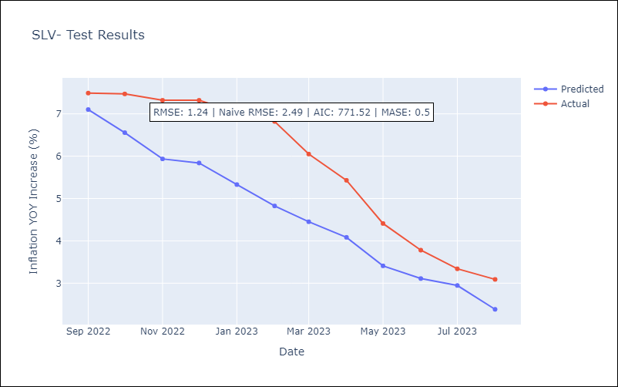

Appendix A: Model Summary
Model | ARIMA(1, 0, 0)x(2, 0, 0, 12)
Sample | 01-01-1991- 08-01-2023
No. of Observations | 392
Terms | P-value (Statistical significance)
const | 0.027
ar.L1 | 0.000
ar.S.L12 | 0.000
ar.S.L24 | 0.000
sigma2 | 0.000
Assumptions | P-value | Interpretation
Ljung-Box (L1) | 0.28 | Residuals are independent.
Heteroskedasticity | 0.00 | Residuals have different variances.
Jarque-Bera | 0.00 | Residuals are not normally distributed.
Skew | 0.28 | Positive skew - model underestimates the mean.
Kurtosis | 6.48 | Residuals contain more extreme outliers than in a normal distribution.

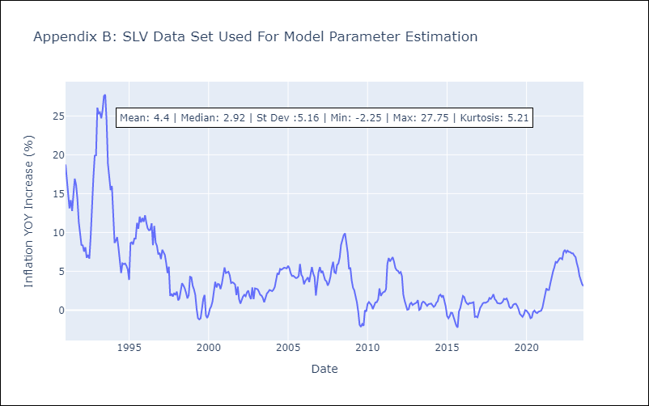

Appendix C: Residuals Analysis
Mean | 0.11
Variance | 1.93
White Noise? | No - Correlation at Lags [ 7 8 10 12]
Heteroskedastic? - ARCH | No
Normal? | No

URY
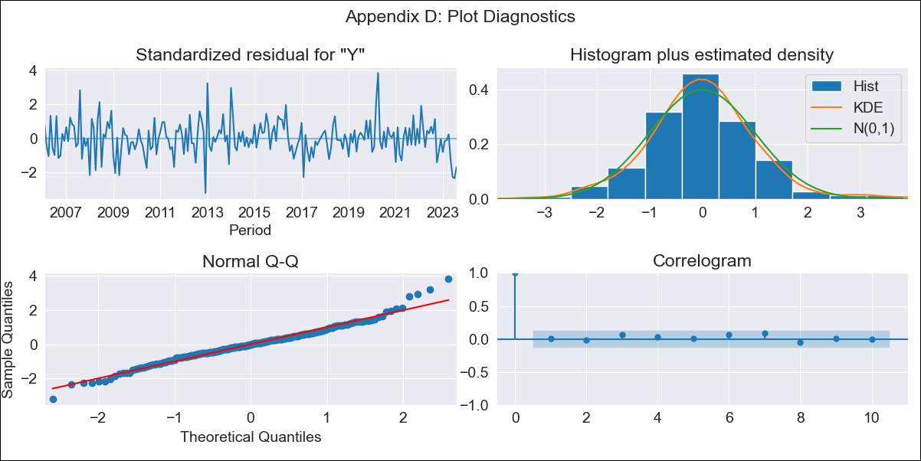

URY - Inflation - Next 12 months forecast as of: 2023-08-01

Model | ARIMA - [(3, 0, 0), (0, 0, 1, 12)]
Training Data | 2005-01-01 to 2022-09-01
Test Data | 2022-09-01 to 2023-08-01

Date | Inflation Change YoY % | Lower Bound - 95% Confidence Interval | Upper Bound - 95% Confidence Interval
2023-09-01 | 4.14 | 3.31 | 4.97
2023-10-01 | 4.79 | 3.52 | 6.07
2023-11-01 | 5.31 | 3.79 | 6.82
2023-12-01 | 5.51 | 3.84 | 7.19
2024-01-01 | 5.81 | 4.01 | 7.61
2024-02-01 | 6.02 | 4.12 | 7.93
2024-03-01 | 6.18 | 4.19 | 8.17
2024-04-01 | 6.25 | 4.19 | 8.31
2024-05-01 | 6.62 | 4.5 | 8.74
2024-06-01 | 7.26 | 5.08 | 9.43
2024-07-01 | 7.89 | 5.67 | 10.11
2024-08-01 | 8.3 | 6.05 | 10.56

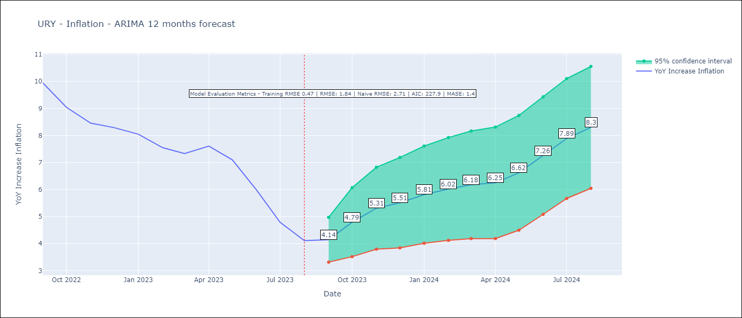

Test Metrics
RMSE | 1.84
Naive RMSE | 2.71
MASE | 1.4

Test Predictions
Date | Predicted | Actual
2022-09-01 | 9.48 | 9.95
2022-10-01 | 9.13 | 9.05
2022-11-01 | 9.1 | 8.46
2022-12-01 | 8.99 | 8.29
2023-01-01 | 8.99 | 8.05
2023-02-01 | 8.59 | 7.55
2023-03-01 | 8.36 | 7.33
2023-04-01 | 8.48 | 7.61
2023-05-01 | 8.45 | 7.1
2023-06-01 | 8.37 | 5.98
2023-07-01 | 8.21 | 4.79
2023-08-01 | 8.15 | 4.11

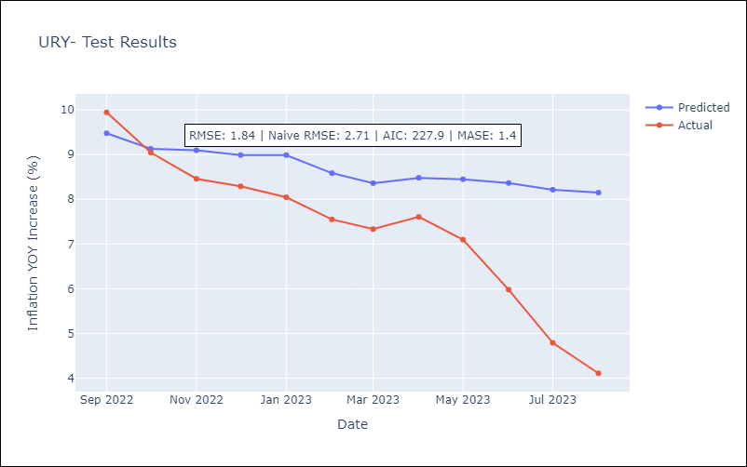

Appendix A: Model Summary
Model | ARIMA(3, 0, 0)x(0, 0, [1], 12)
Sample | 01-01-2005- 08-01-2023
No. of Observations | 224
Terms | P-value (Statistical significance)
const | 0.000
ar.L1 | 0.000
ar.L2 | 0.000
ar.L3 | 0.036
ma.S.L12 | 0.000
sigma2 | 0.000
Assumptions | P-value | Interpretation
Ljung-Box (L1) | 0.95 | Residuals are independent.
Heteroskedasticity | 0.65 | Residuals have the same variance.
Jarque-Bera | 0.00 | Residuals are not normally distributed.
Skew | 0.28 | Positive skew - model underestimates the mean.
Kurtosis | 4.50 | Residuals contain more extreme outliers than in a normal distribution.

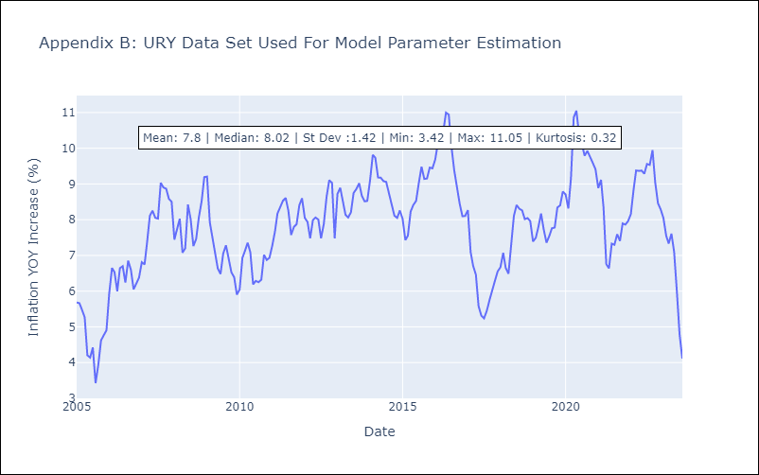

Appendix C: Residuals Analysis
Mean | -0.02
Variance | 0.22
White Noise? | Yes
Heteroskedastic? - ARCH | No
Normal? | No

