CHL
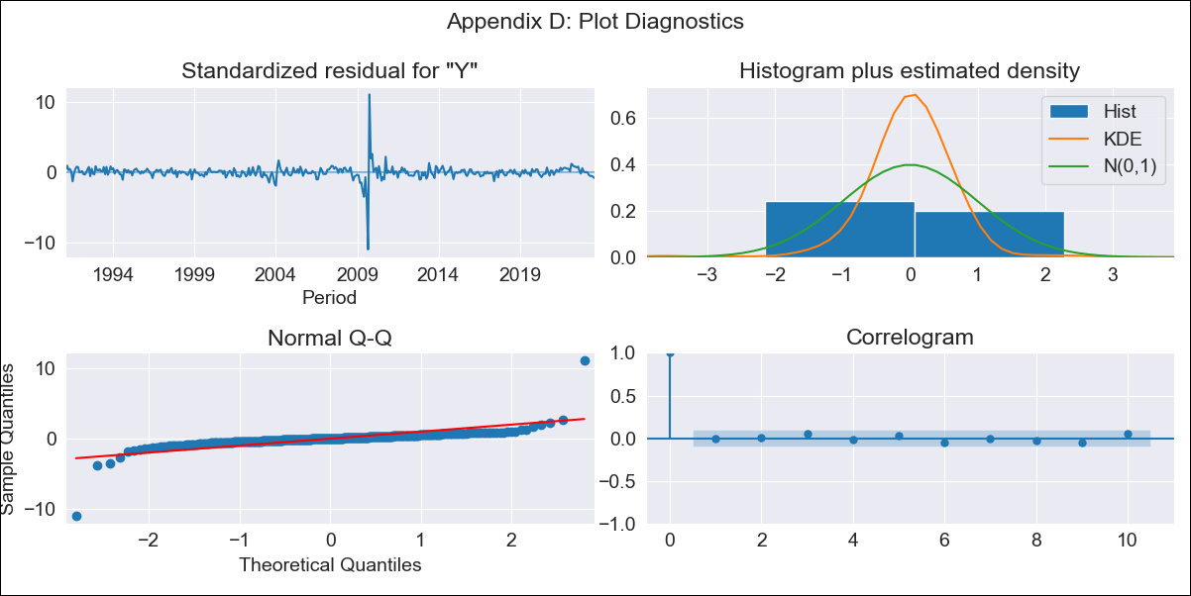

CHL - Inflation - Next 12 months forecast as of: 2023-08-01

Model | ARIMA - [(3, 0, 0), (0, 0, 1, 12)]
Training Data | 1990-01-01 to 2022-09-01
Test Data | 2022-09-01 to 2023-08-01

Date | Inflation Change YoY % | Lower Bound - 95% Confidence Interval | Upper Bound - 95% Confidence Interval
2023-09-01 | 5.23 | 3.29 | 7.61
2023-10-01 | 5.11 | 2.65 | 8.33
2023-11-01 | 4.97 | 2.1 | 8.98
2023-12-01 | 4.91 | 1.74 | 9.54
2024-01-01 | 4.86 | 1.46 | 10.04
2024-02-01 | 4.81 | 1.23 | 10.46
2024-03-01 | 4.79 | 1.04 | 10.85
2024-04-01 | 4.81 | 0.92 | 11.27
2024-05-01 | 4.85 | 0.82 | 11.68
2024-06-01 | 4.9 | 0.74 | 12.06
2024-07-01 | 4.96 | 0.69 | 12.44
2024-08-01 | 5.05 | 0.65 | 12.84

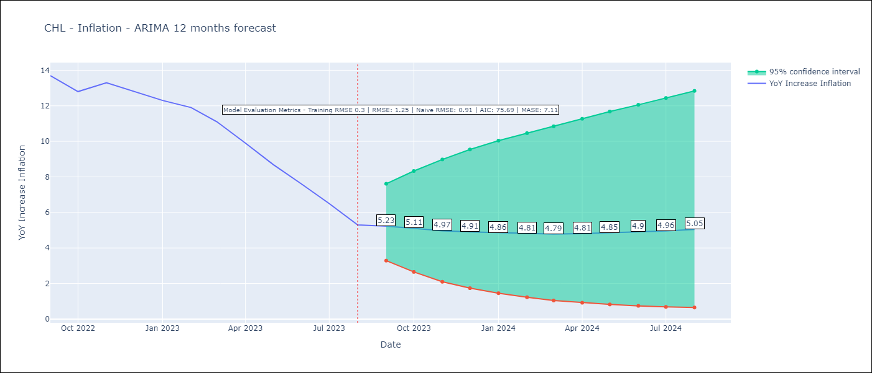

Test Metrics
RMSE | 1.25
Naive RMSE | 0.91
MASE | 7.11

Test Predictions
Date | Predicted | Actual
2022-09-01 | 13.37 | 13.7
2022-10-01 | 12.85 | 12.8
2022-11-01 | 12.23 | 13.3
2022-12-01 | 11.69 | 12.8
2023-01-01 | 11.17 | 12.3
2023-02-01 | 10.78 | 11.9
2023-03-01 | 10.16 | 11.1
2023-04-01 | 9.65 | 9.9
2023-05-01 | 9.2 | 8.7
2023-06-01 | 8.78 | 7.6
2023-07-01 | 8.42 | 6.5
2023-08-01 | 8.05 | 5.3

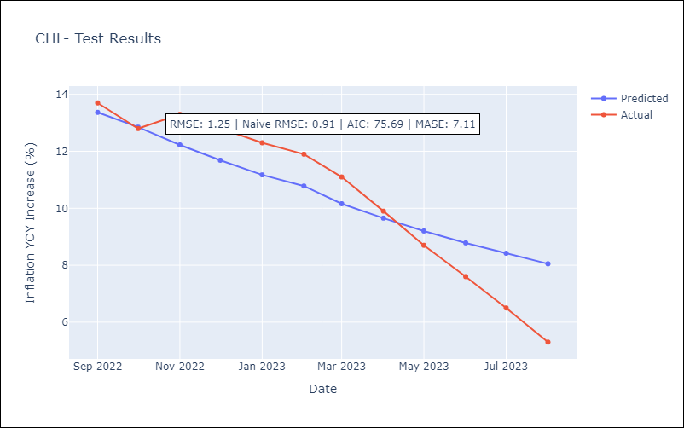

Appendix A: Model Summary
Model | ARIMA(3, 0, 0)x(0, 0, [1], 12)
Sample | 01-01-1990- 08-01-2023
No. of Observations | 404
Terms | P-value (Statistical significance)
const | 0.000
ar.L1 | 0.000
ar.L2 | 0.000
ar.L3 | 0.000
ma.S.L12 | 0.000
sigma2 | 0.000
Assumptions | P-value | Interpretation
Ljung-Box (L1) | 0.92 | Residuals are independent.
Heteroskedasticity | 0.13 | Residuals have the same variance.
Jarque-Bera | 0.00 | Residuals are not normally distributed.
Skew | -0.12 | Negative skew - Model overestimates the mean.
Kurtosis | 78.34 | Residuals contain more extreme outliers than in a normal distribution.

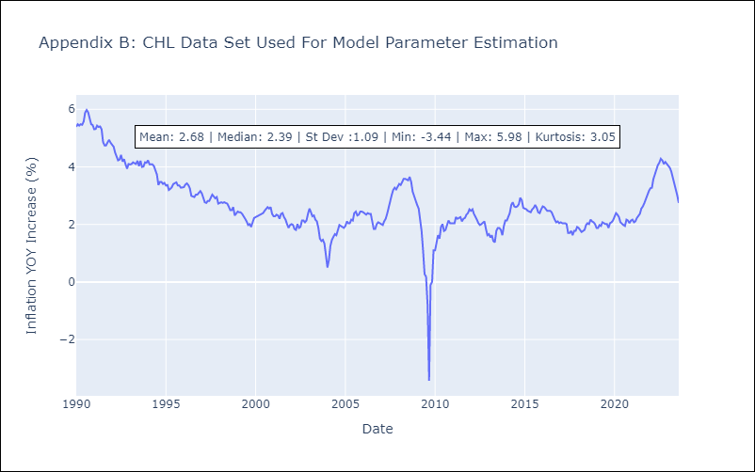

Appendix C: Residuals Analysis
Mean | 0.01
Variance | 0.09
White Noise? | Yes
Heteroskedastic? - ARCH | Yes
Normal? | No

ECU
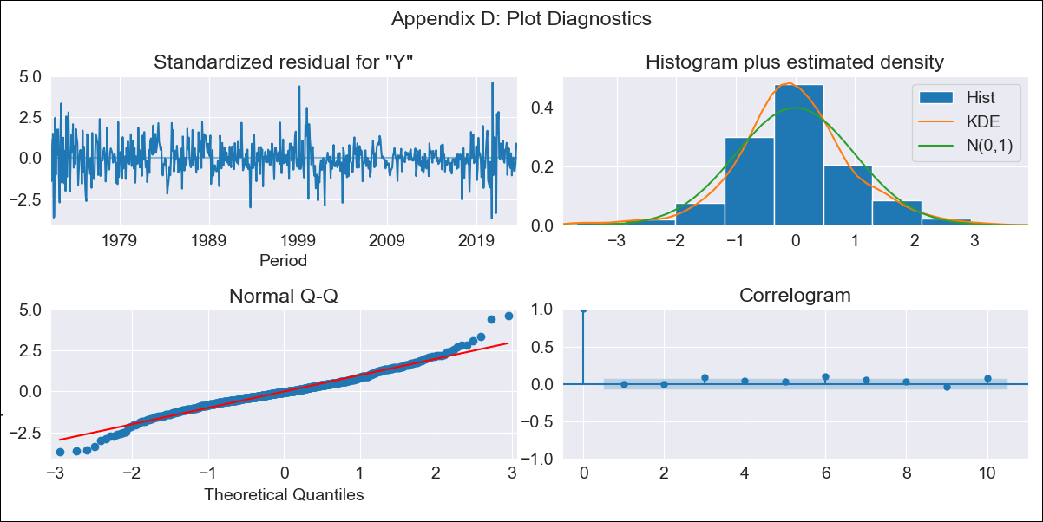
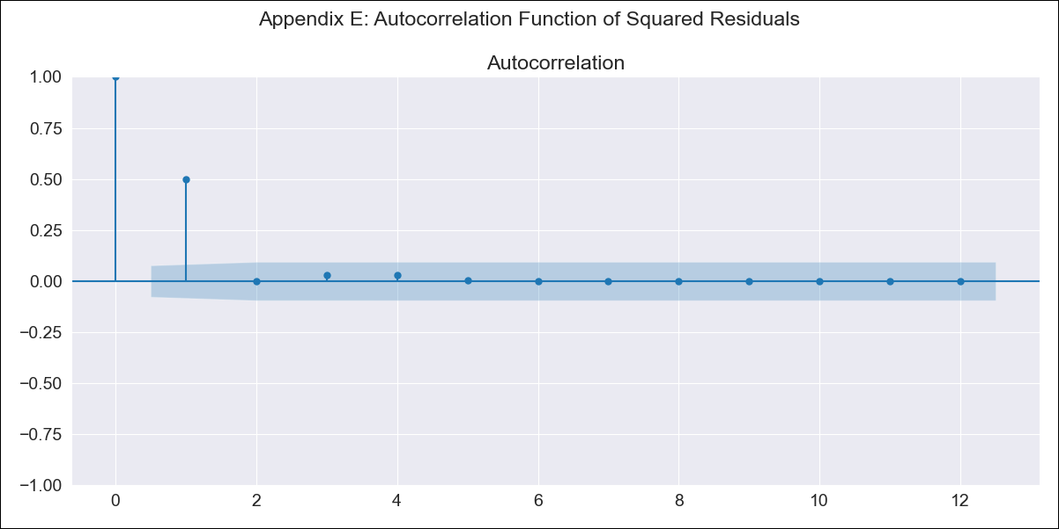
ECU - Inflation - Next 12 months forecast as of: 2023-08-01

Model | ARIMA - [(1, 0, 2), (0, 0, 1, 12)]
Training Data | 1970-01-01 to 2022-09-01
Test Data | 2022-09-01 to 2023-08-01

Date | Inflation Change YoY % | Lower Bound - 95% Confidence Interval | Upper Bound - 95% Confidence Interval
2023-09-01 | 2.77 | 1.72 | 4.01
2023-10-01 | 2.85 | 1.22 | 5
2023-11-01 | 2.88 | 0.8 | 5.87
2023-12-01 | 2.91 | 0.51 | 6.63
2024-01-01 | 2.94 | 0.28 | 7.3
2024-02-01 | 2.97 | 0.09 | 7.94
2024-03-01 | 3 | -0.07 | 8.56
2024-04-01 | 3.03 | -0.22 | 9.15
2024-05-01 | 3.05 | -0.34 | 9.71
2024-06-01 | 3.08 | -0.45 | 10.26
2024-07-01 | 3.12 | -0.54 | 10.84
2024-08-01 | 3.17 | -0.62 | 11.41

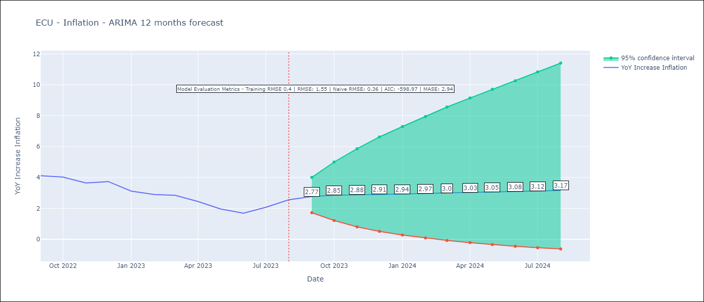

Test Metrics
RMSE | 1.55
Naive RMSE | 0.36
MASE | 2.94

Test Predictions
Date | Predicted | Actual
2022-09-01 | 3.74 | 4.12
2022-10-01 | 3.82 | 4.02
2022-11-01 | 3.89 | 3.64
2022-12-01 | 3.95 | 3.74
2023-01-01 | 4.03 | 3.12
2023-02-01 | 4.09 | 2.9
2023-03-01 | 4.14 | 2.85
2023-04-01 | 4.21 | 2.44
2023-05-01 | 4.28 | 1.97
2023-06-01 | 4.36 | 1.69
2023-07-01 | 4.4 | 2.07
2023-08-01 | 4.45 | 2.56

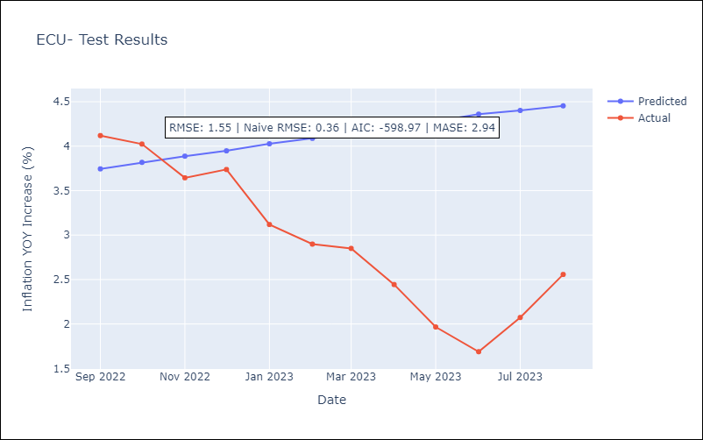

Appendix A: Model Summary
Model | ARIMA(1, 0, 2)x(0, 0, [1], 12)
Sample | 01-01-1970- 08-01-2023
No. of Observations | 644
Terms | P-value (Statistical significance)
const | 0.013
ar.L1 | 0.000
ma.L1 | 0.000
ma.L2 | 0.000
ma.S.L12 | 0.000
sigma2 | 0.000
Assumptions | P-value | Interpretation
Ljung-Box (L1) | 0.93 | Residuals are independent.
Heteroskedasticity | 0.00 | Residuals have different variances.
Jarque-Bera | 0.00 | Residuals are not normally distributed.
Skew | 0.17 | Positive skew - model underestimates the mean.
Kurtosis | 5.23 | Residuals contain more extreme outliers than in a normal distribution.

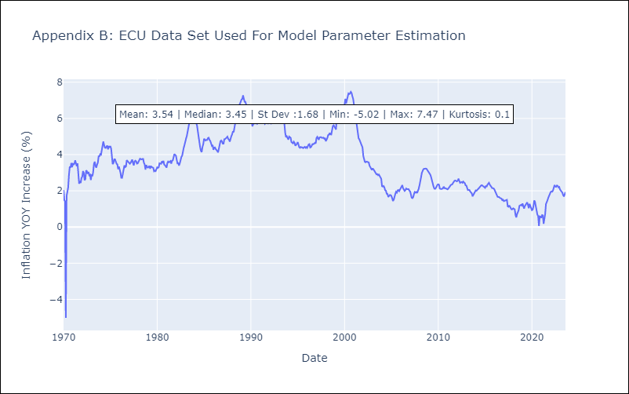

Appendix C: Residuals Analysis
Mean | -0.0
Variance | 0.16
White Noise? | No - Correlation at Lags [ 1 2 3 4 5 6 7 8 9 10 11 12]
Heteroskedastic? - ARCH | Yes
Normal? | No

HND
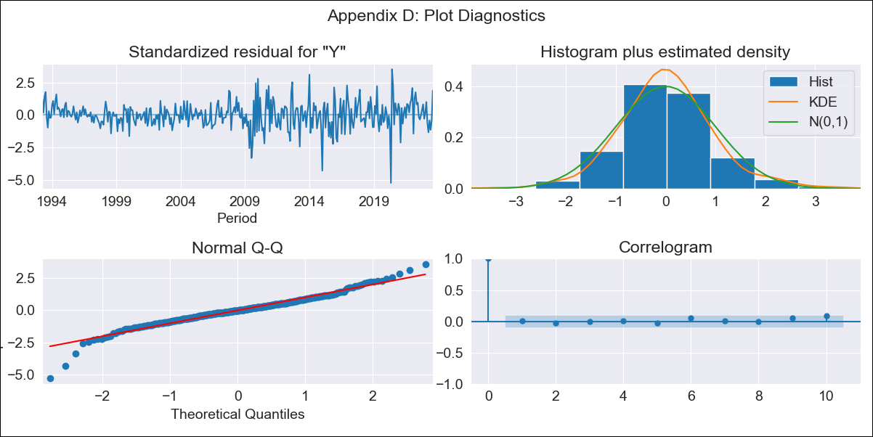

HND - Inflation - Next 12 months forecast as of: 2023-08-01

Model | ARIMA - [(1, 1, 1), (0, 0, 2, 12)]
Training Data | 1991-01-01 to 2022-09-01
Test Data | 2022-09-01 to 2023-08-01

Date | Inflation Change YoY % | Lower Bound - 95% Confidence Interval | Upper Bound - 95% Confidence Interval
2023-09-01 | 5.87 | 5.15 | 6.72
2023-10-01 | 5.87 | 4.74 | 7.34
2023-11-01 | 5.74 | 4.32 | 7.77
2023-12-01 | 5.81 | 4.11 | 8.46
2024-01-01 | 5.87 | 3.92 | 9.14
2024-02-01 | 5.62 | 3.58 | 9.23
2024-03-01 | 5.73 | 3.49 | 9.99
2024-04-01 | 6.12 | 3.55 | 11.4
2024-05-01 | 6.38 | 3.55 | 12.66
2024-06-01 | 6.84 | 3.65 | 14.59
2024-07-01 | 7.14 | 3.66 | 16.26
2024-08-01 | 6.73 | 3.37 | 15.79

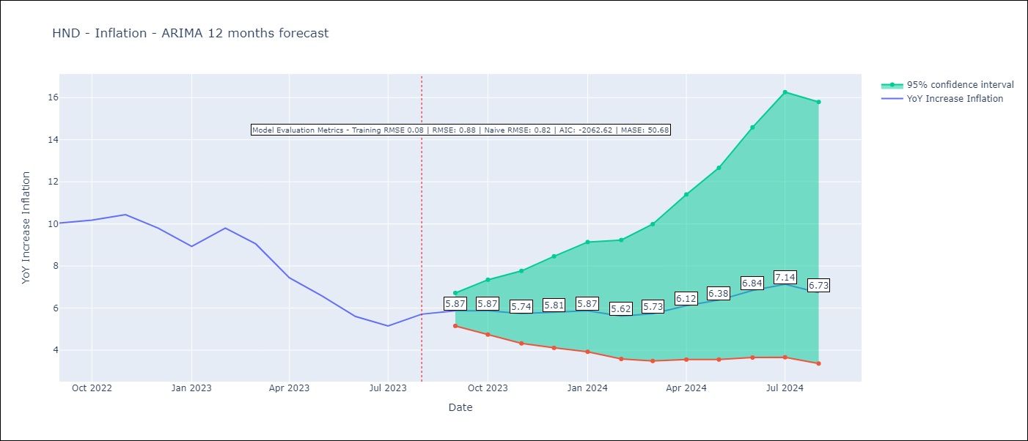

Test Metrics
RMSE | 0.88
Naive RMSE | 0.82
MASE | 50.68

Test Predictions
Date | Predicted | Actual
2022-09-01 | 10.07 | 10.04
2022-10-01 | 9.91 | 10.18
2022-11-01 | 9.45 | 10.44
2022-12-01 | 8.9 | 9.8
2023-01-01 | 8.02 | 8.93
2023-02-01 | 8.07 | 9.8
2023-03-01 | 7.65 | 9.05
2023-04-01 | 6.98 | 7.44
2023-05-01 | 6.55 | 6.58
2023-06-01 | 6.18 | 5.6
2023-07-01 | 6.07 | 5.15
2023-08-01 | 6.12 | 5.71

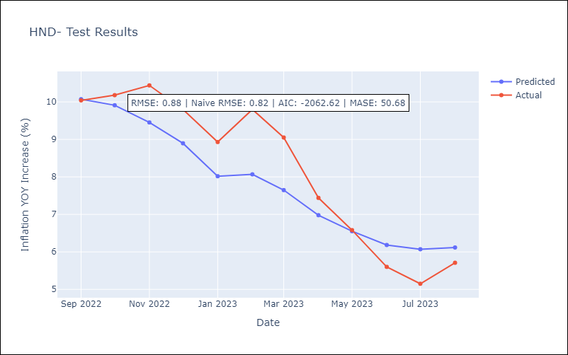

Appendix A: Model Summary
Model | ARIMA(1, 1, 1)x(0, 0, [1, 2], 12)
Sample | 01-01-1991- 08-01-2023
No. of Observations | 392
Terms | P-value (Statistical significance)
ar.L1 | 0.000
ma.L1 | 0.034
ma.S.L12 | 0.000
ma.S.L24 | 0.089
sigma2 | 0.000
Assumptions | P-value | Interpretation
Ljung-Box (L1) | 0.92 | Residuals are independent.
Heteroskedasticity | 0.00 | Residuals have different variances.
Jarque-Bera | 0.00 | Residuals are not normally distributed.
Skew | -0.36 | Negative skew - Model overestimates the mean.
Kurtosis | 6.20 | Residuals contain more extreme outliers than in a normal distribution.

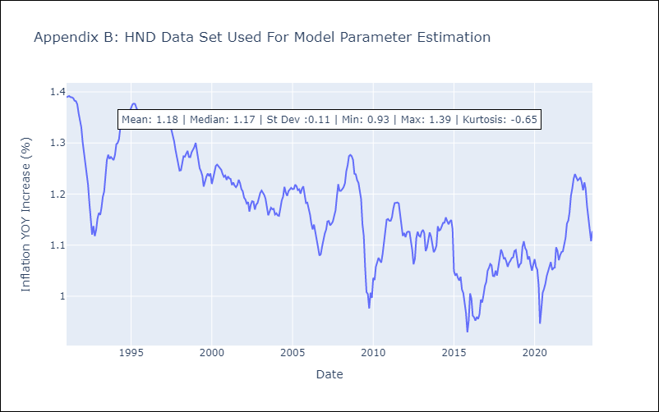

Appendix C: Residuals Analysis
Mean | 0.0
Variance | 0.01
White Noise? | No - Correlation at Lags [ 1 2 3 4 5 6 7 8 9 10 11 12]
Heteroskedastic? - ARCH | Yes
Normal? | No

MEX
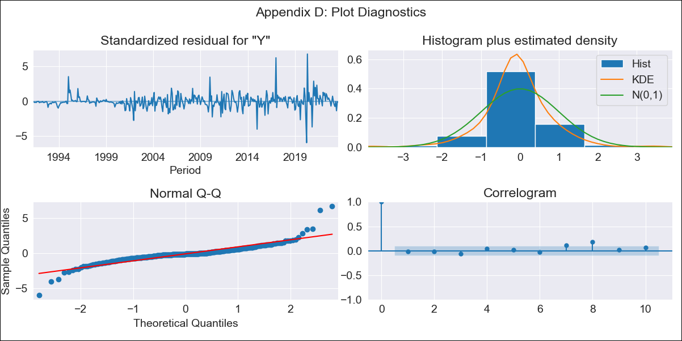

MEX - Inflation - Next 12 months forecast as of: 2023-08-01

Model | ARIMA - [(0, 1, 1), (0, 0, 1, 12)]
Training Data | 1990-01-01 to 2022-09-01
Test Data | 2022-09-01 to 2023-08-01

Date | Inflation Change YoY % | Lower Bound - 95% Confidence Interval | Upper Bound - 95% Confidence Interval
2023-09-01 | 4.57 | 4.02 | 5.23
2023-10-01 | 4.57 | 3.7 | 5.76
2023-11-01 | 4.69 | 3.58 | 6.37
2023-12-01 | 4.74 | 3.46 | 6.86
2024-01-01 | 4.63 | 3.26 | 7.03
2024-02-01 | 4.59 | 3.12 | 7.31
2024-03-01 | 4.67 | 3.07 | 7.84
2024-04-01 | 4.83 | 3.07 | 8.59
2024-05-01 | 4.89 | 3.02 | 9.13
2024-06-01 | 5.15 | 3.07 | 10.32
2024-07-01 | 5.26 | 3.05 | 11.17
2024-08-01 | 5.29 | 3 | 11.83

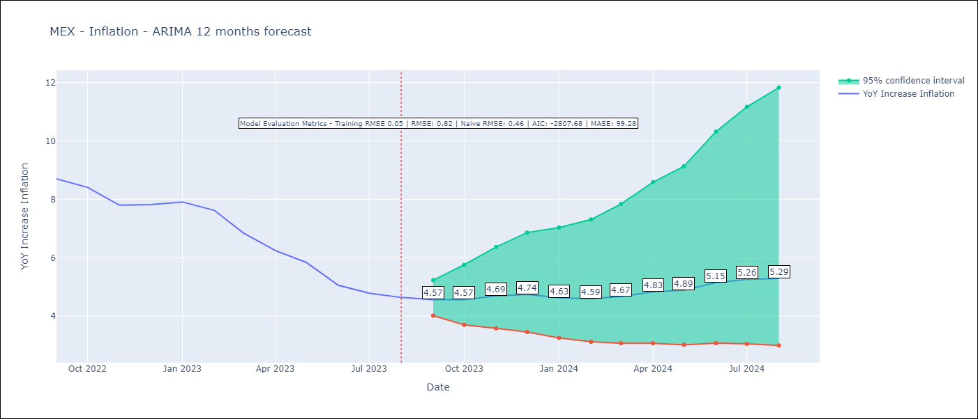

Test Metrics
RMSE | 0.82
Naive RMSE | 0.46
MASE | 99.28

Test Predictions
Date | Predicted | Actual
2022-09-01 | 8.53 | 8.7
2022-10-01 | 8.25 | 8.41
2022-11-01 | 8.19 | 7.8
2022-12-01 | 8.46 | 7.82
2023-01-01 | 8.05 | 7.91
2023-02-01 | 7.59 | 7.62
2023-03-01 | 7.12 | 6.85
2023-04-01 | 6.99 | 6.25
2023-05-01 | 6.68 | 5.84
2023-06-01 | 6.38 | 5.06
2023-07-01 | 6.26 | 4.79
2023-08-01 | 6.13 | 4.64

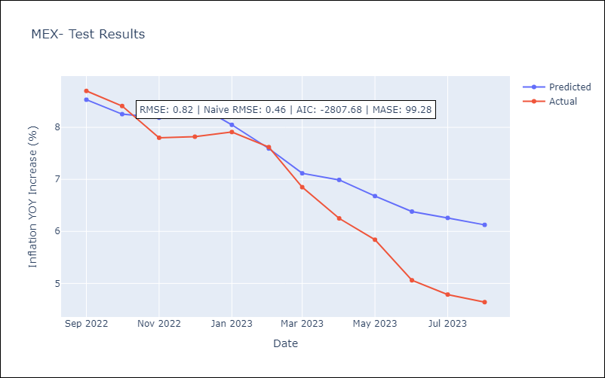

Appendix A: Model Summary
Model | ARIMA(0, 1, 1)x(0, 0, 1, 12)
Sample | 01-01-1990- 08-01-2023
No. of Observations | 404
Terms | P-value (Statistical significance)
ma.L1 | 0.000
ma.S.L12 | 0.000
sigma2 | 0.000
Assumptions | P-value | Interpretation
Ljung-Box (L1) | 0.67 | Residuals are independent.
Heteroskedasticity | 0.00 | Residuals have different variances.
Jarque-Bera | 0.00 | Residuals are not normally distributed.
Skew | 0.80 | Positive skew - model underestimates the mean.
Kurtosis | 15.73 | Residuals contain more extreme outliers than in a normal distribution.

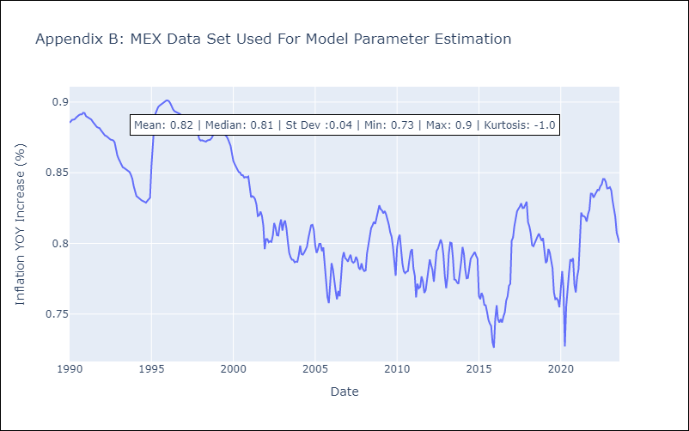

Appendix C: Residuals Analysis
Mean | 0.0
Variance | 0.0
White Noise? | Yes
Heteroskedastic? - ARCH | Yes
Normal? | No

URY
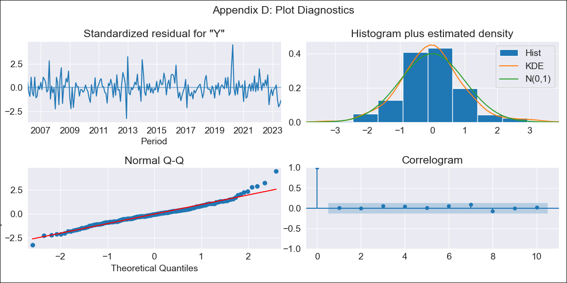

URY - Inflation - Next 12 months forecast as of: 2023-08-01

Model | ARIMA - [(3, 0, 0), (0, 0, 1, 12)]
Training Data | 2005-01-01 to 2022-09-01
Test Data | 2022-09-01 to 2023-08-01

Date | Inflation Change YoY % | Lower Bound - 95% Confidence Interval | Upper Bound - 95% Confidence Interval
2023-09-01 | 4.11 | 2.7 | 5.29
2023-10-01 | 5.04 | 3.06 | 6.63
2023-11-01 | 5.67 | 3.49 | 7.41
2023-12-01 | 5.9 | 3.55 | 7.76
2024-01-01 | 6.22 | 3.78 | 8.15
2024-02-01 | 6.44 | 3.91 | 8.42
2024-03-01 | 6.58 | 3.97 | 8.62
2024-04-01 | 6.62 | 3.93 | 8.72
2024-05-01 | 6.98 | 4.32 | 9.07
2024-06-01 | 7.55 | 5.01 | 9.59
2024-07-01 | 8 | 5.55 | 10
2024-08-01 | 8.28 | 5.86 | 10.27

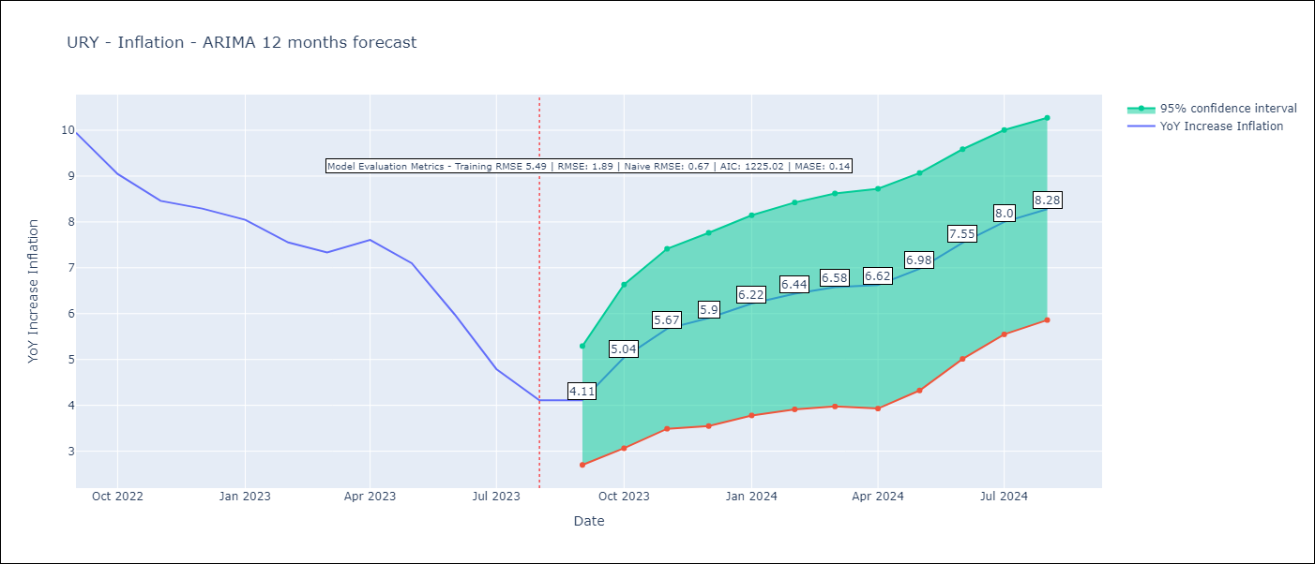

Test Metrics
RMSE | 1.89
Naive RMSE | 0.67
MASE | 0.14

Test Predictions
Date | Predicted | Actual
2022-09-01 | 9.46 | 9.95
2022-10-01 | 9.18 | 9.05
2022-11-01 | 9.15 | 8.46
2022-12-01 | 9.06 | 8.29
2023-01-01 | 9.05 | 8.05
2023-02-01 | 8.68 | 7.55
2023-03-01 | 8.46 | 7.33
2023-04-01 | 8.52 | 7.61
2023-05-01 | 8.48 | 7.1
2023-06-01 | 8.43 | 5.98
2023-07-01 | 8.28 | 4.79
2023-08-01 | 8.23 | 4.11

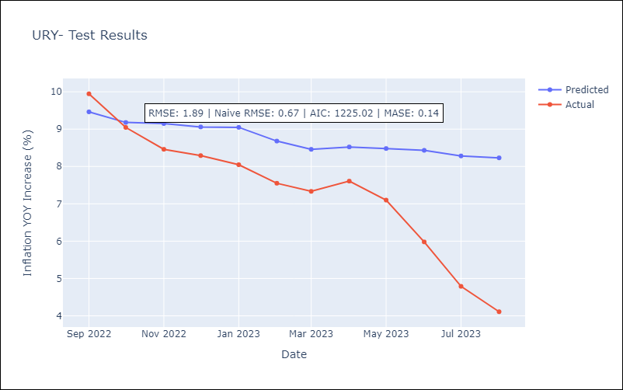

Appendix A: Model Summary
Model | ARIMA(3, 0, 0)x(0, 0, [1], 12)
Sample | 01-01-2005- 08-01-2023
No. of Observations | 224
Terms | P-value (Statistical significance)
const | 0.000
ar.L1 | 0.000
ar.L2 | 0.000
ar.L3 | 0.024
ma.S.L12 | 0.000
sigma2 | 0.000
Assumptions | P-value | Interpretation
Ljung-Box (L1) | 0.94 | Residuals are independent.
Heteroskedasticity | 0.96 | Residuals have the same variance.
Jarque-Bera | 0.00 | Residuals are not normally distributed.
Skew | 0.55 | Positive skew - model underestimates the mean.
Kurtosis | 5.29 | Residuals contain more extreme outliers than in a normal distribution.

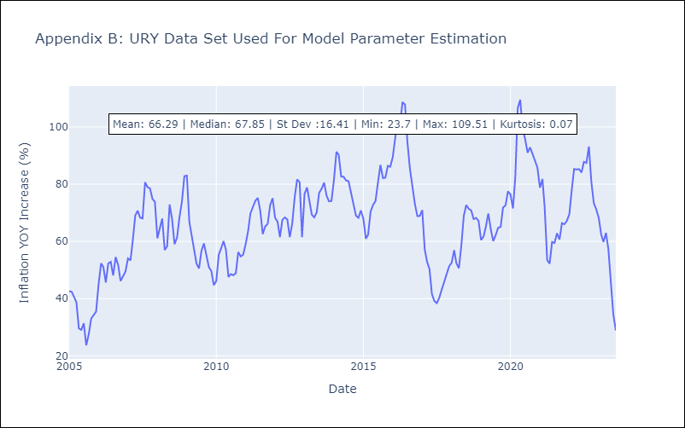

Appendix C: Residuals Analysis
Mean | -0.24
Variance | 30.03
White Noise? | Yes
Heteroskedastic? - ARCH | No
Normal? | No

