PER
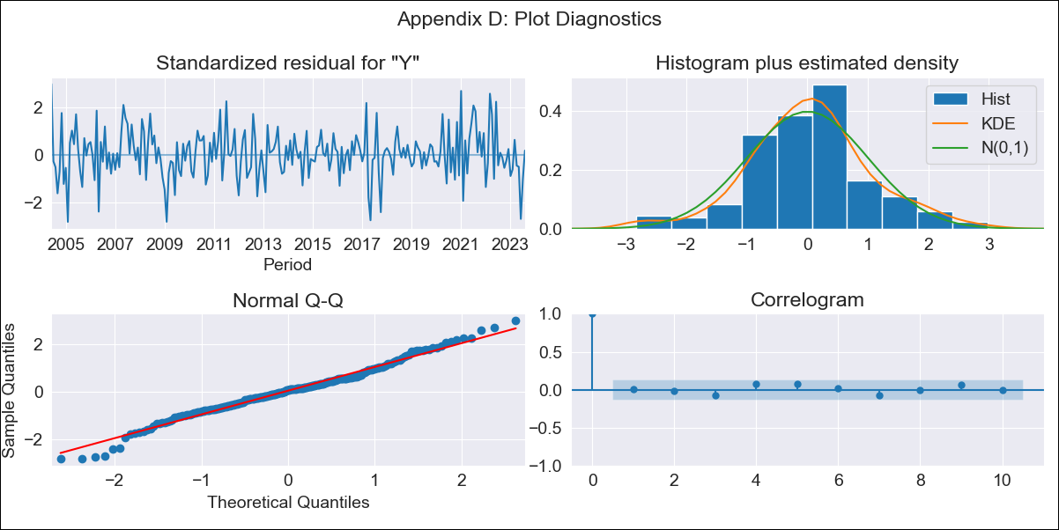
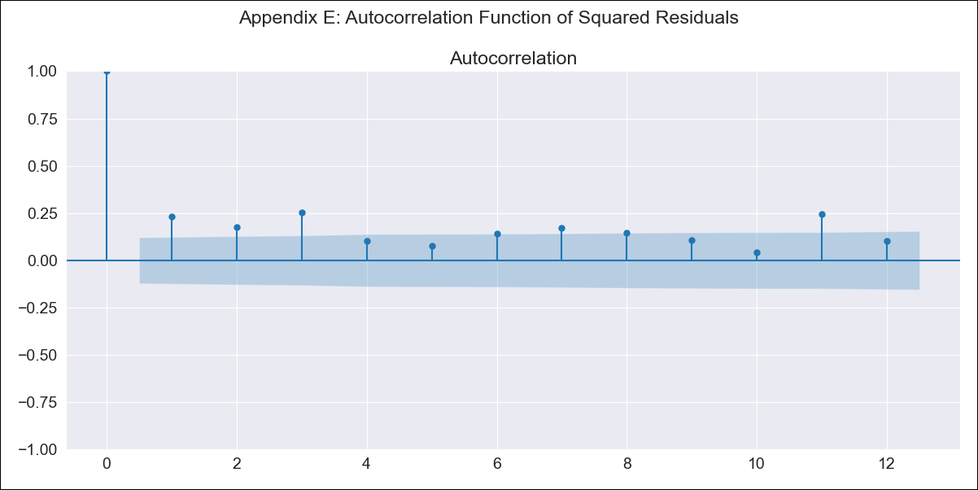
PER - Inflation - Next 12 months forecast as of: 2023-08-01

Model | SARIMAX - [(1, 2, 1), (1, 0, 2, 12)] | Exogenous Variables | Exchange rates (nominal), Monetary Policiy rate, M1 money supply ($mm local currency)
Training Data | 2002-02-01 to 2022-09-01
Test Data | 2022-09-01 to 2023-08-01

Date | Inflation Change YoY % | Lower Bound - 95% Confidence Interval | Upper Bound - 95% Confidence Interval
2023-09-01 | 5.59 | 5.05 | 6.13
2023-10-01 | 5.51 | 4.6 | 6.42
2023-11-01 | 5.45 | 4.21 | 6.7
2023-12-01 | 5.27 | 3.71 | 6.83
2024-01-01 | 5.27 | 3.4 | 7.14
2024-02-01 | 5.31 | 3.13 | 7.48
2024-03-01 | 5.13 | 2.64 | 7.62
2024-04-01 | 5.13 | 2.32 | 7.93
2024-05-01 | 5.15 | 2.02 | 8.27
2024-06-01 | 5.79 | 2.35 | 9.24
2024-07-01 | 6.18 | 2.4 | 9.96
2024-08-01 | 6.26 | 2.14 | 10.38

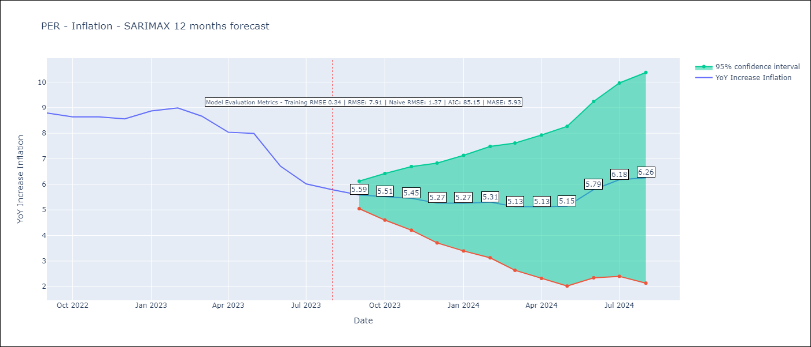

Test Metrics
RMSE | 7.91
Naive RMSE | 1.37
MASE | 5.93

Test Predictions
Date | Predicted | Actual
2022-09-01 | 8.36 | 8.79
2022-10-01 | 7.47 | 8.64
2022-11-01 | 6.36 | 8.64
2022-12-01 | 4.58 | 8.56
2023-01-01 | 3.13 | 8.87
2023-02-01 | 1.36 | 8.99
2023-03-01 | -0.86 | 8.67
2023-04-01 | -2.32 | 8.04
2023-05-01 | -1.33 | 7.99
2023-06-01 | 1.99 | 6.71
2023-07-01 | 9.89 | 6.02
2023-08-01 | 23.54 | 5.79

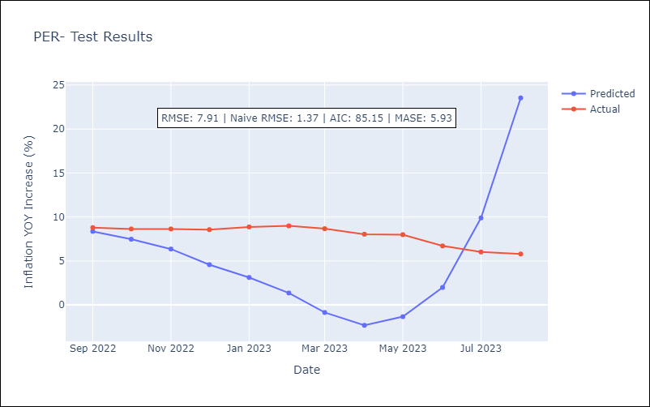

Appendix A: Model Summary
Model | SARIMAX(1, 2, 1)x(1, 0, [1, 2], 12)
Sample | 02-01-2002- 08-01-2023
No. of Observations | 259
Terms | P-value (Statistical significance)
Exchange rates (nominal) | 0.118
Monetary Policiy rate | 0.847
M1 money supply ($mm local currency) | 0.270
ar.L1 | 0.001
ma.L1 | 0.000
ar.S.L12 | 0.000
ma.S.L12 | 0.008
ma.S.L24 | 0.003
sigma2 | 0.000
Assumptions | P-value | Interpretation
Ljung-Box (L1) | 0.85 | Residuals are independent.
Heteroskedasticity | 0.92 | Residuals have the same variance.
Jarque-Bera | 0.10 | Residuals are normally distributed.
Skew | -0.01 | Negative skew - Model overestimates the mean.
Kurtosis | 3.69 | Residuals contain more extreme outliers than in a normal distribution.

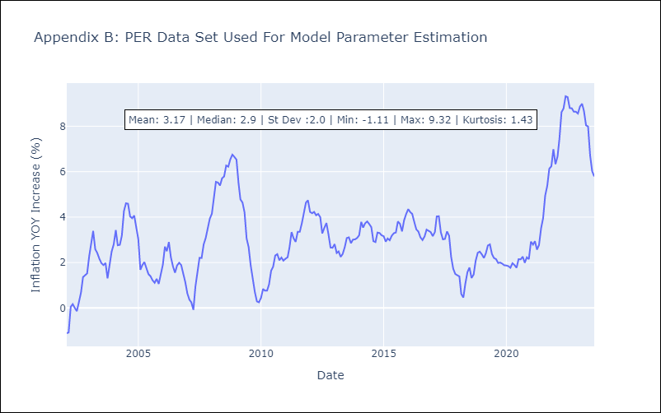

Appendix C: Residuals Analysis
Mean | 0.01
Variance | 0.12
White Noise? | No - Correlation at Lags [8 9]
Heteroskedastic? - ARCH | Yes
Normal? | No

