CHL
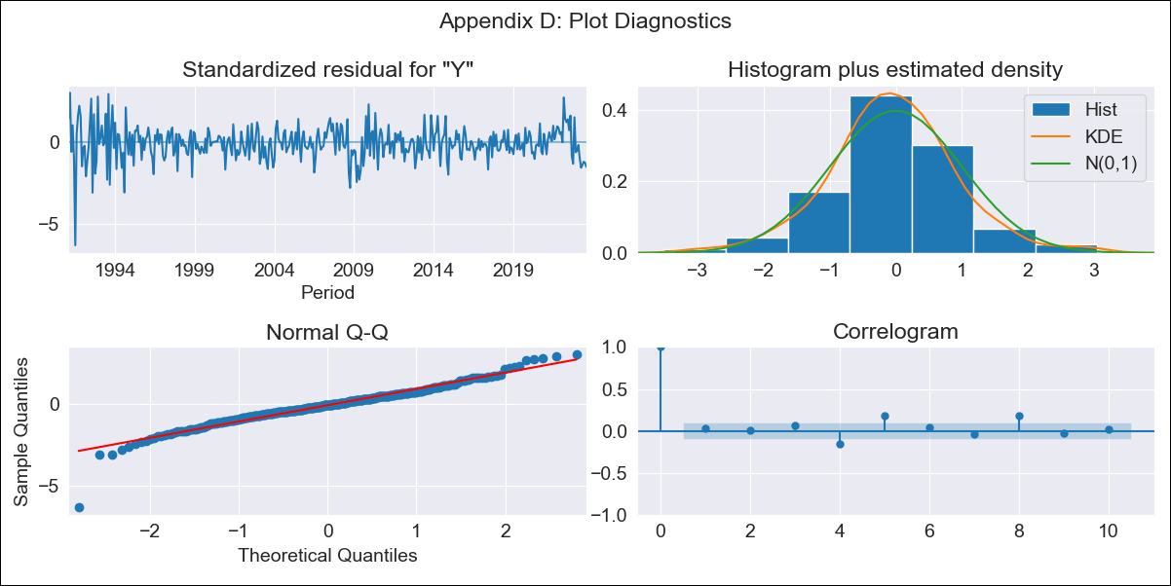

CHL - Inflation - Next 12 months forecast as of: 2023-08-01

Model | ARIMA - [(3, 0, 0), (0, 0, 1, 12)]
Training Data | 1990-01-01 to 2022-09-01
Test Data | 2022-09-01 to 2023-08-01

Date | Inflation Change YoY % | Lower Bound - 95% Confidence Interval | Upper Bound - 95% Confidence Interval
2023-09-01 | 4.93 | 3.81 | 6.05
2023-10-01 | 4.72 | 2.99 | 6.46
2023-11-01 | 4.69 | 2.43 | 6.95
2023-12-01 | 4.68 | 1.98 | 7.37
2024-01-01 | 4.69 | 1.62 | 7.75
2024-02-01 | 4.71 | 1.33 | 8.08
2024-03-01 | 4.72 | 1.08 | 8.36
2024-04-01 | 4.72 | 0.84 | 8.6
2024-05-01 | 4.72 | 0.64 | 8.81
2024-06-01 | 4.73 | 0.46 | 8.99
2024-07-01 | 4.73 | 0.3 | 9.16
2024-08-01 | 4.73 | 0.15 | 9.31

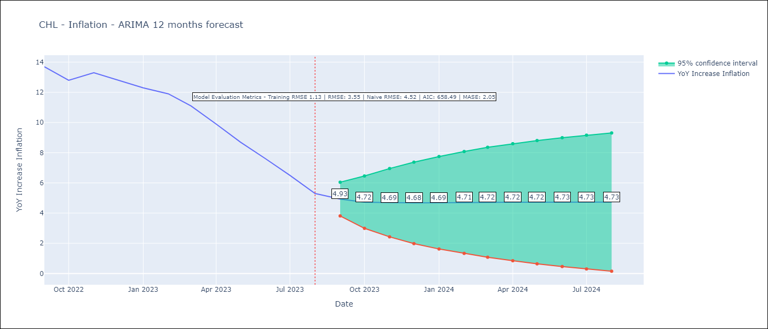

Test Metrics
RMSE | 3.55
Naive RMSE | 4.52
MASE | 2.05

Test Predictions
Date | Predicted | Actual
2022-09-01 | 14.26 | 13.7
2022-10-01 | 14.24 | 12.8
2022-11-01 | 14.09 | 13.3
2022-12-01 | 13.9 | 12.8
2023-01-01 | 13.68 | 12.3
2023-02-01 | 13.46 | 11.9
2023-03-01 | 13.26 | 11.1
2023-04-01 | 13.06 | 9.9
2023-05-01 | 12.87 | 8.7
2023-06-01 | 12.68 | 7.6
2023-07-01 | 12.49 | 6.5
2023-08-01 | 12.31 | 5.3

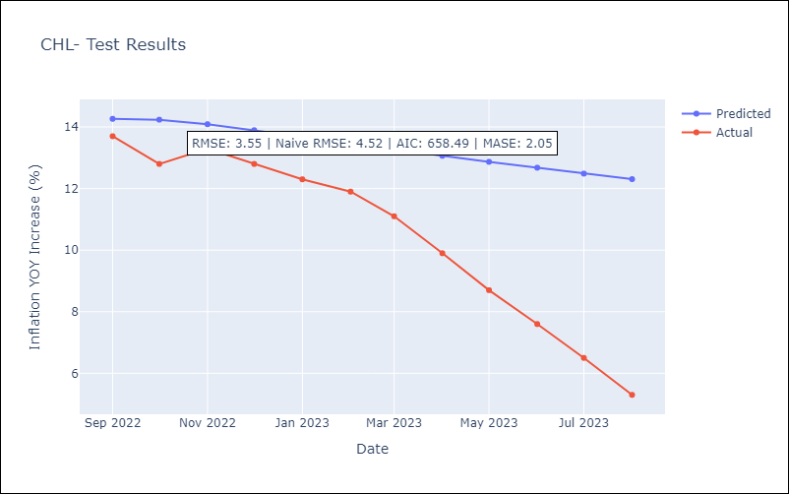

Appendix A: Model Summary
Model | ARIMA(3, 0, 0)x(0, 0, [1], 12)
Sample | 01-01-1990- 08-01-2023
No. of Observations | 404
Terms | P-value (Statistical significance)
const | 0.000
ar.L1 | 0.000
ar.L2 | 0.065
ar.L3 | 0.006
ma.S.L12 | 0.434
sigma2 | 0.698
Assumptions | P-value | Interpretation
Ljung-Box (L1) | 0.62 | Residuals are independent.
Heteroskedasticity | 0.00 | Residuals have different variances.
Jarque-Bera | 0.00 | Residuals are not normally distributed.
Skew | -0.52 | Negative skew - Model overestimates the mean.
Kurtosis | 7.09 | Residuals contain more extreme outliers than in a normal distribution.

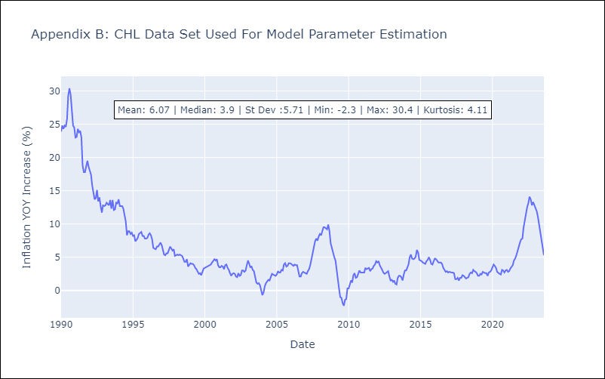

Appendix C: Residuals Analysis
Mean | 0.01
Variance | 1.23
White Noise? | No - Correlation at Lags [ 6 7 8 9 10 11 12]
Heteroskedastic? - ARCH | Yes
Normal? | No

ECU
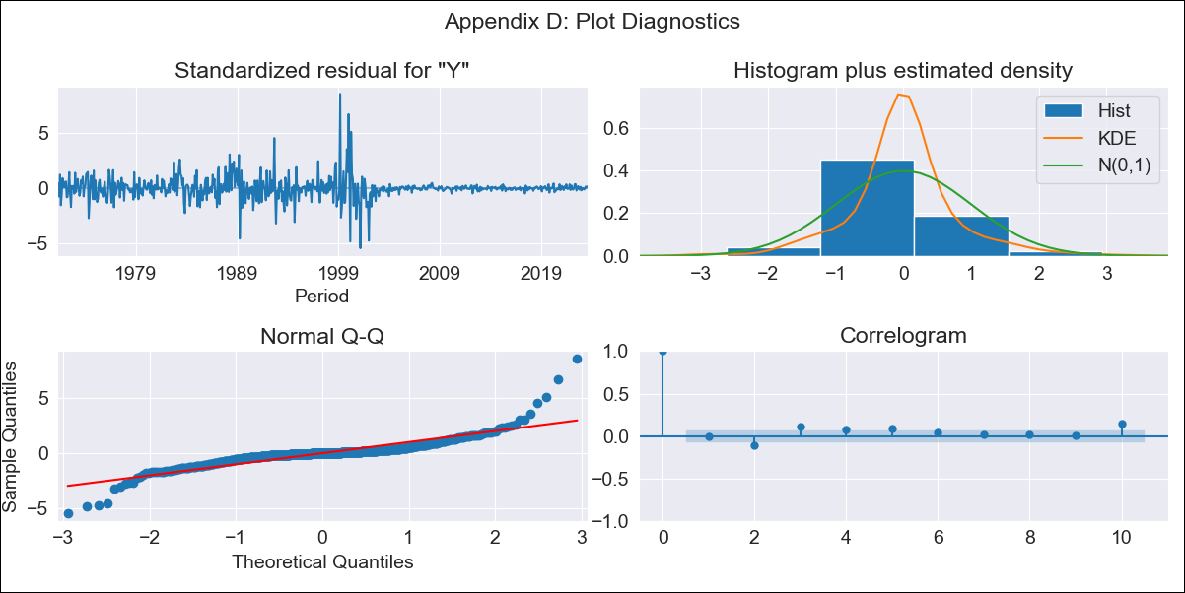
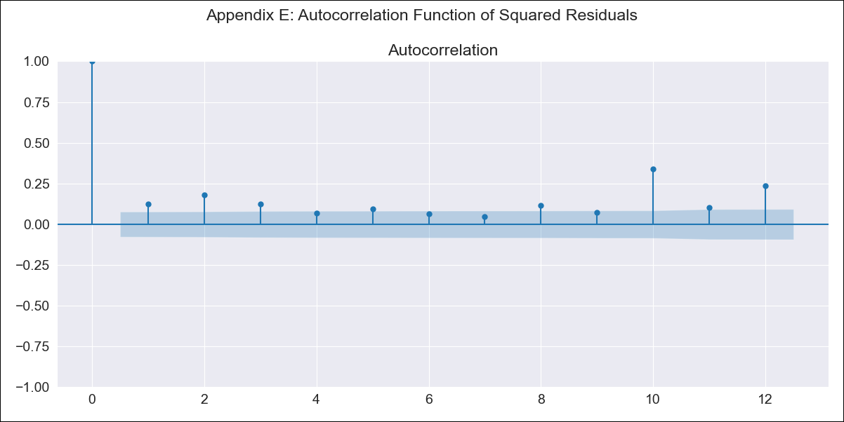
ECU - Inflation - Next 12 months forecast as of: 2023-08-01

Model | ARIMA - [(2, 1, 0), (1, 0, 0, 12)]
Training Data | 1970-01-01 to 2022-09-01
Test Data | 2022-09-01 to 2023-08-01

Date | Inflation Change YoY % | Lower Bound - 95% Confidence Interval | Upper Bound - 95% Confidence Interval
2023-09-01 | 2.62 | -1.2 | 6.44
2023-10-01 | 2.82 | -4.22 | 9.86
2023-11-01 | 3.1 | -6.95 | 13.16
2023-12-01 | 3.11 | -9.71 | 15.93
2024-01-01 | 3.46 | -11.87 | 18.79
2024-02-01 | 3.59 | -14.03 | 21.21
2024-03-01 | 3.63 | -16.09 | 23.34
2024-04-01 | 3.84 | -17.81 | 25.49
2024-05-01 | 4.09 | -19.36 | 27.54
2024-06-01 | 4.23 | -20.9 | 29.37
2024-07-01 | 4.04 | -22.68 | 30.76
2024-08-01 | 3.79 | -24.43 | 32.01

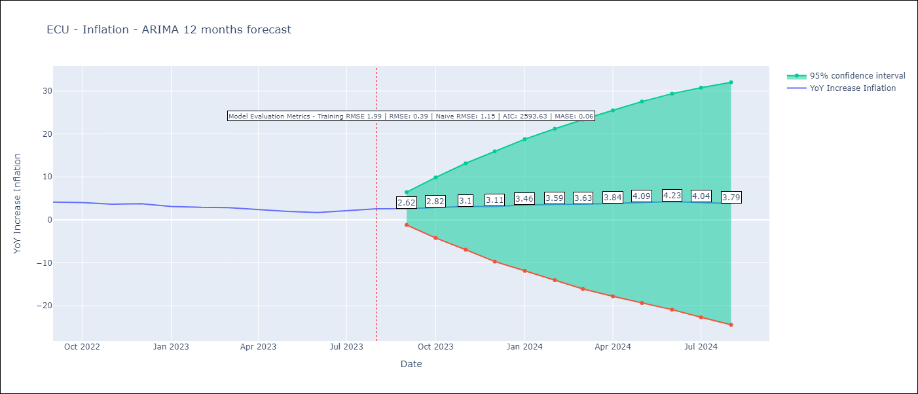

Test Metrics
RMSE | 0.39
Naive RMSE | 1.15
MASE | 0.06

Test Predictions
Date | Predicted | Actual
2022-09-01 | 3.76 | 4.12
2022-10-01 | 3.6 | 4.02
2022-11-01 | 3.44 | 3.64
2022-12-01 | 3.41 | 3.74
2023-01-01 | 3.1 | 3.12
2023-02-01 | 3.03 | 2.9
2023-03-01 | 3.07 | 2.85
2023-04-01 | 2.94 | 2.44
2023-05-01 | 2.7 | 1.97
2023-06-01 | 2.26 | 1.69
2023-07-01 | 2.46 | 2.07
2023-08-01 | 2.5 | 2.56

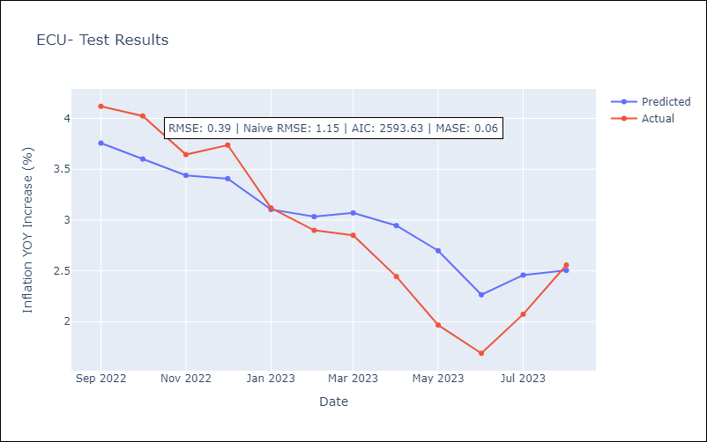

Appendix A: Model Summary
Model | ARIMA(2, 1, 0)x(1, 0, 0, 12)
Sample | 01-01-1970- 08-01-2023
No. of Observations | 644
Terms | P-value (Statistical significance)
ar.L1 | 0.000
ar.L2 | 0.088
ar.S.L12 | 0.000
sigma2 | 0.000
Assumptions | P-value | Interpretation
Ljung-Box (L1) | 0.87 | Residuals are independent.
Heteroskedasticity | 0.00 | Residuals have different variances.
Jarque-Bera | 0.00 | Residuals are not normally distributed.
Skew | 1.13 | Positive skew - model underestimates the mean.
Kurtosis | 19.03 | Residuals contain more extreme outliers than in a normal distribution.

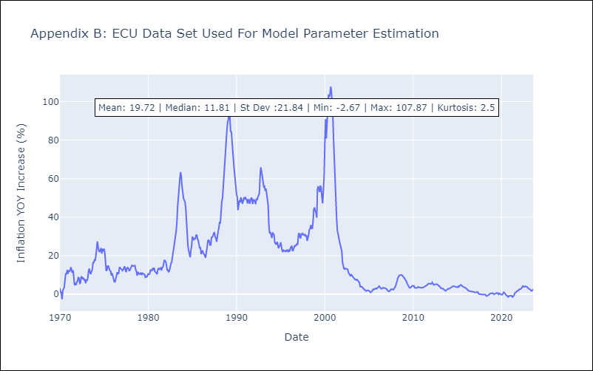

Appendix C: Residuals Analysis
Mean | 0.0
Variance | 3.9
White Noise? | No - Correlation at Lags [ 2 3 4 5 6 7 8 9 10 11 12]
Heteroskedastic? - ARCH | Yes
Normal? | No

HND
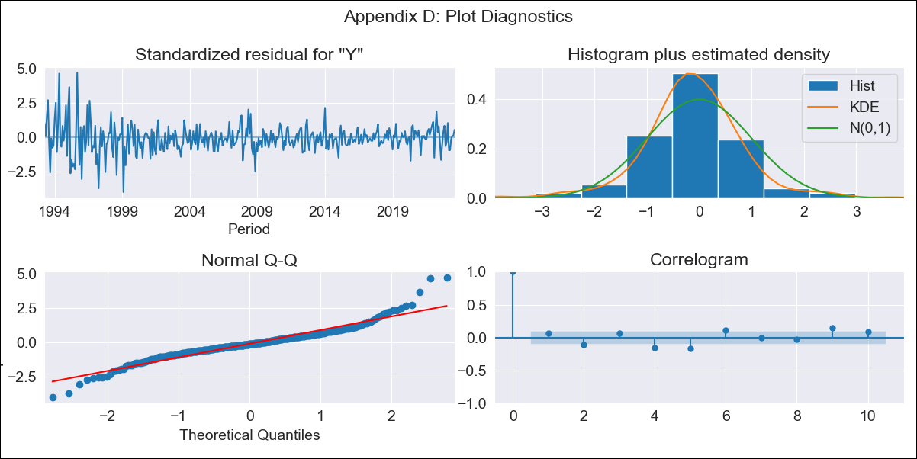

HND - Inflation - Next 12 months forecast as of: 2023-08-01

Model | ARIMA - [(1, 1, 1), (0, 0, 2, 12)]
Training Data | 1991-01-01 to 2022-09-01
Test Data | 2022-09-01 to 2023-08-01

Date | Inflation Change YoY % | Lower Bound - 95% Confidence Interval | Upper Bound - 95% Confidence Interval
2023-09-01 | 5.86 | 4.81 | 6.91
2023-10-01 | 5.65 | 3.91 | 7.39
2023-11-01 | 5.18 | 2.75 | 7.6
2023-12-01 | 5.32 | 2.2 | 8.44
2024-01-01 | 5.46 | 1.64 | 9.27
2024-02-01 | 4.9 | 0.38 | 9.42
2024-03-01 | 5.2 | -0.02 | 10.42
2024-04-01 | 5.71 | -0.21 | 11.63
2024-05-01 | 5.93 | -0.69 | 12.54
2024-06-01 | 6.07 | -1.23 | 13.38
2024-07-01 | 6.14 | -1.85 | 14.12
2024-08-01 | 5.91 | -2.74 | 14.57

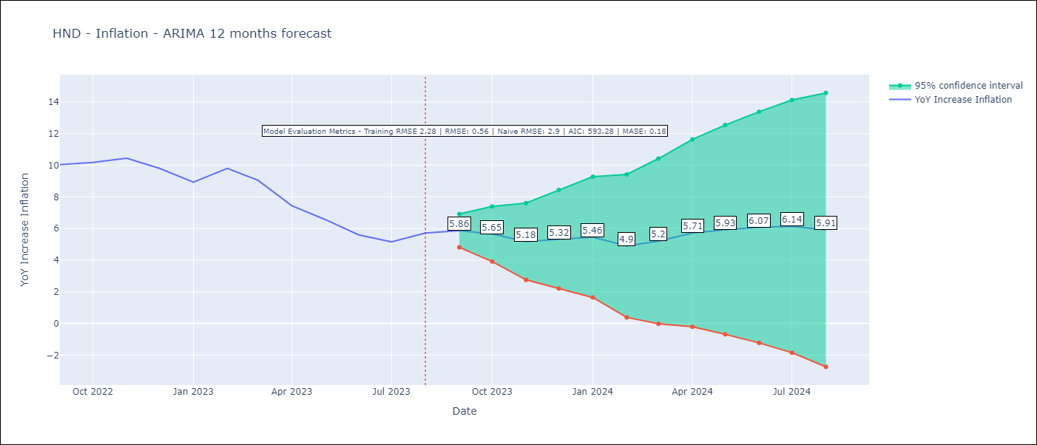

Test Metrics
RMSE | 0.56
Naive RMSE | 2.9
MASE | 0.18

Test Predictions
Date | Predicted | Actual
2022-09-01 | 10.33 | 10.04
2022-10-01 | 10.35 | 10.18
2022-11-01 | 10.17 | 10.44
2022-12-01 | 9.75 | 9.8
2023-01-01 | 9.06 | 8.93
2023-02-01 | 9.39 | 9.8
2023-03-01 | 9.02 | 9.05
2023-04-01 | 7.96 | 7.44
2023-05-01 | 7.35 | 6.58
2023-06-01 | 6.53 | 5.6
2023-07-01 | 6.16 | 5.15
2023-08-01 | 6.52 | 5.71

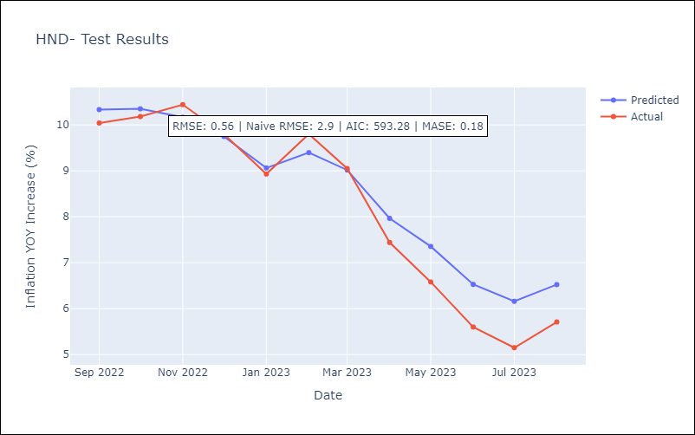

Appendix A: Model Summary
Model | ARIMA(1, 1, 1)x(0, 0, [1, 2], 12)
Sample | 01-01-1991- 08-01-2023
No. of Observations | 392
Terms | P-value (Statistical significance)
ar.L1 | 0.000
ma.L1 | 0.000
ma.S.L12 | 0.000
ma.S.L24 | 0.136
sigma2 | 0.000
Assumptions | P-value | Interpretation
Ljung-Box (L1) | 0.18 | Residuals are independent.
Heteroskedasticity | 0.00 | Residuals have different variances.
Jarque-Bera | 0.00 | Residuals are not normally distributed.
Skew | 0.44 | Positive skew - model underestimates the mean.
Kurtosis | 7.17 | Residuals contain more extreme outliers than in a normal distribution.

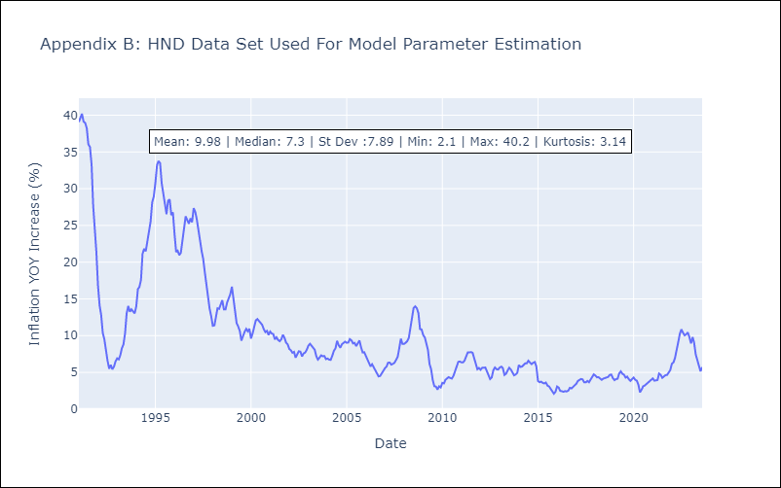

Appendix C: Residuals Analysis
Mean | 0.0
Variance | 5.06
White Noise? | No - Correlation at Lags [ 1 2 3 4 5 6 7 8 9 10 11 12]
Heteroskedastic? - ARCH | Yes
Normal? | No

MEX
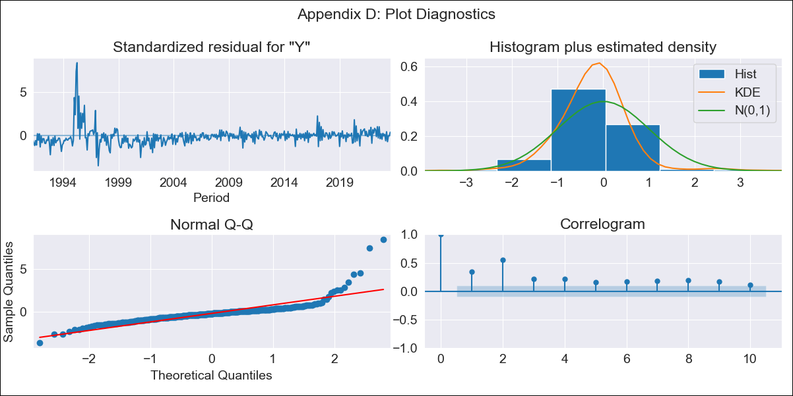

MEX - Inflation - Next 12 months forecast as of: 2023-08-01

Model | ARIMA - [(0, 1, 1), (0, 0, 1, 12)]
Training Data | 1990-01-01 to 2022-09-01
Test Data | 2022-09-01 to 2023-08-01

Date | Inflation Change YoY % | Lower Bound - 95% Confidence Interval | Upper Bound - 95% Confidence Interval
2023-09-01 | 4.65 | 3.46 | 5.84
2023-10-01 | 4.71 | 2.3 | 7.12
2023-11-01 | 4.86 | 1.66 | 8.05
2023-12-01 | 4.92 | 1.09 | 8.74
2024-01-01 | 4.87 | 0.51 | 9.24
2024-02-01 | 4.85 | 0.01 | 9.69
2024-03-01 | 5.1 | -0.18 | 10.37
2024-04-01 | 5.13 | -0.55 | 10.81
2024-05-01 | 5.33 | -0.73 | 11.38
2024-06-01 | 5.61 | -0.79 | 12.02
2024-07-01 | 5.67 | -1.07 | 12.41
2024-08-01 | 5.54 | -1.52 | 12.6

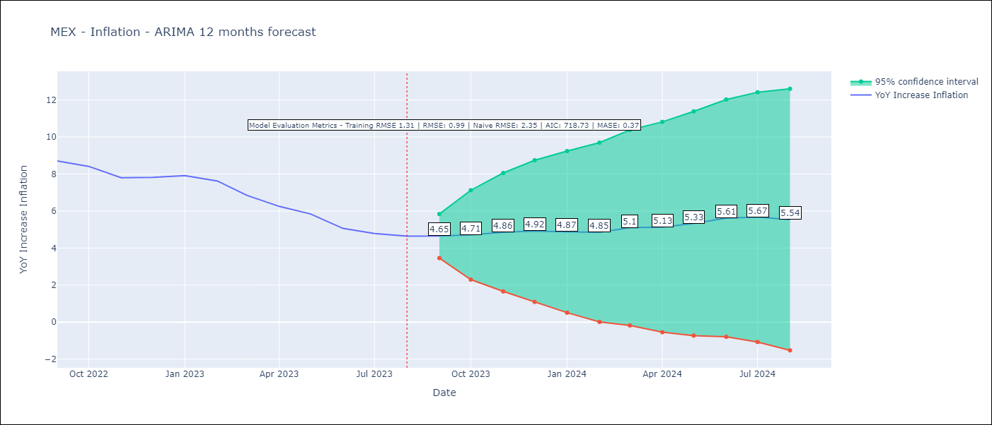

Test Metrics
RMSE | 0.99
Naive RMSE | 2.35
MASE | 0.37

Test Predictions
Date | Predicted | Actual
2022-09-01 | 8.95 | 8.7
2022-10-01 | 8.74 | 8.41
2022-11-01 | 8.33 | 7.8
2022-12-01 | 8.44 | 7.82
2023-01-01 | 8.47 | 7.91
2023-02-01 | 8.15 | 7.62
2023-03-01 | 7.72 | 6.85
2023-04-01 | 7.17 | 6.25
2023-05-01 | 7.02 | 5.84
2023-06-01 | 6.64 | 5.06
2023-07-01 | 6.45 | 4.79
2023-08-01 | 6.12 | 4.64

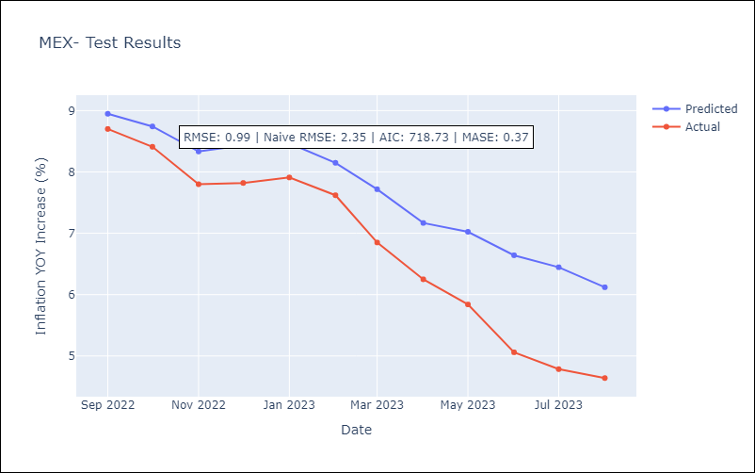

Appendix A: Model Summary
Model | ARIMA(0, 1, 1)x(0, 0, 1, 12)
Sample | 01-01-1990- 08-01-2023
No. of Observations | 404
Terms | P-value (Statistical significance)
ma.L1 | 0.000
ma.S.L12 | 0.000
sigma2 | 0.000
Assumptions | P-value | Interpretation
Ljung-Box (L1) | 0.00 | Residuals are not independent.
Heteroskedasticity | 0.00 | Residuals have different variances.
Jarque-Bera | 0.00 | Residuals are not normally distributed.
Skew | 3.34 | Positive skew - model underestimates the mean.
Kurtosis | 27.44 | Residuals contain more extreme outliers than in a normal distribution.

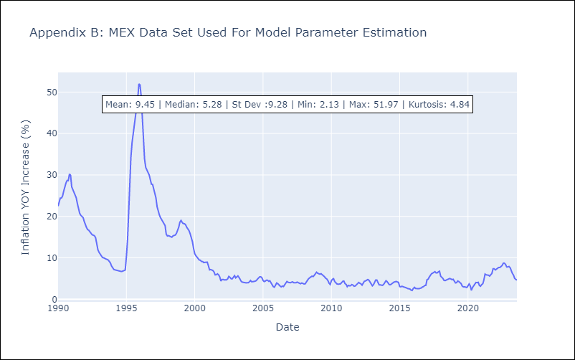

Appendix C: Residuals Analysis
Mean | -0.03
Variance | 1.66
White Noise? | No - Correlation at Lags [ 1 2 3 4 5 6 7 8 9 10 11 12]
Heteroskedastic? - ARCH | Yes
Normal? | No

URY
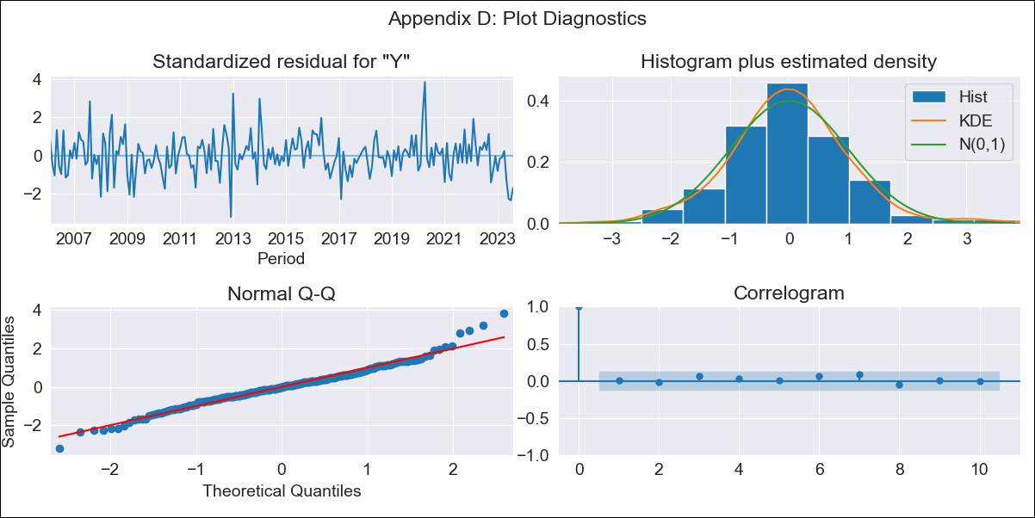

URY - Inflation - Next 12 months forecast as of: 2023-08-01

Model | ARIMA - [(3, 0, 0), (0, 0, 1, 12)]
Training Data | 2005-01-01 to 2022-09-01
Test Data | 2022-09-01 to 2023-08-01

Date | Inflation Change YoY % | Lower Bound - 95% Confidence Interval | Upper Bound - 95% Confidence Interval
2023-09-01 | 4.14 | 3.31 | 4.97
2023-10-01 | 4.79 | 3.52 | 6.07
2023-11-01 | 5.31 | 3.79 | 6.82
2023-12-01 | 5.51 | 3.84 | 7.19
2024-01-01 | 5.81 | 4.01 | 7.61
2024-02-01 | 6.02 | 4.12 | 7.93
2024-03-01 | 6.18 | 4.19 | 8.17
2024-04-01 | 6.25 | 4.19 | 8.31
2024-05-01 | 6.62 | 4.5 | 8.74
2024-06-01 | 7.26 | 5.08 | 9.43
2024-07-01 | 7.89 | 5.67 | 10.11
2024-08-01 | 8.3 | 6.05 | 10.56

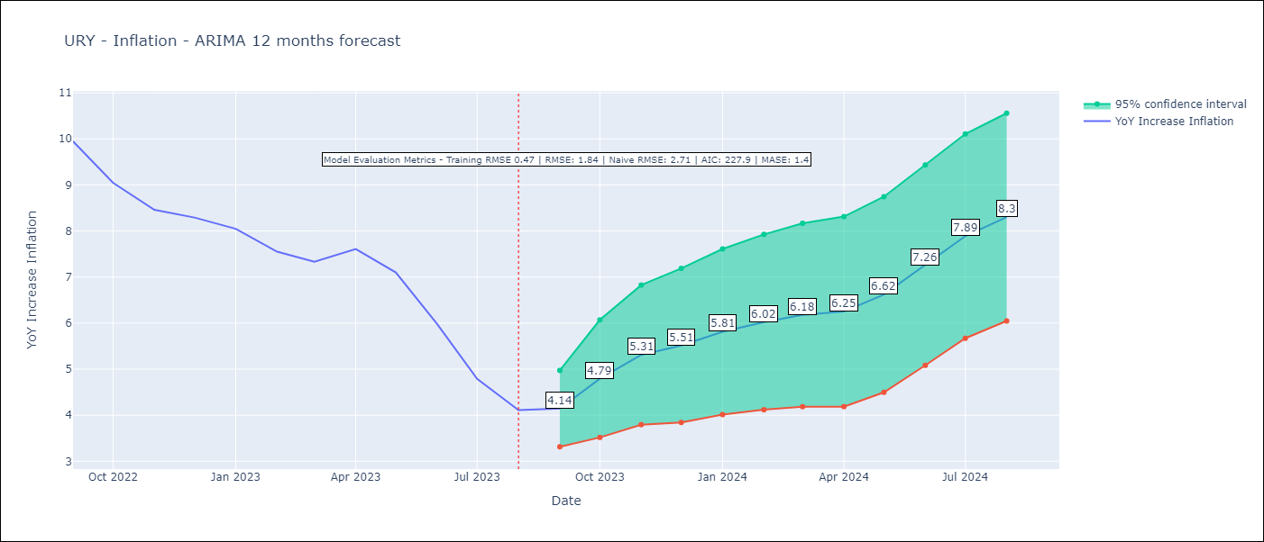

Test Metrics
RMSE | 1.84
Naive RMSE | 2.71
MASE | 1.4

Test Predictions
Date | Predicted | Actual
2022-09-01 | 9.48 | 9.95
2022-10-01 | 9.13 | 9.05
2022-11-01 | 9.1 | 8.46
2022-12-01 | 8.99 | 8.29
2023-01-01 | 8.99 | 8.05
2023-02-01 | 8.59 | 7.55
2023-03-01 | 8.36 | 7.33
2023-04-01 | 8.48 | 7.61
2023-05-01 | 8.45 | 7.1
2023-06-01 | 8.37 | 5.98
2023-07-01 | 8.21 | 4.79
2023-08-01 | 8.15 | 4.11

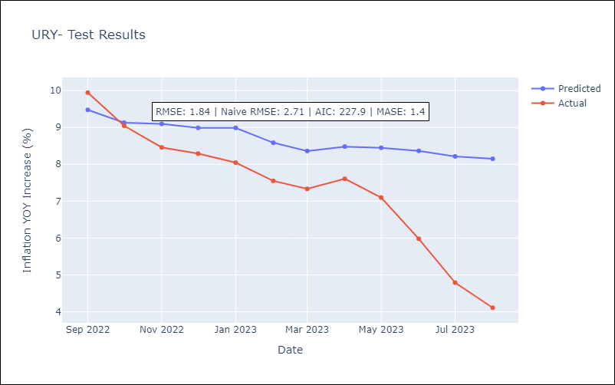

Appendix A: Model Summary
Model | ARIMA(3, 0, 0)x(0, 0, [1], 12)
Sample | 01-01-2005- 08-01-2023
No. of Observations | 224
Terms | P-value (Statistical significance)
const | 0.000
ar.L1 | 0.000
ar.L2 | 0.000
ar.L3 | 0.036
ma.S.L12 | 0.000
sigma2 | 0.000
Assumptions | P-value | Interpretation
Ljung-Box (L1) | 0.95 | Residuals are independent.
Heteroskedasticity | 0.65 | Residuals have the same variance.
Jarque-Bera | 0.00 | Residuals are not normally distributed.
Skew | 0.28 | Positive skew - model underestimates the mean.
Kurtosis | 4.50 | Residuals contain more extreme outliers than in a normal distribution.

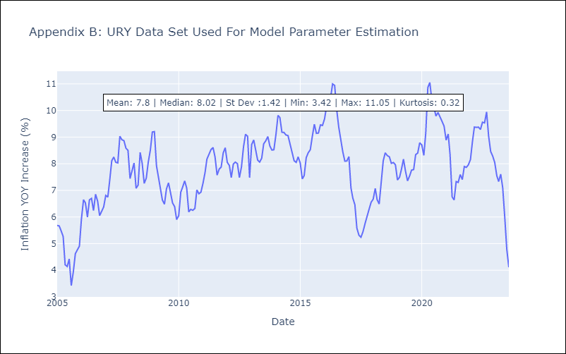

Appendix C: Residuals Analysis
Mean | -0.02
Variance | 0.22
White Noise? | Yes
Heteroskedastic? - ARCH | No
Normal? | No

