CHL
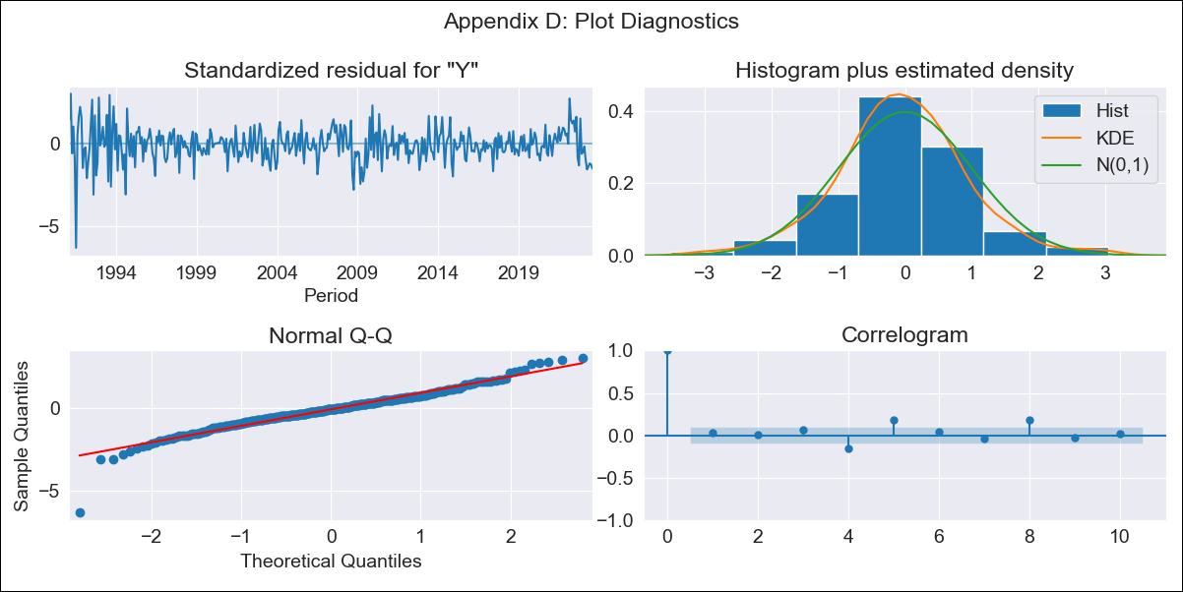

CHL - Inflation - Next 12 months forecast as of: 2023-08-01

Model | ARIMA - [(3, 0, 0), (0, 0, 1, 12)]
Training Data | 1990-01-01 to 2022-09-01
Test Data | 2022-09-01 to 2023-08-01

Date | Inflation Change YoY % | Lower Bound - 95% Confidence Interval | Upper Bound - 95% Confidence Interval
2023-09-01 | 4.93 | 3.81 | 6.05
2023-10-01 | 4.72 | 2.99 | 6.46
2023-11-01 | 4.69 | 2.43 | 6.95
2023-12-01 | 4.68 | 1.98 | 7.37
2024-01-01 | 4.69 | 1.62 | 7.75
2024-02-01 | 4.71 | 1.33 | 8.08
2024-03-01 | 4.72 | 1.08 | 8.36
2024-04-01 | 4.72 | 0.84 | 8.6
2024-05-01 | 4.72 | 0.64 | 8.81
2024-06-01 | 4.73 | 0.46 | 8.99
2024-07-01 | 4.73 | 0.3 | 9.16
2024-08-01 | 4.73 | 0.15 | 9.31

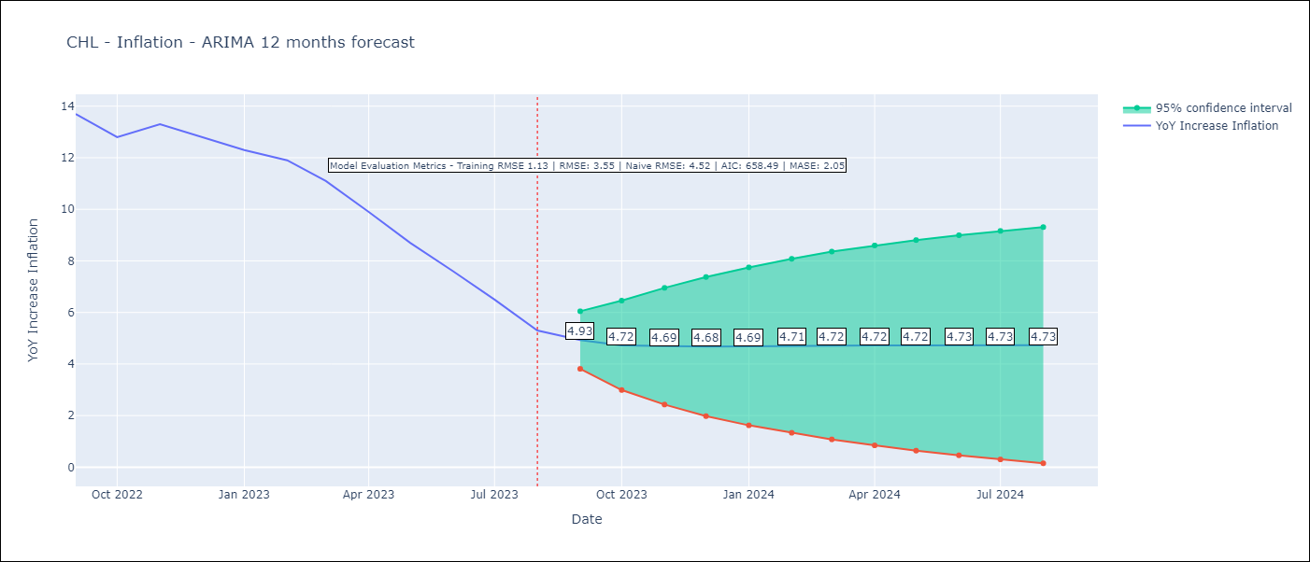

Test Metrics
RMSE | 3.55
Naive RMSE | 4.52
MASE | 2.05

Test Predictions
Date | Predicted | Actual
2022-09-01 | 14.26 | 13.7
2022-10-01 | 14.24 | 12.8
2022-11-01 | 14.09 | 13.3
2022-12-01 | 13.9 | 12.8
2023-01-01 | 13.68 | 12.3
2023-02-01 | 13.46 | 11.9
2023-03-01 | 13.26 | 11.1
2023-04-01 | 13.06 | 9.9
2023-05-01 | 12.87 | 8.7
2023-06-01 | 12.68 | 7.6
2023-07-01 | 12.49 | 6.5
2023-08-01 | 12.31 | 5.3

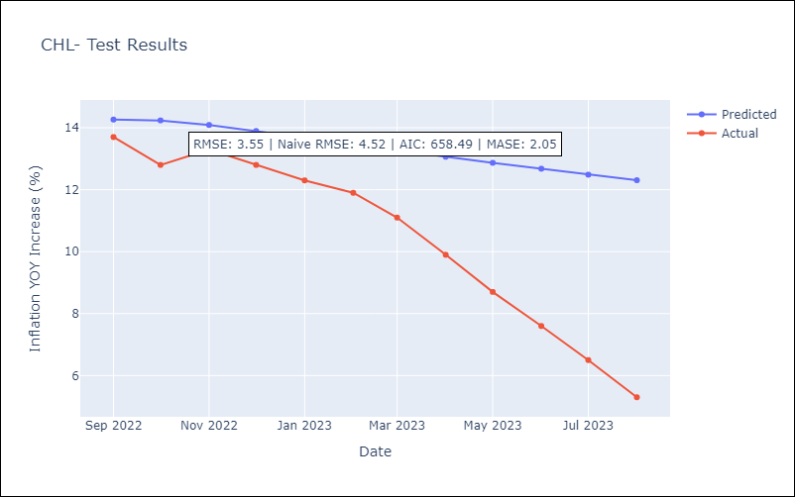

Appendix A: Model Summary
Model | ARIMA(3, 0, 0)x(0, 0, [1], 12)
Sample | 01-01-1990- 08-01-2023
No. of Observations | 404
Terms | P-value (Statistical significance)
const | 0.000
ar.L1 | 0.000
ar.L2 | 0.065
ar.L3 | 0.006
ma.S.L12 | 0.434
sigma2 | 0.698
Assumptions | P-value | Interpretation
Ljung-Box (L1) | 0.62 | Residuals are independent.
Heteroskedasticity | 0.00 | Residuals have different variances.
Jarque-Bera | 0.00 | Residuals are not normally distributed.
Skew | -0.52 | Negative skew - Model overestimates the mean.
Kurtosis | 7.09 | Residuals contain more extreme outliers than in a normal distribution.

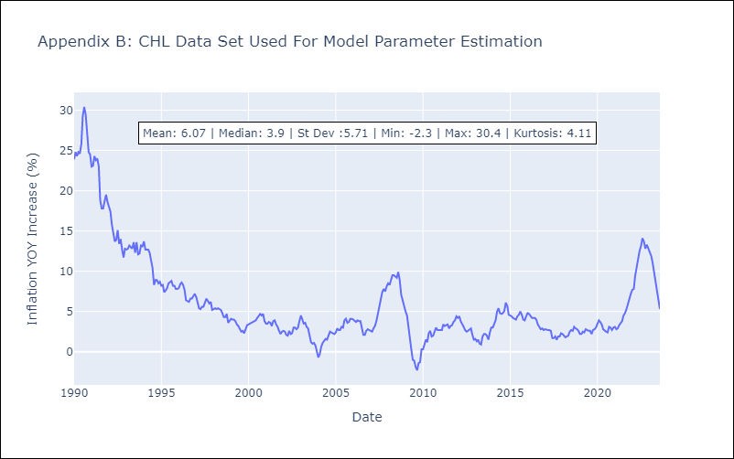

Appendix C: Residuals Analysis
Mean | 0.01
Variance | 1.23
White Noise? | No - Correlation at Lags [ 6 7 8 9 10 11 12]
Heteroskedastic? - ARCH | Yes
Normal? | No

URY
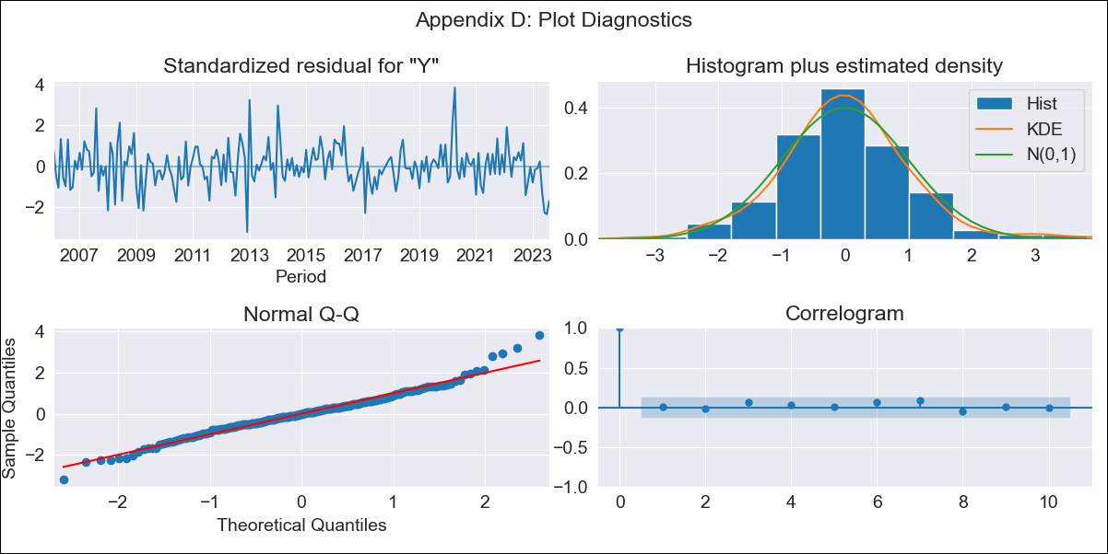

URY - Inflation - Next 12 months forecast as of: 2023-08-01

Model | ARIMA - [(3, 0, 0), (0, 0, 1, 12)]
Training Data | 2005-01-01 to 2022-09-01
Test Data | 2022-09-01 to 2023-08-01

Date | Inflation Change YoY % | Lower Bound - 95% Confidence Interval | Upper Bound - 95% Confidence Interval
2023-09-01 | 4.14 | 3.31 | 4.97
2023-10-01 | 4.79 | 3.52 | 6.07
2023-11-01 | 5.31 | 3.79 | 6.82
2023-12-01 | 5.51 | 3.84 | 7.19
2024-01-01 | 5.81 | 4.01 | 7.61
2024-02-01 | 6.02 | 4.12 | 7.93
2024-03-01 | 6.18 | 4.19 | 8.17
2024-04-01 | 6.25 | 4.19 | 8.31
2024-05-01 | 6.62 | 4.5 | 8.74
2024-06-01 | 7.26 | 5.08 | 9.43
2024-07-01 | 7.89 | 5.67 | 10.11
2024-08-01 | 8.3 | 6.05 | 10.56

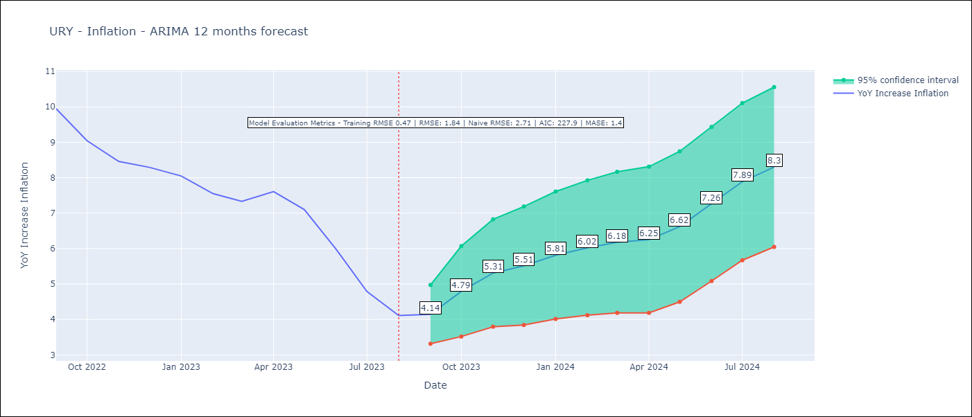

Test Metrics
RMSE | 1.84
Naive RMSE | 2.71
MASE | 1.4

Test Predictions
Date | Predicted | Actual
2022-09-01 | 9.48 | 9.95
2022-10-01 | 9.13 | 9.05
2022-11-01 | 9.1 | 8.46
2022-12-01 | 8.99 | 8.29
2023-01-01 | 8.99 | 8.05
2023-02-01 | 8.59 | 7.55
2023-03-01 | 8.36 | 7.33
2023-04-01 | 8.48 | 7.61
2023-05-01 | 8.45 | 7.1
2023-06-01 | 8.37 | 5.98
2023-07-01 | 8.21 | 4.79
2023-08-01 | 8.15 | 4.11

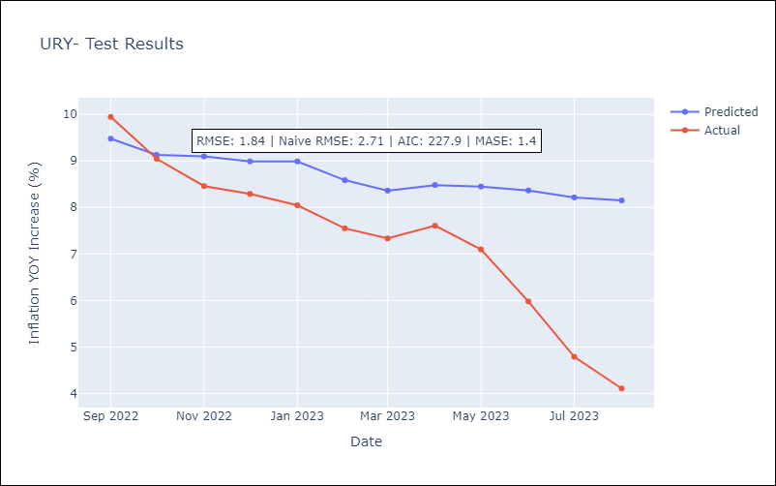

Appendix A: Model Summary
Model | ARIMA(3, 0, 0)x(0, 0, [1], 12)
Sample | 01-01-2005- 08-01-2023
No. of Observations | 224
Terms | P-value (Statistical significance)
const | 0.000
ar.L1 | 0.000
ar.L2 | 0.000
ar.L3 | 0.036
ma.S.L12 | 0.000
sigma2 | 0.000
Assumptions | P-value | Interpretation
Ljung-Box (L1) | 0.95 | Residuals are independent.
Heteroskedasticity | 0.65 | Residuals have the same variance.
Jarque-Bera | 0.00 | Residuals are not normally distributed.
Skew | 0.28 | Positive skew - model underestimates the mean.
Kurtosis | 4.50 | Residuals contain more extreme outliers than in a normal distribution.

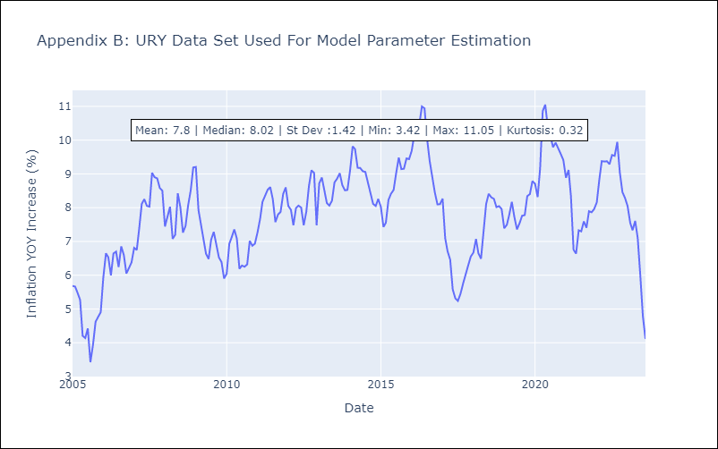

Appendix C: Residuals Analysis
Mean | -0.02
Variance | 0.22
White Noise? | Yes
Heteroskedastic? - ARCH | No
Normal? | No

