c
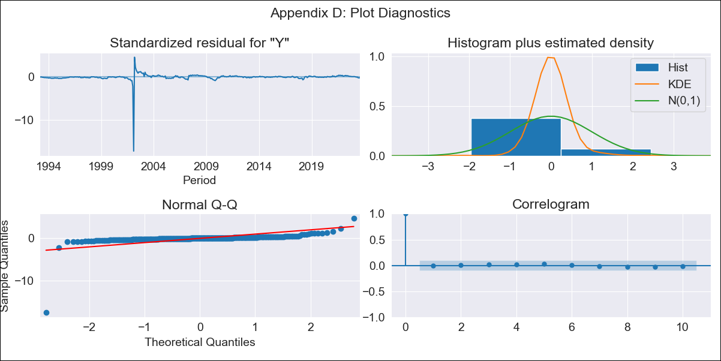

c - Inflation - Next 12 months forecast as of: 2023-08-01

Model | ARIMA - [(1, 1, 2), (3, 0, 1, 12)]
Training Data | 1990-01-01 to 2022-09-01
Test Data | 2022-09-01 to 2023-08-01

Date | Inflation Change YoY % | Lower Bound - 95% Confidence Interval | Upper Bound - 95% Confidence Interval
2023-09-01 | 6.65 | 0.42 | 39.18
2023-10-01 | 6.97 | 0.17 | 51.17
2023-11-01 | 7.06 | 0.11 | 54.9
2023-12-01 | 7.05 | 0.06 | 57.2
2024-01-01 | 7.12 | 0.03 | 60.03
2024-02-01 | 7.1 | -0.01 | 62.16
2024-03-01 | 7.12 | -0.05 | 64.6
2024-04-01 | 7.09 | -0.09 | 66.79
2024-05-01 | 7.11 | -0.12 | 69.38
2024-06-01 | 7.22 | -0.14 | 72.87
2024-07-01 | 7.3 | -0.16 | 76.1
2024-08-01 | 7.38 | -0.18 | 79.55

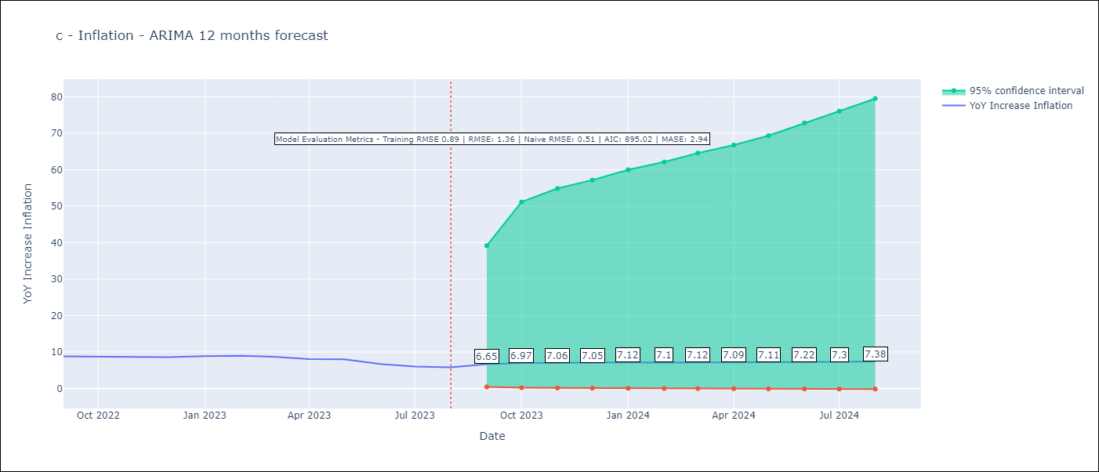

Test Metrics
RMSE | 1.36
Naive RMSE | 0.51
MASE | 2.94

Test Predictions
Date | Predicted | Actual
2022-09-01 | 7.6 | 8.79
2022-10-01 | 7.2 | 8.64
2022-11-01 | 7.12 | 8.64
2022-12-01 | 7.07 | 8.56
2023-01-01 | 7.07 | 8.87
2023-02-01 | 7.05 | 8.99
2023-03-01 | 7 | 8.67
2023-04-01 | 6.99 | 8.04
2023-05-01 | 6.97 | 7.99
2023-06-01 | 6.91 | 6.71
2023-07-01 | 6.95 | 6.02
2023-08-01 | 6.94 | 5.79

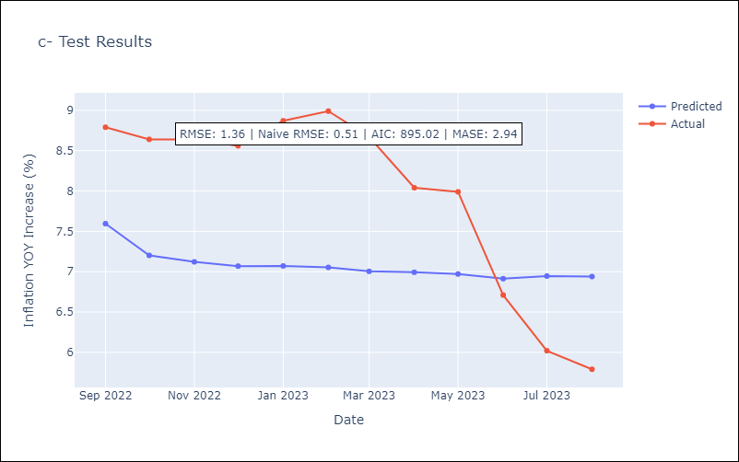

Appendix A: Model Summary
Model | ARIMA(1, 1, 2)x(3, 0, [1], 12)
Sample | 01-01-1990- 08-01-2023
No. of Observations | 404
Terms | P-value (Statistical significance)
ar.L1 | 0.174
ma.L1 | 0.000
ma.L2 | 0.026
ar.S.L12 | 0.996
ar.S.L24 | 0.967
ar.S.L36 | 0.830
ma.S.L12 | 0.984
sigma2 | 0.000
Assumptions | P-value | Interpretation
Ljung-Box (L1) | 0.97 | Residuals are independent.
Heteroskedasticity | 0.00 | Residuals have different variances.
Jarque-Bera | 0.00 | Residuals are not normally distributed.
Skew | -13.97 | Negative skew - Model overestimates the mean.
Kurtosis | 249.69 | Residuals contain more extreme outliers than in a normal distribution.

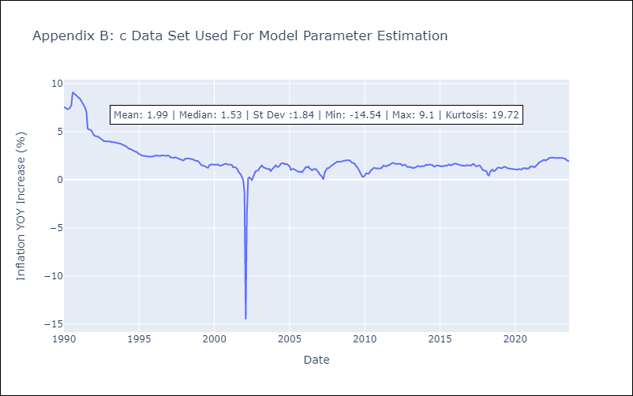

Appendix C: Residuals Analysis
Mean | -0.01
Variance | 0.77
White Noise? | Yes
Heteroskedastic? - ARCH | No
Normal? | No

