ury
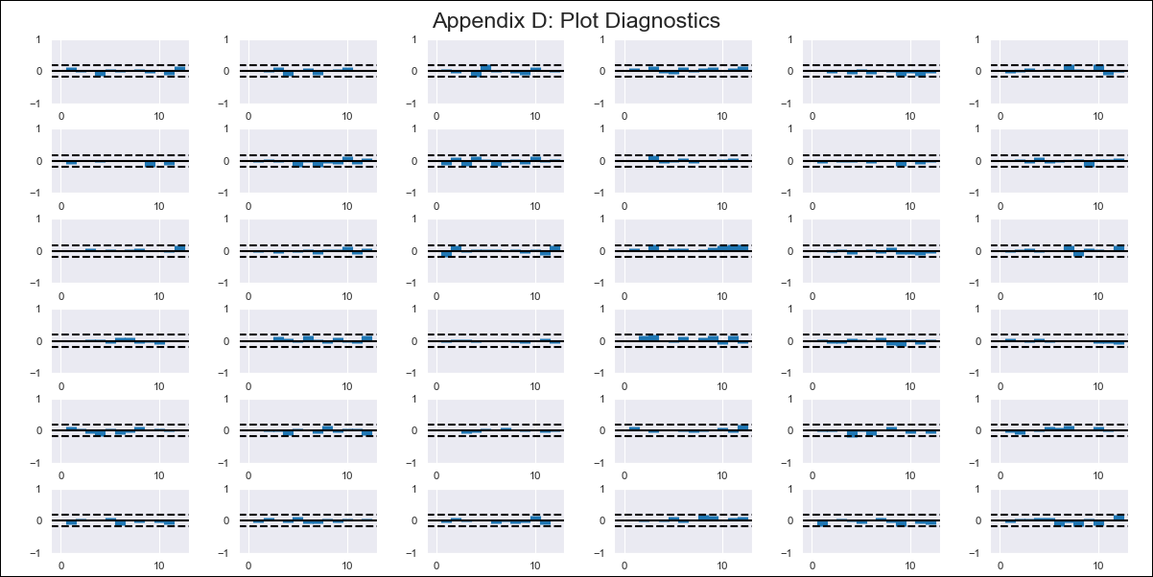
ury - Inflation - Next 12 months forecast as of: 2024-02-01

Model | VAR - 12 | Exogenous Variables | RECREACIÓN, DEPORTE Y CULTURA, SALUD, TRANSPORTE, VIVIENDA, AGUA, ELECTRICIDAD, GAS Y OTROS COMBUSTIBLES, Indice Medio de Salario Nominal - Var 12 meses
Training Data | 2011-12-01 to 2023-03-01
Test Data | 2023-03-01 to 2024-02-01

Date | Inflation Change YoY % | Lower Bound - 95% Confidence Interval | Upper Bound - 95% Confidence Interval
2024-03-01 | 3.93 | 3.17 | 4.69
2024-04-01 | 4.05 | 2.47 | 5.63
2024-05-01 | 3.69 | 1.24 | 6.14
2024-06-01 | 2.96 | -0.37 | 6.3
2024-07-01 | 2 | -2.25 | 6.26
2024-08-01 | 1.59 | -3.63 | 6.8
2024-09-01 | 1.65 | -4.57 | 7.86
2024-10-01 | 2.4 | -4.82 | 9.62
2024-11-01 | 2.18 | -6.06 | 10.41
2024-12-01 | 1.81 | -7.47 | 11.09
2025-01-01 | 1.68 | -8.65 | 12.02
2025-02-01 | 2.04 | -9.37 | 13.44

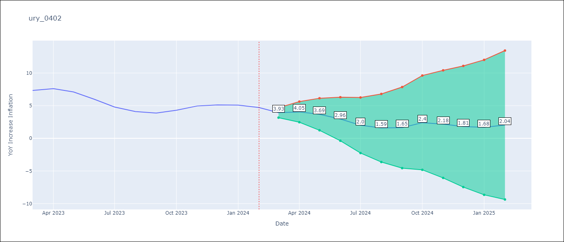

Test Metrics
RMSE | 0.51
Naive RMSE | 0.6
MAPE | 8.29%

Test Predictions
Date | Predicted | Actual
2023-03-01 | 6.77 | 7.33
2023-04-01 | 6.89 | 7.61
2023-05-01 | 6.53 | 7.1
2023-06-01 | 5.8 | 5.98
2023-07-01 | 4.84 | 4.79
2023-08-01 | 4.42 | 4.11
2023-09-01 | 4.48 | 3.87
2023-10-01 | 5.24 | 4.3
2023-11-01 | 5.02 | 4.96
2023-12-01 | 4.65 | 5.11
2024-01-01 | 4.52 | 5.09
2024-02-01 | 4.88 | 4.71

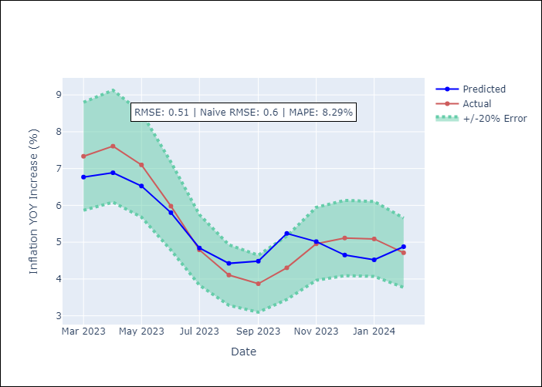

Appendix A: Model Summary
Model | VAR - 12
Sample | 2011-12-01 to 2024-02-01
No. of Observations | 147
Terms | P-value (Statistical significance)
L1.YoY Increase Inflation | 0.016142071446
L2.YoY Increase Inflation | 0.011649023448
L3.YoY Increase Inflation | 0.041722606062
L6.Indice Medio de Salario Nominal - Var 12 meses | 0.0087448835081

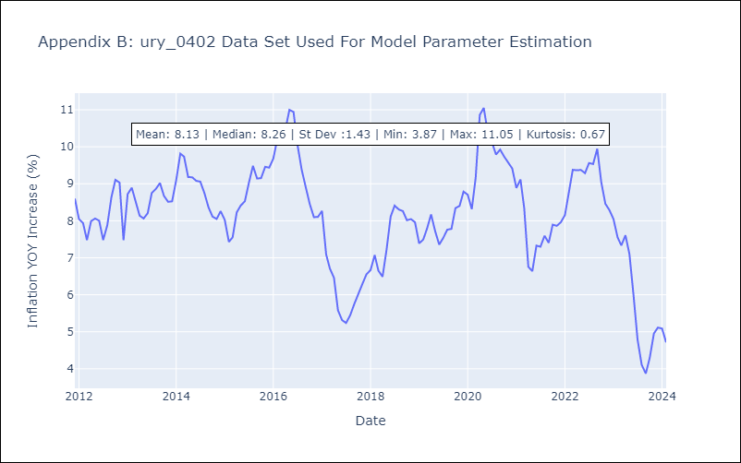

Appendix C: Residuals Analysis
Mean | 0.0
Errors AutoCorrelated? | 1.724235645730694 | No Autocorrelation
Normal? | No

