BRA
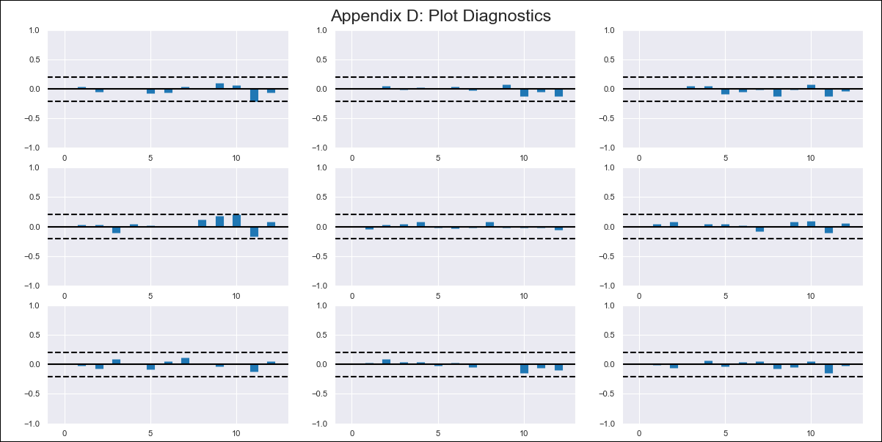
BRA - Inflation - Next 12 months forecast as of: 2024-02-01

Model | VAR - 12 | Exogenous Variables | Broad national consumer price index (IPCA) - Housing - Monthly % var., Broad national consumer price index (IPCA) - Transport - Monthly % var.
Training Data | 2014-03-01 to 2023-03-01
Test Data | 2023-03-01 to 2024-02-01

Date | Inflation Change YoY % | Lower Bound - 95% Confidence Interval | Upper Bound - 95% Confidence Interval
2024-03-01 | 3.25 | 2.53 | 3.96
2024-04-01 | 2.81 | 1.29 | 4.34
2024-05-01 | 2.53 | 0.14 | 4.91
2024-06-01 | 1.87 | -1.43 | 5.17
2024-07-01 | 2.67 | -1.56 | 6.9
2024-08-01 | 2.88 | -2.28 | 8.05
2024-09-01 | 3.21 | -2.9 | 9.33
2024-10-01 | 3.23 | -3.87 | 10.33
2024-11-01 | 3.32 | -4.8 | 11.44
2024-12-01 | 3.57 | -5.58 | 12.73
2025-01-01 | 3.33 | -6.92 | 13.58
2025-02-01 | 2.99 | -8.4 | 14.37

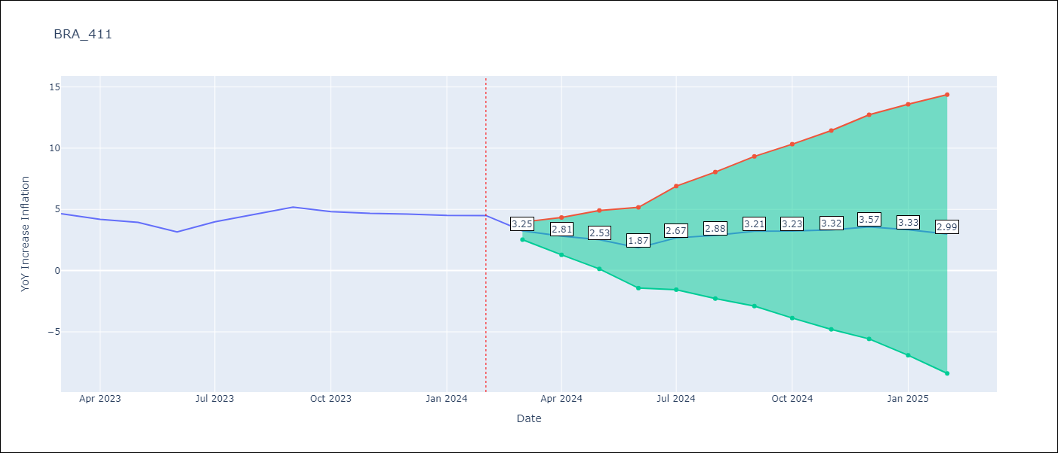

Test Metrics
RMSE | 0.41
Naive RMSE | 0.53
MAPE | 7.56%

Test Predictions
Date | Predicted | Actual
2023-03-01 | 4.35 | 4.65
2023-04-01 | 3.91 | 4.18
2023-05-01 | 3.63 | 3.94
2023-06-01 | 2.97 | 3.16
2023-07-01 | 3.77 | 3.99
2023-08-01 | 3.98 | 4.61
2023-09-01 | 4.31 | 5.19
2023-10-01 | 4.33 | 4.82
2023-11-01 | 4.42 | 4.68
2023-12-01 | 4.67 | 4.62
2024-01-01 | 4.43 | 4.51
2024-02-01 | 4.09 | 4.5

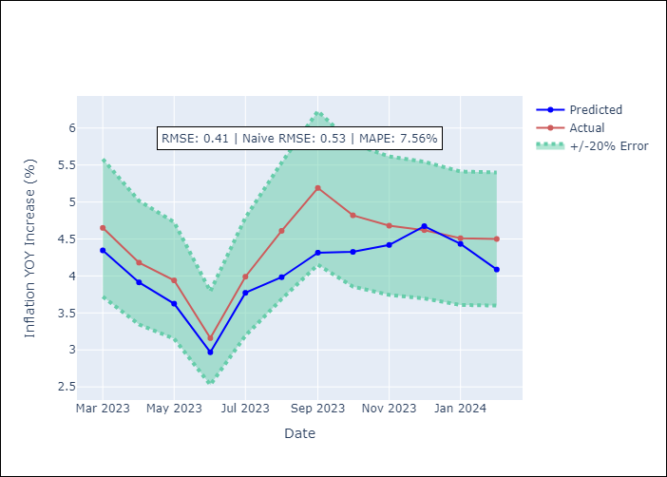

Appendix A: Model Summary
Model | VAR - 12
Sample | 2014-03-01 to 2024-02-01
No. of Observations | 120
Terms | P-value (Statistical significance)
L1.YoY Increase Inflation | 0.00096639968969
L1.Broad national consumer price index (IPCA) - Housing - Monthly % var. | 0.45488465269
L1.Broad national consumer price index (IPCA) - Transport - Monthly % var. | 0.85205464314
L2.YoY Increase Inflation | 0.22735757785
L2.Broad national consumer price index (IPCA) - Housing - Monthly % var. | 0.77493715765
L2.Broad national consumer price index (IPCA) - Transport - Monthly % var. | 0.2914972093
L3.YoY Increase Inflation | 0.38374426562
L3.Broad national consumer price index (IPCA) - Housing - Monthly % var. | 0.046536934785
L3.Broad national consumer price index (IPCA) - Transport - Monthly % var. | 0.43115973297
L4.YoY Increase Inflation | 0.94805337764
L4.Broad national consumer price index (IPCA) - Housing - Monthly % var. | 0.043977546644
L4.Broad national consumer price index (IPCA) - Transport - Monthly % var. | 0.40240405988
L5.YoY Increase Inflation | 0.90168677417
L5.Broad national consumer price index (IPCA) - Housing - Monthly % var. | 0.21189238721
L5.Broad national consumer price index (IPCA) - Transport - Monthly % var. | 0.86201794222
L6.YoY Increase Inflation | 0.70555852631
L6.Broad national consumer price index (IPCA) - Housing - Monthly % var. | 0.35682057924
L6.Broad national consumer price index (IPCA) - Transport - Monthly % var. | 0.98848122498
L7.YoY Increase Inflation | 0.55135366201
L7.Broad national consumer price index (IPCA) - Housing - Monthly % var. | 0.046353355927
L7.Broad national consumer price index (IPCA) - Transport - Monthly % var. | 0.84591268684
L8.YoY Increase Inflation | 0.51789204122
L8.Broad national consumer price index (IPCA) - Housing - Monthly % var. | 0.036858199907
L8.Broad national consumer price index (IPCA) - Transport - Monthly % var. | 0.67710683085
L9.YoY Increase Inflation | 0.75623113551
L9.Broad national consumer price index (IPCA) - Housing - Monthly % var. | 0.11245734057
L9.Broad national consumer price index (IPCA) - Transport - Monthly % var. | 0.88284224162
L10.YoY Increase Inflation | 0.34531183745
L10.Broad national consumer price index (IPCA) - Housing - Monthly % var. | 0.017628738123
L10.Broad national consumer price index (IPCA) - Transport - Monthly % var. | 0.90466712077
L11.YoY Increase Inflation | 0.4517205126
L11.Broad national consumer price index (IPCA) - Housing - Monthly % var. | 0.030789136264
L11.Broad national consumer price index (IPCA) - Transport - Monthly % var. | 0.76314592453
L12.YoY Increase Inflation | 0.096292388121
L12.Broad national consumer price index (IPCA) - Housing - Monthly % var. | 0.089670557488
L12.Broad national consumer price index (IPCA) - Transport - Monthly % var. | 0.019451314492
Assumptions | P-value

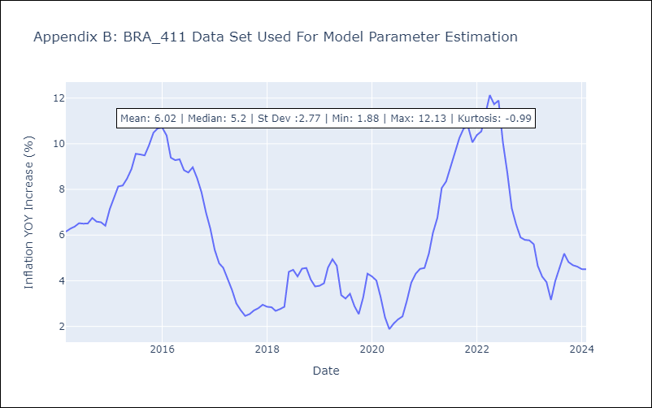

Appendix C: Residuals Analysis
Mean | 0.0
Errors AutoCorrelated? | 1.909951876799206 | No Autocorrelation
Normal? | No

