CHL
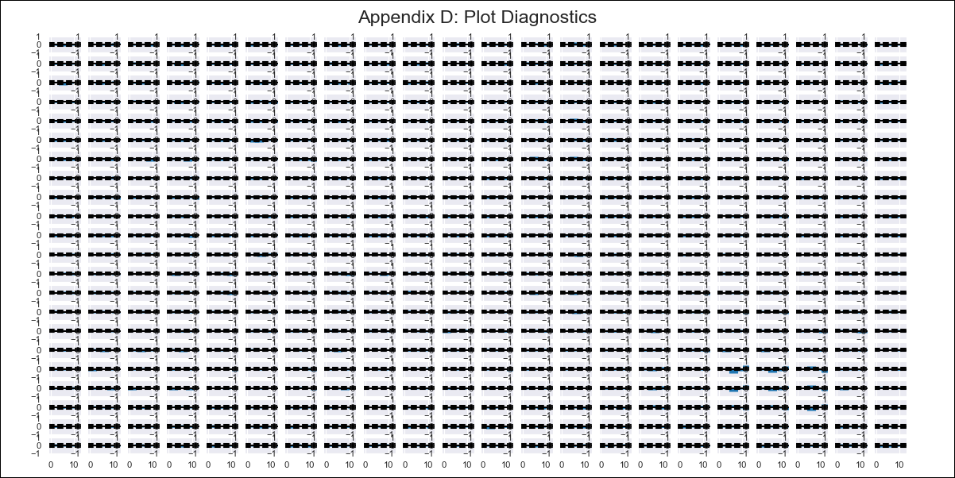
CHL - Inflation - Next 12 months forecast as of: 2024-02-01

Model | VAR - 4 | Exogenous Variables | 2.CPI without volatiles, 3.CPI Services without volatiles, 4.CPI Goods without volatiles, 5.CPI Volatile, 6.CPI Volatile Food, 7.CPI Volatile Energy, 8.CPI Rest of volatiles, Unemplyment rate yoy, General wage index, Expectativas de inflación en 11 meses, Deposit Interest Rates (30 - 90 days) -Nominal, Price of Gold dollars per ounce, Price of Silver dollars per ounce, Price of Copper dollars per pound, Brent oil price (US $ / barrel), M1_money_supply, Current Account, Exports , Imports , Consumo Final Efectivo, Ahorro Bruto
Training Data | 2010-01-01 to 2023-03-01
Test Data | 2023-03-01 to 2024-02-01

Date | Inflation Change YoY % | Lower Bound - 95% Confidence Interval | Upper Bound - 95% Confidence Interval
2024-03-01 | 3.57 | 2.87 | 4.27
2024-04-01 | 4.86 | 3.33 | 6.38
2024-05-01 | 5.37 | 1.66 | 6.5
2024-06-01 | 5.59 | 0.4 | 7.18
2024-07-01 | 6.21 | -0.26 | 8.62
2024-08-01 | 6.08 | -2.08 | 8.97
2024-09-01 | 5.84 | -3.35 | 9.99
2024-10-01 | 6.03 | -4.08 | 11.6
2024-11-01 | 6.02 | -5.48 | 12.61
2024-12-01 | 6.93 | -5.8 | 14.75
2025-01-01 | 7.75 | -7.16 | 15.92
2025-02-01 | 7.77 | -9.26 | 16.44

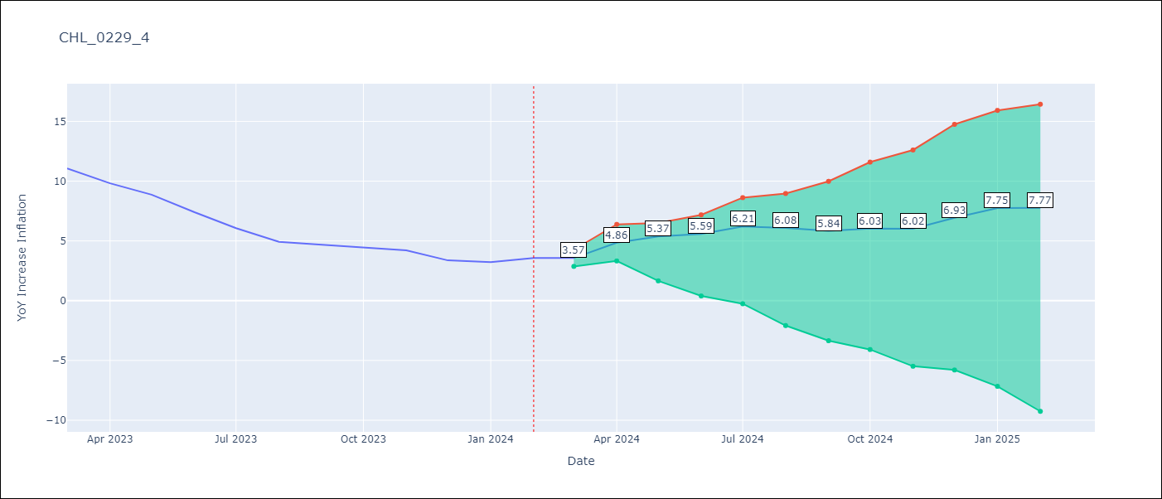

Test Metrics
RMSE | 6.88
Naive RMSE | 0.92
MAPE | 143.4%

Test Predictions
Date | Predicted | Actual
2023-03-01 | 11.96 | 11.07
2023-04-01 | 12.88 | 9.82
2023-05-01 | 13.04 | 8.87
2023-06-01 | 12.9 | 7.4
2023-07-01 | 13.16 | 6.07
2023-08-01 | 12.67 | 4.93
2023-09-01 | 12.07 | 4.69
2023-10-01 | 11.9 | 4.45
2023-11-01 | 11.53 | 4.22
2023-12-01 | 12.09 | 3.37
2024-01-01 | 12.54 | 3.23
2024-02-01 | 12.2 | 3.57

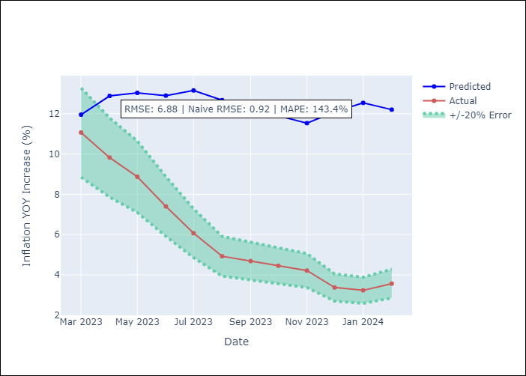

Appendix A: Model Summary
Model | VAR - 4
Sample | 2010-01-01 to 2024-02-01
No. of Observations | 170
Terms | P-value (Statistical significance)
L1.YoY Increase Inflation | 0.3630898471
L1.2.CPI without volatiles | 0.049176894682
L1.3.CPI Services without volatiles | 0.026892682058
L1.4.CPI Goods without volatiles | 0.066207898668
L1.5.CPI Volatile | 0.55392030099
L1.6.CPI Volatile Food | 0.3913027498
L1.7.CPI Volatile Energy | 0.56197331218
L1.8.CPI Rest of volatiles | 0.4583251011
L1.Unemplyment rate yoy | 0.87923474366
L1.General wage index | 0.62533782884
L1.Expectativas de inflación en 11 meses | 0.53262698764
L1.Deposit Interest Rates (30 - 90 days) -Nominal | 0.55577298086
L1.Price of Gold dollars per ounce | 0.7086246785
L1.Price of Silver dollars per ounce | 0.26581213392
L1.Price of Copper dollars per pound | 0.7666575723
L1.Brent oil price (US $ / barrel) | 0.0058143894476
L1.M1_money_supply | 0.64615360557
L1.Current Account | 0.93298805958
L1.Exports | 0.69544347904
L1.Imports | 0.73641331019
L1.Consumo Final Efectivo | 0.90785934862
L1.Ahorro Bruto | 0.48773956512
L2.YoY Increase Inflation | 0.84921327955
L2.2.CPI without volatiles | 0.17368285087
L2.3.CPI Services without volatiles | 0.21430263924
L2.4.CPI Goods without volatiles | 0.1703748428
L2.5.CPI Volatile | 0.87548318405
L2.6.CPI Volatile Food | 0.9629825213
L2.7.CPI Volatile Energy | 0.98386279078
L2.8.CPI Rest of volatiles | 0.95834758246
L2.Unemplyment rate yoy | 0.83372353627
L2.General wage index | 0.45293923601
L2.Expectativas de inflación en 11 meses | 0.90691612995
L2.Deposit Interest Rates (30 - 90 days) -Nominal | 0.93640391945
L2.Price of Gold dollars per ounce | 0.48724260558
L2.Price of Silver dollars per ounce | 0.56055211689
L2.Price of Copper dollars per pound | 0.21853743755
L2.Brent oil price (US $ / barrel) | 0.083635619526
L2.M1_money_supply | 0.10950244548
L2.Current Account | 0.63225398791
L2.Exports | 0.78306337807
L2.Imports | 0.87102212925
L2.Consumo Final Efectivo | 0.51466541739
L2.Ahorro Bruto | 0.057439625008
L3.YoY Increase Inflation | 0.81332406285
L3.2.CPI without volatiles | 0.59446110788
L3.3.CPI Services without volatiles | 0.3939534091
L3.4.CPI Goods without volatiles | 0.66337101517
L3.5.CPI Volatile | 0.57164271932
L3.6.CPI Volatile Food | 0.68938005553
L3.7.CPI Volatile Energy | 0.63499100836
L3.8.CPI Rest of volatiles | 0.69723252434
L3.Unemplyment rate yoy | 0.61880794809
L3.General wage index | 0.021050663604
L3.Expectativas de inflación en 11 meses | 0.63405843842
L3.Deposit Interest Rates (30 - 90 days) -Nominal | 0.53382485541
L3.Price of Gold dollars per ounce | 0.15551921808
L3.Price of Silver dollars per ounce | 0.063626394501
L3.Price of Copper dollars per pound | 0.65638676267
L3.Brent oil price (US $ / barrel) | 0.10249058122
L3.M1_money_supply | 0.59618822704
L3.Current Account | 0.88261812736
L3.Exports | 0.57789608919
L3.Imports | 0.80183981052
L3.Consumo Final Efectivo | 0.18696153779
L3.Ahorro Bruto | 0.37191543948
L4.YoY Increase Inflation | 0.95534191346
L4.2.CPI without volatiles | 0.43760981996
L4.3.CPI Services without volatiles | 0.18941182063
L4.4.CPI Goods without volatiles | 0.46960488593
L4.5.CPI Volatile | 0.72856437337
L4.6.CPI Volatile Food | 0.59512943924
L4.7.CPI Volatile Energy | 0.8292171857
L4.8.CPI Rest of volatiles | 0.64065516156
L4.Unemplyment rate yoy | 0.060708771298
L4.General wage index | 0.033409765309
L4.Expectativas de inflación en 11 meses | 0.87525137781
L4.Deposit Interest Rates (30 - 90 days) -Nominal | 0.75542457869
L4.Price of Gold dollars per ounce | 0.56936024474
L4.Price of Silver dollars per ounce | 0.93094788064
L4.Price of Copper dollars per pound | 0.63011855488
L4.Brent oil price (US $ / barrel) | 0.89004083155
L4.M1_money_supply | 0.93954227505
L4.Current Account | 0.90245412888
L4.Exports | 0.78829844417
L4.Imports | 0.88319955854
L4.Consumo Final Efectivo | 0.081573278809
L4.Ahorro Bruto | 0.301020572
Assumptions | P-value

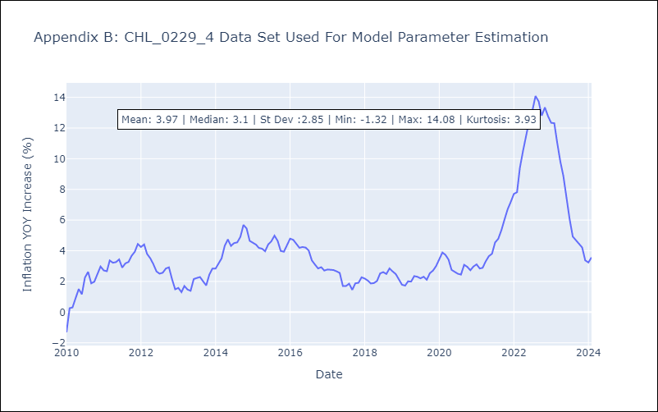

Appendix C: Residuals Analysis
Mean | 0.0
Errors AutoCorrelated? | 1.886352343899608 | No Autocorrelation
Normal? | No

