CHL
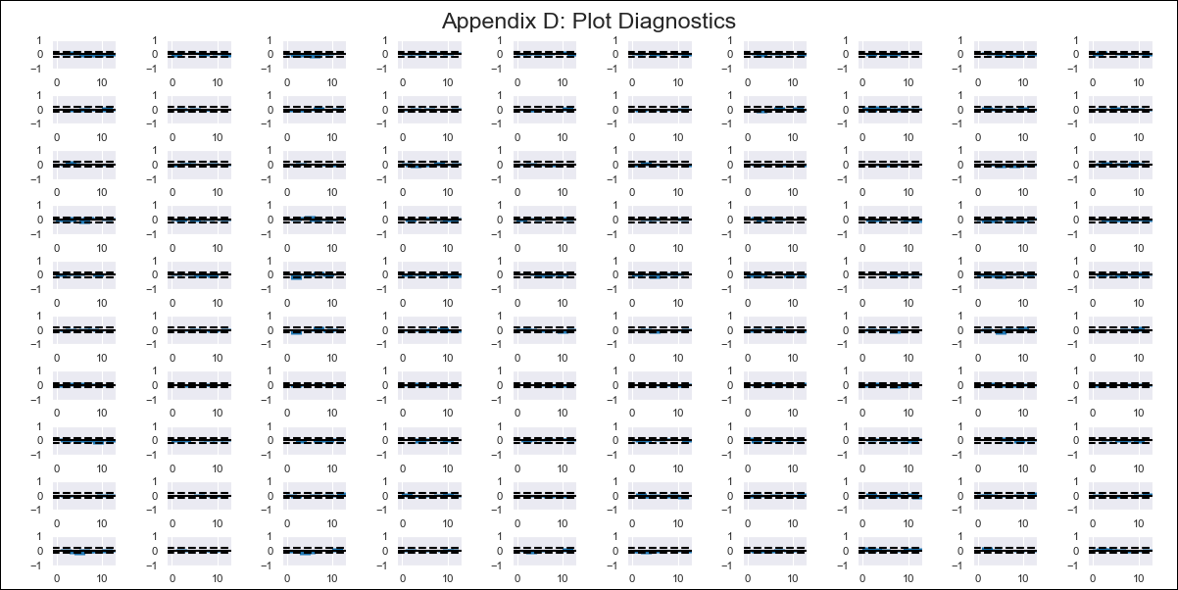
CHL - Inflation - Next 12 months forecast as of: 2024-02-01

Model | VAR - 12 | Exogenous Variables | Unemplyment rate yoy, Expectativas de inflación en 11 meses, Deposit Interest Rates (30 - 90 days) -Nominal, Price of Gold dollars per ounce, Price of Silver dollars per ounce, Price of Copper dollars per pound, M1_money_supply, Exports , Ahorro Bruto
Training Data | 2010-01-01 to 2023-03-01
Test Data | 2023-03-01 to 2024-02-01

Date | Inflation Change YoY % | Lower Bound - 95% Confidence Interval | Upper Bound - 95% Confidence Interval
2024-03-01 | 7.12 | 6.66 | 7.57
2024-04-01 | 10 | 5.39 | 7.51
2024-05-01 | 9.97 | 1.71 | 5.37
2024-06-01 | 10.66 | 1.54 | 6.96
2024-07-01 | 12.73 | 1.97 | 9.3
2024-08-01 | 13.93 | 0.13 | 9.4
2024-09-01 | 13.62 | -2.41 | 8.91
2024-10-01 | 13.92 | -2.92 | 10.65
2024-11-01 | 14.59 | -3.69 | 12.18
2024-12-01 | 15.87 | -4.27 | 13.96
2025-01-01 | 17.81 | -4.84 | 15.85
2025-02-01 | 19.82 | -6.06 | 17.22

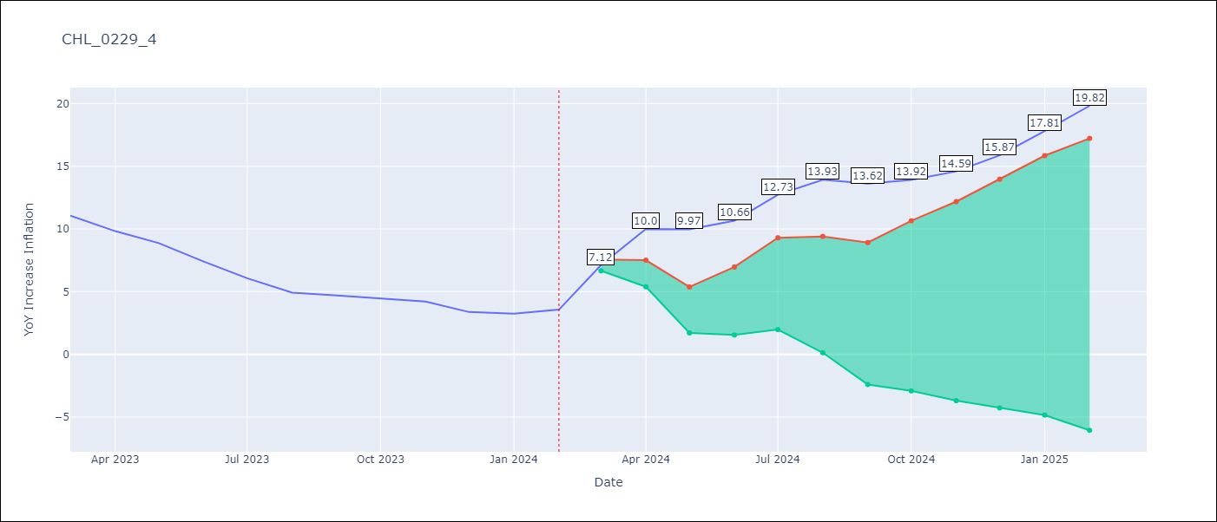

Test Metrics
RMSE | 14.54
Naive RMSE | 0.92
MAPE | 304.4%

Test Predictions
Date | Predicted | Actual
2023-03-01 | 15.51 | 11.07
2023-04-01 | 18.03 | 9.82
2023-05-01 | 17.64 | 8.87
2023-06-01 | 17.97 | 7.4
2023-07-01 | 19.68 | 6.07
2023-08-01 | 20.52 | 4.93
2023-09-01 | 19.85 | 4.69
2023-10-01 | 19.79 | 4.45
2023-11-01 | 20.11 | 4.22
2023-12-01 | 21.03 | 3.37
2024-01-01 | 22.6 | 3.23
2024-02-01 | 24.26 | 3.57

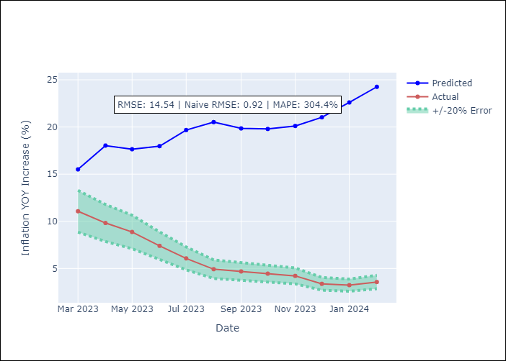

Appendix A: Model Summary
Model | VAR - 12
Sample | 2010-01-01 to 2024-02-01
No. of Observations | 170
Terms | P-value (Statistical significance)
L1.YoY Increase Inflation | 0.00075752810683
L1.Unemplyment rate yoy | 0.46947449396
L1.Expectativas de inflación en 11 meses | 0.55016949376
L1.Deposit Interest Rates (30 - 90 days) -Nominal | 0.20567049325
L1.Price of Gold dollars per ounce | 0.01035867822
L1.Price of Silver dollars per ounce | 0.053105513221
L1.Price of Copper dollars per pound | 0.69018198669
L1.M1_money_supply | 0.27075968715
L1.Exports | 0.31653254574
L1.Ahorro Bruto | 0.48900766505
L2.YoY Increase Inflation | 0.016451622699
L2.Unemplyment rate yoy | 0.39131113899
L2.Expectativas de inflación en 11 meses | 0.26627051429
L2.Deposit Interest Rates (30 - 90 days) -Nominal | 0.19882362674
L2.Price of Gold dollars per ounce | 0.39468324272
L2.Price of Silver dollars per ounce | 0.26786554773
L2.Price of Copper dollars per pound | 0.10946347438
L2.M1_money_supply | 0.79140361437
L2.Exports | 0.22559212473
L2.Ahorro Bruto | 0.70091501423
L3.YoY Increase Inflation | 0.32997059792
L3.Unemplyment rate yoy | 0.61296463312
L3.Expectativas de inflación en 11 meses | 0.079392649472
L3.Deposit Interest Rates (30 - 90 days) -Nominal | 0.33441539053
L3.Price of Gold dollars per ounce | 0.54066855004
L3.Price of Silver dollars per ounce | 0.4010922734
L3.Price of Copper dollars per pound | 0.12857074471
L3.M1_money_supply | 0.30949144407
L3.Exports | 0.93256411373
L3.Ahorro Bruto | 0.046558174444
L4.YoY Increase Inflation | 0.69926991115
L4.Unemplyment rate yoy | 0.93140716908
L4.Expectativas de inflación en 11 meses | 0.25958080329
L4.Deposit Interest Rates (30 - 90 days) -Nominal | 0.019804501255
L4.Price of Gold dollars per ounce | 0.73825302765
L4.Price of Silver dollars per ounce | 0.97960108717
L4.Price of Copper dollars per pound | 0.93067428816
L4.M1_money_supply | 0.97187619775
L4.Exports | 0.54141002778
L4.Ahorro Bruto | 0.11638393286
L5.YoY Increase Inflation | 0.64094267687
L5.Unemplyment rate yoy | 0.0032736934242
L5.Expectativas de inflación en 11 meses | 0.20693239333
L5.Deposit Interest Rates (30 - 90 days) -Nominal | 0.20091200675
L5.Price of Gold dollars per ounce | 0.096144711954
L5.Price of Silver dollars per ounce | 0.036746182702
L5.Price of Copper dollars per pound | 0.77244670694
L5.M1_money_supply | 0.19676366505
L5.Exports | 0.76298716533
L5.Ahorro Bruto | 0.55025030293
L6.YoY Increase Inflation | 0.69139056043
L6.Unemplyment rate yoy | 0.34423757051
L6.Expectativas de inflación en 11 meses | 0.15334834977
L6.Deposit Interest Rates (30 - 90 days) -Nominal | 0.51812338008
L6.Price of Gold dollars per ounce | 0.96586705628
L6.Price of Silver dollars per ounce | 0.12199232214
L6.Price of Copper dollars per pound | 0.89224858419
L6.M1_money_supply | 0.022194301151
L6.Exports | 0.62084923981
L6.Ahorro Bruto | 0.25285626971
L7.YoY Increase Inflation | 0.54214220325
L7.Unemplyment rate yoy | 0.0022934147489
L7.Expectativas de inflación en 11 meses | 0.52679122953
L7.Deposit Interest Rates (30 - 90 days) -Nominal | 0.48013054516
L7.Price of Gold dollars per ounce | 0.27495767239
L7.Price of Silver dollars per ounce | 0.36313007293
L7.Price of Copper dollars per pound | 0.18964859387
L7.M1_money_supply | 0.34612774313
L7.Exports | 0.99562446025
L7.Ahorro Bruto | 0.37661946063
L8.YoY Increase Inflation | 0.5409423382
L8.Unemplyment rate yoy | 0.017039444123
L8.Expectativas de inflación en 11 meses | 0.99355493881
L8.Deposit Interest Rates (30 - 90 days) -Nominal | 0.27653346009
L8.Price of Gold dollars per ounce | 0.33320352033
L8.Price of Silver dollars per ounce | 0.56163607152
L8.Price of Copper dollars per pound | 0.36940179605
L8.M1_money_supply | 0.74596124609
L8.Exports | 0.42742927876
L8.Ahorro Bruto | 0.27032456956
L9.YoY Increase Inflation | 0.04303091126
L9.Unemplyment rate yoy | 0.081703038768
L9.Expectativas de inflación en 11 meses | 0.23681238289
L9.Deposit Interest Rates (30 - 90 days) -Nominal | 0.86099618351
L9.Price of Gold dollars per ounce | 0.82282459788
L9.Price of Silver dollars per ounce | 0.1760839987
L9.Price of Copper dollars per pound | 0.78327780664
L9.M1_money_supply | 0.4673331081
L9.Exports | 0.01047862498
L9.Ahorro Bruto | 0.93642065376
L10.YoY Increase Inflation | 0.067625835459
L10.Unemplyment rate yoy | 0.63400619649
L10.Expectativas de inflación en 11 meses | 0.85047862559
L10.Deposit Interest Rates (30 - 90 days) -Nominal | 0.34751510885
L10.Price of Gold dollars per ounce | 0.00029042309012
L10.Price of Silver dollars per ounce | 0.19797727013
L10.Price of Copper dollars per pound | 0.30816313732
L10.M1_money_supply | 0.2791909546
L10.Exports | 0.1130814463
L10.Ahorro Bruto | 0.1107878545
L11.YoY Increase Inflation | 0.19347661224
L11.Unemplyment rate yoy | 0.20980108372
L11.Expectativas de inflación en 11 meses | 0.50080416324
L11.Deposit Interest Rates (30 - 90 days) -Nominal | 0.46575333742
L11.Price of Gold dollars per ounce | 0.16101547556
L11.Price of Silver dollars per ounce | 0.24205648157
L11.Price of Copper dollars per pound | 0.64911462808
L11.M1_money_supply | 0.076329515884
L11.Exports | 0.7829531438
L11.Ahorro Bruto | 0.00062914092167
L12.YoY Increase Inflation | 0.0098574661265
L12.Unemplyment rate yoy | 0.71555670618
L12.Expectativas de inflación en 11 meses | 0.97142179848
L12.Deposit Interest Rates (30 - 90 days) -Nominal | 0.96006696041
L12.Price of Gold dollars per ounce | 0.0064728621736
L12.Price of Silver dollars per ounce | 0.049432209136
L12.Price of Copper dollars per pound | 0.3437121729
L12.M1_money_supply | 0.11440606979
L12.Exports | 0.0028340522465
L12.Ahorro Bruto | 0.14260143446
Assumptions | P-value

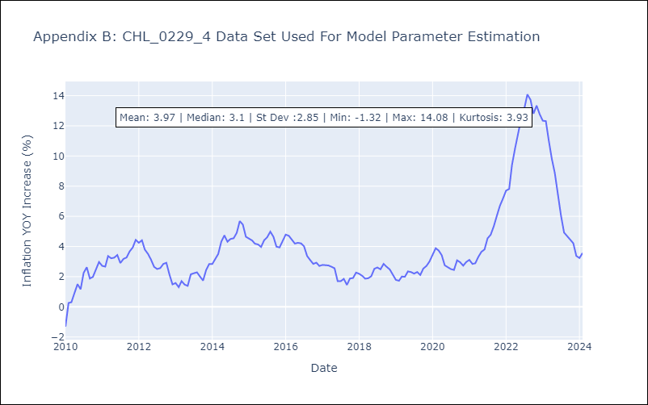

Appendix C: Residuals Analysis
Mean | -0.0
Errors AutoCorrelated? | 1.9919466402608261 | No Autocorrelation
Normal? | No

