CHL
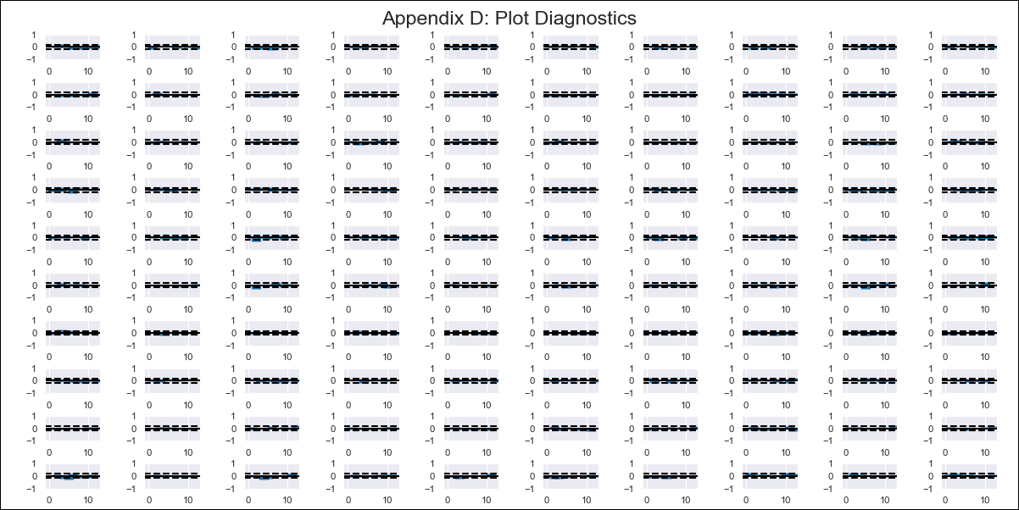
CHL - Inflation - Next 12 months forecast as of: 2024-01-01

Model | VAR - 12 | Exogenous Variables | Unemplyment rate yoy, Expectativas de inflación en 11 meses, Deposit Interest Rates (30 - 90 days) -Nominal, Price of Gold dollars per ounce, Price of Silver dollars per ounce, Price of Copper dollars per pound, M1_money_supply, Exports , Ahorro Bruto
Training Data | 2010-01-01 to 2023-02-01
Test Data | 2023-02-01 to 2024-01-01

Date | Inflation Change YoY % | Lower Bound - 95% Confidence Interval | Upper Bound - 95% Confidence Interval
2024-02-01 | 3.31 | 2.84 | 3.77
2024-03-01 | 5.66 | 4.51 | 6.67
2024-04-01 | 7.65 | 3.39 | 7.05
2024-05-01 | 8.78 | 1.71 | 7.03
2024-06-01 | 9.5 | 0.43 | 7.48
2024-07-01 | 11.55 | 0.87 | 9.71
2024-08-01 | 12.32 | -1.33 | 9.33
2024-09-01 | 13 | -2.39 | 10.23
2024-10-01 | 13.64 | -3.47 | 11.21
2024-11-01 | 13.73 | -5.09 | 11.73
2024-12-01 | 13.79 | -6.22 | 12.82
2025-01-01 | 15.1 | -6.14 | 15.23

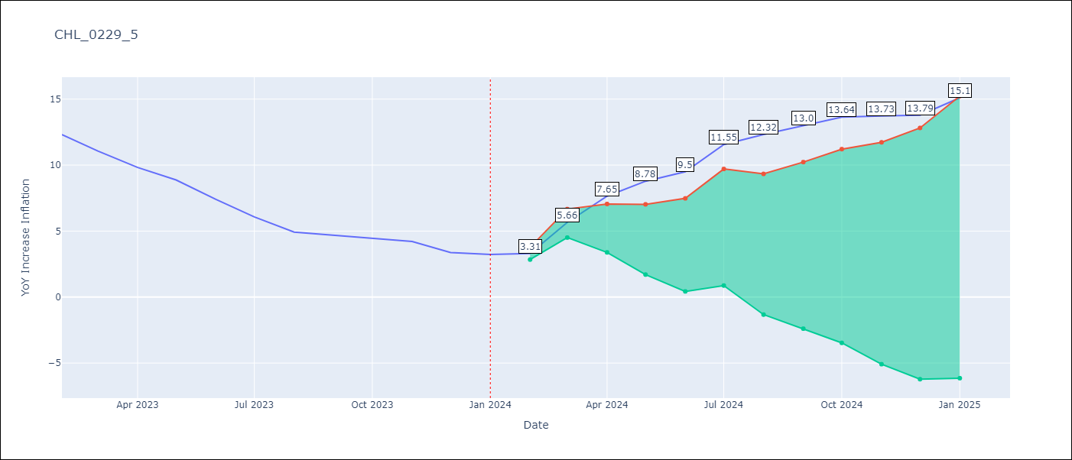

Test Metrics
RMSE | 12.41
Naive RMSE | 0.92
MAPE | 239.15%

Test Predictions
Date | Predicted | Actual
2023-02-01 | 12.11 | 12.31
2023-03-01 | 14.16 | 11.07
2023-04-01 | 15.85 | 9.82
2023-05-01 | 16.68 | 8.87
2023-06-01 | 17.1 | 7.4
2023-07-01 | 18.85 | 6.07
2023-08-01 | 19.32 | 4.93
2023-09-01 | 19.7 | 4.69
2023-10-01 | 20.03 | 4.45
2023-11-01 | 19.82 | 4.22
2023-12-01 | 19.58 | 3.37
2024-01-01 | 20.59 | 3.23

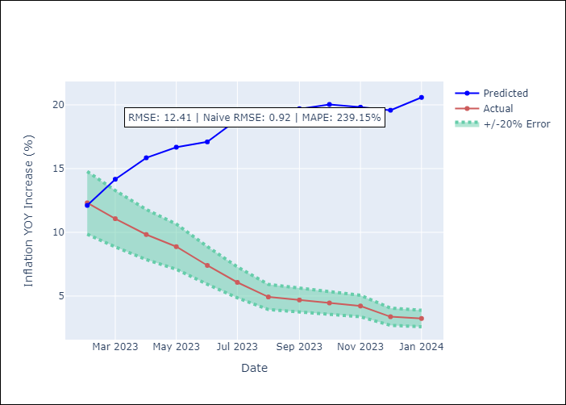

Appendix A: Model Summary
Model | VAR - 12
Sample | 2010-01-01 to 2024-01-01
No. of Observations | 169
Terms | P-value (Statistical significance)
L1.YoY Increase Inflation | 0.0010567599427
L1.Unemplyment rate yoy | 0.46157629033
L1.Expectativas de inflación en 11 meses | 0.62234939305
L1.Deposit Interest Rates (30 - 90 days) -Nominal | 0.21749868889
L1.Price of Gold dollars per ounce | 0.012176304136
L1.Price of Silver dollars per ounce | 0.05726449392
L1.Price of Copper dollars per pound | 0.67395222269
L1.M1_money_supply | 0.31189977511
L1.Exports | 0.33343654455
L1.Ahorro Bruto | 0.4884847836
L2.YoY Increase Inflation | 0.024720534519
L2.Unemplyment rate yoy | 0.38510342875
L2.Expectativas de inflación en 11 meses | 0.32217614264
L2.Deposit Interest Rates (30 - 90 days) -Nominal | 0.20849397213
L2.Price of Gold dollars per ounce | 0.38883900564
L2.Price of Silver dollars per ounce | 0.2731478493
L2.Price of Copper dollars per pound | 0.11455224823
L2.M1_money_supply | 0.8112506944
L2.Exports | 0.22746688633
L2.Ahorro Bruto | 0.73494966978
L3.YoY Increase Inflation | 0.39297929314
L3.Unemplyment rate yoy | 0.60388172308
L3.Expectativas de inflación en 11 meses | 0.08350918936
L3.Deposit Interest Rates (30 - 90 days) -Nominal | 0.38453347564
L3.Price of Gold dollars per ounce | 0.55068871896
L3.Price of Silver dollars per ounce | 0.39435549425
L3.Price of Copper dollars per pound | 0.13239031218
L3.M1_money_supply | 0.30828369141
L3.Exports | 0.92039135293
L3.Ahorro Bruto | 0.071931657089
L4.YoY Increase Inflation | 0.72773816937
L4.Unemplyment rate yoy | 0.86570647699
L4.Expectativas de inflación en 11 meses | 0.26476041642
L4.Deposit Interest Rates (30 - 90 days) -Nominal | 0.022418791208
L4.Price of Gold dollars per ounce | 0.78301955015
L4.Price of Silver dollars per ounce | 0.93668368789
L4.Price of Copper dollars per pound | 0.88688952478
L4.M1_money_supply | 0.92022289297
L4.Exports | 0.54435397697
L4.Ahorro Bruto | 0.15480081222
L5.YoY Increase Inflation | 0.64088880583
L5.Unemplyment rate yoy | 0.0042825426055
L5.Expectativas de inflación en 11 meses | 0.22097319525
L5.Deposit Interest Rates (30 - 90 days) -Nominal | 0.20728185388
L5.Price of Gold dollars per ounce | 0.10191412084
L5.Price of Silver dollars per ounce | 0.059226313076
L5.Price of Copper dollars per pound | 0.74888346423
L5.M1_money_supply | 0.23551532007
L5.Exports | 0.77330222331
L5.Ahorro Bruto | 0.60328102035
L6.YoY Increase Inflation | 0.72361625276
L6.Unemplyment rate yoy | 0.34983472591
L6.Expectativas de inflación en 11 meses | 0.1568720518
L6.Deposit Interest Rates (30 - 90 days) -Nominal | 0.53768624244
L6.Price of Gold dollars per ounce | 0.96538345624
L6.Price of Silver dollars per ounce | 0.13201169495
L6.Price of Copper dollars per pound | 0.85512802348
L6.M1_money_supply | 0.024747122072
L6.Exports | 0.62379011797
L6.Ahorro Bruto | 0.31387576786
L7.YoY Increase Inflation | 0.53644025945
L7.Unemplyment rate yoy | 0.002762459727
L7.Expectativas de inflación en 11 meses | 0.53252303261
L7.Deposit Interest Rates (30 - 90 days) -Nominal | 0.47660052366
L7.Price of Gold dollars per ounce | 0.27522744963
L7.Price of Silver dollars per ounce | 0.3597341099
L7.Price of Copper dollars per pound | 0.22170768917
L7.M1_money_supply | 0.34756039654
L7.Exports | 0.98812405834
L7.Ahorro Bruto | 0.37583240434
L8.YoY Increase Inflation | 0.52386540988
L8.Unemplyment rate yoy | 0.022424632535
L8.Expectativas de inflación en 11 meses | 0.99694433415
L8.Deposit Interest Rates (30 - 90 days) -Nominal | 0.27802471453
L8.Price of Gold dollars per ounce | 0.33033383936
L8.Price of Silver dollars per ounce | 0.54450544652
L8.Price of Copper dollars per pound | 0.39170714176
L8.M1_money_supply | 0.71125689765
L8.Exports | 0.41920680006
L8.Ahorro Bruto | 0.39051317526
L9.YoY Increase Inflation | 0.047133120477
L9.Unemplyment rate yoy | 0.087558561659
L9.Expectativas de inflación en 11 meses | 0.23886840681
L9.Deposit Interest Rates (30 - 90 days) -Nominal | 0.8738735295
L9.Price of Gold dollars per ounce | 0.80159425189
L9.Price of Silver dollars per ounce | 0.18557010973
L9.Price of Copper dollars per pound | 0.80037650395
L9.M1_money_supply | 0.55819718632
L9.Exports | 0.013917691786
L9.Ahorro Bruto | 0.90440484168
L10.YoY Increase Inflation | 0.071412729866
L10.Unemplyment rate yoy | 0.62085403137
L10.Expectativas de inflación en 11 meses | 0.85918721758
L10.Deposit Interest Rates (30 - 90 days) -Nominal | 0.3495041301
L10.Price of Gold dollars per ounce | 0.00039097989491
L10.Price of Silver dollars per ounce | 0.20298401397
L10.Price of Copper dollars per pound | 0.30706747756
L10.M1_money_supply | 0.31483671695
L10.Exports | 0.12354756176
L10.Ahorro Bruto | 0.16742130567
L11.YoY Increase Inflation | 0.29011071918
L11.Unemplyment rate yoy | 0.21197846212
L11.Expectativas de inflación en 11 meses | 0.48641310502
L11.Deposit Interest Rates (30 - 90 days) -Nominal | 0.45465459081
L11.Price of Gold dollars per ounce | 0.18421760916
L11.Price of Silver dollars per ounce | 0.24709756679
L11.Price of Copper dollars per pound | 0.65284918456
L11.M1_money_supply | 0.093477111676
L11.Exports | 0.83389348347
L11.Ahorro Bruto | 0.0017844376996
L12.YoY Increase Inflation | 0.012318261746
L12.Unemplyment rate yoy | 0.68585505356
L12.Expectativas de inflación en 11 meses | 0.98628795967
L12.Deposit Interest Rates (30 - 90 days) -Nominal | 0.97517362846
L12.Price of Gold dollars per ounce | 0.0077978669815
L12.Price of Silver dollars per ounce | 0.052894322411
L12.Price of Copper dollars per pound | 0.34973895877
L12.M1_money_supply | 0.12177652532
L12.Exports | 0.0033816946253
L12.Ahorro Bruto | 0.15636495775
Assumptions | P-value

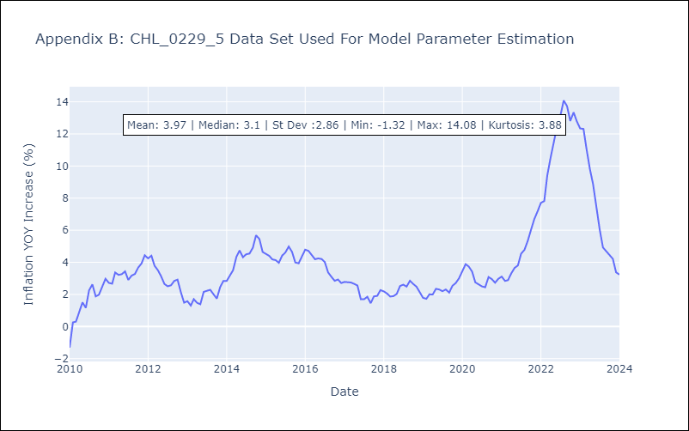

Appendix C: Residuals Analysis
Mean | 0.0
Errors AutoCorrelated? | 1.9976522469554208 | No Autocorrelation
Normal? | No

