CHL
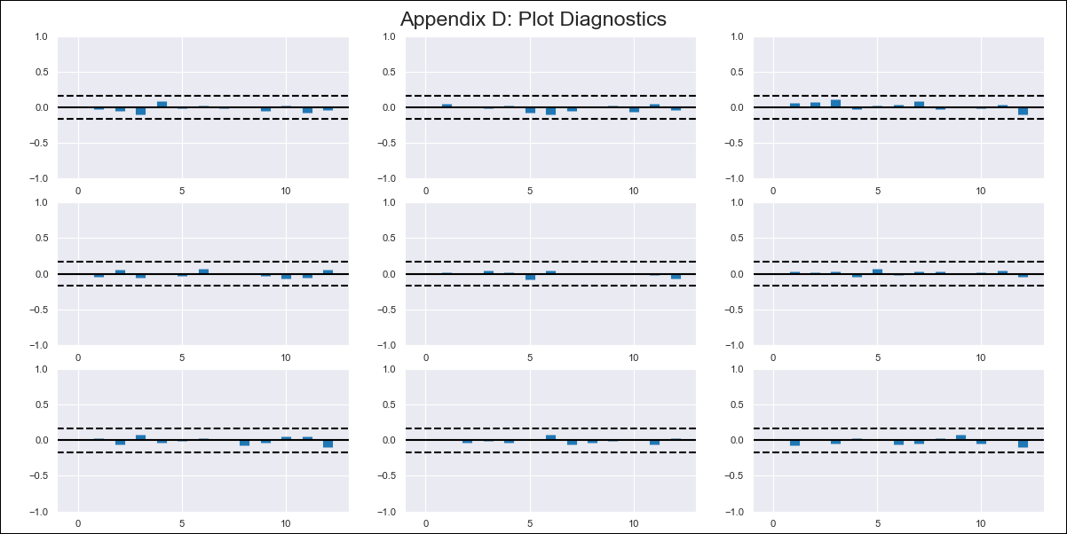
CHL - Inflation - Next 12 months forecast as of: 2024-02-01

Model | VAR - 12 | Exogenous Variables | Brent oil price (US $ / barrel), M1_money_supply
Training Data | 2010-01-01 to 2023-03-01
Test Data | 2023-03-01 to 2024-02-01

Date | Inflation Change YoY % | Lower Bound - 95% Confidence Interval | Upper Bound - 95% Confidence Interval
2024-03-01 | 2.46 | 1.82 | 3.09
2024-04-01 | 1.73 | 0.38 | 3.08
2024-05-01 | 0.82 | -1.26 | 2.9
2024-06-01 | -0.46 | -3.31 | 2.39
2024-07-01 | -1.19 | -4.83 | 2.44
2024-08-01 | -2.61 | -7.04 | 1.81
2024-09-01 | -3.44 | -8.67 | 1.79
2024-10-01 | -3.61 | -9.66 | 2.45
2024-11-01 | -4.7 | -11.59 | 2.19
2024-12-01 | -5.14 | -12.89 | 2.6
2025-01-01 | -5.63 | -14.25 | 2.99
2025-02-01 | -6.43 | -15.94 | 3.08

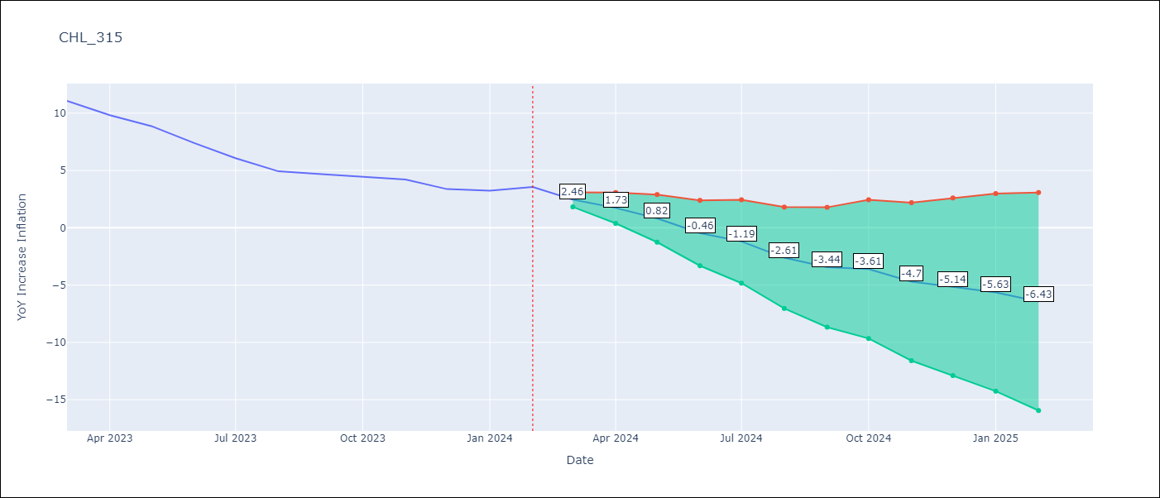

Test Metrics
RMSE | 0.81
Naive RMSE | 0.92
MAPE | 12.91%

Test Predictions
Date | Predicted | Actual
2023-03-01 | 11.2 | 11.07
2023-04-01 | 10.48 | 9.82
2023-05-01 | 9.57 | 8.87
2023-06-01 | 8.29 | 7.4
2023-07-01 | 7.55 | 6.07
2023-08-01 | 6.13 | 4.93
2023-09-01 | 5.31 | 4.69
2023-10-01 | 5.14 | 4.45
2023-11-01 | 4.05 | 4.22
2023-12-01 | 3.6 | 3.37
2024-01-01 | 3.11 | 3.23
2024-02-01 | 2.31 | 3.57

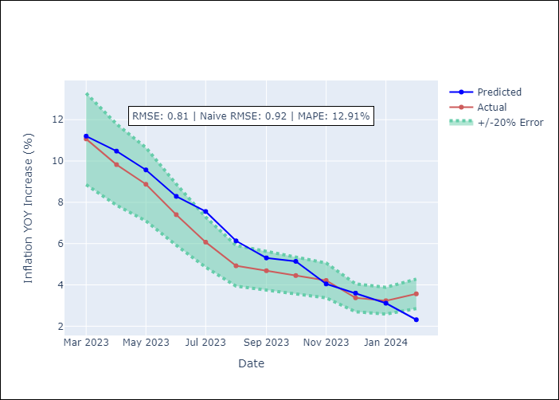

Appendix A: Model Summary
Model | VAR - 12
Sample | 2010-01-01 to 2024-02-01
No. of Observations | 170
Terms | P-value (Statistical significance)
L1.YoY Increase Inflation | 5.5431304516E-05
L1.Brent oil price (US $ / barrel) | 0.012958410386
L1.M1_money_supply | 0.061864587727
L2.YoY Increase Inflation | 0.80332950361
L2.Brent oil price (US $ / barrel) | 0.014210411939
L2.M1_money_supply | 0.37632892384
L3.YoY Increase Inflation | 0.015420018212
L3.Brent oil price (US $ / barrel) | 0.10050128425
L3.M1_money_supply | 0.076176765841
L4.YoY Increase Inflation | 0.11964299465
L4.Brent oil price (US $ / barrel) | 0.0076436221923
L4.M1_money_supply | 0.51819024244
L5.YoY Increase Inflation | 0.1866188863
L5.Brent oil price (US $ / barrel) | 0.077497716295
L5.M1_money_supply | 0.15083672308
L6.YoY Increase Inflation | 0.77688557978
L6.Brent oil price (US $ / barrel) | 0.61752895019
L6.M1_money_supply | 0.87955483829
L7.YoY Increase Inflation | 0.39778300366
L7.Brent oil price (US $ / barrel) | 0.24262387932
L7.M1_money_supply | 0.19146918926
L8.YoY Increase Inflation | 0.06432046997
L8.Brent oil price (US $ / barrel) | 0.84862376955
L8.M1_money_supply | 0.93714763375
L9.YoY Increase Inflation | 0.83271598491
L9.Brent oil price (US $ / barrel) | 0.30369158063
L9.M1_money_supply | 0.15057857836
L10.YoY Increase Inflation | 0.061668276724
L10.Brent oil price (US $ / barrel) | 0.15212701184
L10.M1_money_supply | 0.1667955021
L11.YoY Increase Inflation | 0.85771981977
L11.Brent oil price (US $ / barrel) | 0.25474817286
L11.M1_money_supply | 0.96618419768
L12.YoY Increase Inflation | 6.8811114947E-06
L12.Brent oil price (US $ / barrel) | 0.78224619779
L12.M1_money_supply | 0.032025613511
Assumptions | P-value

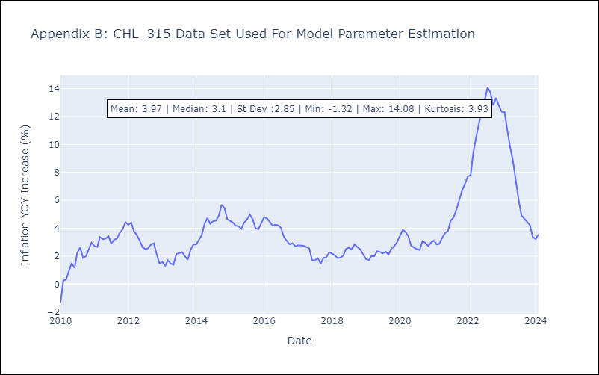

Appendix C: Residuals Analysis
Mean | 0.0
Errors AutoCorrelated? | 2.02835511948942 | No Autocorrelation
Normal? | No

