CHL
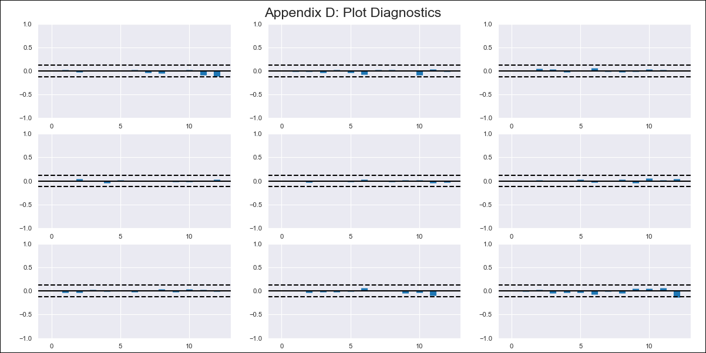
CHL - Inflation - Next 12 months forecast as of: 2024-02-01

Model | VAR - 12 | Exogenous Variables | Brent oil price (US $ / barrel), M1_money_supply
Training Data | 1999-12-01 to 2023-03-01
Test Data | 2023-03-01 to 2024-02-01

Date | Inflation Change YoY % | Lower Bound - 95% Confidence Interval | Upper Bound - 95% Confidence Interval
2024-03-01 | 2.75 | 1.99 | 3.51
2024-04-01 | 2.16 | 0.55 | 3.77
2024-05-01 | 1.55 | -0.93 | 4.02
2024-06-01 | 0.78 | -2.59 | 4.16
2024-07-01 | 0.3 | -3.99 | 4.58
2024-08-01 | -0.79 | -6 | 4.41
2024-09-01 | -1.18 | -7.32 | 4.96
2024-10-01 | -1.05 | -8.12 | 6.03
2024-11-01 | -1.62 | -9.64 | 6.4
2024-12-01 | -1.64 | -10.6 | 7.33
2025-01-01 | -1.65 | -11.57 | 8.27
2025-02-01 | -1.82 | -12.71 | 9.07

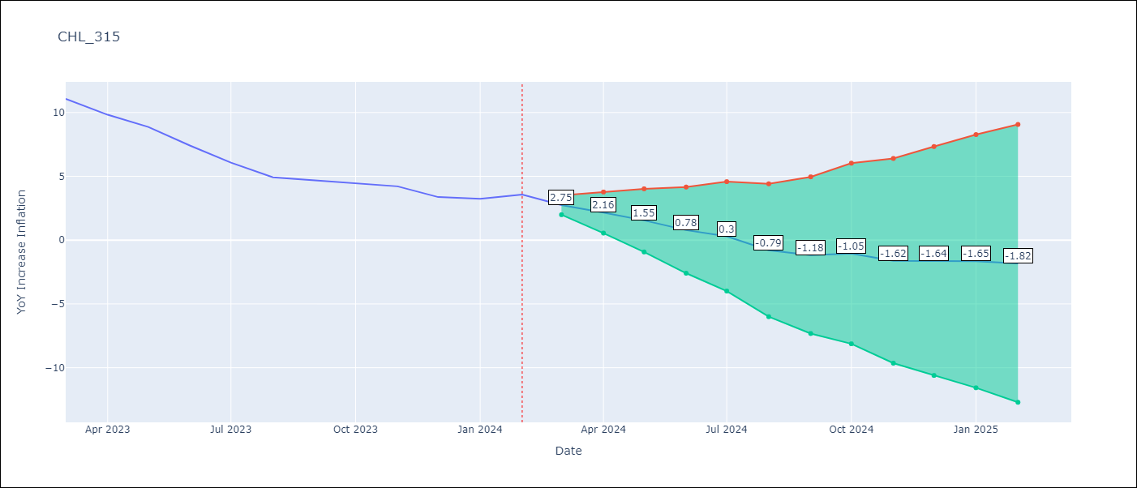

Test Metrics
RMSE | 2.79
Naive RMSE | 0.92
MAPE | 58.15%

Test Predictions
Date | Predicted | Actual
2023-03-01 | 11.5 | 11.07
2023-04-01 | 10.91 | 9.82
2023-05-01 | 10.29 | 8.87
2023-06-01 | 9.53 | 7.4
2023-07-01 | 9.04 | 6.07
2023-08-01 | 7.95 | 4.93
2023-09-01 | 7.57 | 4.69
2023-10-01 | 7.7 | 4.45
2023-11-01 | 7.13 | 4.22
2023-12-01 | 7.11 | 3.37
2024-01-01 | 7.1 | 3.23
2024-02-01 | 6.93 | 3.57

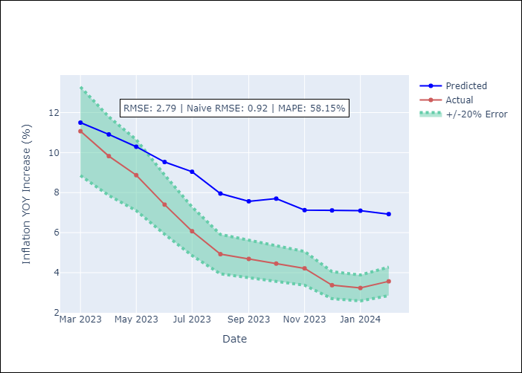

Appendix A: Model Summary
Model | VAR - 12
Sample | 1999-12-01 to 2024-02-01
No. of Observations | 291
Terms | P-value (Statistical significance)
L1.YoY Increase Inflation | 1.6926231918E-15
L1.Brent oil price (US $ / barrel) | 0.40960616083
L1.M1_money_supply | 0.20538998492
L2.YoY Increase Inflation | 0.29452629219
L2.Brent oil price (US $ / barrel) | 0.71806249318
L2.M1_money_supply | 0.25150341019
L3.YoY Increase Inflation | 0.00074499409924
L3.Brent oil price (US $ / barrel) | 0.023249775994
L3.M1_money_supply | 0.58891147746
L4.YoY Increase Inflation | 0.23801206807
L4.Brent oil price (US $ / barrel) | 0.026755617534
L4.M1_money_supply | 0.33666443246
L5.YoY Increase Inflation | 0.055928036101
L5.Brent oil price (US $ / barrel) | 0.048869974889
L5.M1_money_supply | 0.29676893286
L6.YoY Increase Inflation | 0.49231168341
L6.Brent oil price (US $ / barrel) | 0.87648359873
L6.M1_money_supply | 0.80337426601
L7.YoY Increase Inflation | 0.23878267558
L7.Brent oil price (US $ / barrel) | 0.47596483739
L7.M1_money_supply | 0.52785535285
L8.YoY Increase Inflation | 0.22016131563
L8.Brent oil price (US $ / barrel) | 0.3544005827
L8.M1_money_supply | 0.33033132332
L9.YoY Increase Inflation | 0.027143216286
L9.Brent oil price (US $ / barrel) | 0.91317231405
L9.M1_money_supply | 0.053408989547
L10.YoY Increase Inflation | 0.00068031377132
L10.Brent oil price (US $ / barrel) | 0.51448640234
L10.M1_money_supply | 0.99692346085
L11.YoY Increase Inflation | 0.92158616352
L11.Brent oil price (US $ / barrel) | 0.15646901252
L11.M1_money_supply | 0.9169875499
L12.YoY Increase Inflation | 1.5589086473E-09
L12.Brent oil price (US $ / barrel) | 0.39766132399
L12.M1_money_supply | 0.76102167427
Assumptions | P-value

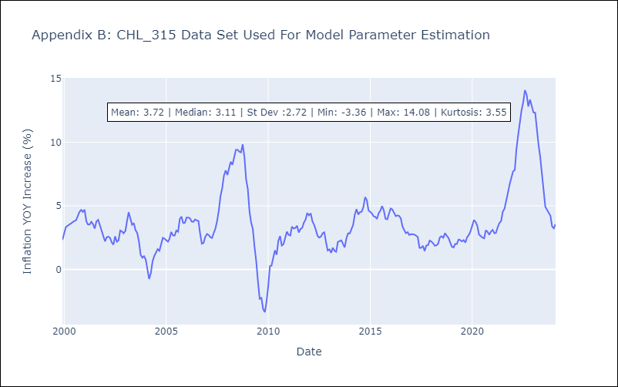

Appendix C: Residuals Analysis
Mean | -0.0
Errors AutoCorrelated? | 1.9441271433984615 | No Autocorrelation
Normal? | No

