CHL
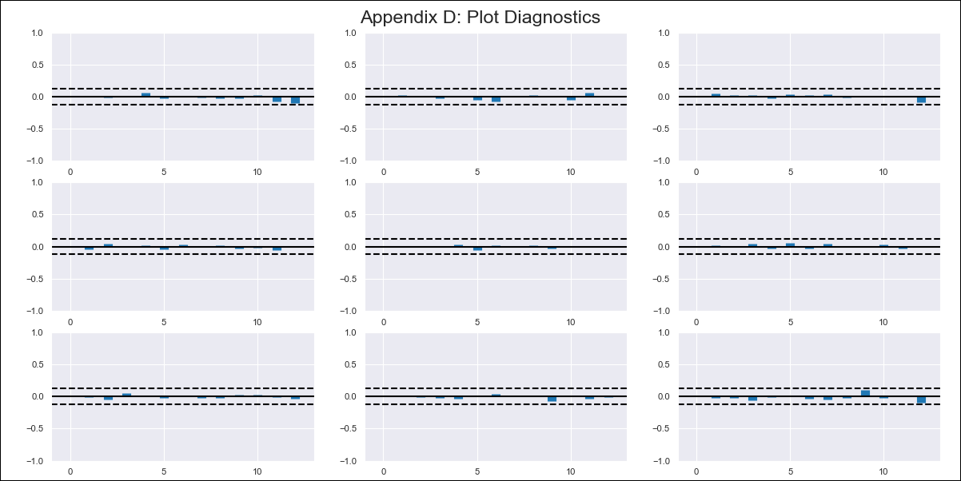
CHL - Inflation - Next 12 months forecast as of: 2024-03-01

Model | VAR - 12 | Exogenous Variables | Brent oil price (US $ / barrel), M1_money_supply
Training Data | 1999-12-01 to 2023-04-01
Test Data | 2023-04-01 to 2024-03-01

Date | Inflation Change YoY % | Lower Bound - 95% Confidence Interval | Upper Bound - 95% Confidence Interval
2024-04-01 | 2.45 | 1.72 | 3.18
2024-05-01 | 1.61 | 0.05 | 3.18
2024-06-01 | 0.52 | -1.9 | 2.94
2024-07-01 | -0.07 | -3.39 | 3.25
2024-08-01 | -1.45 | -5.68 | 2.78
2024-09-01 | -2.08 | -7.23 | 3.07
2024-10-01 | -1.94 | -8.02 | 4.14
2024-11-01 | -2.73 | -9.76 | 4.29
2024-12-01 | -2.8 | -10.76 | 5.17
2025-01-01 | -2.92 | -11.83 | 6
2025-02-01 | -3.34 | -13.21 | 6.52
2025-03-01 | -2.89 | -13.71 | 7.94

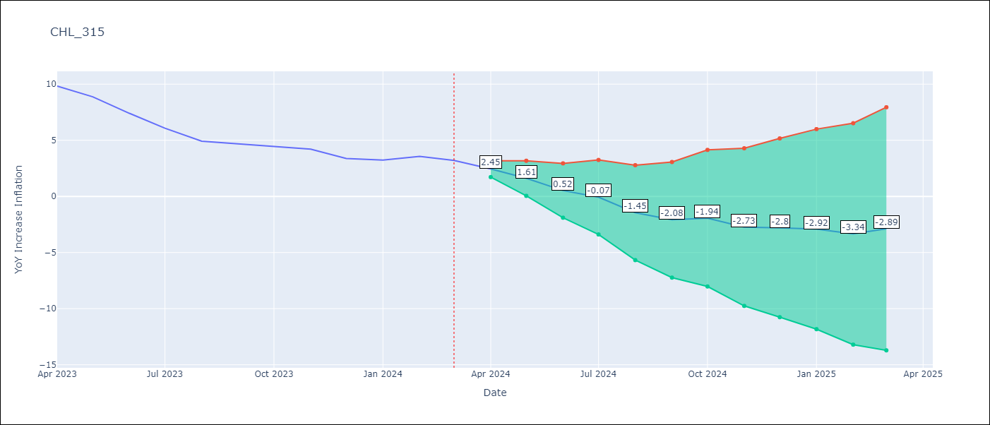

Test Metrics
RMSE | 1.31
Naive RMSE | 0.86
MAPE | 28.78%

Test Predictions
Date | Predicted | Actual
2023-04-01 | 10.31 | 9.82
2023-05-01 | 9.47 | 8.87
2023-06-01 | 8.38 | 7.4
2023-07-01 | 7.79 | 6.07
2023-08-01 | 6.41 | 4.93
2023-09-01 | 5.77 | 4.69
2023-10-01 | 5.92 | 4.45
2023-11-01 | 5.12 | 4.22
2023-12-01 | 5.06 | 3.37
2024-01-01 | 4.94 | 3.23
2024-02-01 | 4.52 | 3.57
2024-03-01 | 4.97 | 3.21

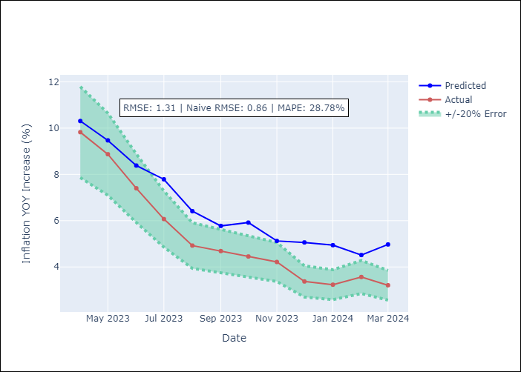

Appendix A: Model Summary
Model | VAR - 12
Sample | 1999-12-01 to 2024-03-01
No. of Observations | 292
Terms | P-value (Statistical significance)
L1.YoY Increase Inflation | 2.0922812936E-16
L1.Brent oil price (US $ / barrel) | 0.017312212206
L1.M1_money_supply | 0.045954495736
L2.YoY Increase Inflation | 0.16447685907
L2.Brent oil price (US $ / barrel) | 0.0074734736264
L2.M1_money_supply | 0.027136142004
L3.YoY Increase Inflation | 0.00028355407253
L3.Brent oil price (US $ / barrel) | 0.0071162718024
L3.M1_money_supply | 0.047697153376
L4.YoY Increase Inflation | 0.15226680785
L4.Brent oil price (US $ / barrel) | 0.00020710462616
L4.M1_money_supply | 0.18147820354
L5.YoY Increase Inflation | 0.059150144665
L5.Brent oil price (US $ / barrel) | 0.13714642072
L5.M1_money_supply | 0.24987415852
L6.YoY Increase Inflation | 0.16506498685
L6.Brent oil price (US $ / barrel) | 0.7901151387
L6.M1_money_supply | 0.82209223103
L7.YoY Increase Inflation | 0.22014661447
L7.Brent oil price (US $ / barrel) | 0.15455942876
L7.M1_money_supply | 0.59618197922
L8.YoY Increase Inflation | 0.10834730643
L8.Brent oil price (US $ / barrel) | 0.61484645218
L8.M1_money_supply | 0.93231974918
L9.YoY Increase Inflation | 0.021401043889
L9.Brent oil price (US $ / barrel) | 0.17900396393
L9.M1_money_supply | 0.0026518625706
L10.YoY Increase Inflation | 0.012096080545
L10.Brent oil price (US $ / barrel) | 0.04226289039
L10.M1_money_supply | 0.02851660785
L11.YoY Increase Inflation | 0.44207253307
L11.Brent oil price (US $ / barrel) | 0.2433758781
L11.M1_money_supply | 0.92782852469
L12.YoY Increase Inflation | 4.8826865652E-12
L12.Brent oil price (US $ / barrel) | 0.76113578217
L12.M1_money_supply | 0.45298627382
Assumptions | P-value

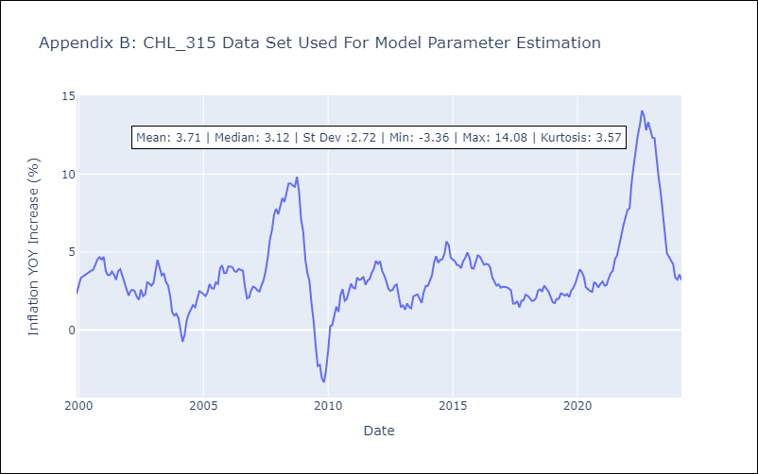

Appendix C: Residuals Analysis
Mean | -0.0
Errors AutoCorrelated? | 1.9876940760750297 | No Autocorrelation
Normal? | No

