CHL
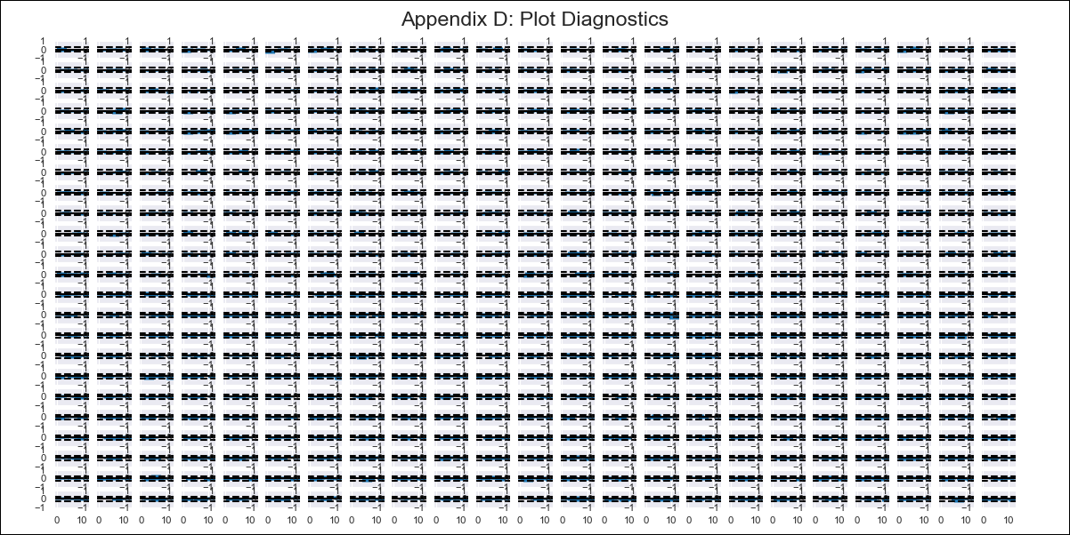
CHL - Inflation - Next 12 months forecast as of: 2024-03-01

Model | VAR - 1 | Exogenous Variables | PPI_Brazil, PPI_China, PPI_South Korea, PPI_United States, Finished goods, PPI_United States, All Commodities, PPI_Japan, 4.CPI Goods without volatiles, 6.CPI Volatile Food, 7.CPI Volatile Energy, 8.CPI Rest of volatiles, M1_money_supply, 3.Twelve-month economic outlook for the country_yoy, 4.Five-year economic outlook for the country_yoy, 6.Economic perception index_yoy, MPR_Brazil, Price of Copper dollars per pound, CPI_Brazil, CPI_China, CPI_South Korea, CPI_United States, CPI_Japan, Wage Index_yoy %
Training Data | 2018-02-01 to 2023-04-01
Test Data | 2023-04-01 to 2024-03-01

Date | Inflation Change YoY % | Lower Bound - 95% Confidence Interval | Upper Bound - 95% Confidence Interval
2024-04-01 | -0.05 | -0.08 | -0.02
2024-05-01 | -0.04 | -0.11 | 0.03
2024-06-01 | -0.03 | -0.15 | 0.07
2024-07-01 | -0.01 | -0.19 | 0.12
2024-08-01 | -0.01 | -0.24 | 0.15
2024-09-01 | 0 | -0.28 | 0.2
2024-10-01 | 0.01 | -0.32 | 0.24
2024-11-01 | 0.02 | -0.37 | 0.29
2024-12-01 | 0.03 | -0.41 | 0.33
2025-01-01 | 0.05 | -0.45 | 0.38
2025-02-01 | 0.06 | -0.5 | 0.42
2025-03-01 | 0.08 | -0.54 | 0.47

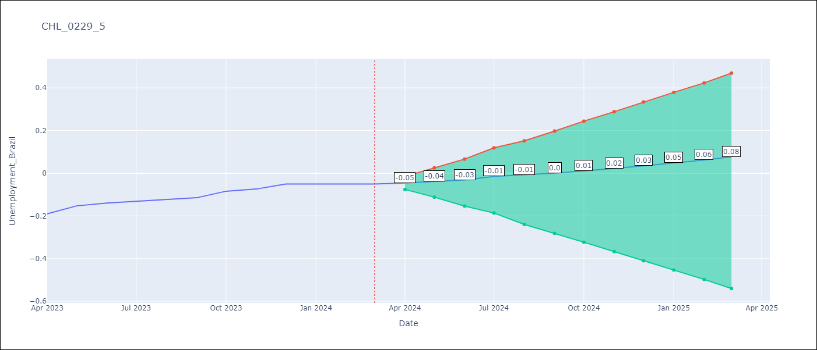

Test Metrics
RMSE | 0.14
Naive RMSE | 0.02
MAPE | 185.68%

Test Predictions
Date | Predicted | Actual
2023-04-01 | -0.18 | -0.19
2023-05-01 | -0.15 | -0.15
2023-06-01 | -0.11 | -0.14
2023-07-01 | -0.07 | -0.13
2023-08-01 | -0.04 | -0.12
2023-09-01 | -0.01 | -0.11
2023-10-01 | 0.03 | -0.08
2023-11-01 | 0.07 | -0.07
2023-12-01 | 0.1 | -0.05
2024-01-01 | 0.14 | -0.05
2024-02-01 | 0.18 | -0.05
2024-03-01 | 0.22 | -0.05

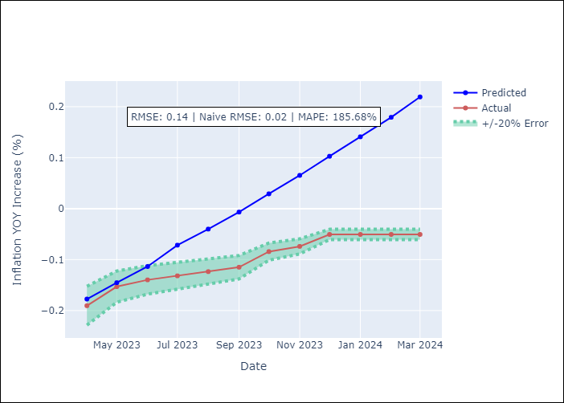

Appendix A: Model Summary
Model | VAR - 1
Sample | 2018-02-01 to 2024-03-01
No. of Observations | 74
Terms | P-value (Statistical significance)
L1.Unemployment_Brazil | 0.11852208973
L1.PPI_Brazil | 0.25495064836
L1.PPI_China | 0.75588370997
L1.PPI_South Korea | 0.13577899375
L1.PPI_United States, Finished goods | 0.35609030885
L1.PPI_United States, All Commodities | 0.79048564405
L1.PPI_Japan | 0.90762291018
L1.4.CPI Goods without volatiles | 0.62784569356
L1.6.CPI Volatile Food | 0.79751273164
L1.7.CPI Volatile Energy | 0.37080240266
L1.8.CPI Rest of volatiles | 0.19602770218
L1.M1_money_supply | 0.0014379456656
L1.3.Twelve-month economic outlook for the country_yoy | 0.89786465806
L1.4.Five-year economic outlook for the country_yoy | 0.44390026159
L1.6.Economic perception index_yoy | 0.37998892531
L1.MPR_Brazil | 0.38129469644
L1.Price of Copper dollars per pound | 0.82959573691
L1.CPI_Brazil | 0.4101080386
L1.CPI_China | 0.5192516479
L1.CPI_South Korea | 0.55488460116
L1.CPI_United States | 0.47837744561
L1.CPI_Japan | 0.17510628359
L1.Wage Index_yoy % | 0.31683967593
Assumptions | P-value

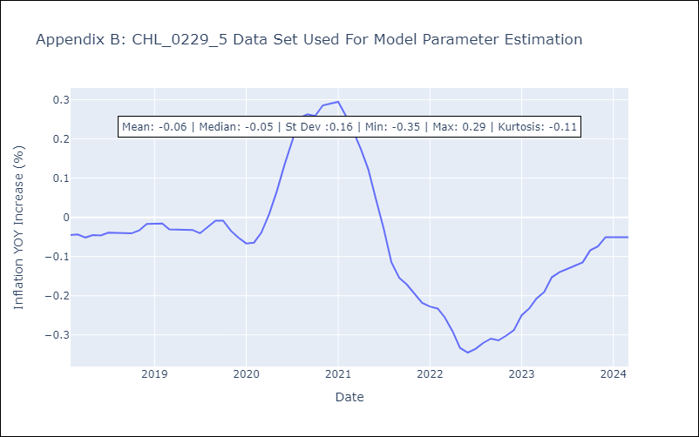

Appendix C: Residuals Analysis
Mean | 0.0
Errors AutoCorrelated? | 2.15926367675621 | No Autocorrelation
Normal? | No

