CHL
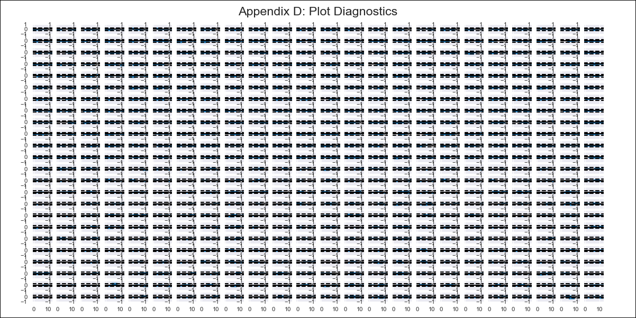
CHL - Inflation - Next 12 months forecast as of: 2024-03-01

Model | VAR - 1 | Exogenous Variables | Unemployment_Brazil, PPI_Brazil, PPI_China, PPI_South Korea, PPI_United States, Finished goods, PPI_United States, All Commodities, PPI_Japan, 4.CPI Goods without volatiles, 6.CPI Volatile Food, 7.CPI Volatile Energy, 8.CPI Rest of volatiles, M1_money_supply, 3.Twelve-month economic outlook for the country_yoy, 4.Five-year economic outlook for the country_yoy, 6.Economic perception index_yoy, MPR_Brazil, Price of Copper dollars per pound, CPI_Brazil, CPI_China, CPI_South Korea, CPI_United States, CPI_Japan, Wage Index_yoy %
Training Data | 2018-02-01 to 2023-04-01
Test Data | 2023-04-01 to 2024-03-01

Date | Inflation Change YoY % | Lower Bound - 95% Confidence Interval | Upper Bound - 95% Confidence Interval
2024-04-01 | 3.15 | 2.46 | 3.83
2024-05-01 | 3.2 | 1.63 | 4.89
2024-06-01 | 3.02 | 0.36 | 5.7
2024-07-01 | 2.87 | -0.7 | 6.83
2024-08-01 | 3 | -1.62 | 8.3
2024-09-01 | 2.71 | -3.3 | 9.13
2024-10-01 | 2.64 | -4.35 | 10.64
2024-11-01 | 2.48 | -5.74 | 11.83
2024-12-01 | 2.27 | -7.09 | 13.1
2025-01-01 | 2.11 | -8.36 | 14.45
2025-02-01 | 1.89 | -9.73 | 15.71
2025-03-01 | 1.64 | -11.08 | 17

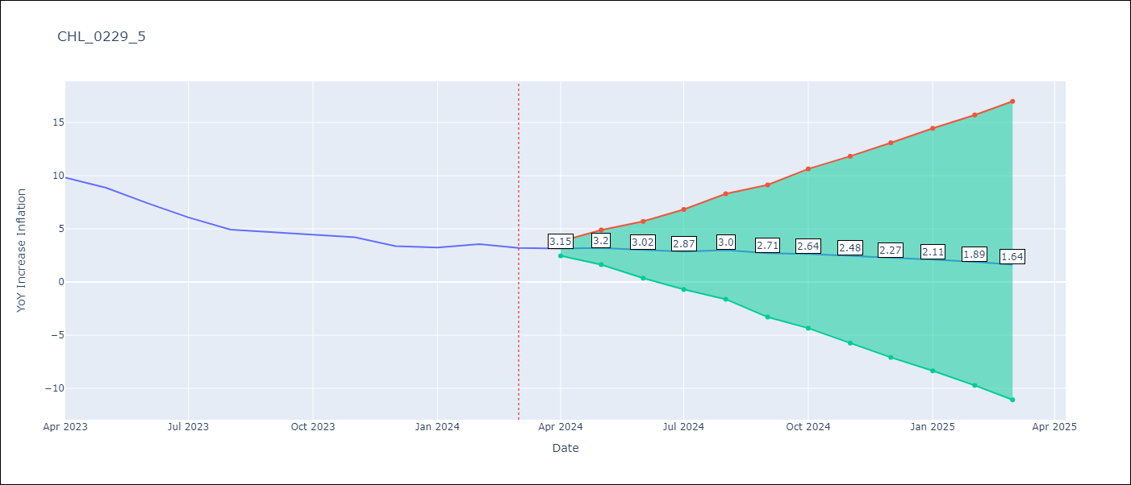

Test Metrics
RMSE | 1.91
Naive RMSE | 0.86
MAPE | 37.14%

Test Predictions
Date | Predicted | Actual
2023-04-01 | 10.12 | 9.82
2023-05-01 | 9.28 | 8.87
2023-06-01 | 8.21 | 7.4
2023-07-01 | 7.18 | 6.07
2023-08-01 | 6.42 | 4.93
2023-09-01 | 5.24 | 4.69
2023-10-01 | 4.29 | 4.45
2023-11-01 | 3.23 | 4.22
2023-12-01 | 2.14 | 3.37
2024-01-01 | 1.09 | 3.23
2024-02-01 | -0.02 | 3.57
2024-03-01 | -1.16 | 3.21

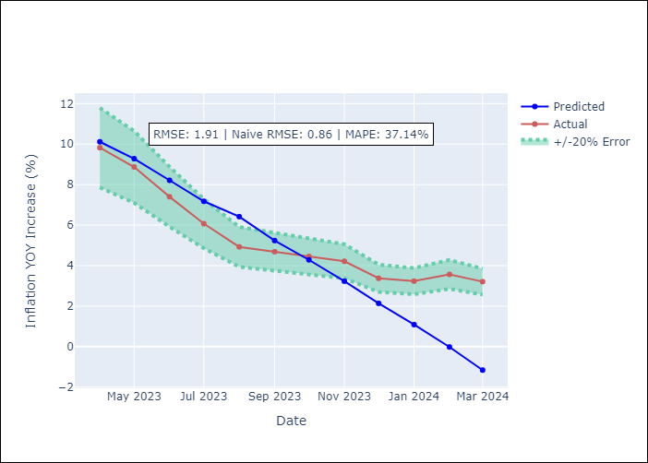

Appendix A: Model Summary
Model | VAR - 1
Sample | 2018-02-01 to 2024-03-01
No. of Observations | 74
Terms | P-value (Statistical significance)
L1.YoY Increase Inflation | 0.73497934403
L1.Unemployment_Brazil | 0.78983556456
L1.PPI_Brazil | 0.7249261587
L1.PPI_China | 0.25098628524
L1.PPI_South Korea | 0.53918710435
L1.PPI_United States, Finished goods | 0.0091275930317
L1.PPI_United States, All Commodities | 0.016824524787
L1.PPI_Japan | 0.64758181763
L1.4.CPI Goods without volatiles | 0.36442725728
L1.6.CPI Volatile Food | 0.54282550756
L1.7.CPI Volatile Energy | 0.85408479753
L1.8.CPI Rest of volatiles | 0.59709204143
L1.M1_money_supply | 0.7800814926
L1.3.Twelve-month economic outlook for the country_yoy | 0.40282274542
L1.4.Five-year economic outlook for the country_yoy | 0.28517720693
L1.6.Economic perception index_yoy | 0.27626819529
L1.MPR_Brazil | 0.033513245415
L1.Price of Copper dollars per pound | 0.69962784909
L1.CPI_Brazil | 0.89836101405
L1.CPI_China | 0.51639140729
L1.CPI_South Korea | 0.036391210938
L1.CPI_United States | 0.31291375436
L1.CPI_Japan | 0.014169375975
L1.Wage Index_yoy % | 0.76374079327
Assumptions | P-value

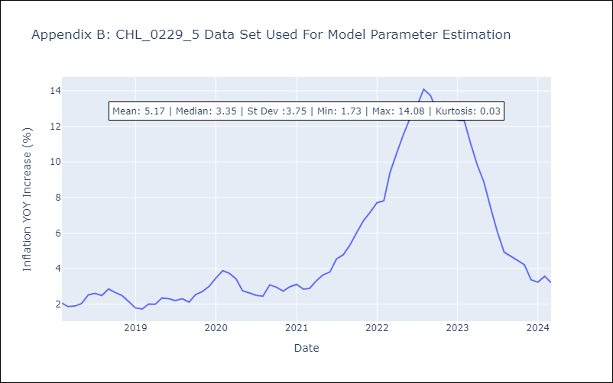

Appendix C: Residuals Analysis
Mean | -0.0
Errors AutoCorrelated? | 2.45559424900261 | No Autocorrelation
Normal? | No

