CHL
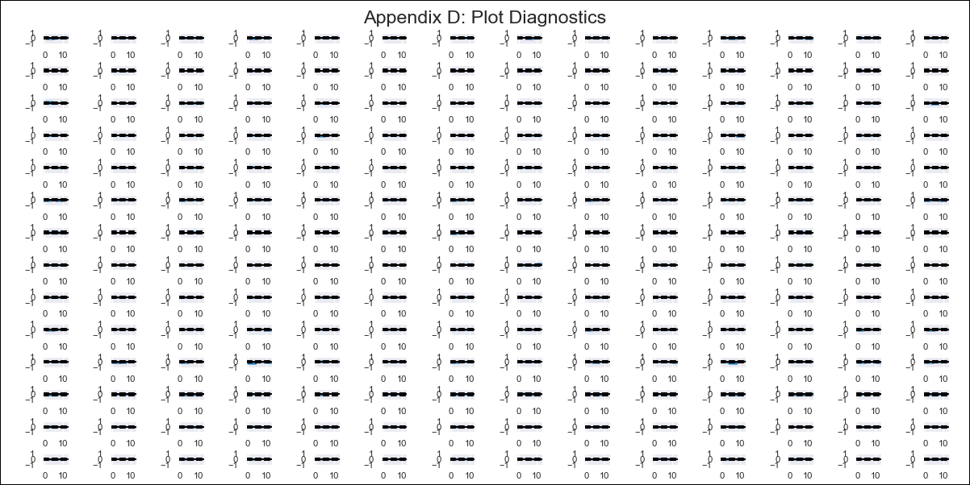
CHL - Inflation - Next 12 months forecast as of: 2023-11-01

Model | VAR - 8 | Exogenous Variables | PPI_China, PPI_South Korea, PPI_Japan, Ahorro Bruto, 3.CPI Services without volatiles, 8.CPI Rest of volatiles, M1_money_supply, 6.Economic perception index_yoy, MPR_Brazil, CPI_Brazil, CPI_United States, CPI_Japan, General wage index
Training Data | 2010-12-01 to 2022-12-01
Test Data | 2022-12-01 to 2023-11-01

Date | Inflation Change YoY % | Lower Bound - 95% Confidence Interval | Upper Bound - 95% Confidence Interval
2023-12-01 | 4.29 | 3.9 | 4.68
2024-01-01 | 5.31 | 4.41 | 6.21
2024-02-01 | 6.76 | 5.23 | 8.28
2024-03-01 | 6.65 | 4.45 | 8.86
2024-04-01 | 7.97 | 5.03 | 10.9
2024-05-01 | 7.09 | 3.4 | 10.78
2024-06-01 | 6.78 | 2.28 | 11.27
2024-07-01 | 7.21 | 1.83 | 12.6
2024-08-01 | 6.25 | -0.13 | 12.63
2024-09-01 | 5.16 | -2.25 | 12.56
2024-10-01 | 5.65 | -2.84 | 14.14
2024-11-01 | 5.5 | -4.14 | 15.14

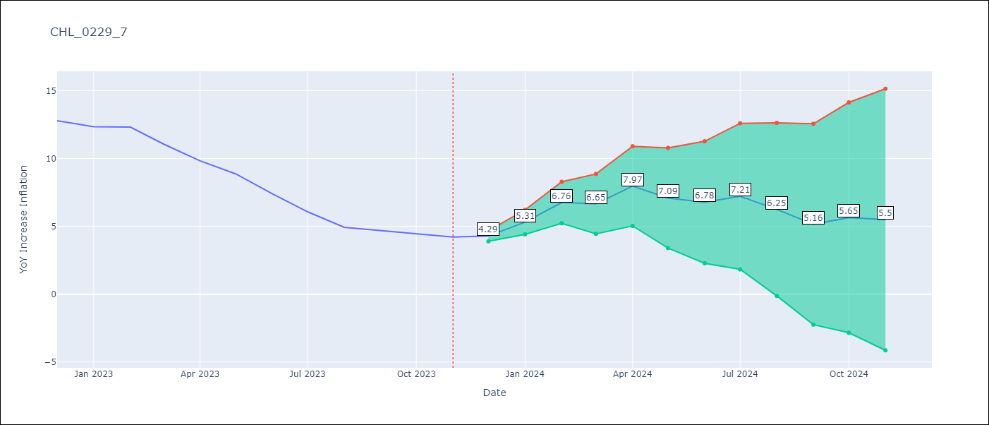

Test Metrics
RMSE | 7.85
Naive RMSE | 0.91
MAPE | 119.15%

Test Predictions
Date | Predicted | Actual
2022-12-01 | 13.41 | 12.78
2023-01-01 | 14.44 | 12.34
2023-02-01 | 15.88 | 12.31
2023-03-01 | 15.78 | 11.07
2023-04-01 | 17.09 | 9.82
2023-05-01 | 16.22 | 8.87
2023-06-01 | 15.9 | 7.4
2023-07-01 | 16.34 | 6.07
2023-08-01 | 15.38 | 4.93
2023-09-01 | 14.28 | 4.69
2023-10-01 | 14.77 | 4.45
2023-11-01 | 14.63 | 4.22

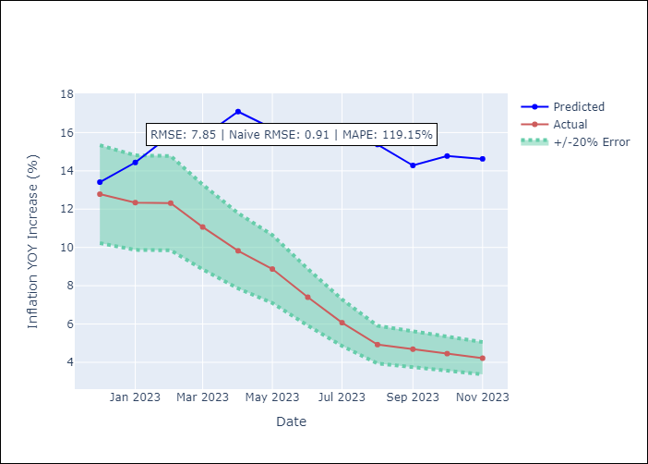

Appendix A: Model Summary
Model | VAR - 8
Sample | 2010-12-01 to 2023-11-01
No. of Observations | 156
Terms | P-value (Statistical significance)
L1.YoY Increase Inflation | 0.030430843355
L1.Ahorro Bruto | 0.047803660839
L1.8.CPI Rest of volatiles | 0.037256915861
L1.CPI_United States | 0.0025089211353
L3.PPI_Japan | 0.04707209345
L3.M1_money_supply | 0.00045019357777
L3.General wage index | 0.011842070747
L5.PPI_Japan | 0.005330327894
L6.M1_money_supply | 0.0071564493802
L6.MPR_Brazil | 0.014147492928
L8.MPR_Brazil | 0.040499280098
L8.General wage index | 0.035189339594

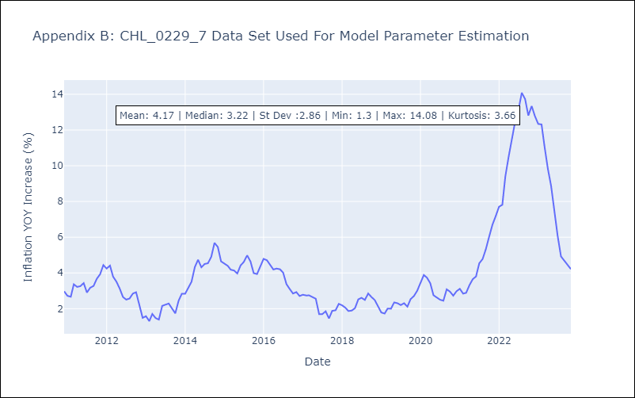

Appendix C: Residuals Analysis
Mean | 0.0
Errors AutoCorrelated? | 2.26002204287991 | No Autocorrelation
Normal? | No

