CHL
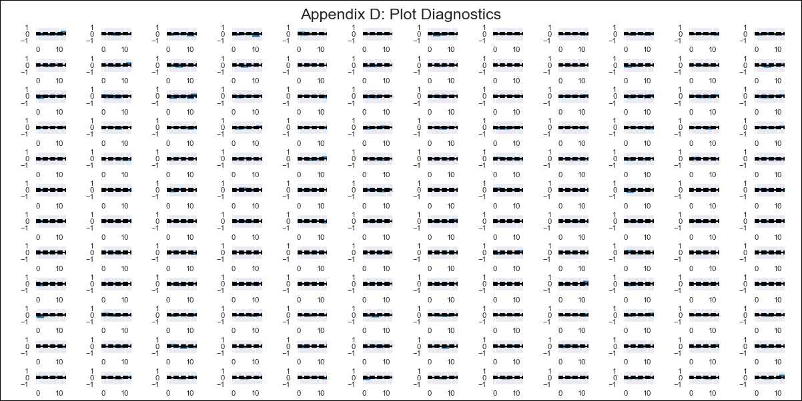
CHL - Inflation - Next 12 months forecast as of: 2023-11-01

Model | VAR - 10 | Exogenous Variables | PPI_China, PPI_South Korea, PPI_Japan, Ahorro Bruto, M1_money_supply, 6.Economic perception index_yoy, MPR_Brazil, CPI_Brazil, CPI_United States, CPI_Japan, General wage index
Training Data | 2010-12-01 to 2022-12-01
Test Data | 2022-12-01 to 2023-11-01

Date | Inflation Change YoY % | Lower Bound - 95% Confidence Interval | Upper Bound - 95% Confidence Interval
2023-12-01 | 3.63 | 3.26 | 3.99
2024-01-01 | 4.6 | 3.69 | 5.51
2024-02-01 | 5.76 | 4.27 | 7.24
2024-03-01 | 5.25 | 3.12 | 7.38
2024-04-01 | 6.38 | 3.53 | 9.23
2024-05-01 | 4.81 | 1.21 | 8.4
2024-06-01 | 3.68 | -0.76 | 8.11
2024-07-01 | 4.63 | -0.68 | 9.94
2024-08-01 | 2.36 | -3.92 | 8.64
2024-09-01 | 4.07 | -3.26 | 11.39
2024-10-01 | 3.17 | -5.26 | 11.6
2024-11-01 | 3.65 | -5.96 | 13.26

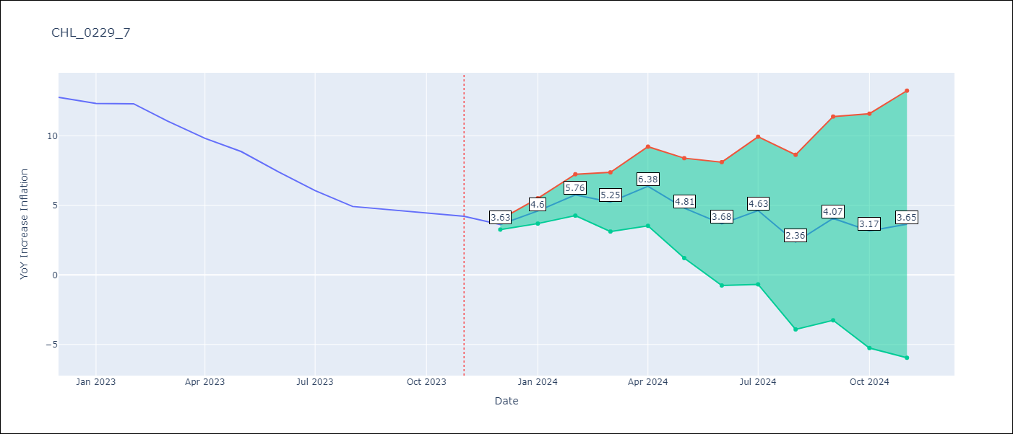

Test Metrics
RMSE | 5.89
Naive RMSE | 0.91
MAPE | 89.22%

Test Predictions
Date | Predicted | Actual
2022-12-01 | 12.75 | 12.78
2023-01-01 | 13.73 | 12.34
2023-02-01 | 14.88 | 12.31
2023-03-01 | 14.38 | 11.07
2023-04-01 | 15.51 | 9.82
2023-05-01 | 13.93 | 8.87
2023-06-01 | 12.8 | 7.4
2023-07-01 | 13.76 | 6.07
2023-08-01 | 11.49 | 4.93
2023-09-01 | 13.19 | 4.69
2023-10-01 | 12.3 | 4.45
2023-11-01 | 12.77 | 4.22

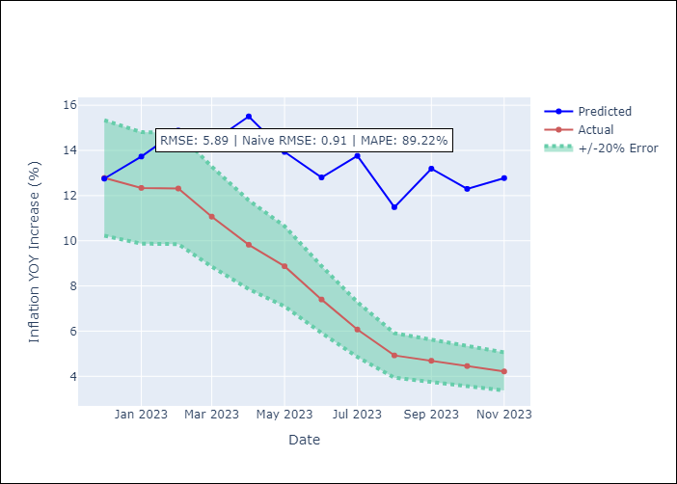

Appendix A: Model Summary
Model | VAR - 10
Sample | 2010-12-01 to 2023-11-01
No. of Observations | 156
Terms | P-value (Statistical significance)
L1.YoY Increase Inflation | 0.0056403313827
L1.PPI_China | 0.031687450139
L1.PPI_South Korea | 0.19768263225
L1.PPI_Japan | 0.26911681086
L1.Ahorro Bruto | 0.021133644388
L1.M1_money_supply | 0.89099978295
L1.6.Economic perception index_yoy | 0.48457658703
L1.MPR_Brazil | 0.47320256109
L1.CPI_Brazil | 0.24084908979
L1.CPI_United States | 0.069623335315
L1.CPI_Japan | 0.5460708082
L1.General wage index | 0.60663611864
L2.YoY Increase Inflation | 0.89313216418
L2.PPI_China | 0.60741921195
L2.PPI_South Korea | 0.10515658178
L2.PPI_Japan | 0.50536093303
L2.Ahorro Bruto | 0.82411089653
L2.M1_money_supply | 0.69493968314
L2.6.Economic perception index_yoy | 0.97109686137
L2.MPR_Brazil | 0.17980773127
L2.CPI_Brazil | 0.43395526067
L2.CPI_United States | 0.65580247701
L2.CPI_Japan | 0.46433797703
L2.General wage index | 0.21039373216
L3.YoY Increase Inflation | 0.96797009695
L3.PPI_China | 0.09508847528
L3.PPI_South Korea | 0.97083634691
L3.PPI_Japan | 0.37323763041
L3.Ahorro Bruto | 0.53129348349
L3.M1_money_supply | 0.02428507109
L3.6.Economic perception index_yoy | 0.44341347145
L3.MPR_Brazil | 0.68280947097
L3.CPI_Brazil | 0.65454099371
L3.CPI_United States | 0.051725086663
L3.CPI_Japan | 0.62342216238
L3.General wage index | 0.85104289546
L4.YoY Increase Inflation | 0.16177852876
L4.PPI_China | 0.85023417506
L4.PPI_South Korea | 0.76236085054
L4.PPI_Japan | 0.3351678482
L4.Ahorro Bruto | 0.043910352692
L4.M1_money_supply | 0.15565240689
L4.6.Economic perception index_yoy | 0.70804340415
L4.MPR_Brazil | 0.20789319876
L4.CPI_Brazil | 0.95366266887
L4.CPI_United States | 0.47775883938
L4.CPI_Japan | 0.33559529394
L4.General wage index | 0.10142733219
L5.YoY Increase Inflation | 0.11532025531
L5.PPI_China | 0.89420362079
L5.PPI_South Korea | 0.49912074812
L5.PPI_Japan | 0.013319979854
L5.Ahorro Bruto | 0.99961413405
L5.M1_money_supply | 0.8084600897
L5.6.Economic perception index_yoy | 0.64828348545
L5.MPR_Brazil | 0.044606867556
L5.CPI_Brazil | 0.4449706144
L5.CPI_United States | 0.84566059397
L5.CPI_Japan | 0.20055026976
L5.General wage index | 0.84985024715
L6.YoY Increase Inflation | 0.071953309771
L6.PPI_China | 0.07842604493
L6.PPI_South Korea | 0.731535586
L6.PPI_Japan | 0.13242250978
L6.Ahorro Bruto | 0.39365688444
L6.M1_money_supply | 0.19138952284
L6.6.Economic perception index_yoy | 0.010377313542
L6.MPR_Brazil | 0.040783619677
L6.CPI_Brazil | 0.10688645499
L6.CPI_United States | 0.09321330119
L6.CPI_Japan | 0.46098707671
L6.General wage index | 0.0020679181008
L7.YoY Increase Inflation | 0.36107146875
L7.PPI_China | 0.025804304611
L7.PPI_South Korea | 0.94018268317
L7.PPI_Japan | 0.88702692309
L7.Ahorro Bruto | 0.12390401246
L7.M1_money_supply | 0.5777430914
L7.6.Economic perception index_yoy | 0.26403643285
L7.MPR_Brazil | 0.59479486317
L7.CPI_Brazil | 0.79394805133
L7.CPI_United States | 0.0022371143972
L7.CPI_Japan | 0.17793981284
L7.General wage index | 0.00048994045796
L8.YoY Increase Inflation | 0.34975353909
L8.PPI_China | 0.29799985837
L8.PPI_South Korea | 0.69817421655
L8.PPI_Japan | 0.65664162355
L8.Ahorro Bruto | 0.83422446539
L8.M1_money_supply | 0.12813222915
L8.6.Economic perception index_yoy | 0.82857910999
L8.MPR_Brazil | 0.060658455483
L8.CPI_Brazil | 0.78084963176
L8.CPI_United States | 0.79739820138
L8.CPI_Japan | 0.21532249833
L8.General wage index | 0.089764367784
L9.YoY Increase Inflation | 0.89306261727
L9.PPI_China | 0.36829882808
L9.PPI_South Korea | 0.57448068647
L9.PPI_Japan | 0.41766197254
L9.Ahorro Bruto | 0.55231345189
L9.M1_money_supply | 0.50786090707
L9.6.Economic perception index_yoy | 0.80101400506
L9.MPR_Brazil | 0.15063824447
L9.CPI_Brazil | 0.5080722879
L9.CPI_United States | 0.62395557126
L9.CPI_Japan | 0.038683076696
L9.General wage index | 0.71953080107
L10.YoY Increase Inflation | 0.6412552552
L10.PPI_China | 0.11643834321
L10.PPI_South Korea | 0.30657200523
L10.PPI_Japan | 0.83419314413
L10.Ahorro Bruto | 0.090295332826
L10.M1_money_supply | 0.2031574137
L10.6.Economic perception index_yoy | 0.85003751791
L10.MPR_Brazil | 0.094078079296
L10.CPI_Brazil | 0.21448384622
L10.CPI_United States | 0.42394393206
L10.CPI_Japan | 0.014415830395
L10.General wage index | 0.57221631031
Assumptions | P-value

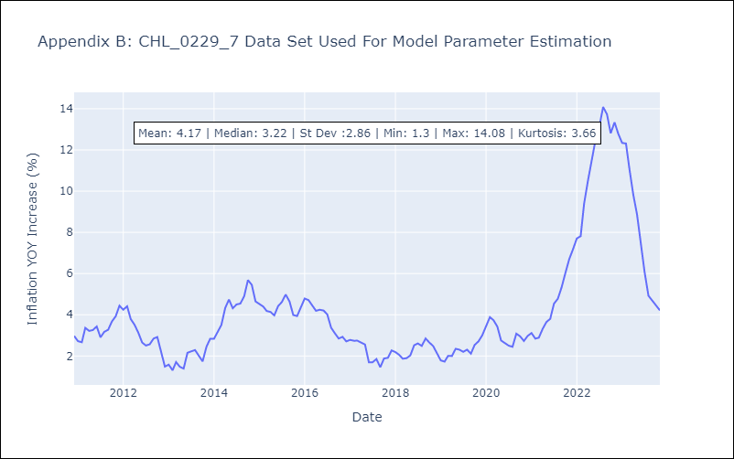

Appendix C: Residuals Analysis
Mean | -0.0
Errors AutoCorrelated? | 2.4017908273850423 | No Autocorrelation
Normal? | No

