CHL
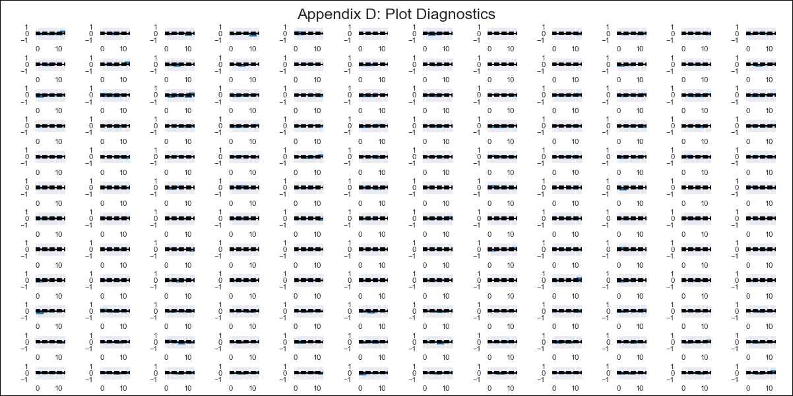
CHL - Inflation - Next 12 months forecast as of: 2023-11-01

Model | VAR - 10 | Exogenous Variables | PPI_China, PPI_South Korea, PPI_Japan, Ahorro Bruto, M1_money_supply, 6.Economic perception index_yoy, MPR_Brazil, CPI_Brazil, CPI_United States, CPI_Japan, General wage index
Training Data | 2010-12-01 to 2022-12-01
Test Data | 2022-12-01 to 2023-11-01

Date | Inflation Change YoY % | Lower Bound - 95% Confidence Interval | Upper Bound - 95% Confidence Interval
2023-12-01 | 3.63 | 3.26 | 3.99
2024-01-01 | 4.6 | 3.69 | 5.51
2024-02-01 | 5.76 | 4.27 | 7.24
2024-03-01 | 5.25 | 3.12 | 7.38
2024-04-01 | 6.38 | 3.53 | 9.23
2024-05-01 | 4.81 | 1.21 | 8.4
2024-06-01 | 3.68 | -0.76 | 8.11
2024-07-01 | 4.63 | -0.68 | 9.94
2024-08-01 | 2.36 | -3.92 | 8.64
2024-09-01 | 4.07 | -3.26 | 11.39
2024-10-01 | 3.17 | -5.26 | 11.6
2024-11-01 | 3.65 | -5.96 | 13.26

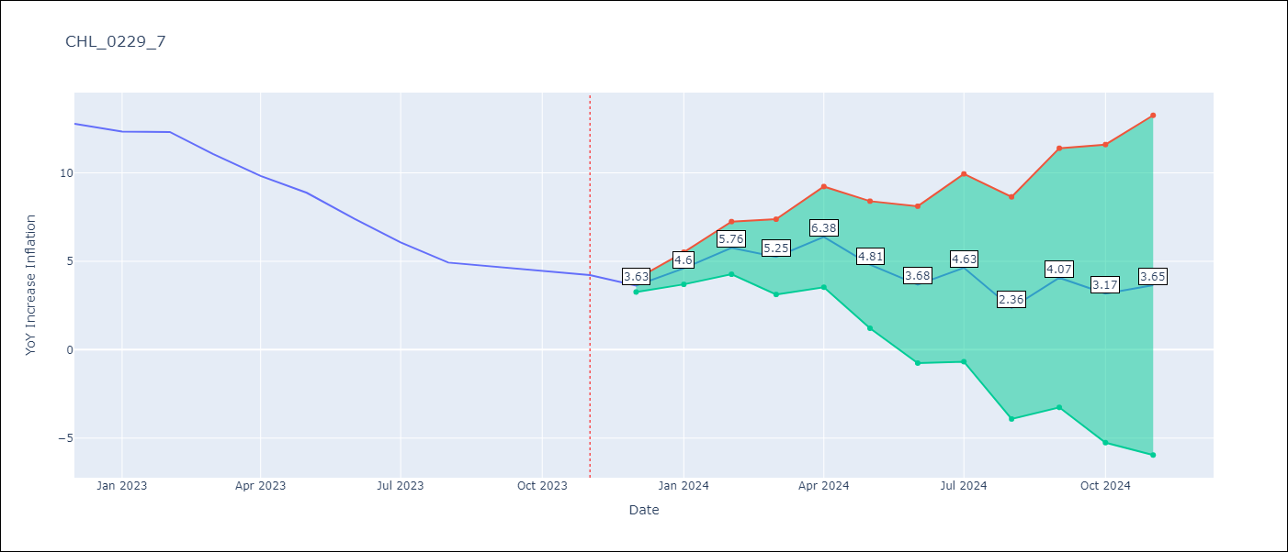

Test Metrics
RMSE | 5.89
Naive RMSE | 0.91
MAPE | 89.22%

Test Predictions
Date | Predicted | Actual
2022-12-01 | 12.75 | 12.78
2023-01-01 | 13.73 | 12.34
2023-02-01 | 14.88 | 12.31
2023-03-01 | 14.38 | 11.07
2023-04-01 | 15.51 | 9.82
2023-05-01 | 13.93 | 8.87
2023-06-01 | 12.8 | 7.4
2023-07-01 | 13.76 | 6.07
2023-08-01 | 11.49 | 4.93
2023-09-01 | 13.19 | 4.69
2023-10-01 | 12.3 | 4.45
2023-11-01 | 12.77 | 4.22

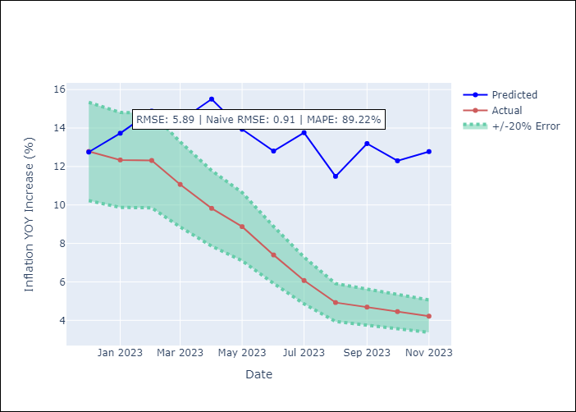

Appendix A: Model Summary
Model | VAR - 10
Sample | 2010-12-01 to 2023-11-01
No. of Observations | 156
Terms | P-value (Statistical significance)
L1.YoY Increase Inflation | 0.0056403313827
L1.PPI_China | 0.031687450139
L1.Ahorro Bruto | 0.021133644388
L3.M1_money_supply | 0.02428507109
L4.Ahorro Bruto | 0.043910352692
L5.PPI_Japan | 0.013319979854
L5.MPR_Brazil | 0.044606867556
L6.6.Economic perception index_yoy | 0.010377313542
L6.MPR_Brazil | 0.040783619677
L6.General wage index | 0.0020679181008
L7.PPI_China | 0.025804304611
L7.CPI_United States | 0.0022371143972
L7.General wage index | 0.00048994045796
L9.CPI_Japan | 0.038683076696
L10.CPI_Japan | 0.014415830395

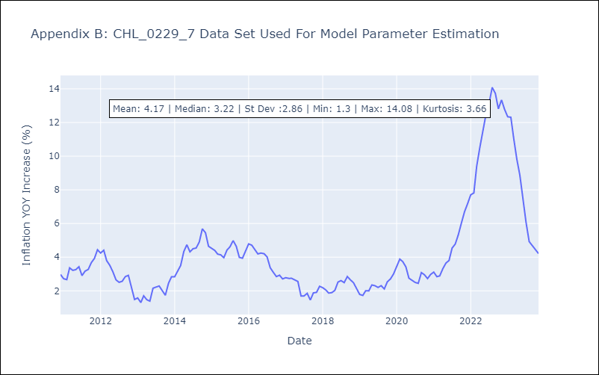

Appendix C: Residuals Analysis
Mean | -0.0
Errors AutoCorrelated? | 2.4017908273850423 | No Autocorrelation
Normal? | No

