CHL
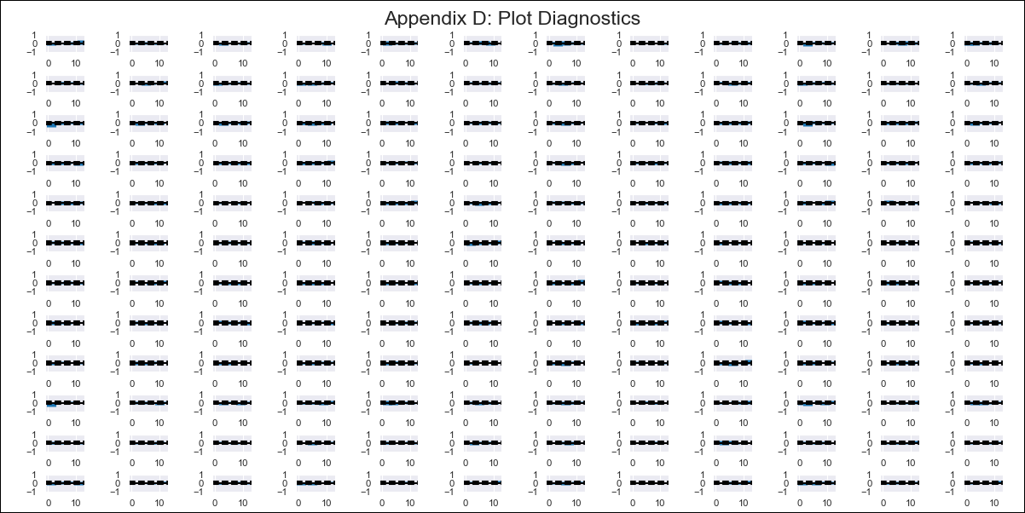
 | CHL - Inflation - Next 12 months forecast as of: 2024-03-01

 | Model | VAR - 10 | Exogenous Variables | PPI_China, PPI_South Korea, PPI_Japan, Ahorro Bruto, M1_money_supply, 6.Economic perception index_yoy, MPR_Brazil, CPI_Brazil, CPI_United States, CPI_Japan, General wage index
 | Training Data | 2010-12-01 to 2023-04-01
 | Test Data | 2023-04-01 to 2024-03-01

 | Date | Inflation Change YoY % | Lower Bound - 95% Confidence Interval | Upper Bound - 95% Confidence Interval
 | 2024-04-01 | 3.41 | 2.97 | 3.86
 | 2024-05-01 | 3.26 | 2.18 | 4.34
 | 2024-06-01 | 2.3 | 0.55 | 4.05
 | 2024-07-01 | 3.35 | 0.88 | 5.82
 | 2024-08-01 | 1.98 | -1.26 | 5.21
 | 2024-09-01 | 2.76 | -1.27 | 6.79
 | 2024-10-01 | 3.07 | -1.8 | 7.95
 | 2024-11-01 | 1.93 | -3.84 | 7.69
 | 2024-12-01 | 2.74 | -3.98 | 9.46
 | 2025-01-01 | 2.44 | -5.28 | 10.16
 | 2025-02-01 | 1.49 | -7.28 | 10.25
 | 2025-03-01 | 2.66 | -7.19 | 12.5

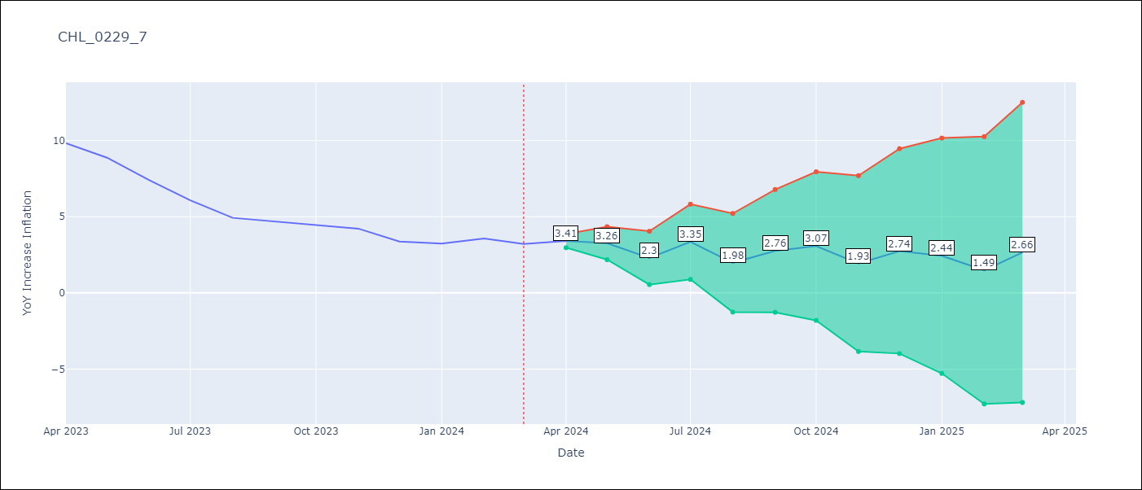

 | Test Metrics
 | RMSE | 5.49
 | Naive RMSE | 0.86
 | MAPE | 123.99%

 | Test Predictions
 | Date | Predicted | Actual
 | 2023-04-01 | 11.27 | 9.82
 | 2023-05-01 | 11.12 | 8.87
 | 2023-06-01 | 10.16 | 7.4
 | 2023-07-01 | 11.21 | 6.07
 | 2023-08-01 | 9.84 | 4.93
 | 2023-09-01 | 10.62 | 4.69
 | 2023-10-01 | 10.93 | 4.45
 | 2023-11-01 | 9.79 | 4.22
 | 2023-12-01 | 10.6 | 3.37
 | 2024-01-01 | 10.3 | 3.23
 | 2024-02-01 | 9.34 | 3.57
 | 2024-03-01 | 10.52 | 3.21

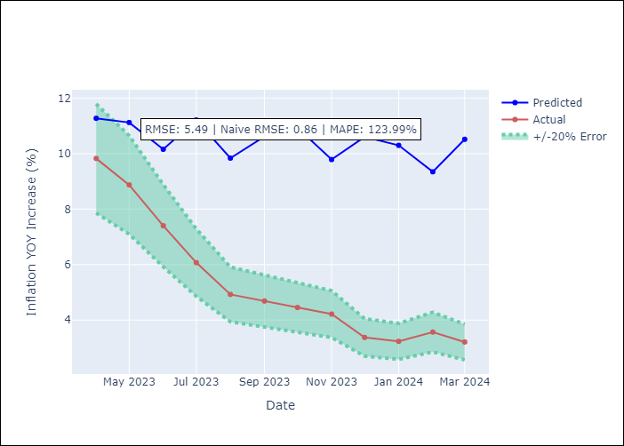

 | Appendix A: Model Summary
 | Model | VAR - 10
 | Sample | 2010-12-01 to 2024-03-01
 | No. of Observations | 160
at | Terms | P-value (Statistical significance)
 | L1.PPI_China | 0.047383504344
 | L1.CPI_United States | 0.031487038047
 | L5.PPI_Japan | 0.014369898242
 | L5.MPR_Brazil | 0.018453172553
 | L6.General wage index | 0.025676436595
 | L7.PPI_South Korea | 0.022701586237
 | L7.CPI_United States | 0.00632573132
 | L7.General wage index | 0.047143063446
 | L10.M1_money_supply | 0.034406603701

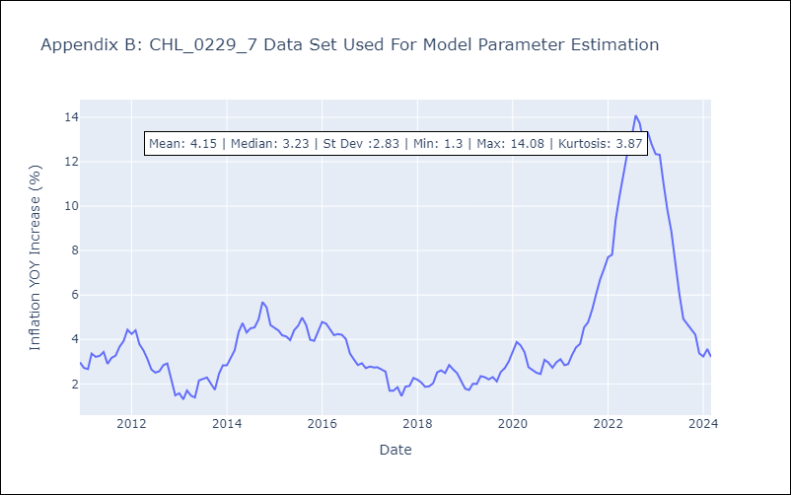

 | Appendix C: Residuals Analysis
 | Mean | 0.0
 | Errors AutoCorrelated? | 2.4805246526563685 | No Autocorrelation
 | Normal? | No

