CHL
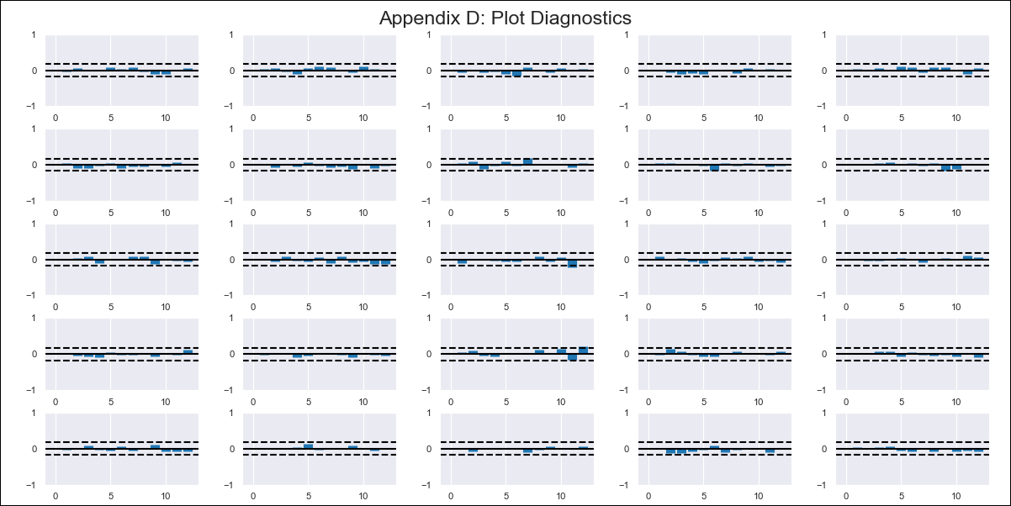
CHL - Inflation - Next 12 months forecast as of: 2024-03-01

Model | VAR - 12 | Exogenous Variables | General wage index, PPI_United States, Finished goods, Deposit Interest Rates (30 - 90 days) -Nominal, M1_money_supply
Training Data | 2010-12-01 to 2023-04-01
Test Data | 2023-04-01 to 2024-03-01

Date | Inflation Change YoY % | Lower Bound - 95% Confidence Interval | Upper Bound - 95% Confidence Interval
2024-04-01 | 3.31 | 2.73 | 3.89
2024-05-01 | 2.72 | 1.36 | 3.87
2024-06-01 | 2.52 | 1.06 | 4.96
2024-07-01 | 3.17 | 1.17 | 6.53
2024-08-01 | 2.81 | -0.59 | 6.29
2024-09-01 | 3.17 | -0.65 | 7.79
2024-10-01 | 3.98 | -1 | 9.05
2024-11-01 | 3.89 | -2.73 | 8.96
2024-12-01 | 4.35 | -3.02 | 10.36
2025-01-01 | 4.6 | -4.09 | 11.01
2025-02-01 | 4.99 | -4.84 | 12.04
2025-03-01 | 6.02 | -5.13 | 13.6

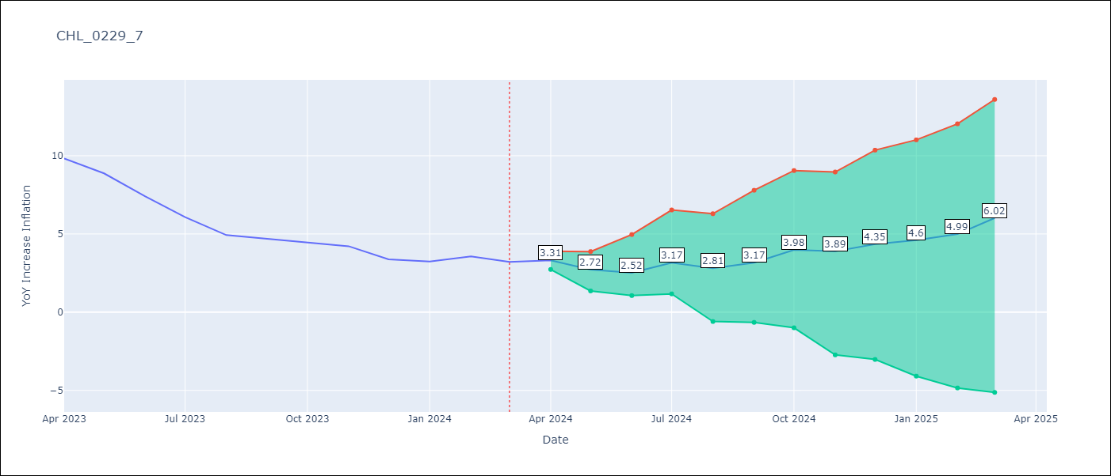

Test Metrics
RMSE | 0.8
Naive RMSE | 0.86
MAPE | 13.9%

Test Predictions
Date | Predicted | Actual
2023-04-01 | 10.28 | 9.82
2023-05-01 | 8.8 | 8.87
2023-06-01 | 7.72 | 7.4
2023-07-01 | 7.47 | 6.07
2023-08-01 | 6.22 | 4.93
2023-09-01 | 5.7 | 4.69
2023-10-01 | 5.63 | 4.45
2023-11-01 | 4.64 | 4.22
2023-12-01 | 4.21 | 3.37
2024-01-01 | 3.58 | 3.23
2024-02-01 | 3.08 | 3.57
2024-03-01 | 3.22 | 3.21

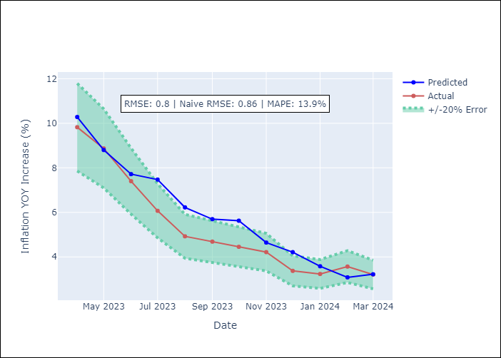

Appendix A: Model Summary
Model | VAR - 12
Sample | 2010-12-01 to 2024-03-01
No. of Observations | 160
Terms | P-value (Statistical significance)
L1.YoY Increase Inflation | 9.7151186488E-06
L1.General wage index | 0.042112438942
L1.PPI_United States, Finished goods | 0.0010997878363
L2.YoY Increase Inflation | 0.0015500918492
L2.PPI_United States, Finished goods | 0.013929857263
L3.YoY Increase Inflation | 0.026049659522
L3.PPI_United States, Finished goods | 0.010222921453
L4.YoY Increase Inflation | 0.008355776806
L5.PPI_United States, Finished goods | 0.009092979929
L6.Deposit Interest Rates (30 - 90 days) -Nominal | 0.031543685609
L11.YoY Increase Inflation | 0.035213759823

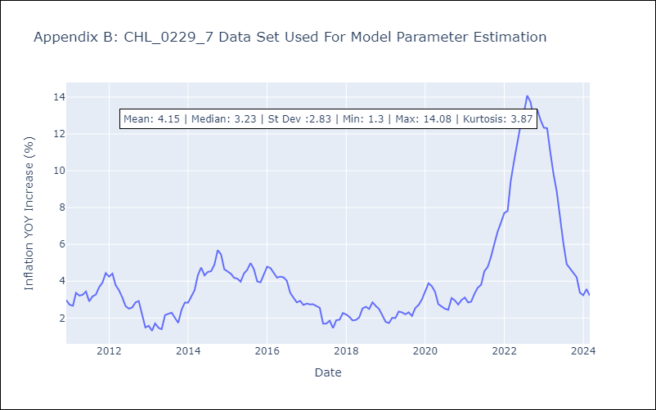

Appendix C: Residuals Analysis
Mean | -0.0
Errors AutoCorrelated? | 2.0590115473191766 | No Autocorrelation
Normal? | No

