CHL
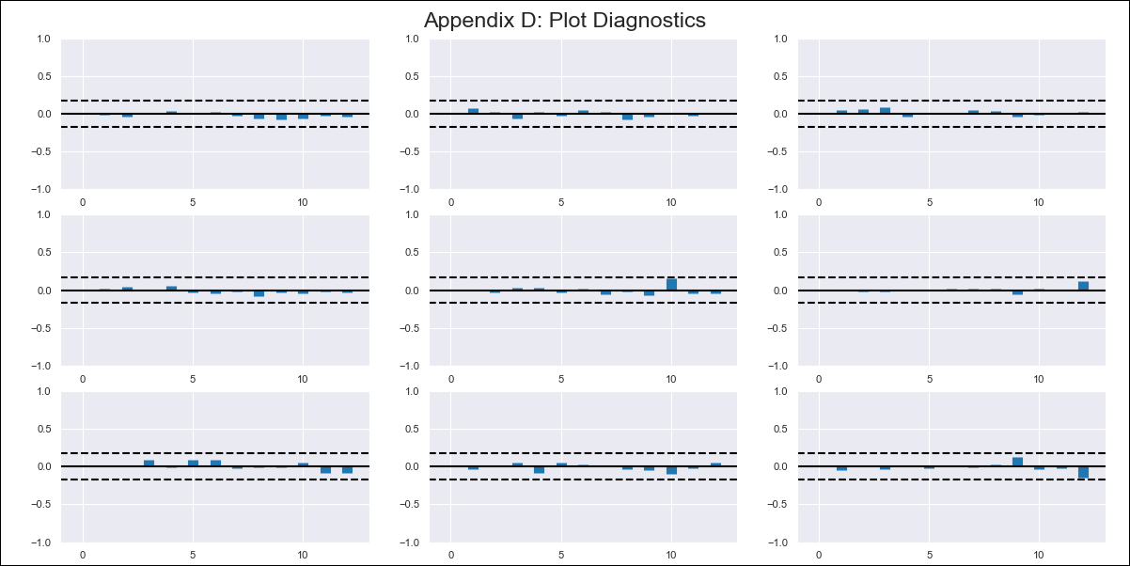
CHL - Inflation - Next 12 months forecast as of: 2024-03-01

Model | VAR - 12 | Exogenous Variables | General wage index, M1_money_supply
Training Data | 2010-12-01 to 2023-04-01
Test Data | 2023-04-01 to 2024-03-01

Date | Inflation Change YoY % | Lower Bound - 95% Confidence Interval | Upper Bound - 95% Confidence Interval
2024-04-01 | 2.4 | 1.78 | 3.03
2024-05-01 | 1.2 | -0.11 | 2.52
2024-06-01 | -0.24 | -2.26 | 1.79
2024-07-01 | -1.02 | -3.8 | 1.76
2024-08-01 | -2.65 | -6.18 | 0.89
2024-09-01 | -3.52 | -7.82 | 0.78
2024-10-01 | -3.79 | -8.88 | 1.31
2024-11-01 | -5 | -10.91 | 0.91
2024-12-01 | -5.43 | -12.18 | 1.32
2025-01-01 | -5.94 | -13.55 | 1.67
2025-02-01 | -6.7 | -15.17 | 1.77
2025-03-01 | -6.59 | -15.96 | 2.78

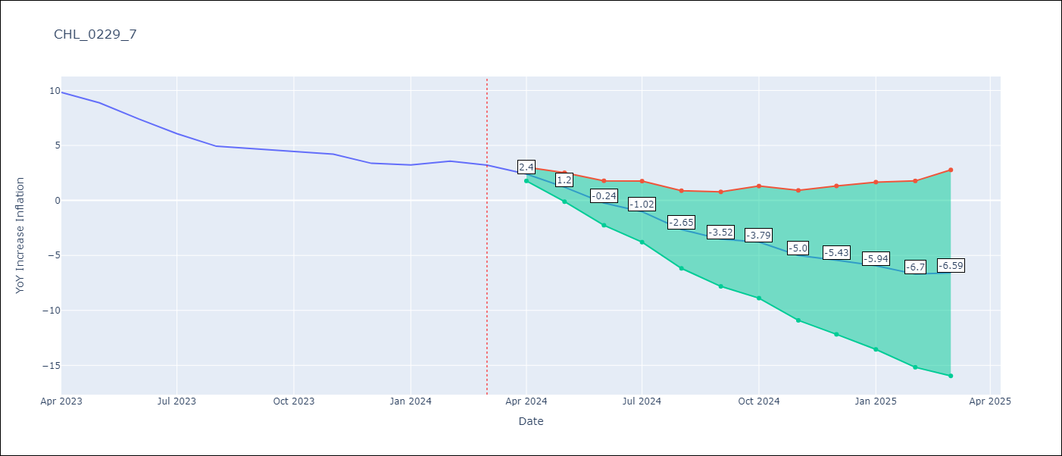

Test Metrics
RMSE | 1.13
Naive RMSE | 0.86
MAPE | 22.75%

Test Predictions
Date | Predicted | Actual
2023-04-01 | 10.26 | 9.82
2023-05-01 | 9.06 | 8.87
2023-06-01 | 7.62 | 7.4
2023-07-01 | 6.84 | 6.07
2023-08-01 | 5.21 | 4.93
2023-09-01 | 4.34 | 4.69
2023-10-01 | 4.07 | 4.45
2023-11-01 | 2.86 | 4.22
2023-12-01 | 2.43 | 3.37
2024-01-01 | 1.92 | 3.23
2024-02-01 | 1.16 | 3.57
2024-03-01 | 1.27 | 3.21

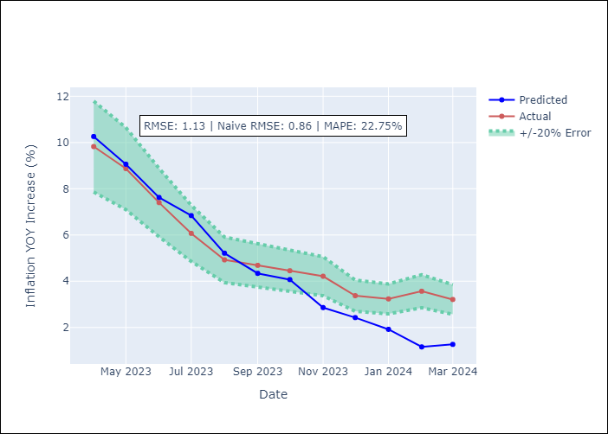

Appendix A: Model Summary
Model | VAR - 12
Sample | 2010-12-01 to 2024-03-01
No. of Observations | 160
Terms | P-value (Statistical significance)
L1.YoY Increase Inflation | 2.0782397464E-05
L1.M1_money_supply | 0.045934372123
L12.YoY Increase Inflation | 1.688918506E-05

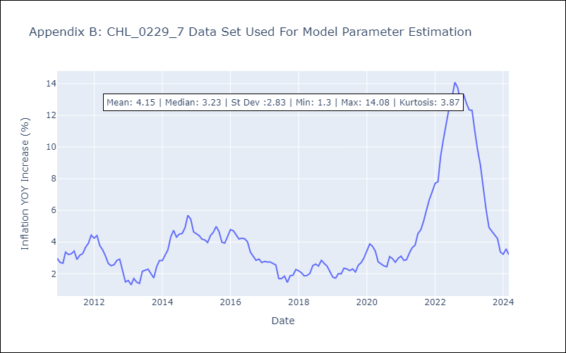

Appendix C: Residuals Analysis
Mean | 0.0
Errors AutoCorrelated? | 1.996575451680997 | No Autocorrelation
Normal? | No

