CHL
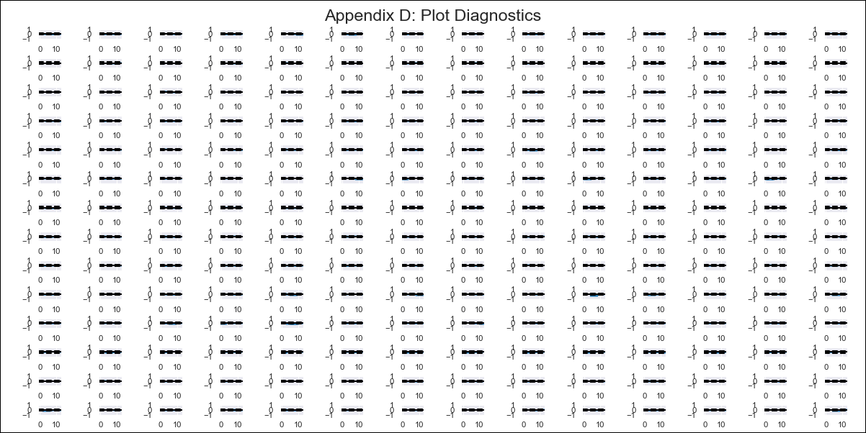
CHL - Inflation - Next 12 months forecast as of: 2024-03-01

Model | VAR - 8 | Exogenous Variables | Expectativas de inflación en 11 meses, General wage index, CPI_Japan, CPI_United States, Observed pesos/dollar , CPI_Brazil, PPI_Brazil, CPI_China, 6.Economic perception index, Price of Silver dollars per ounce, Ahorro Bruto, 3.Twelve-month economic outlook for the country_yoy, 5.Household appliance consumption expectations
Training Data | 2010-12-01 to 2023-04-01
Test Data | 2023-04-01 to 2024-03-01

Date | Inflation Change YoY % | Lower Bound - 95% Confidence Interval | Upper Bound - 95% Confidence Interval
2024-04-01 | 4.23 | 3.67 | 4.79
2024-05-01 | 4.26 | 1.94 | 4.53
2024-06-01 | 3.91 | 0.75 | 4.97
2024-07-01 | 5.93 | 2.25 | 8.2
2024-08-01 | 5.93 | -0.74 | 7.17
2024-09-01 | 7.5 | -0.25 | 9.81
2024-10-01 | 9.5 | -0.96 | 11.36
2024-11-01 | 9.8 | -3.83 | 10.86
2024-12-01 | 12.26 | -2.91 | 14.24
2025-01-01 | 13.28 | -5.63 | 14.09
2025-02-01 | 13.72 | -7.53 | 14.82
2025-03-01 | 16.18 | -6.83 | 18.18

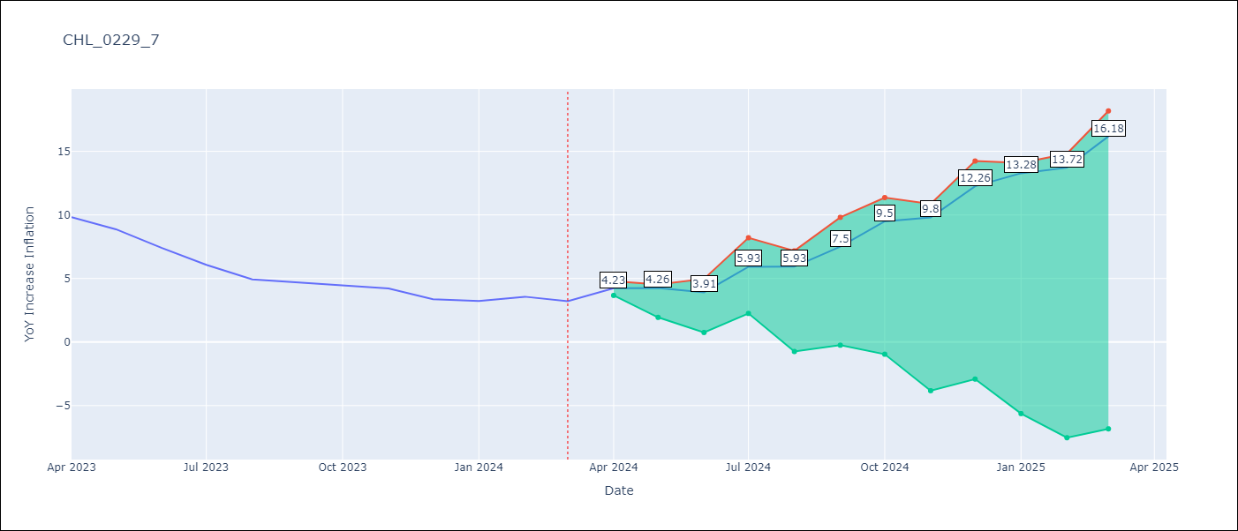

Test Metrics
RMSE | 6.37
Naive RMSE | 0.86
MAPE | 142.75%

Test Predictions
Date | Predicted | Actual
2023-04-01 | 11.2 | 9.82
2023-05-01 | 10.34 | 8.87
2023-06-01 | 9.1 | 7.4
2023-07-01 | 10.23 | 6.07
2023-08-01 | 9.35 | 4.93
2023-09-01 | 10.03 | 4.69
2023-10-01 | 11.14 | 4.45
2023-11-01 | 10.56 | 4.22
2023-12-01 | 12.13 | 3.37
2024-01-01 | 12.26 | 3.23
2024-02-01 | 11.81 | 3.57
2024-03-01 | 13.38 | 3.21

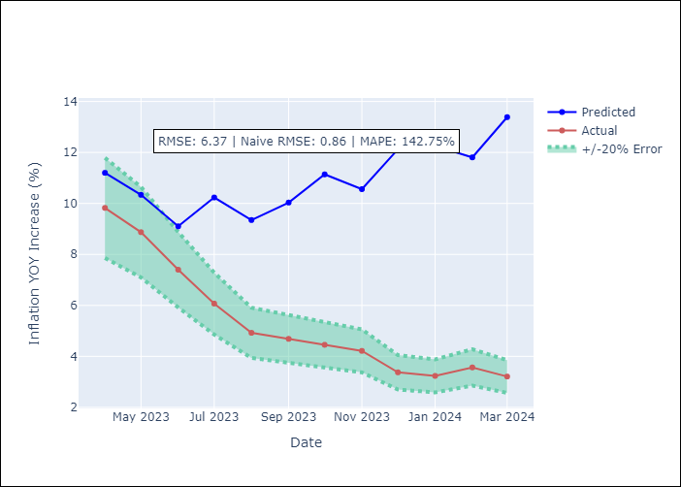

Appendix A: Model Summary
Model | VAR - 8
Sample | 2010-12-01 to 2024-03-01
No. of Observations | 160
Terms | P-value (Statistical significance)
L1.YoY Increase Inflation | 5.156336088E-05
L2.YoY Increase Inflation | 0.047080230039
L2.Observed pesos/dollar | 0.0096016479147
L4.Observed pesos/dollar | 0.015477447128
L5.Observed pesos/dollar | 0.027021369633
L6.CPI_Japan | 0.0040363931204
L6.Observed pesos/dollar | 0.029621928559
L7.YoY Increase Inflation | 0.040207728553
L7.General wage index | 0.023606046421
L7.CPI_Japan | 0.032239115807

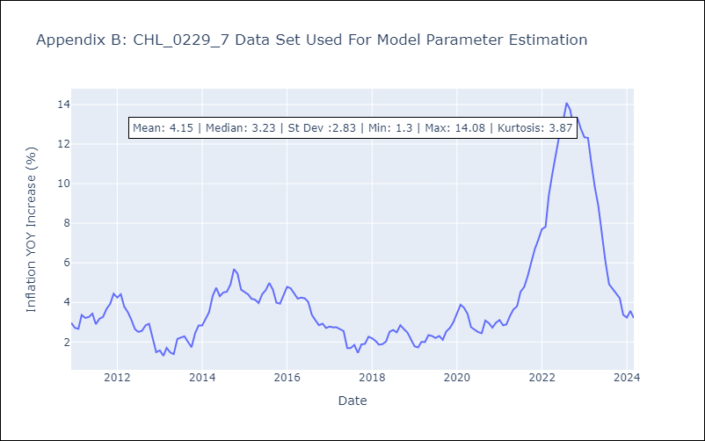

Appendix C: Residuals Analysis
Mean | -0.0
Errors AutoCorrelated? | 1.6265647882150287 | No Autocorrelation
Normal? | No

