CHL
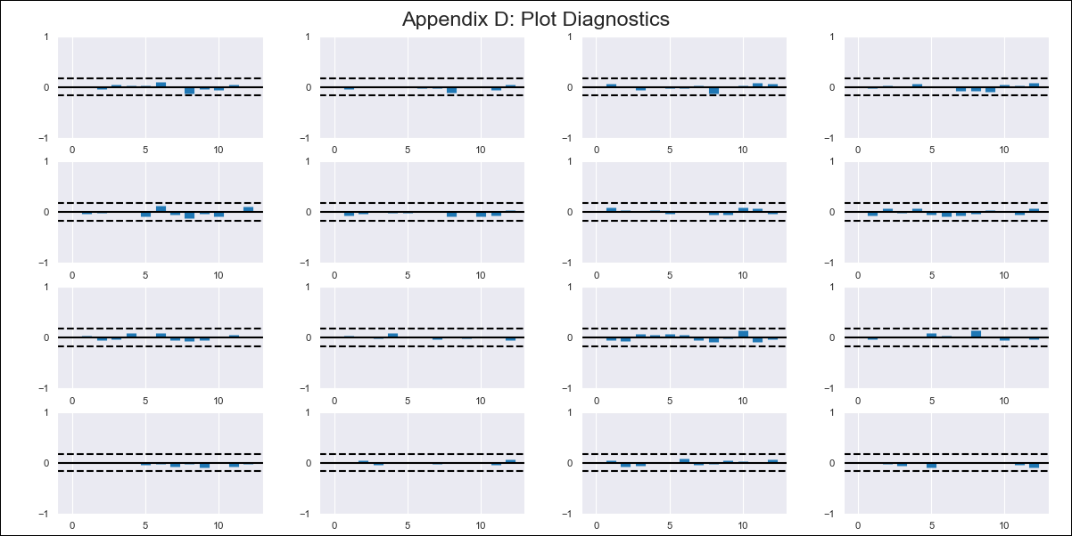
CHL - Inflation - Next 12 months forecast as of: 2024-03-01

Model | VAR - 12 | Exogenous Variables | Expectativas de inflación en 11 meses, General wage index, CPI_Japan
Training Data | 2010-12-01 to 2023-04-01
Test Data | 2023-04-01 to 2024-03-01

Date | Inflation Change YoY % | Lower Bound - 95% Confidence Interval | Upper Bound - 95% Confidence Interval
2024-04-01 | 2.71 | 2.12 | 3.29
2024-05-01 | 1.87 | 0.61 | 3.13
2024-06-01 | 0.86 | -1.13 | 2.84
2024-07-01 | -0.11 | -2.87 | 2.66
2024-08-01 | -1.72 | -5.29 | 1.85
2024-09-01 | -2.48 | -6.87 | 1.92
2024-10-01 | -2.4 | -7.65 | 2.85
2024-11-01 | -3.16 | -9.27 | 2.96
2024-12-01 | -3.09 | -10.09 | 3.91
2025-01-01 | -3.05 | -10.96 | 4.85
2025-02-01 | -3.33 | -12.17 | 5.51
2025-03-01 | -2.69 | -12.49 | 7.11

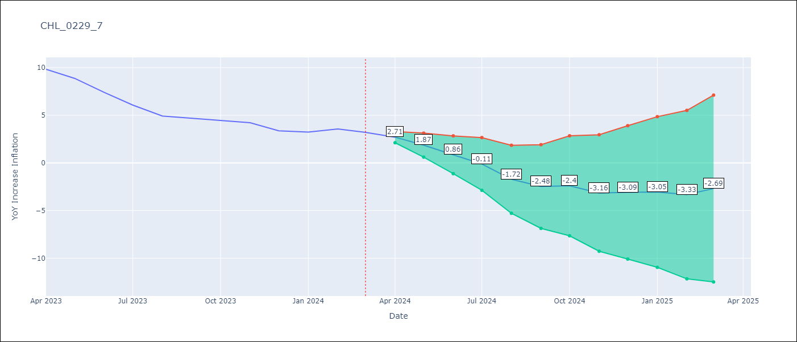

Test Metrics
RMSE | 1.23
Naive RMSE | 0.86
MAPE | 26.2%

Test Predictions
Date | Predicted | Actual
2023-04-01 | 10.56 | 9.82
2023-05-01 | 9.73 | 8.87
2023-06-01 | 8.71 | 7.4
2023-07-01 | 7.75 | 6.07
2023-08-01 | 6.14 | 4.93
2023-09-01 | 5.38 | 4.69
2023-10-01 | 5.46 | 4.45
2023-11-01 | 4.7 | 4.22
2023-12-01 | 4.77 | 3.37
2024-01-01 | 4.81 | 3.23
2024-02-01 | 4.53 | 3.57
2024-03-01 | 5.17 | 3.21

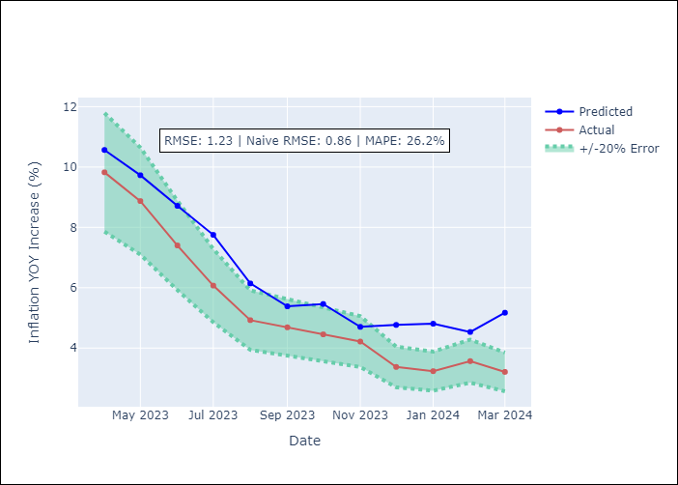

Appendix A: Model Summary
Model | VAR - 12
Sample | 2010-12-01 to 2024-03-01
No. of Observations | 160
Terms | P-value (Statistical significance)
L1.YoY Increase Inflation | 0.0071010925446
L1.Expectativas de inflación en 11 meses | 0.022293957386
L1.General wage index | 0.41522926612
L1.CPI_Japan | 0.12230246684
L2.YoY Increase Inflation | 0.9998473317
L2.Expectativas de inflación en 11 meses | 0.10754645961
L2.General wage index | 0.48128819632
L2.CPI_Japan | 0.38074497929
L3.YoY Increase Inflation | 0.98671073472
L3.Expectativas de inflación en 11 meses | 0.51609603377
L3.General wage index | 0.00099239284743
L3.CPI_Japan | 0.56647426715
L4.YoY Increase Inflation | 0.26423174772
L4.Expectativas de inflación en 11 meses | 0.091452929725
L4.General wage index | 0.17149530478
L4.CPI_Japan | 0.54974926471
L5.YoY Increase Inflation | 0.41274338641
L5.Expectativas de inflación en 11 meses | 0.53553502259
L5.General wage index | 0.40719651791
L5.CPI_Japan | 0.32961230042
L6.YoY Increase Inflation | 0.87513457051
L6.Expectativas de inflación en 11 meses | 0.20335120491
L6.General wage index | 0.081683514732
L6.CPI_Japan | 0.46124088839
L7.YoY Increase Inflation | 0.30082749146
L7.Expectativas de inflación en 11 meses | 0.72719489484
L7.General wage index | 0.6687875188
L7.CPI_Japan | 0.31978964374
L8.YoY Increase Inflation | 0.14896425262
L8.Expectativas de inflación en 11 meses | 0.28840997764
L8.General wage index | 0.90687979651
L8.CPI_Japan | 0.28216348566
L9.YoY Increase Inflation | 0.92376792069
L9.Expectativas de inflación en 11 meses | 0.0080775945698
L9.General wage index | 0.095982202751
L9.CPI_Japan | 0.77961571187
L10.YoY Increase Inflation | 0.57597612023
L10.Expectativas de inflación en 11 meses | 0.49263315967
L10.General wage index | 0.19023645306
L10.CPI_Japan | 0.61218351965
L11.YoY Increase Inflation | 0.98830789647
L11.Expectativas de inflación en 11 meses | 0.46979529105
L11.General wage index | 0.92231925557
L11.CPI_Japan | 0.17058521805
L12.YoY Increase Inflation | 0.0040783328377
L12.Expectativas de inflación en 11 meses | 0.051291334032
L12.General wage index | 0.80134321883
L12.CPI_Japan | 0.77518841635
Assumptions | P-value

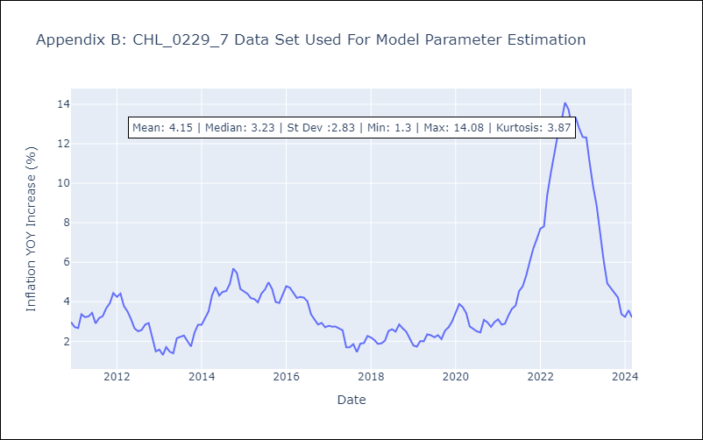

Appendix C: Residuals Analysis
Mean | -0.0
Errors AutoCorrelated? | 1.9730373668735222 | No Autocorrelation
Normal? | No

