CHL
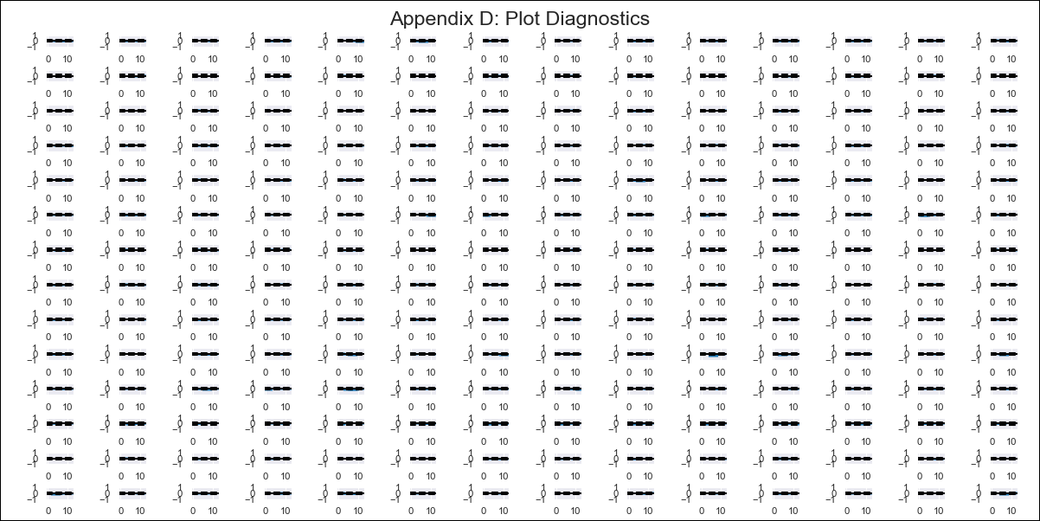
CHL - Inflation - Next 12 months forecast as of: 2024-03-01

Model | VAR - 8 | Exogenous Variables | Expectativas de inflación en 11 meses, General wage index, CPI_Japan, CPI_United States, Observed pesos/dollar , CPI_Brazil, PPI_Brazil, CPI_China, 6.Economic perception index, Price of Silver dollars per ounce, Ahorro Bruto, 3.Twelve-month economic outlook for the country_yoy, 5.Household appliance consumption expectations
Training Data | 2010-12-01 to 2023-04-01
Test Data | 2023-04-01 to 2024-03-01

Date | Inflation Change YoY % | Lower Bound - 95% Confidence Interval | Upper Bound - 95% Confidence Interval
2024-04-01 | 4.23 | 3.67 | 4.79
2024-05-01 | 4.26 | 1.94 | 4.53
2024-06-01 | 3.91 | 0.75 | 4.97
2024-07-01 | 5.93 | 2.25 | 8.2
2024-08-01 | 5.93 | -0.74 | 7.17
2024-09-01 | 7.5 | -0.25 | 9.81
2024-10-01 | 9.5 | -0.96 | 11.36
2024-11-01 | 9.8 | -3.83 | 10.86
2024-12-01 | 12.26 | -2.91 | 14.24
2025-01-01 | 13.28 | -5.63 | 14.09
2025-02-01 | 13.72 | -7.53 | 14.82
2025-03-01 | 16.18 | -6.83 | 18.18

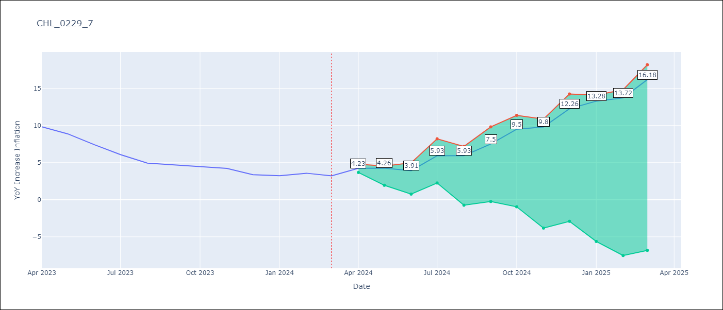

Test Metrics
RMSE | 6.37
Naive RMSE | 0.86
MAPE | 142.75%

Test Predictions
Date | Predicted | Actual
2023-04-01 | 11.2 | 9.82
2023-05-01 | 10.34 | 8.87
2023-06-01 | 9.1 | 7.4
2023-07-01 | 10.23 | 6.07
2023-08-01 | 9.35 | 4.93
2023-09-01 | 10.03 | 4.69
2023-10-01 | 11.14 | 4.45
2023-11-01 | 10.56 | 4.22
2023-12-01 | 12.13 | 3.37
2024-01-01 | 12.26 | 3.23
2024-02-01 | 11.81 | 3.57
2024-03-01 | 13.38 | 3.21

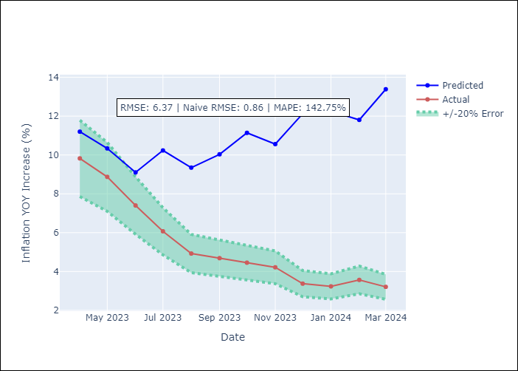

Appendix A: Model Summary
Model | VAR - 8
Sample | 2010-12-01 to 2024-03-01
No. of Observations | 160
Terms | P-value (Statistical significance)
L1.YoY Increase Inflation | 5.156336088E-05
L1.Expectativas de inflación en 11 meses | 0.20851332621
L1.General wage index | 0.44795789757
L1.CPI_Japan | 0.35783140617
L1.CPI_United States | 0.065022566473
L1.Observed pesos/dollar | 0.24940594607
L1.CPI_Brazil | 0.64293082882
L1.PPI_Brazil | 0.88225608897
L1.CPI_China | 0.68451049096
L1.6.Economic perception index | 0.31434101973
L1.Price of Silver dollars per ounce | 0.4092601724
L1.Ahorro Bruto | 0.29620002481
L1.3.Twelve-month economic outlook for the country_yoy | 0.37611352831
L1.5.Household appliance consumption expectations | 0.25034566278
L2.YoY Increase Inflation | 0.047080230039
L2.Expectativas de inflación en 11 meses | 0.37014703605
L2.General wage index | 0.055141859517
L2.CPI_Japan | 0.95339519862
L2.CPI_United States | 0.21047727591
L2.Observed pesos/dollar | 0.0096016479147
L2.CPI_Brazil | 0.53631515634
L2.PPI_Brazil | 0.46850255228
L2.CPI_China | 0.64147840595
L2.6.Economic perception index | 0.29279674066
L2.Price of Silver dollars per ounce | 0.67168027763
L2.Ahorro Bruto | 0.21528197496
L2.3.Twelve-month economic outlook for the country_yoy | 0.91342435418
L2.5.Household appliance consumption expectations | 0.27847155258
L3.YoY Increase Inflation | 0.35464076156
L3.Expectativas de inflación en 11 meses | 0.71390234745
L3.General wage index | 0.7519374817
L3.CPI_Japan | 0.89997061657
L3.CPI_United States | 0.79777721829
L3.Observed pesos/dollar | 0.10701383569
L3.CPI_Brazil | 0.36943110188
L3.PPI_Brazil | 0.5706824464
L3.CPI_China | 0.47629360527
L3.6.Economic perception index | 0.92208674979
L3.Price of Silver dollars per ounce | 0.81119739669
L3.Ahorro Bruto | 0.71862053894
L3.3.Twelve-month economic outlook for the country_yoy | 0.49189264798
L3.5.Household appliance consumption expectations | 0.76475519345
L4.YoY Increase Inflation | 0.70342560135
L4.Expectativas de inflación en 11 meses | 0.88217193678
L4.General wage index | 0.6604589562
L4.CPI_Japan | 0.60717227071
L4.CPI_United States | 0.70459717652
L4.Observed pesos/dollar | 0.015477447128
L4.CPI_Brazil | 0.81795290571
L4.PPI_Brazil | 0.2024152805
L4.CPI_China | 0.48821198028
L4.6.Economic perception index | 0.95246415772
L4.Price of Silver dollars per ounce | 0.053973678846
L4.Ahorro Bruto | 0.61005601451
L4.3.Twelve-month economic outlook for the country_yoy | 0.52297283027
L4.5.Household appliance consumption expectations | 0.79390161869
L5.YoY Increase Inflation | 0.75325762355
L5.Expectativas de inflación en 11 meses | 0.53059222671
L5.General wage index | 0.55287678726
L5.CPI_Japan | 0.20744523229
L5.CPI_United States | 0.6982030915
L5.Observed pesos/dollar | 0.027021369633
L5.CPI_Brazil | 0.27792490616
L5.PPI_Brazil | 0.53492554135
L5.CPI_China | 0.91326250355
L5.6.Economic perception index | 0.9307053674
L5.Price of Silver dollars per ounce | 0.1691752968
L5.Ahorro Bruto | 0.20718250291
L5.3.Twelve-month economic outlook for the country_yoy | 0.56846917312
L5.5.Household appliance consumption expectations | 0.78093145425
L6.YoY Increase Inflation | 0.44779266419
L6.Expectativas de inflación en 11 meses | 0.74313624435
L6.General wage index | 0.077902333511
L6.CPI_Japan | 0.0040363931204
L6.CPI_United States | 0.53862360879
L6.Observed pesos/dollar | 0.029621928559
L6.CPI_Brazil | 0.99305078451
L6.PPI_Brazil | 0.94765419173
L6.CPI_China | 0.78382850042
L6.6.Economic perception index | 0.88057854807
L6.Price of Silver dollars per ounce | 0.095869370458
L6.Ahorro Bruto | 0.82233346513
L6.3.Twelve-month economic outlook for the country_yoy | 0.90418208251
L6.5.Household appliance consumption expectations | 0.94752297506
L7.YoY Increase Inflation | 0.040207728553
L7.Expectativas de inflación en 11 meses | 0.45028691484
L7.General wage index | 0.023606046421
L7.CPI_Japan | 0.032239115807
L7.CPI_United States | 0.35742212897
L7.Observed pesos/dollar | 0.17225389669
L7.CPI_Brazil | 0.87860407715
L7.PPI_Brazil | 0.56444480261
L7.CPI_China | 0.47785016495
L7.6.Economic perception index | 0.44383722222
L7.Price of Silver dollars per ounce | 0.060036296866
L7.Ahorro Bruto | 0.82394364401
L7.3.Twelve-month economic outlook for the country_yoy | 0.94381281976
L7.5.Household appliance consumption expectations | 0.78333378454
L8.YoY Increase Inflation | 0.14987950707
L8.Expectativas de inflación en 11 meses | 0.31235011342
L8.General wage index | 0.24573872012
L8.CPI_Japan | 0.20103381857
L8.CPI_United States | 0.96389470489
L8.Observed pesos/dollar | 0.41633595833
L8.CPI_Brazil | 0.71010523963
L8.PPI_Brazil | 0.6293678399
L8.CPI_China | 0.33372051927
L8.6.Economic perception index | 0.069102231247
L8.Price of Silver dollars per ounce | 0.17888593509
L8.Ahorro Bruto | 0.18123669061
L8.3.Twelve-month economic outlook for the country_yoy | 0.8696182562
L8.5.Household appliance consumption expectations | 0.41454892736
Assumptions | P-value

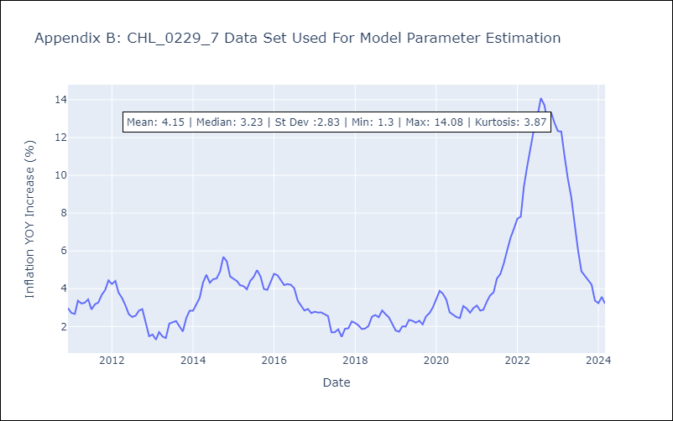

Appendix C: Residuals Analysis
Mean | -0.0
Errors AutoCorrelated? | 1.6265647882150287 | No Autocorrelation
Normal? | No

